Main
Open Source Experiment for Actuators ( Actuator Function Tester )

 | Current [mA] | Stroke [mm] | Force [N]
0.8
0.000
0.000

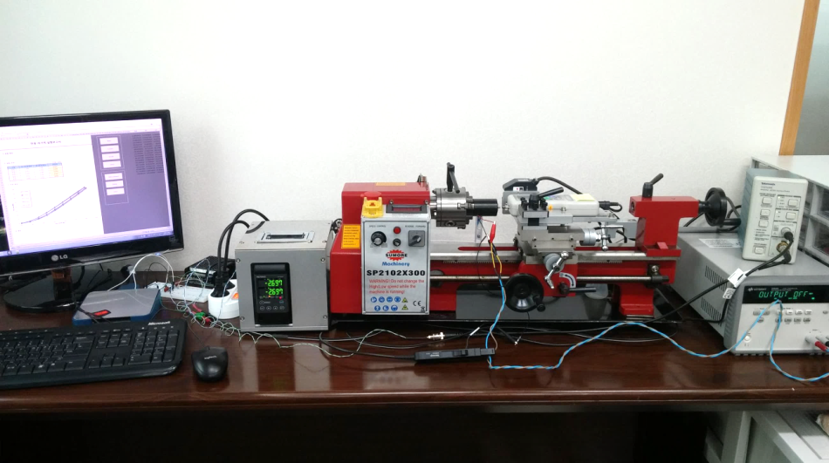
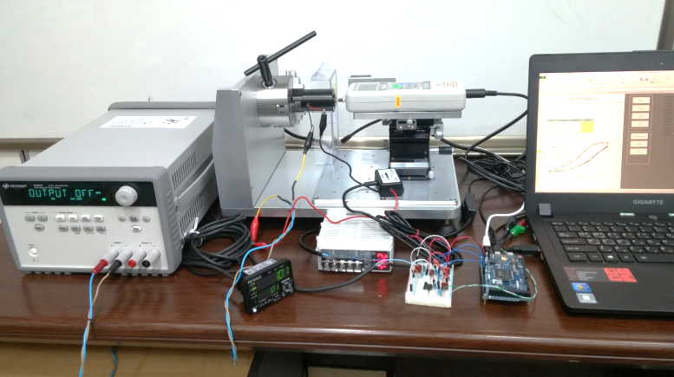
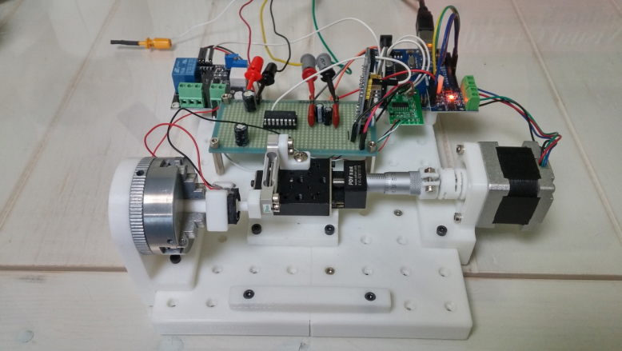
DIY Tester
High-precision Tester
General Tester

Current
 |  | Current-Force Experiment Report
 |  |  |  |  |  |  | 0.85191491658 | 2.0816681712E-17 | 0.82569453524 | 2.0816681712E-17
 |  |  |  |  |  |  | 2.7135619922 | 2.0816681712E-17 | 2.6873416108 | 2.0816681712E-17
 |  |  |  |  |  |  | 7.774095592 | 2.0816681712E-17 | 7.852756736 | 2.0816681712E-17
 |  |  |  |  |  |  | 13.018171861 | 2.0816681712E-17 | 13.044392243 | 2.0816681712E-17
1. Definition |  |  |  |  |  |  | 18.262248131 | 2.0816681712E-17 | 18.262248131 | 2.0816681712E-17
 |  |  |  |  |  |  | 23.480104018 | 2.0816681712E-17 | 23.5063244 | 2.0816681712E-17
 |  |  |  |  |  |  | 28.750400669 | 0.00071428571429 | 28.750400669 | 2.0816681712E-17
 |  |  |  |  |  |  | 33.968256557 | 0.012619047619 | 33.968256557 | 2.0816681712E-17
2. Test Condition |  |  |  |  |  |  | 39.107451301 | 0.025476190476 | 39.133671682 | 0.0083333333333
 |  |  |  |  |  | (Unit : mm) | 44.35152757 | 0.037619047619 | 44.377747951 | 0.020952380952
 | index |  | Start Stroke | Final Stroke | Diff. Stroke |  | 49.543163077 | 0.049523809524 | 49.569383458 | 0.032857142857
 | Test 1 |  | 0.201 | 0.201 | 0.000 |  | 54.734798583 | 0.06119047619 | 54.761018965 | 0.045952380952
 | Test 2 |  | 0.100 | 0.100 | 0.000 |  | 59.952654471 | 0.072142857143 | 59.978874852 | 0.057142857143
 | Test 3 |  |  |  |  |  | 65.19673074 | 0.085238095238 | 65.19673074 | 0.070714285714
 | Test 4 |  |  |  |  |  | 70.44080701 | 0.09380952381 | 70.414586628 | 0.079761904762
 | Test 5 |  |  |  |  |  | 75.553781372 | 0.10523809524 | 75.580001754 | 0.090952380952
 |  |  |  |  |  |  | 80.77163726 | 0.11595238095 | 80.77163726 | 0.10166666667
3. Test Result |  |  |  |  |  |  | 79.749042388 | 0.11476190476 | 79.749042388 | 0.10047619048
 |  |  |  |  |  |  | 75.580001754 | 0.10547619048 | 75.553781372 | 0.090952380952
 | 0.201 |  | 0.100
0.8519149166 | 0 | 0.8256945352 | 0
2.7135619922 | 0 | 2.6873416108 | 0
7.774095592 | 0 | 7.852756736 | 0
13.0181718613 | 0 | 13.0443922426 | 0
18.2622481305 | 0 | 18.2622481305 | 0
23.4801040184 | 0 | 23.5063243998 | 0
28.750400669 | 0.0007142857 | 28.750400669 | 0
33.968256557 | 0.0126190476 | 33.968256557 | 0
39.1074513008 | 0.0254761905 | 39.1336716822 | 0.0083333333
44.3515275701 | 0.0376190476 | 44.3777479514 | 0.020952381
49.5431630767 | 0.0495238095 | 49.569383458 | 0.0328571429
54.7347985832 | 0.0611904762 | 54.7610189646 | 0.045952381
59.9526544711 | 0.0721428571 | 59.9788748525 | 0.0571428571
65.1967307404 | 0.0852380952 | 65.1967307404 | 0.0707142857
70.4408070097 | 0.0938095238 | 70.4145866283 | 0.0797619048
75.5537813722 | 0.1052380952 | 75.5800017535 | 0.090952381
80.7716372601 | 0.115952381 | 80.7716372601 | 0.1016666667
79.7490423876 | 0.1147619048 | 79.7490423876 | 0.1004761905
75.5800017535 | 0.1054761905 | 75.5537813722 | 0.090952381
70.4408070097 | 0.0945238095 | 70.4408070097 | 0.0795238095
65.1967307404 | 0.0847619048 | 65.2229511217 | 0.0697619048
59.9264340898 | 0.0721428571 | 59.9788748525 | 0.0578571429
54.7347985832 | 0.06 | 54.7347985832 | 0.0464285714
49.569383458 | 0.0480952381 | 49.5956038393 | 0.0338095238
44.3515275701 | 0.0361904762 | 44.3515275701 | 0.0219047619
39.0812309195 | 0.0242857143 | 39.1336716822 | 0.0111904762
33.9420361756 | 0.0123809524 | 33.9420361756 | 0.0002380952
28.750400669 | 0.0004761905 | 28.750400669 | 0
23.5063243998 | 0 | 23.5063243998 | 0
18.2622481305 | 0 | 18.2622481305 | 0
13.0181718613 | 0 | 13.0181718613 | 0
7.774095592 | 0 | 7.8003159734 | 0
2.6873416108 | 0 | 2.7397823735 | 0
0.8256945352 | 0 | 0.8256945352 | 0
 |  |  |  |  |  |  | 70.44080701 | 0.094523809524 | 70.44080701 | 0.079523809524
 |  |  |  |  |  |  | 65.19673074 | 0.084761904762 | 65.222951122 | 0.069761904762
 |  |  |  |  |  |  | 59.92643409 | 0.072142857143 | 59.978874852 | 0.057857142857
 |  |  |  |  |  |  | 54.734798583 | 0.06 | 54.734798583 | 0.046428571429
 |  |  |  |  |  |  | 49.569383458 | 0.048095238095 | 49.595603839 | 0.03380952381
 |  |  |  |  |  |  | 44.35152757 | 0.03619047619 | 44.35152757 | 0.021904761905
 |  |  |  |  |  |  | 39.081230919 | 0.024285714286 | 39.133671682 | 0.01119047619
 |  |  |  |  |  |  | 33.942036176 | 0.012380952381 | 33.942036176 | 0.0002380952381
 |  |  |  |  |  |  | 28.750400669 | 0.00047619047619 | 28.750400669 | 2.0816681712E-17
 |  |  |  |  |  |  | 23.5063244 | 2.0816681712E-17 | 23.5063244 | 2.0816681712E-17
 |  |  |  |  |  |  | 18.262248131 | 2.0816681712E-17 | 18.262248131 | 2.0816681712E-17
 |  |  |  |  |  |  | 13.018171861 | 2.0816681712E-17 | 13.018171861 | 2.0816681712E-17
 |  |  |  |  |  |  | 7.774095592 | 2.0816681712E-17 | 7.8003159734 | 2.0816681712E-17
 |  |  |  |  |  |  | 2.6873416108 | 2.0816681712E-17 | 2.7397823735 | 2.0816681712E-17
 |  |  |  |  |  |  | 0.82569453524 | 2.0816681712E-17 | 0.82569453524 | 2.0816681712E-17

4. Conclusion

Stroke
 |  | Stroke-Force Experiment Report
 |  |  |  |  |  |  | 0.06125 | 0.011904761905
 |  |  |  |  |  |  | 0.08575 | 0.019047619048
 |  |  |  |  |  |  | 0.11025 | 0.02619047619
 |  |  |  |  |  |  | 0.13475 | 0.032857142857
1. Definition |  |  |  |  |  |  | 0.15925 | 0.038095238095
 |  |  |  |  |  |  | 0.18375 | 0.041666666667
 |  |  |  |  |  |  | 0.20825 | 0.044047619048
 |  |  |  |  |  |  | 0.23275 | 0.045238095238
2. Test Condition |  |  |  |  |  |  | 0.245 | 0.047619047619
 |  |  |  |  |  | (Unit : mA) | 0.2205 | 0.046428571429
 | index |  | Start Current | Final Current | Diff. Current |  | 0.196 | 0.044047619048
 | Test 1 |  | 44.93 | 44.93 | 0.00 |  | 0.1715 | 0.040476190476
 | Test 2 |  |  |  |  |  | 0.147 | 0.033571428571
 | Test 3 |  |  |  |  |  | 0.1225 | 0.027380952381
 | Test 4 |  |  |  |  |  | 0.098 | 0.020238095238
 | Test 5 |  |  |  |  |  | 0.0735 | 0.013095238095

3. Test Result

 | 44.93
0.06125 | 0.0119047619
0.08575 | 0.019047619
0.11025 | 0.0261904762
0.13475 | 0.0328571429
0.15925 | 0.0380952381
0.18375 | 0.0416666667
0.20825 | 0.044047619
0.23275 | 0.0452380952
0.245 | 0.0476190476
0.2205 | 0.0464285714
0.196 | 0.044047619
0.1715 | 0.0404761905
0.147 | 0.0335714286
0.1225 | 0.0273809524
0.098 | 0.0202380952
0.0735 | 0.0130952381

4. Conclusion

Setup
 |  |  |  |  |  |  |  |  |  |  |  |  |  | DAQ Board, Step Motor (instead of a stroke sensor) |  |  |  |  |  |  |  |  |  |  |  | Setting Command of Arduino |  |  | Return Command of Arduino
1. Hardware Setting |  |  |  |  |  |  |  |  |  |  |  |  |  | No | DAQ Name |  | Identifying Key |  | Channal No. |  |  |  |  |  |  | No | Meaning | Command | No | Meaning | Command
 |  |  |  |  |  |  |  |  |  |  |  |  |  |  |  |  |  |  | Curr. | Stroke |  | Force |  |  |  | 1 | Loadcell | l | 1 | Current | c
 |  |  |  |  |  |  |  |  |  |  |  |  |  | 1 | NI DAQ Board |  | NI |  | AI0 | AI1 |  | AI2 |  | NI Board : Dev1 |  | 2 | Step Motor | t | 2 | Stroke | s
 | DAQ Name : |  | 6 |  |  |  |  | P/S Name : |  | 4 |  |  |  | 2 | Arduino DUE |  | Arduino_DUE |  | A0 | A2 |  | A4 |  |  |  | 3 | Voltage Follower | o | 3 | Force | f
 |  |  |  |  |  |  |  |  |  |  |  |  |  | 3 | DUE, StepMotor |  | Arduino_DUE_Motor |  | A0 | - |  | A4 |  | Motor : D7,D8,D9,D10 |  |  |  |  | 4 | Packet End | e
 | DAQ Dev / Port Number : |  |  | 3 |  |  |  | P/S Serial Port Number : |  |  | 3 |  |  | 4 | Arduino UNO |  | Arduino_UNO |  | A0 | A2 |  | A4 |  |  |  | Operating Command of Arduino |  |  | 5 | Error | x
 |  |  |  |  |  |  |  |  |  |  |  |  |  | 5 | UNO, StepMotor |  | Arduino_UNO_Motor |  | A0 | - |  | A4 |  | Motor : D7,D8,D9,D10 |  | No | Meaning | Command
 |  |  |  |  |  |  |  |  |  |  |  |  |  | 6 | UNO, StepMotor, Loadcell |  | Arduino_UNO_Motor_Loadcell |  | A0 | - |  | A2,A3 |  | Motor : D7,D8,D9,D10 |  | 1 | Identify a board | i
 |  |  |  |  |  |  |  |  |  |  |  |  |  | 7 |  |  |  |  |  |  |  |  |  | Loadcell : A4,A5 |  | 2 | Set zero of stroke | z
 |  |  |  |  |  |  |  |  |  |  |  |  |  | 8 |  |  |  |  |  |  |  |  |  |  |  | 3 | Write the stroke | w
2. Compensation Setting |  |  |  |  |  |  |  |  |  |  |  |  |  | 9 |  |  |  |  |  |  |  |  |  |  |  | 4 | Move stroke | m
 |  |  |  |  |  |  |  |  |  |  |  |  |  | 10 |  |  |  |  |  |  |  |  |  |  |  | 5 | Release Motor | e
 | A. Current [mA] |  |  |  | B. Stroke [mm] |  |  |  | C. Force [N] |  |  |  |  |  |  |  |  |  |  |  |  |  |  |  |  | 6 | Output voltage | v
 | Current | Level |  |  | Stroke |  | Level |  | Force | Level |  |  |  | Power Supply |  |  |  |  |  |  |  |  |  |  |  | 7 | Request data to PC | r
 | 0 | 0.08 |  |  | 0 |  | 0 |  | 0 | 0 |  |  |  | No | Power Supply |  | Identifying Key |  | Channal No. |  | Limit Voltage |  | Limit Current
 | 13 | 87.76 |  |  | 0.245 |  | 100 |  | 0.01 | 8.4
 | 26 | 188.96 |  |  | 0.49 |  | 200 |  | 0.02 | 16.8 |  |  |  | 1 | KeySight E3649A |  | KeySight_E3649A |  | 1 |  | 35V |  | 1400mA
 | 38 | 282.46 |  |  | 0.735 |  | 300 |  | 0.03 | 25.2 |  |  |  | 2 | KeySight E3645A |  | KeySight_E3645A |  | 1 |  | 35V |  | 2200mA
 | 51 | 382.84 |  |  | 0.98 |  | 400 |  | 0.04 | 33.6 |  |  |  | 3 | DUE, Voltage Follower |  | Arduino_DUE_VF |  | DAC0 |  | 3.3V |  | 1000mA |  | UUE +TCA0372
 | 64 | 483 |  |  | 1.225 |  | 500 |  | 0.05 | 42 |  |  |  | 4 | UNO, Voltage Follower |  | Arduino_UNO_VF |  | A4,A5 |  | 5V |  | 1000mA |  | UNO + PCF8591 + TCA0372 (A4/SDA, A5/SCL)
 | 77 | 582.84 |  |  | 1.47 |  | 600 |  | 0.06 | 50.4 |  |  |  | 5
 | 89 | 673.24 |  |  | 1.715 |  | 700 |  | 0.07 | 58.8 |  |  |  | 6
 | 102 | 771.9 |  |  | 1.96 |  | 800 |  | 0.08 | 67.2 |  |  |  | 7
 | 115 | 869.84 |  |  | 2.205 |  | 900 |  | 0.09 | 75.6 |  |  |  | 8
 |  |  |  |  |  |  |  |  |  |  |  |  |  | 9
 | Slope | 0.1311 |  |  | Slope |  | 0.0025 |  | Slope | 0.0012 |  |  |  | 10
 | Intercept | 0.8257 |  |  | Intercept |  | 0.0000 |  | Intercept | 0.0000
 |  |  |  |  |  |  |  |  |  |  |  |  | A. Current |  |  | B. Stroke |  | C. Force
3. Measurement Setting

 | Sampling Period : |  | 50 |  |  | ms |  | Actuator Resistance : |  | 33 |  | Ω

 | Moving average Count : |  | 5 |  |  |  |  | Max Current : |  | 90.9 |  | mA

 | Limit Force : |  | 0.1 |  |  | N |  | Max Voltage : |  | 3 |  | V

 | Initial Current : |  | 0 |  |  | mA |  | Initial Stroke : |  | 0 |  | mm

 | Final Current : |  | 80 |  |  | mA |  | Final Stroke : |  | 0.2 |  | mm

 | Current Step Count : |  | 16 |  |  |  |  | Stroke Step Count : |  | 8

