Network
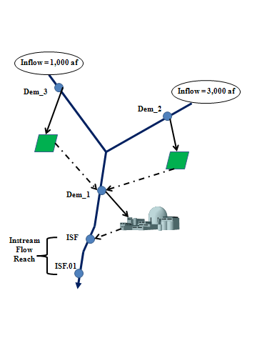
 |  | Standard

 |  |  |  | Gage = 3000 AF
Gage = 1000 AF

 | Dem_3 |  |  | Res_1

 |  |  | Dem_2

 |  | Dem_1

 |  | ISF

 |  |  | Gage = 1000 AF

Baseflow
Baseflow Calculation

Item | Ex 1 | Ex 2 | Ex 3
Gaged | 1000 | 1000 | 1000
Diversion (-) | 500 | 500 | 500
Return Flow (-) | 200 | 0 | 400
Storage Increase (-) | 210 | -490 | 1490
Evaporation Loss (+) | 10 | 10 | 10
Baseflow | 1100 | 2000 | -380

% removed | Baseflow
0 | 2000
20 | 6000
40 | 7500
60 | 9000
80 | 9800
100 | 10000

 |  | Standard

 |  |  |  |  | B = 3000 AF
A = 1000 AF

 | Dem_3 |  |  |  | Res_1

 |  |  |  | Dem_2

 |  |  |  | Baseflow = 1,000+3,000+70% (6000-4000)
 |  |  |  | Baseflow = | 5,400

 |  | Dem_1

 |  | ISF

 |  |  |  | C = 6000 AF

