SYS_ENV_UPDATE
hlc test framework directory structure

No | RootItem | SubComponent | General description | Design | Status | DueDate | Assignee | Reference
1 | /CMakeLists.txt |  | root cmake file for project build generation (build testcase(cpp) in test folder) |  | 0% | 2021-01-13 | DungNv
2 | /cmake |  | contain all module cmake script, shall be called by CMakeLists.txt in root dir |  | 0% | 2021-01-13 | DungNv
3 | modules(lib) |  |  |  | NA | NA | NA
4 |  | asio | IPv6, TCP, UDP, SSL, TLS, Socket |  | NA | NA | NA | https://think-async.com/Asio/
5 |  | fmt | format lib |  | NA | NA | NA | https://fmt.dev/latest/index.html
6 |  | cpp | common cpp lib |  | NA | NA | NA | https://github.com/chronoxor/CppCommon
7 |  | openssl(external environment) | encryption |  | NA | NA | NA
8 |  | wiringPi(external environment) | control raspberry gpio |  | NA | NA | NA
9 |  | openv2g | v2g lib (c code of message data structure for encode/decode as EXI format) |  | NA | NA | NA
10 |  | openv2g-appHandshake | encode/decode application handshake msg |  | NA | NA | NA
11 |  | openv2g-codec | encode/decode bits stream |  | NA | NA | NA
12 |  | openv2g-din | - C code for EXI XML FORMAT (encode/decode): input data structure -> output data stream | input data stream out put -> output data structure - C function (byte stream, data structure shall be used by V2gExiMessage class) |  | NA | NA | NA
13 |  | openv2g-iso1 |  |  | NA | NA | NA
14 |  | openv2g-iso2 |  |  | NA | NA | NA
15 |  | openv2g-transport | v2g transport (add header to data stream) |  | NA | NA | NA
16 |  | openv2g-xmldsig | EXI digital signature (add digital signature to header) |  | NA | NA | NA
17 | Codecs |  | ISO15118 Message encoding/decoding |  | 80% | 2021-01-15 | NhanNh
18 |  | /messages/class | specific class for each message EXI -> class attribute -> set/get data (inheritance from V2gExiMessage). TEMPLATE FOR MESSAGE |  |  |  |  | Annex M(normative)Template specifications for 15118-2 V2G application layer messages
19 |  | V2gExiMessage | pass data from application layer(class) to EXI presentation layer byte stream through iso1EXIDocument (inheritance from V2gTpMessage)
20 |  | V2gTpMessage | base message class
21 |  | V2gSdpMessage/V2gSdpResMessage | SECC discovery protocol for handle Network layer connection (discovery SECC IPv6, Port) <- UDP client (inheritance from V2gTpMessage) |  |  |  |  | Annex L (normative) Template specifications for 15118-2 SDP messages
22 | DataType |  | General Data Type definition - new data type definition for environment - typedef remain or reused from openv2g lib |  | 0% | 2021-01-15 | DungNv | Annex O(normative)Data type definitions
23 | PlatformInterface |  | Timers and external functions. |  | 0% | 2021-01-15 | DungNv | Annex A (normative) Configuration specifications A.1 Timer configuration
24 | SUTInterface | IEC61851If | - IEC 61851‐1 SUT adapter shall adapt the HAL 61851‐1 functions to a PWM Signal. IEC 61851‐1 SUT adapter could need additional hardware for adapting the message‐based HAL 61851‐1 communication to PWM Signaling according to IEC 61851‐1:2017, Annex A | TCP client, UPD client, TLS encryption and IEC61851 control pilot operation 1. propagate message requests and procedure based calls from the Test Execution 2. notify the Test Execution of any received test events by appending them to its port queues Connection management: - control for TCP/TLS port disconnection handling - control for receiving information/status on a given TCP/TLS connection - notification of TCP/TLS connection status events - notification of TLS Handshake status events Connection configuration: - configuration for IP address and port - configuration for usage of security (TCP/TLS) - configuration for cipherSuite - configuration for TLS protocol version - configuration for TLS certificate | 20% | 2021-01-20 | DungNv
25 |  | ISO15118If/UDP | - The ISO 15118‐2 SUT adapter shall adapt and send/receive the encoded SDP requests/responses through UDP messages to/from the SUT as defined in ISO 15118‐ 2:2014, 7.7.2 and 7.10.1. |  | 20% | 2021-01-20 | NhanNh |  | 1
26 |  | ISO15118If/TCP-TLS | - The ISO 15118‐2 SUT adapter shall adapt and send/receive the encoded V2G messages through a TCP or TLS connection to/from the SUT as defined in ISO 15118‐2:2014, 7.7.1 and 7.7.3. - The ISO 15118‐2 SUT adapter shall adapt the internal port control messages for TCP and TLS connection management as defined in Annex O, O.3 - The ISO 15118‐3 adapter is defined in ISO 15118‐5. It could need additional hardware to adapt between different Layer 2 communication technologies (e.g. Ethernet to HomePlug Green PHY) |  | 20% | 2021-01-22 | DungNv
27 | Templates |  | - template data(constant) for message/configuration/verify result |  | 0% | 2021-01-25 | NhanNh | Annex J(normative)Template specifications for V2G TCP/TLS Port Control to Annex N(normative)Template specifications for Security
28 | TestCase |  | - testcase function (sending/recevie specific message) | 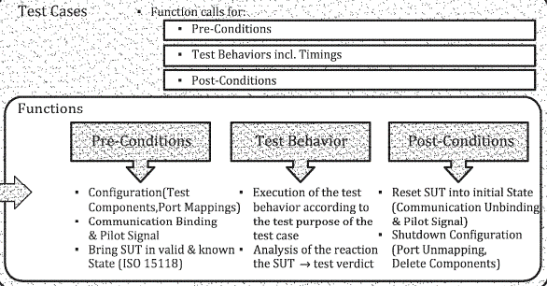 | 0% | 2021-01-30 | TBD | Annex C(normative)Test-case specifications for 15118-2 V2GTP to Annex E(normative)Test-case specifications for 15118-2 V2G application layer messages
29 | TestExecution |  | Test case execution (connection between TestSuite/TC and under layer SUTInterface) |  |  |  |  | function, datatype, etc.. For executing test case operation
30 |  | CmnFunc | - The Library Functions subclause contains utility Functions used across The test suite for various purposes |  | 0% | 2021-01-30 | TBD
31 |  | Components | Main test component, parallel test component, port definition | 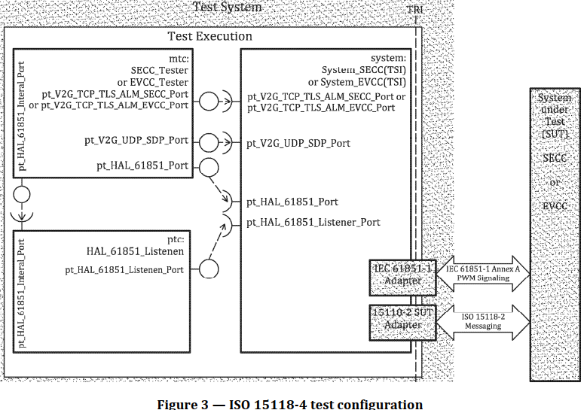 | 0% | 2021-01-30 | DungNv
32 |  | ConfigurationFunc | - The configuration annex contains constant definitions timers, PICS and PIXIT definitions. The configuration described in Annex A shall be applied. |  | 0% | 2021-01-30 | TBD
33 |  | PreConditionFunc | - The Pre‐condition subclause contains functions that are used for defining the pre‐conditions of a test behavior |  | 0% | 2021-01-30 | TBD
34 |  | TestBehaviorFunc | - Test behaviors of the ISO 15118 conformance tests |  | 0% | 2021-01-30 | TBD
35 |  | PostConditionFunc | - The Post‐condition subclause contains functions that are used to establish the post‐conditions of a test case. |  | 0% | 2021-01-30 | TBD
36 | TestLogging |  | Logging test case result and report |  | 0% | 2021-01-27 | TBD | Logging test case and report result (verdict)
37 | TestManagement |  | Configuration test suites |  | 0% | 2021-02-09 | TBD | 7.3.5 Test control
38 | TestSuite |  | Test suite (sequence of messages) with specific test profile |  | 0% | 2021-02-09 | TBD

TEST SUITE
TEST EXECUTION/ConfigurationFunc
TEST CASE
TEST MANAGEMENT
TEST EXECUTION/PreConditionFunc
TEST EXECUTION/TestBehaviorFunc
TEST EXECUTION/PostConditionFunc
TEST EXECUTION/Component
TEST EXECUTION/CmnFunc
TestLogging
SUTInterface
PlatformInterface
DataType
Codecs
Templates
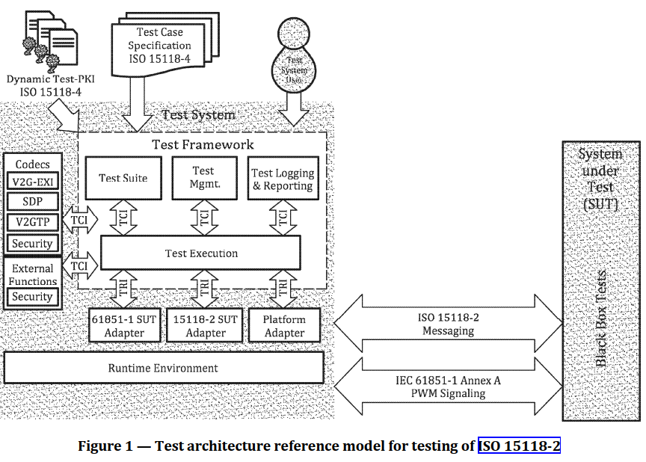

distributed thread, io_context for execution function object |  |  | Timer(with separated thread - specific for timer and other asyn operation)
for test execution |  |  | Timer management create at start of test case/ call createTime when used, start/stop/pop out timer
NA

 |  |  | both 61851 and 15118 SUT object operation shall be push to execution context
 |  |  | handle SUT communication operation, event, ..
 |  |  | context(thread pool) create from IFRuntime
 | Test Framework: main program: synchonous test step execution, push data to test execution component
 |  | component does asynchronous work (interact with SUT adapter)

 |  | operation:
 |  |  | create MTC, create STC global\
 |  |  | -> push ptr to MTC, STC
 |  |  | call common pre init configuration
 |  |  | create PTC, mapping port

TTCN-3
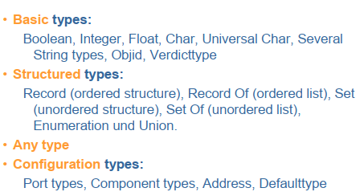
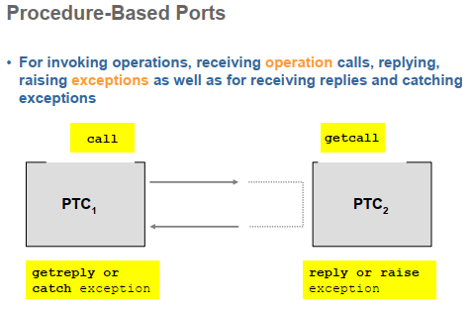
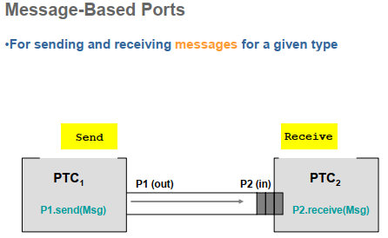

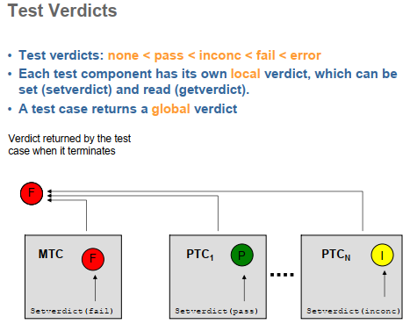

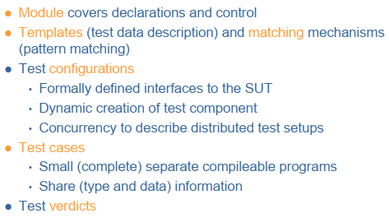

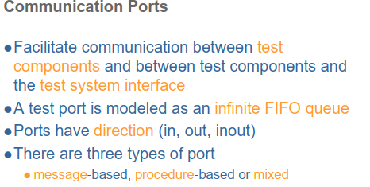

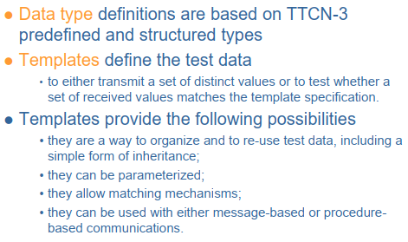
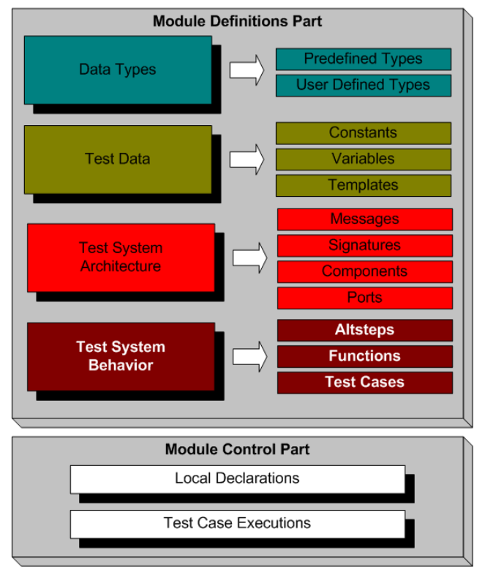

thread
async
concurrency

