Passenger numbers Schema
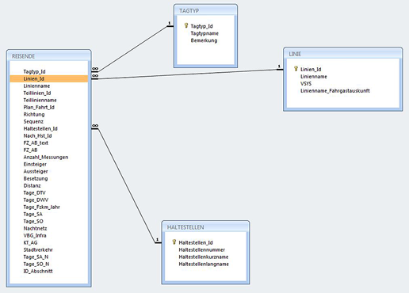
Passenger numbers (Fahrgastzahlen 2015)

