Table 9
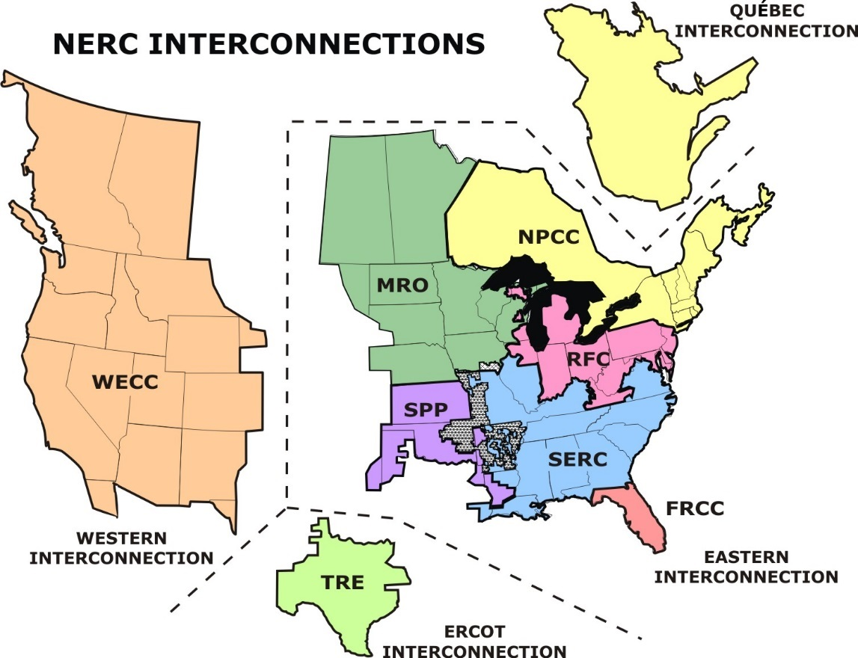
9. Grid Gross Loss (%) (eGRID2014)
Region* | Grid Gross Loss (%)
Alaska | 5.63%
Eastern | 4.97%
Hawaii | 5.18%
Texas (ERCOT) | 5.12%
Western | 4.79%
U.S. | 4.95%
* One of three interconnect power grids plus AK, HI, and U.S.
 | (created 1/13/2017)

Table 13
13. Map of eGRID Subregions (eGRID2014)
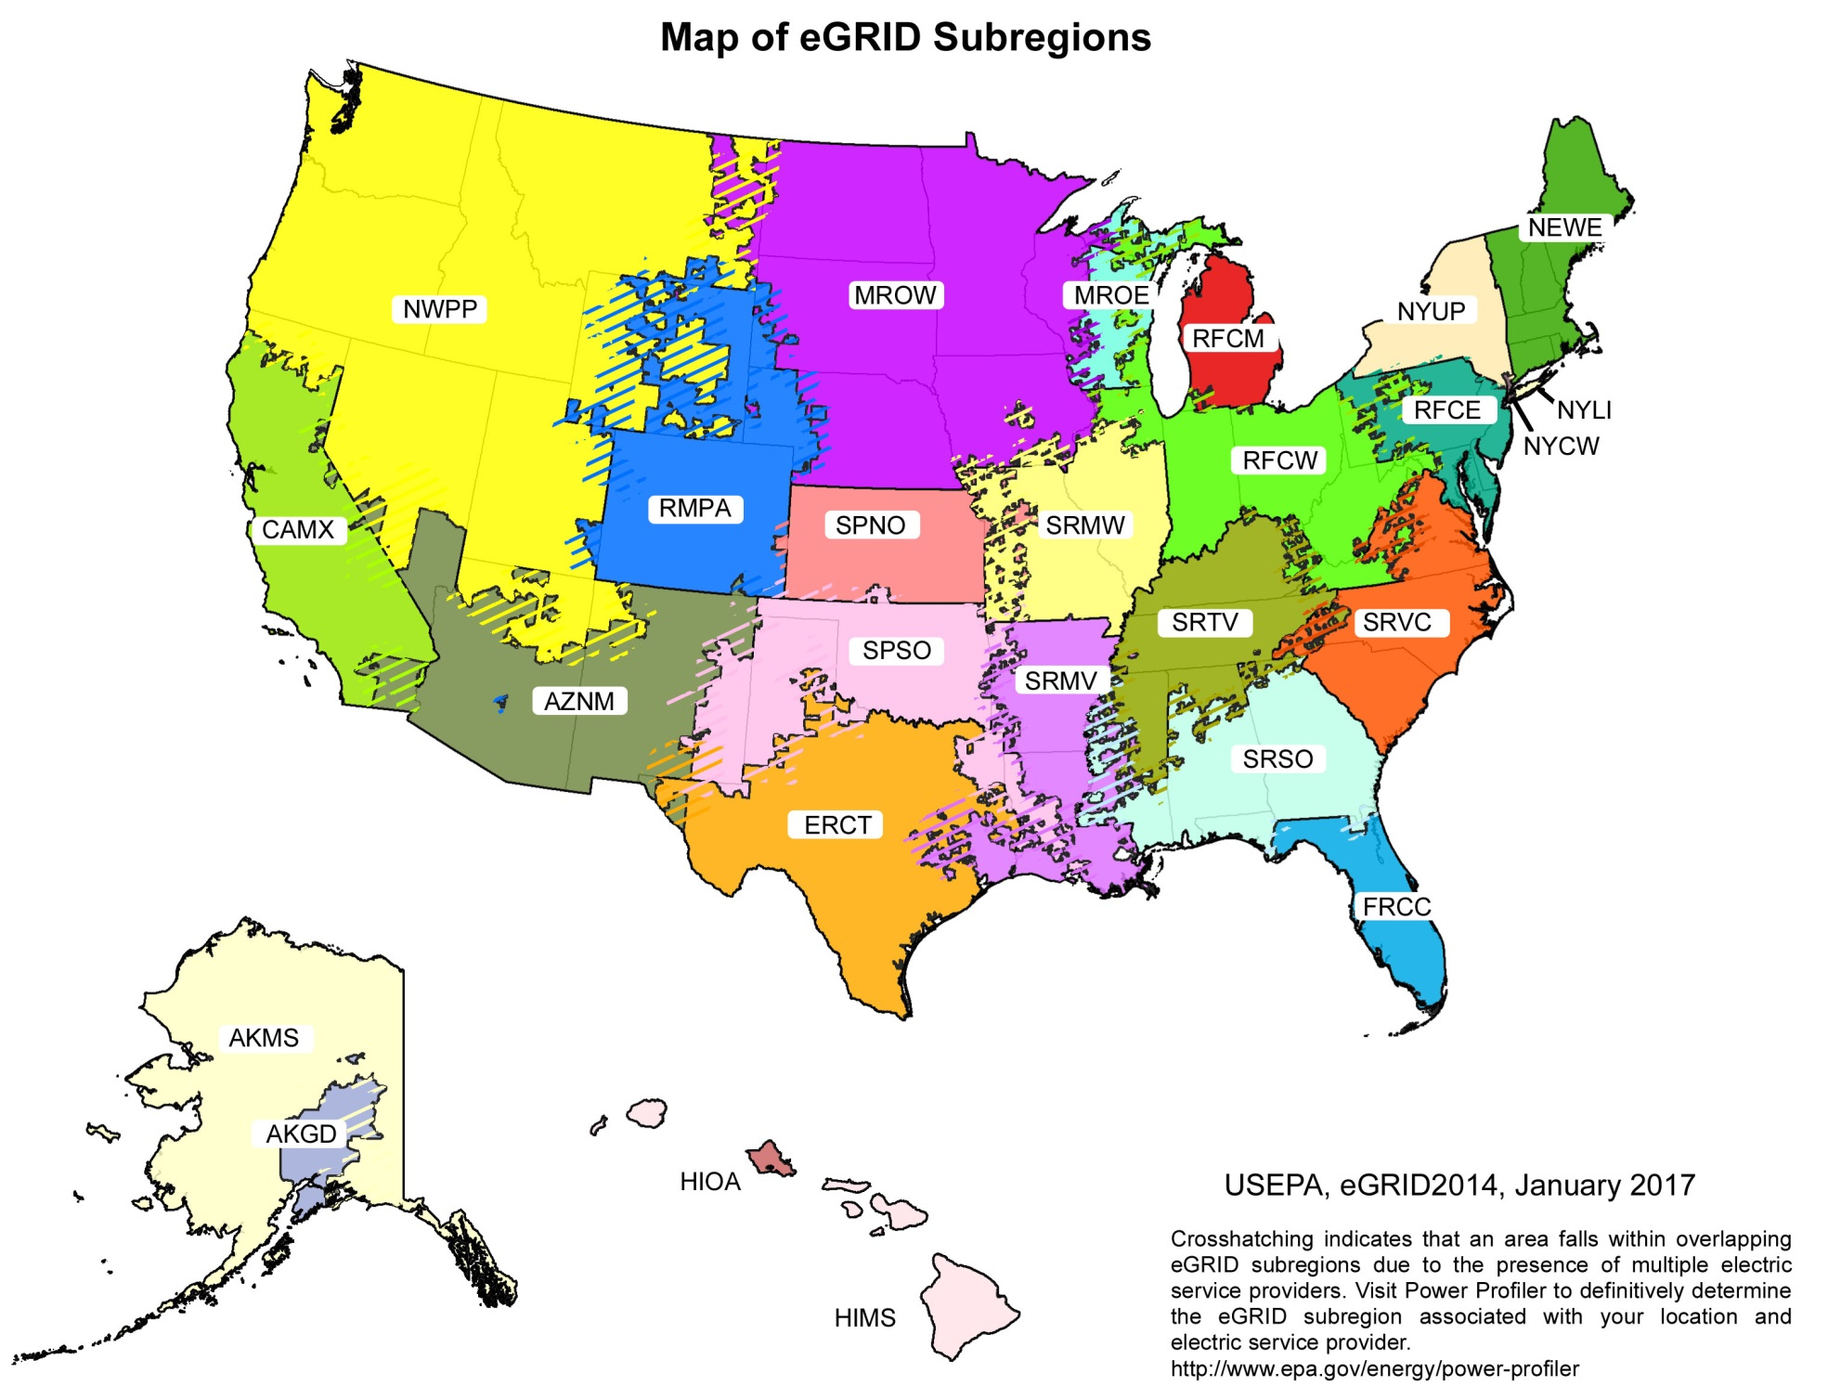

 | (created 12/23/2016)

