Sheet1
 | AR9271/AR9271L COMPARISON FOR EZ-WIFIBROADCAST/OPEN-HD RX/TX
ALL TESTS COMPLETED @ DATA RATE (2 and 3) / FREQ 2484mhz / CTS ENABLED / FEC 8/4/1024 AND TX-POWER DEFAULT @58
 |  | ATHEROS VERSION
 | MODEL and Link to purchase | AR9271 | AR9271L | MAX TX POWER | RX SENSITIVITY
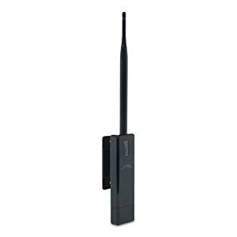 | UBIQUITI WIFISTATION EXT (Older limited availability, Often available on Ebay. Here is a link to wikidevi | X |  | 1000mw | -96dbm @ 1Mbps
 | TP-LINK W722N V1.2 |  | X | 90mw | -90dbm @ 1Mbps
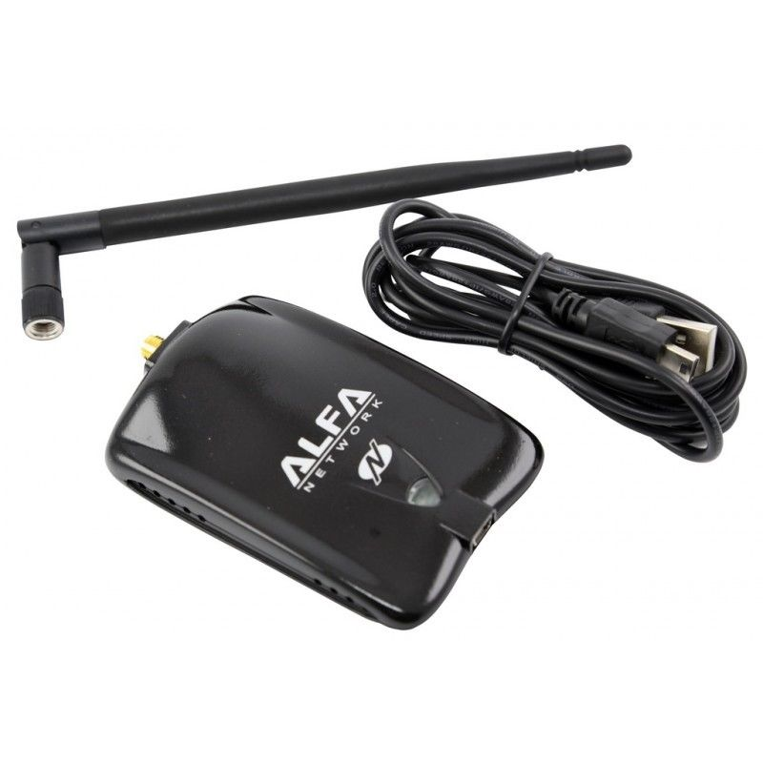 | ALFA AWUS036NHA |  | X | 300mw | -90dbm @ 1Mbps
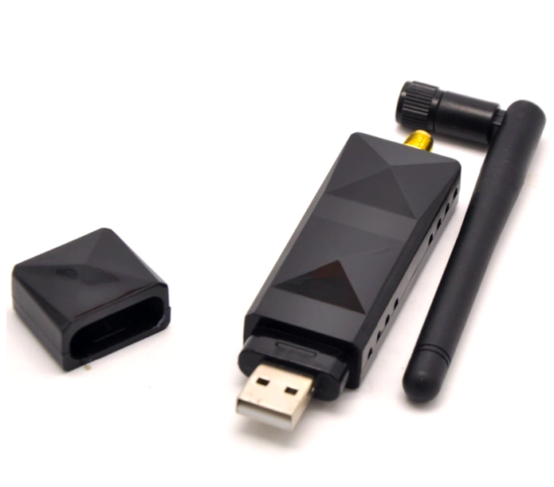 | GENERIC AR9271 (With single antenna) Available on AliExpress, Alibaba, Ebay and other online stores | X |  | 225mw | -94dbm @ 1Mbps
 | GENERIC AR9271 Blue High Power (With single antenna) Available on AliExpress, Alibaba, Ebay and other online stores | tbd | tbd | tbd | tbd

