Tabelle1
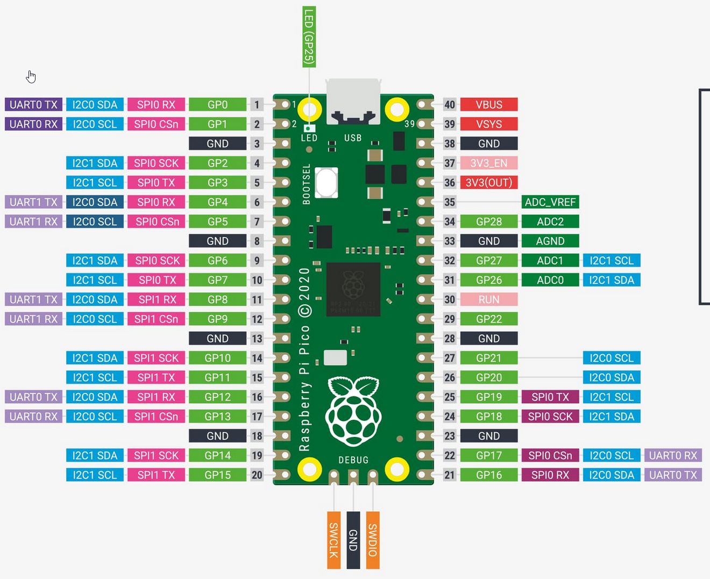

W5500 | <---> | RP2040
MOSI | <---> | GP19
MISO | <---> | GP16
SCK | <---> | GP18
SS | <---> | GP17
GND | <---> | GND
VCC | <---> | +3.3V

 |  |  | MOSI | <---> | GP19

 |  |  | SCK | <---> | GP18

 |  |  | SS | <---> | GP17

 |  |  | MISO | <---> | GP16

knxprod - prop
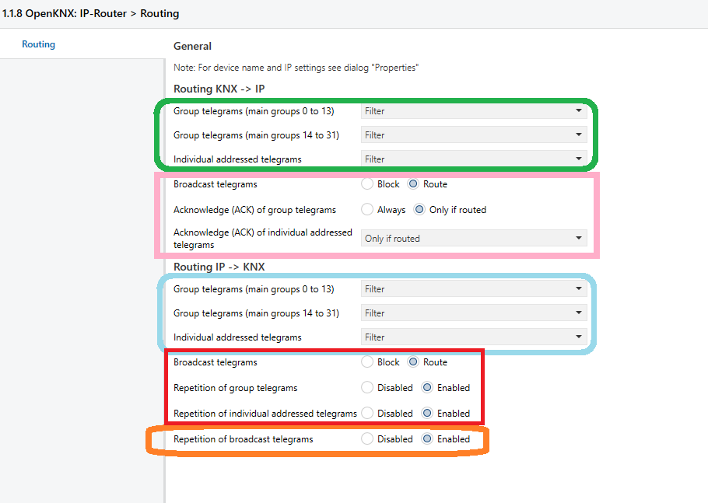
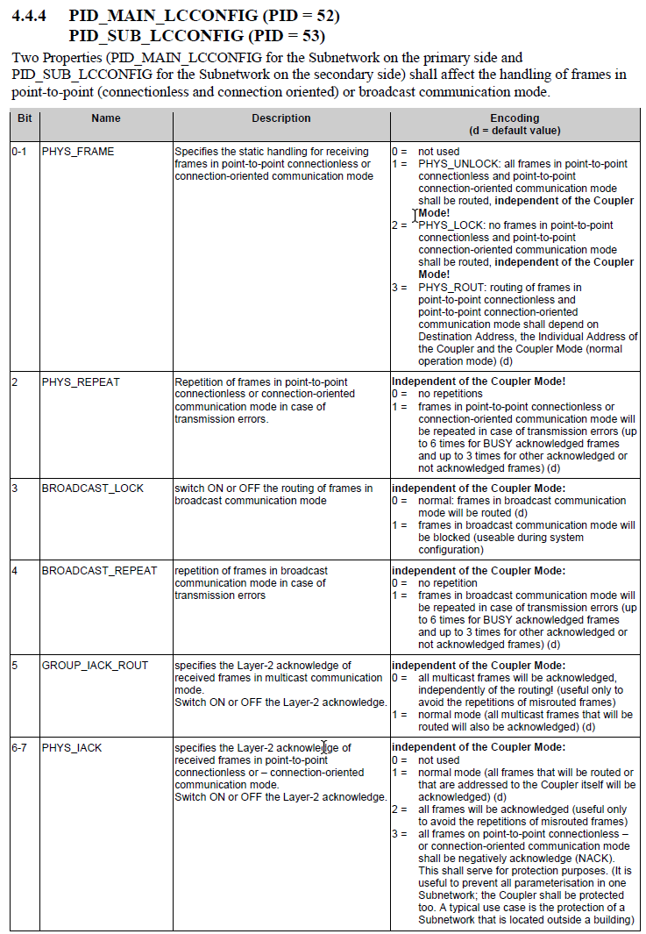
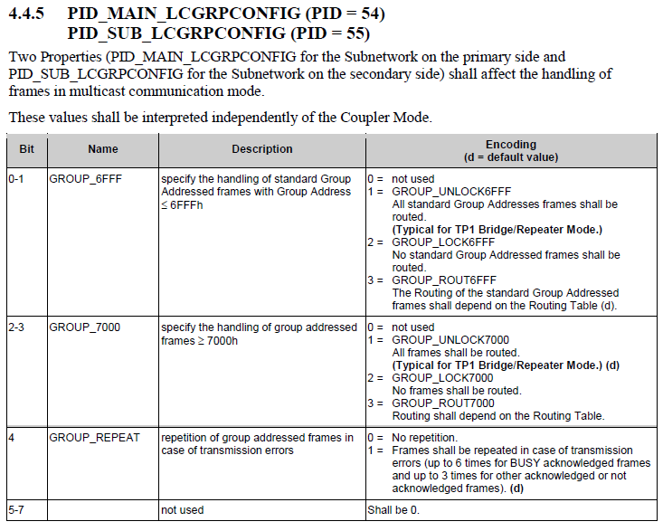

 |  |  | 0 | 1 | 2 | 3 | 4 | 5 | 6 | 7 | ETS Bitoffset

 |  |  | 7 | 6 | 5 | 4 | 3 | 2 | 1 | 0 | Bit in Spec

Prop
 |  | default
PID_MAIN_LCCONFIG | 52 | 0x77 | 0 1 |  | 1 | 1 | 0 | 1 | 1 1
 |  | 0x17 |  |  |  | 8 | 9 | 10 | 11 |  | Param in knxprod IP -> KNX

PID_SUB_LCCONFIG | 53 | 0x77 | 0 1 |  | 1 | 1 | 0 | 1 | 1 1
 |  | 0x63 | 2 |  | 3 |  | 4 |  | 5 |  | Param in knxprod KNX -> IP

PID_MAIN_LCGRPCONFIG | 54 | 0x17 | 0 0 0 |  |  | 1 | 0 1 |  | 1 1
 |  | 0x1F |  |  |  | 12 | 13 |  | 14 |  | Param in knxprod IP -> KNX

PID_SUB_LCGRPCONFIG | 55 | 0x17 | 0 0 0 |  |  | 1 | 0 1 |  | 1 1
 |  | 0x0F |  |  |  |  | 6 |  | 7 |  | Param in knxprod KNX -> IP

