schematics
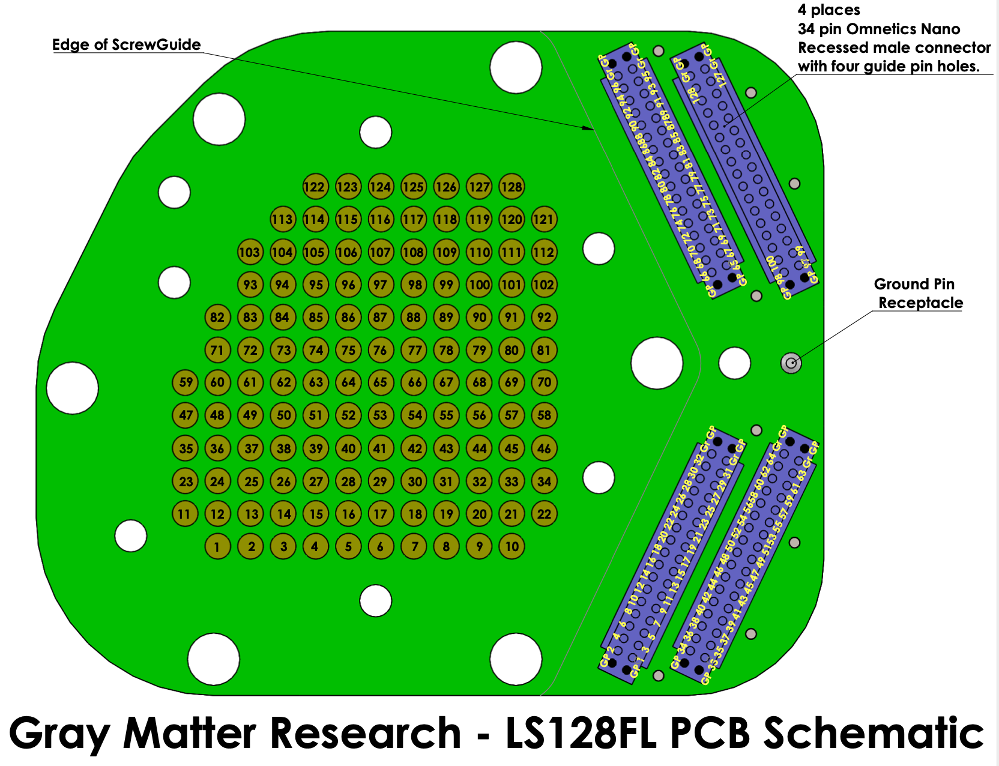
Anterior

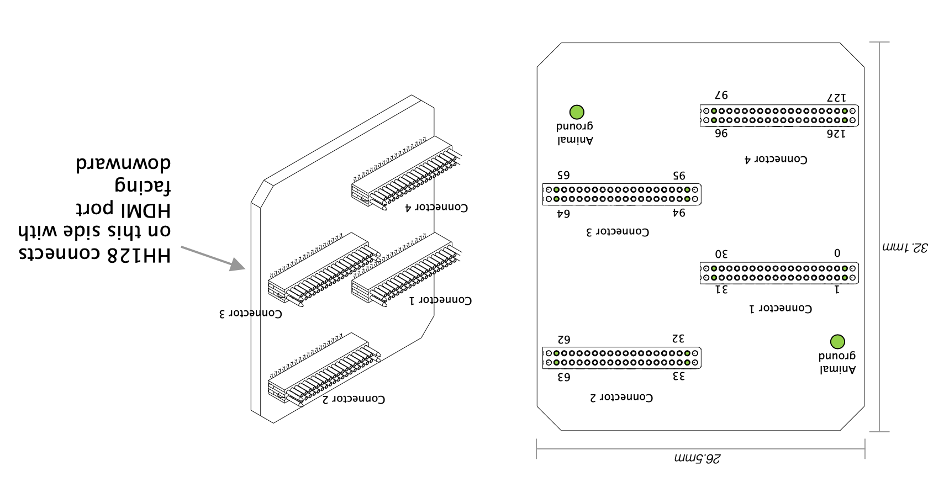

 |  | NOTE: spikegadgets schematic is incorrect, should read with hdmi facing UPWARDS

Posterior
 | hdmi

