Summary
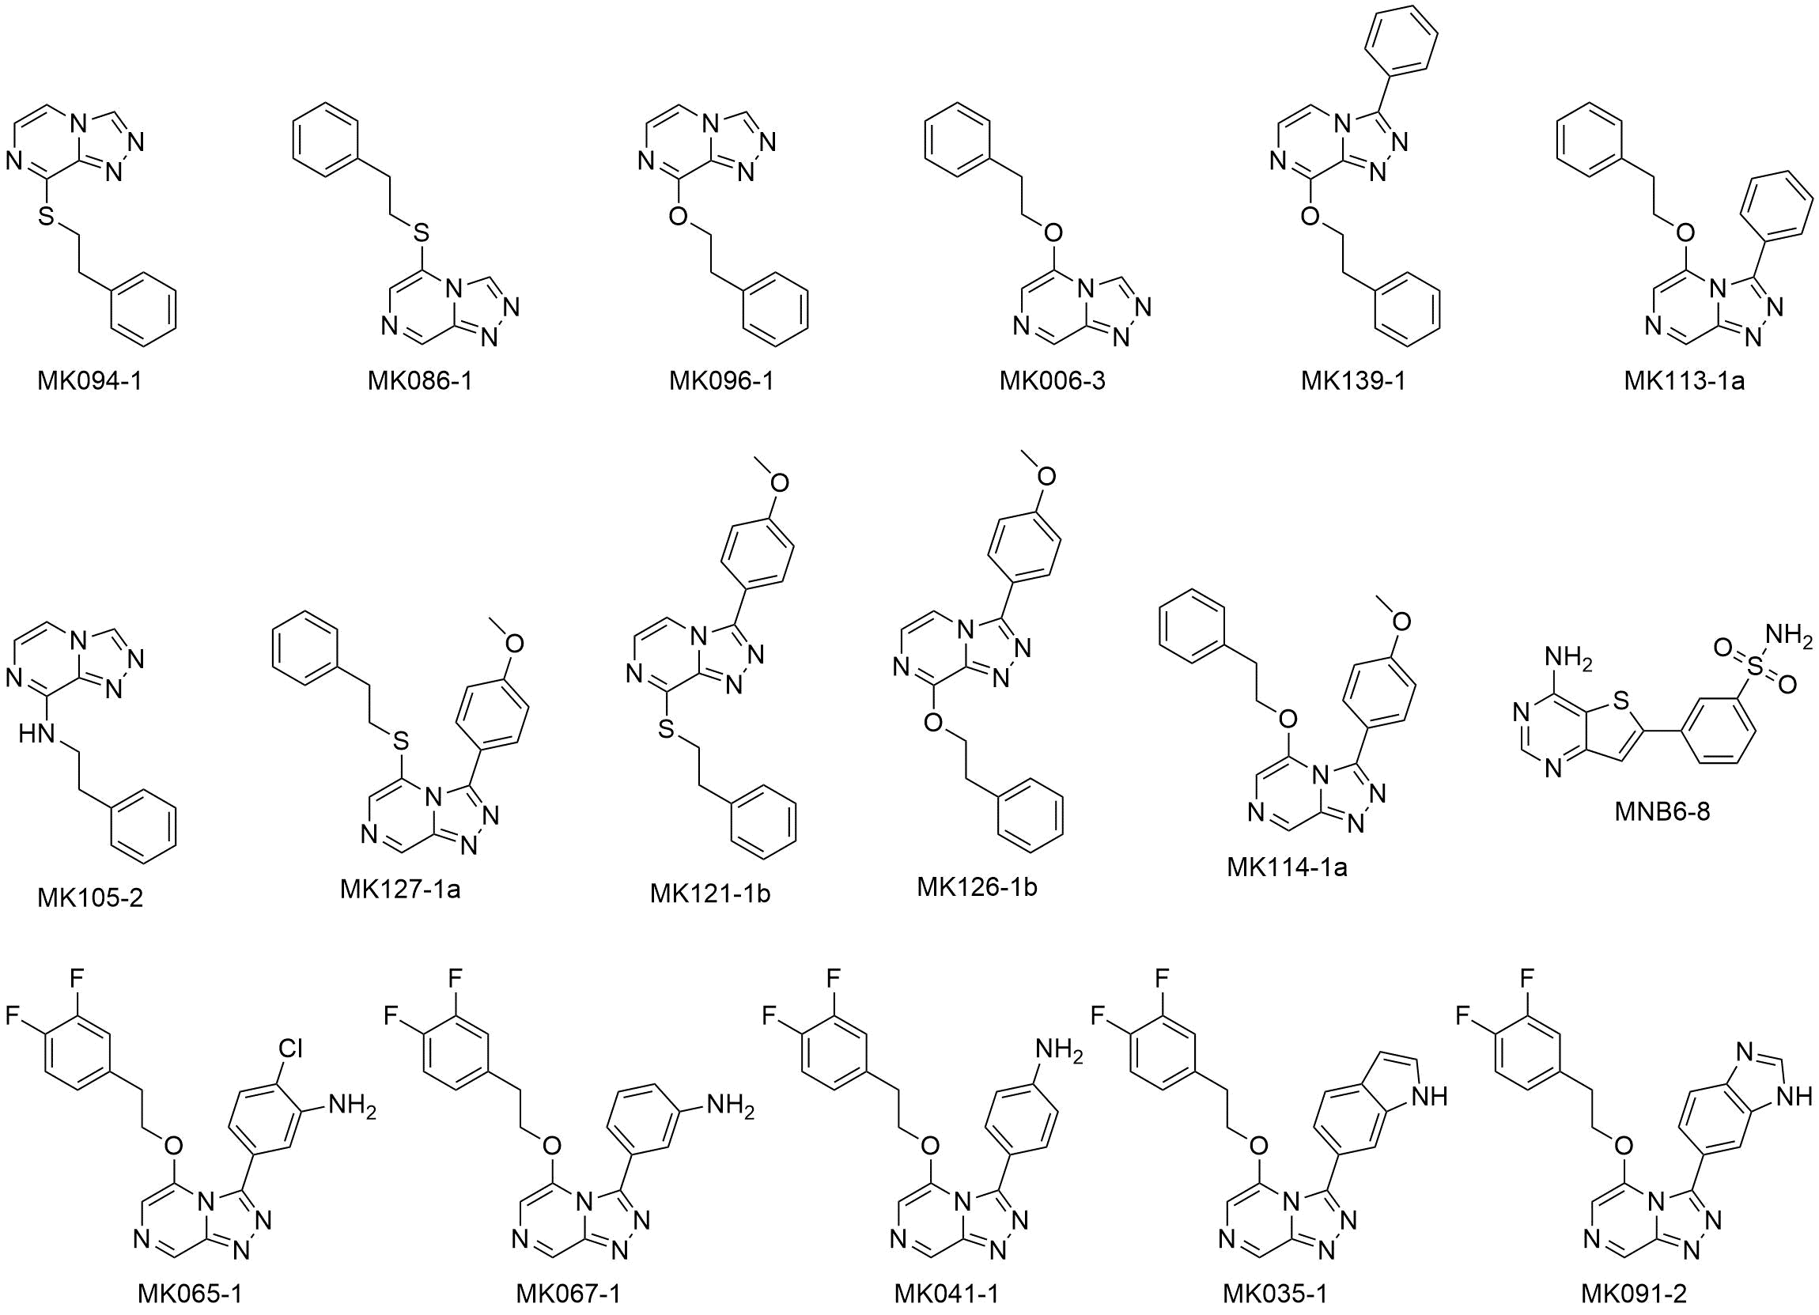
CompoundID | CompoundName | ProjectID | RunID | Sel | Act | Sa | Ec | Kp | Pa | Ab | Ca | Cn | Conc
C0077570 | MK006-3 | P0687 | PSR00163 | 0 | 0 | 8.15 | 6.01 | 4.8 | 24.85 | 28.14 | -4.47 | -2.33 | 32 ug/mL
C0077563 | MK126-1b | P0687 | PSR00163 | 0 | 0 | 10.47 | 4.52 | -2.94 | 8.95 | -298.41 | 16.67 | -1 | 32 ug/mL
C0077574 | MK041-1 | P0687 | PSR00163 | 0 | 0 | 14.65 | 6.07 | 0.13 | 5.88 | 29.68 | 20.66 | -15.52 | 32 ug/mL
C0077562 | MK113-1a | P0687 | PSR00163 | 0 | 0 | 12.53 | 5.94 | 1.65 | 2.47 | -198.9 | 19.6 | -11.51 | 32 ug/mL
C0077573 | MK067-1 | P0687 | PSR00163 | 0 | 0 | 6.2 | 8.56 | 0.36 | 3.05 | 27.89 | 3.34 | -12.68 | 32 ug/mL
C0077572 | MK065-1 | P0687 | PSR00163 | 0 | 0 | 11.97 | 8.03 | -2.55 | 14.23 | 21.64 | 5.45 | -9.68 | 32 ug/mL
C0077571 | MK035-1 | P0687 | PSR00163 | 0 | 0 | 3.66 | 6.83 | 1.76 | 27.36 | 19.98 | -1.39 | -27.21 | 32 ug/mL
C0077567 | MK096-1 | P0687 | PSR00163 | 0 | 0 | 0.62 | 3.54 | 0.05 | 2.26 | -14.14 | -6.69 | 32.05 | 32 ug/mL
C0077578 | MNB6-8 | P0687 | PSR00163 | 0 | 0 | 7.93 | 26.86 | -4.78 | 4.87 | -1.48 | 9.26 | -25.2 | 32 ug/mL
C0077566 | MK127-1a | P0687 | PSR00163 | 0 | 0 | 10.83 | 4.58 | 3.4 | 9.52 | 25.61 | 12.53 | 5 | 32 ug/mL
C0077577 | MK091-2 | P0687 | PSR00163 | 0 | 0 | 3.18 | -3.96 | -0.13 | -4.55 | -89.46 | 5.23 | -6.51 | 32 ug/mL
C0077565 | MK121-1b | P0687 | PSR00163 | 0 | 0 | 6.89 | -1.82 | -2.32 | 2.49 | -279.1 | 3.36 | 3 | 32 ug/mL
C0077576 | MK139-1 | P0687 | PSR00163 | 0 | 0 | 4.16 | -3.16 | -1.26 | 3.62 | -11.16 | 9.03 | 3.33 | 32 ug/mL
C0077564 | MK114-1a | P0687 | PSR00163 | 0 | 0 | -1.3 | -1.11 | 3.28 | -9.39 | -271.23 | 6.69 | -1.16 | 32 ug/mL
C0077575 | MK094-1 | P0687 | PSR00163 | 0 | 0 | 11.3 | 1.91 | 5.76 | 5.41 | 38.67 | 15.01 | -6.51 | 32 ug/mL
C0077569 | MK105-2 | P0687 | PSR00163 | 0 | 0 | 6.67 | -1.56 | -4.67 | 17.28 | 29.35 | -3.21 | 10.18 | 32 ug/mL
C0077568 | MK086-1 | P0687 | PSR00163 | 0 | 0 | 10.02 | 0.79 | -7.09 | 4.8 | 22.81 | -2 | 6.17 | 32 ug/mL

