Introduction

MaGMa for Threat Hunting


Version | 1.0
Date | 17.12.2018
https://www.betaalvereniging.nl/en/safety/tahiti

Process
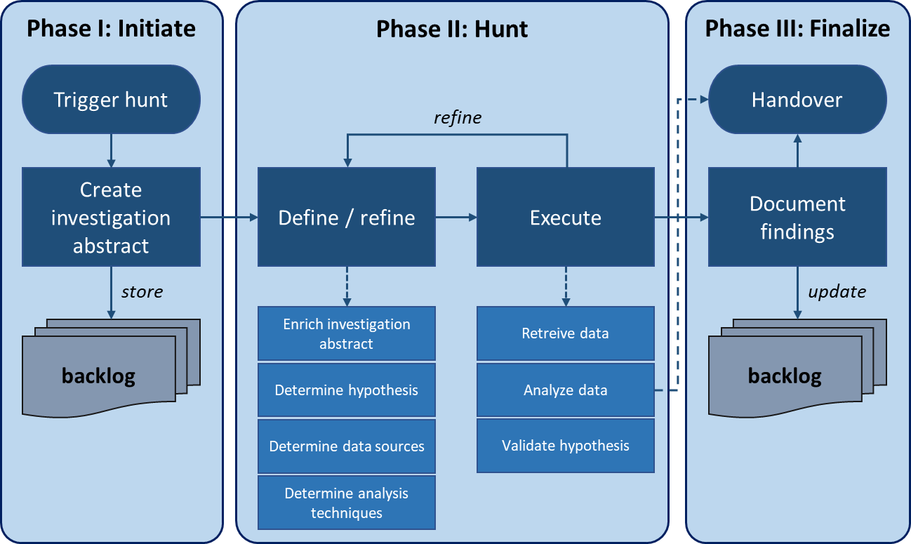
 | MaGMa for Threat Hunting - Process
 | The process used in the MaGMA for Threat Hunting tool is based on the TaHiTI methodology presented in the document. As described in the document, TaHiTI has of 3 phases: initiate, hunt and finalize. In the finalize phase, results are documented. This tool supports the TaHiTI process by allowing threat hunters to document their findings in a format that allows for reporting and insight into the performance of the threat hunting process. This is complementary to the full report on the hunting investigation. The tool itself uses the foundation of the MaGMa Use Case Framework: the L1 and L2 layers are mostly identical.

Q-Graphs
Hunting Hours By Month
Graphs (Quarterly)
Time spent hunting per month (last quarter) |  |  |  | Average and maximum dwell time per month (last quarter)
Date Completed | Sum of Time spent (hours) |  |  | Date Completed | Max of Dwell time (hours) | Date Completed | Average of Dwell time (hours)
Jan | 10 |  |  | Jan | 20 | Jan | 20
Feb | 20 |  |  | Feb | 40 | Feb | 40
Mar | 28 |  |  | Mar | 32 | Mar | 32
Grand Total | 58 |  |  | Grand Total | 40 | Grand Total | 30.666666667

Tactics vs Hunt Counts
Time spent hunting per month on each Tactics type (last quarter)
 |  | MITRE TACTICS NAME | Sum of Total time spent hunting (hours)
 |  | Resource Development | 48
 |  | Reconnaissance | 10
 |  | Lateral Movement | 0
 |  | Impact | 0
 |  | Credential Access | 0
 |  | Defense Evasion | 0
 |  | Initial Access | 0
 |  | Discovery | 0
 |  | Persistence | 0
 |  | Privilege Escalation | 0
 |  | Command & Control | 0
 |  | Execution | 0
 |  | Collection | 0
 |  | Exfilteration | 0
 |  | Grand Total | 58

