Pin layout
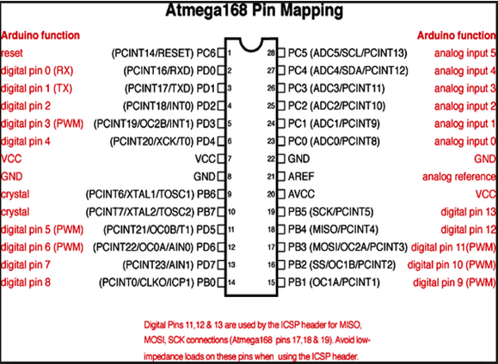
Atmega328 | Arduino Pin | ENC Pin |  |  |  |  |  |  |  | NRF24L01+ |  |  | Arduino
 | D0 | TX |  |  |  |  |  |  |  | Pin | Signal | Color | Pin
 | D1 | RX |  |  |  |  |  |  |  | 1 | GND | Black | GND
 | D2 | Temperature |  |  |  |  |  |  |  | 2 | VCC | White | 3.3V
 | D3 | Empty |  |  |  |  |  |  |  | 3 | CE | Grey | D8 | D9
 | D4 | PIR |  |  |  |  |  |  |  | 4 | CSN/SS | Purple | D7 | D10
 | D5 | Relay One |  |  |  |  |  |  |  | 5 | SCK | Blue | D13
 | D6 | Relay Two |  |  |  |  |  |  |  | 6 | MOSI | Green | D11
 | D7 | CSN/SS |  |  |  |  |  |  |  | 7 | MISO | Yellow | D12
 | D8 | CE |  |  |  |  |  |  |  | 8 | IRQ
 | D9 | DEBUG
 | D10 | Empty
 | D11 | MOSI
 | D12 | MISO |  |  |  |  |  |  |  | Conversion from pins in wise code to Arduino pins
 | D13 | SCK |  |  |  |  |  |  |  | Pin | Arduino Pin |  |  | ATTiny85 pin | ATMEL328P pin | Arduino Pin
 | A0 | Empty |  |  |  |  |  |  |  | 1 | D1 |  |  |  |  | D0
 | A1 | Empty |  |  |  |  |  |  |  | 2 | D2 |  |  |  |  | D1
 | A2 | Luminance |  |  |  |  |  |  |  | 3 | D3 |  |  |  |  | D2
 | A3 | Empty |  |  |  |  |  |  |  | 4 | D4 |  |  |  |  | D3
 | A4 | Empty |  |  |  |  |  |  |  | 5 | D5 |  |  |  |  | D4
 | A5 | Empty |  |  |  |  |  |  |  | 6 | D6 |  |  |  |  | D5
 |  |  |  |  |  |  |  |  |  | 7 | D7 |  |  |  |  | D6
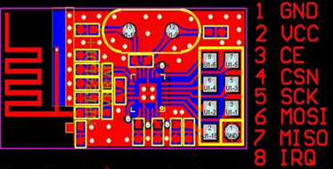
 |  |  |  |  |  |  |  |  |  | 8 | D8 |  |  |  |  | D7
nRF24L01 | Arduino Pin | nRF Pin |  |  |  |  |  |  |  | 9 | D9 |  |  |  |  | D8
 | D13 | SCK |  |  |  |  |  |  |  | 10 | D10 |  |  |  |  | D9
 | D12 | MISO |  |  |  |  |  |  |  | 11 | D11 |  |  |  |  | D10
 | D11 | MOSI |  |  |  |  |  |  |  | 12 | D12 |  |  |  |  | D11
 | D8 | CE |  |  |  |  |  |  |  | 13 | D13 |  |  |  |  | D12
 | D7 | CSN/SS |  |  |  |  |  |  |  | 14 | A0 |  |  |  |  | D13
 |  |  |  |  |  |  |  |  |  | 15 | A1 |  |  |  | 0 | A0
 |  |  |  |  |  |  |  |  |  | 16 | A2 |  |  |  |  | A1
 |  |  |  |  |  |  |  |  |  | 17 | A3 |  |  |  |  | A2
 |  |  |  |  |  |  |  |  |  | 18 | A4 |  |  |  |  | A3
 |  |  |  |  |  |  |  |  |  | 19 | A5 |  |  |  |  | A4
ENC28J60 | Arduino Pin | ENC Pin |  |  |  |  |  |  |  |  |  |  |  |  |  | A5
 | D13 | SCK
 | D12 | MISO
 | D11 | MOSI
 | D10 | CS
 | D2 | INT
 | RESET | RESET
 | 3V3 | VCC

Raspberry Pi Rev B+ |  |  |  |  |  |  |  |  | Raspberry Pi Rev B
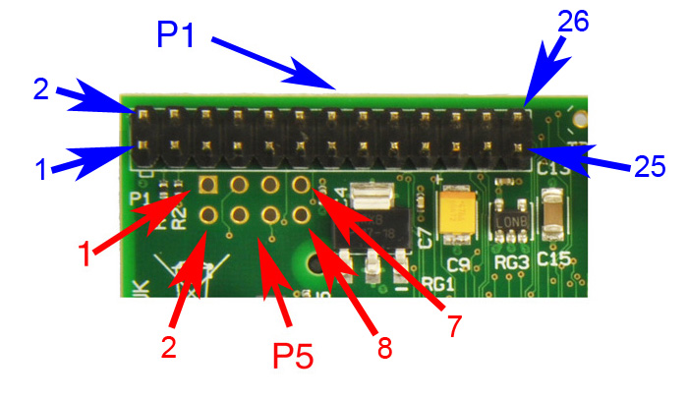

 | Raspy pin | GPIO | Pull
 | 1 | +3,3 V
 | 2 | +5 V
 | 3 | GPIO2 | High | NRF24L01+ |  |  | Raspberry Pi B+
 | 4 | +5 V |  | Pin | Signal | Color | Signal | Pin
 | 5 | GPIO3 | High | 1 | GND | Black | GND | 9
 | 6 | GND |  | 2 | VCC | White | 3.3V | 1
 | 7 | GPIO4 | High | 3 | CE | Grey | GPIO22 | 15
 | 8 | GPIO14 | Low | 4 | CSN | Purple | GPIO17 | 11 |  |  | Raspy pin | GPIO | Pull
 | 9 | GND |  | 5 | SCK | Blue | GPIO11 | 23 |  |  | 1 | +3,3 V |  |  |  | NRF24L01+ |  |  | Raspberry Pi B
 | 10 | GPIO15 | Low | 6 | MOSI | Green | GPIO10 | 19 |  |  | 2 | +5 V |  |  |  | Pin | Signal | Color | Signal | Pin
 | 11 | GPIO17 | Low | 7 | MISO | Yellow | GPIO9 | 21 |  |  | 3 | GPIO2 | High |  |  | 1 | GND | Black | GND | 6 | RPi Pin 6 - Module Pin 1
 | 12 | GPIO18 | Low | 8 | IRQ |  |  |  |  |  | 4 | +5 V |  |  |  | 2 | VCC | White | 3.3V | 1 | RPi Pin 1 - Module Pin 2
 | 13 | GPIO27 | Low |  |  |  |  |  |  |  | 5 | GPIO3 | High |  |  | 3 | CE | Grey | GPIO22 | 15 | RPi Pin 22 - Module Pin 3
 | 14 | GND |  |  |  |  |  |  |  |  | 6 | GND |  |  |  | 4 | CSN | Purple | GPIO17 | 11 | RPi Pin 24 - Module Pin 4
 | 15 | GPIO22 | Low |  |  |  |  |  |  |  | 7 | GPIO4 | High |  |  | 5 | SCK | Blue | GPIO11 | 23 | RPi Pin 23 - Module Pin 5
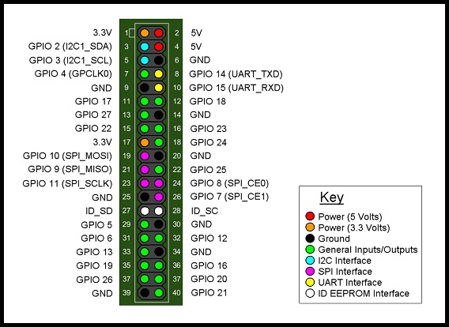
 | 16 | GPIO23 | Low |  |  |  |  |  |  |  | 8 | GPIO14 | Low |  |  | 6 | MOSI | Green | GPIO10 | 19 | RPi Pin 19 - Module Pin 6
 | 17 | +3,3 V |  |  |  |  |  |  |  |  | 9 | GND |  |  |  | 7 | MISO | Yellow | GPIO9 | 21 | RPi Pin 21 - Module Pin 7
 | 18 | GPIO24 | Low |  |  |  |  |  |  |  | 10 | GPIO15 | Low |  |  | 8 | IRQ
 | 19 | GPIO10 | Low |  |  |  |  |  |  |  | 11 | GPIO17 | Low
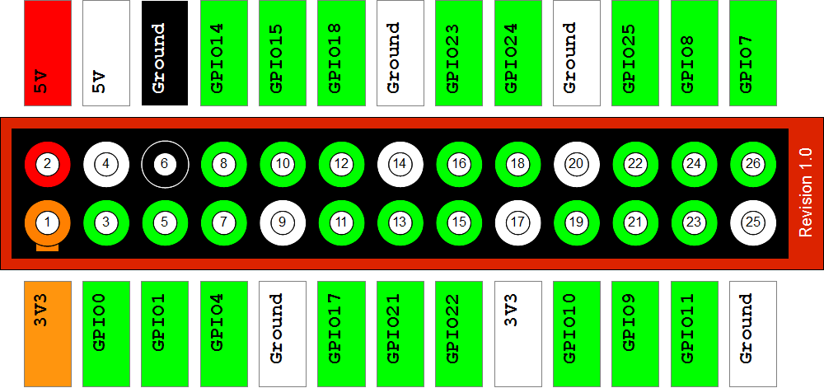
 | 20 | GND |  |  |  |  |  |  |  |  | 12 | GPIO18 | Low
 | 21 | GPIO9 | Low |  |  |  |  |  |  |  | 13 | GPIO27 | Low
 | 22 | GPIO25 | Low |  |  |  |  |  |  |  | 14 | GND
 | 23 | GPIO11 | Low |  |  |  |  |  |  |  | 15 | GPIO22 | Low
 | 24 | GPIO8 | High |  |  |  |  |  |  |  | 16 | GPIO23 | Low
 | 25 | GND |  |  |  |  |  |  |  |  | 17 | +3,3 V
 | 26 | GPIO7 | High |  |  |  |  |  |  |  | 18 | GPIO24 | Low
 | 27 | ID_SD |  |  |  |  |  |  |  |  | 19 | GPIO10 | Low
 | 28 | ID_SC |  |  |  |  |  |  |  |  | 20 | GND
 | 29 | GPIO5 | High |  |  |  |  |  |  |  | 21 | GPIO9 | Low
 | 30 | GND |  |  |  |  |  |  |  |  | 22 | GPIO25 | Low
 | 31 | GPIO6 | High |  |  |  |  |  |  |  | 23 | GPIO11 | Low
 | 32 | GPIO12 | Low |  |  |  |  |  |  |  | 24 | GPIO8 | High
 | 33 | GPIO13 | Low |  |  |  |  |  |  |  | 25 | GND
 | 34 | GND |  |  |  |  |  |  |  |  | 26 | GPIO7 | High
 | 35 | GPIO19 | Low
 | 36 | GPIO16 | Low
 | 37 | GPIO26 | Low
 | 38 | GPIO20 | Low
 | 39 | GND
 | 40 | GPIO21 | Low

Sensors table
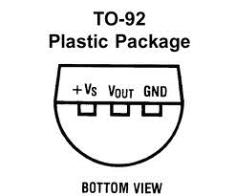
Type | Model | Description | Measurement pins | Default interval (sec) | Bus | LM35
1 | LM35 | Temperature | 1 | 60
2 | Photoresistor GL5516 | Luminace | 1 | 60
3 | PIR | Motion Detection | 1 | 0
4 | BMP180 | Barometric Pressure | 2 | 60 | I2C
5
6
7
8
9
10

