Sheet1
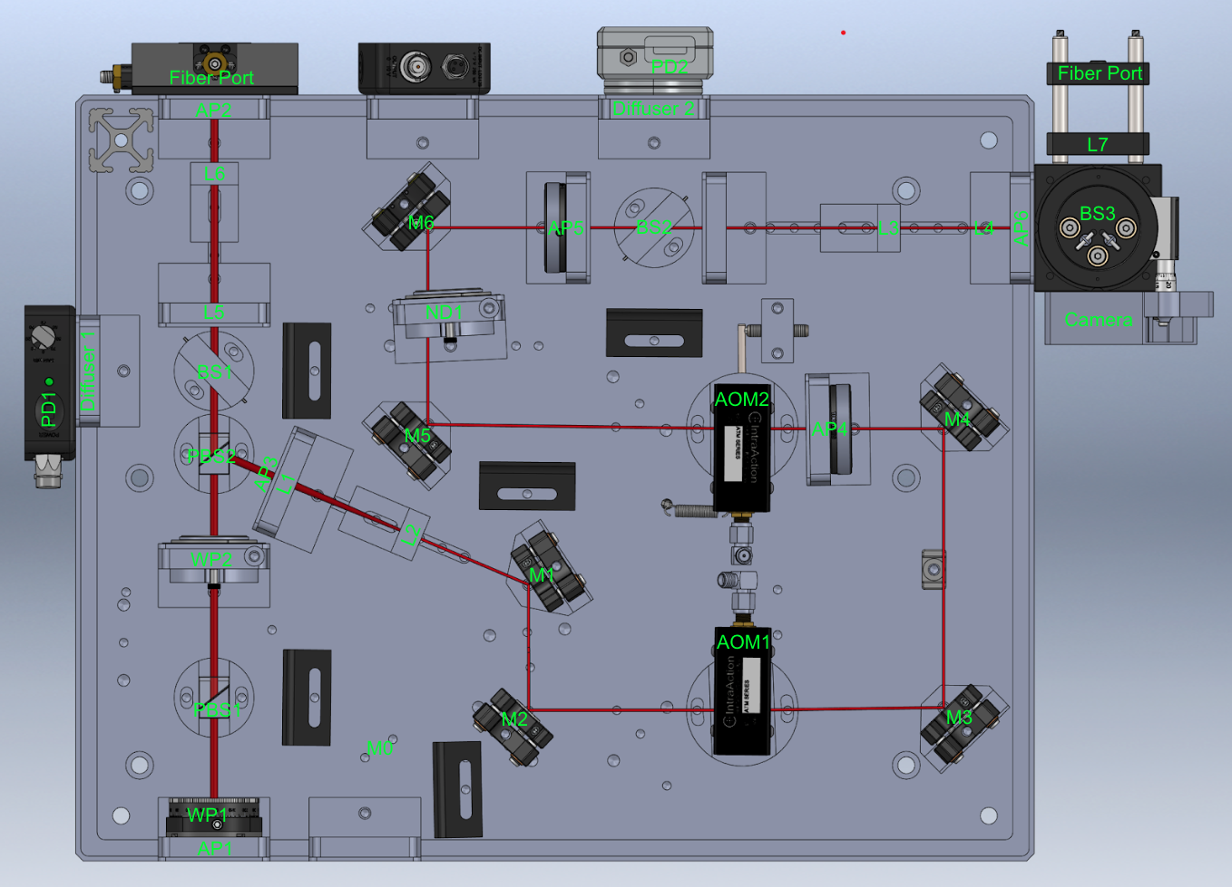
Item | ID/location | Description | Part numbers
1 | WP1 | Half Wave Plate | WPH05M-830
2 | PBS1 | Polarizing Beam Splitter | GL10P-B
3 | WP2 | Half Wave Plate | WPH05M-830
4 | PBS2 | Polarizing Beam Splitter | GL10P-B
5 | L1 | 75mm PCX | LA1608-B
6 | L2 | 25mm Plano Concave | LC1054-B
7 | M1 | Dielectric Mirror | BB05-E03
8 | M2 | Dielectric Mirror | BB05-E03
9 | AOM1 | IntraAction AOM | ATM-A2
10 | M3 | Dielectric Mirror | BB05-E03
11 | M4 | Dielectric Mirror | BB05-E03
12 | AP1 | Variable Aperture | SM1D12D
13 | AOM2 | IntraAction AOM | ATM-A2
14 | M5 | Dielectric Mirror | BB05-E03
15 | ND1 | Variable ND filter | NDC-25C-4
16 | M6 | Dielectric Mirror | BB05-E03
17 | AP2 | Variable Aperture | SM1D12D
18 | BS1 | Beam Splitter | BSN11R
19 | L3 | 25mm Plano Concave | LC1054-B
20 | L4 | 75mm PCX | LA1608-B
21 | BS2 | Beam Splitter | BSN11R
22 | L5 | 75mm PCX | LA1608-B
23 | L6 | 25mm Plano Concave | LC1054-B
24 | BS3 | Pellicle BS for Detection | BP108

