HTML
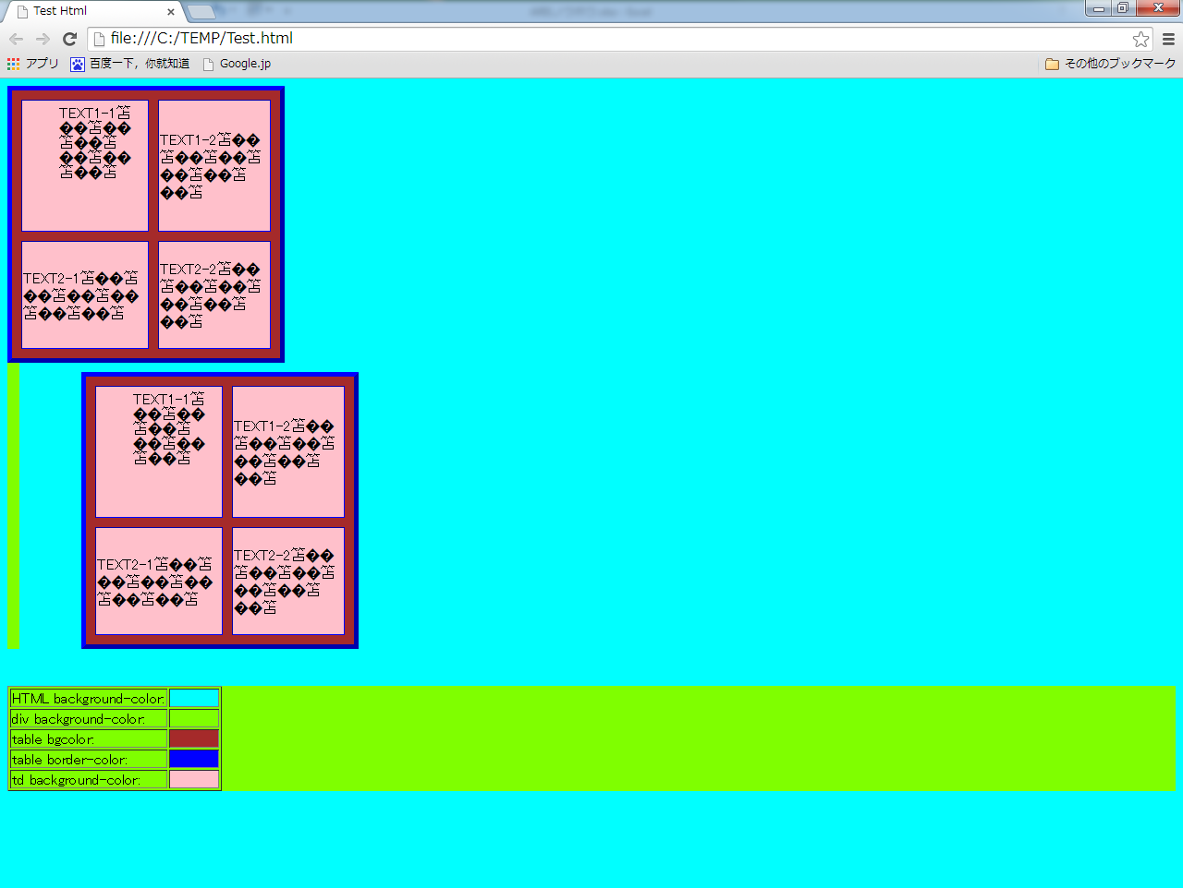
■ | Code
 | <!DOCTYPE html PUBLIC "-//W3C//DTD XHTML 1.0 Transitional//EN" "http://www.w3.org/TR/xhtml1/DTD/xhtml1-strict.dtd">

 | <html xmlns="http://www.w3.org/1999/xhtml">
 | <head>
 | <title>Test Html</title>
 | </head>
 | <body style="background-color: aqua">
 | <div style="background-color: chartreuse;width: 1%">
 | <table cellspacing="10" border="5" bgcolor="#a52a2a" style="width: 300px; height: 300px; border-color: blue;">
 | <tr>
 | <td style="background-color: pink;vertical-align:top;padding: 5px 10px 20px 40px;margin: 5px 10px 20px 40px">
 | TEXT1-1☆☆☆☆☆☆☆☆☆☆☆☆☆
 | </td>
 | <td style="background-color: pink">
 | TEXT1-2☆☆☆☆☆☆☆☆☆☆☆☆☆
 | </td>
 | </tr>
 | <tr>
 | <td style="background-color: pink">
 | TEXT2-1☆☆☆☆☆☆☆☆☆☆☆☆☆
 | </td>
 | <td style="background-color: pink">
 | TEXT2-2☆☆☆☆☆☆☆☆☆☆☆☆☆
 | </td>
 | </tr>
 | </table>
 | <table cellspacing="10" border="5" bgcolor="#a52a2a" style="width: 300px; height: 300px; border-color: blue;margin: 10px 20px 40px 80px">
 | <tr>
 | <td style="background-color: pink;vertical-align:top;padding: 5px 10px 20px 40px;margin: 5px 10px 20px 40px">
 | TEXT1-1☆☆☆☆☆☆☆☆☆☆☆☆☆
 | </td>
 | <td style="background-color: pink">
 | TEXT1-2☆☆☆☆☆☆☆☆☆☆☆☆☆
 | </td>
 | </tr>
 | <tr>
 | <td style="background-color: pink">
 | TEXT2-1☆☆☆☆☆☆☆☆☆☆☆☆☆
 | </td>
 | <td style="background-color: pink">
 | TEXT2-2☆☆☆☆☆☆☆☆☆☆☆☆☆
 | </td>
 | </tr>
 | </table>
 | </div>
 | <div style="background-color: chartreuse">
 | <table border="1">

 | <tr>
 | <td >
 | HTML background-color:
 | </td>
 | <td style="background-color:aqua;width: 50px ">

 | </td>
 | </tr>
 | <tr>
 | <td >
 | div background-color:
 | </td>
 | <td style="background-color:chartreuse;width: 50px ">

 | </td>
 | </tr>
 | <tr>
 | <td >
 | table bgcolor:
 | </td>
 | <td style="background-color:#a52a2a ;width: 50px">

 | </td>
 | </tr>
 | <tr>
 | <td >
 | table border-color:
 | </td>
 | <td style="background-color:blue;width: 50px ">

 | </td>
 | </tr>
 | <tr>
 | <td >
 | td background-color:
 | </td>
 | <td style="background-color:pink;width: 50px ">

 | </td>
 | </tr>
 | </table>
 | </div>
 | </body>
 | </html>

■ | 効果

