Job
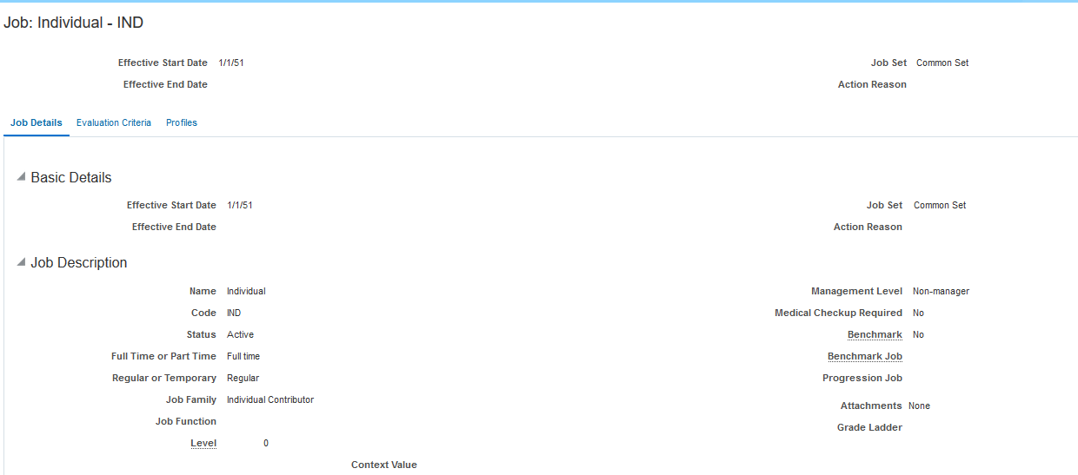

Person

jim.johnson@company.com
Company LTD

Planilha1
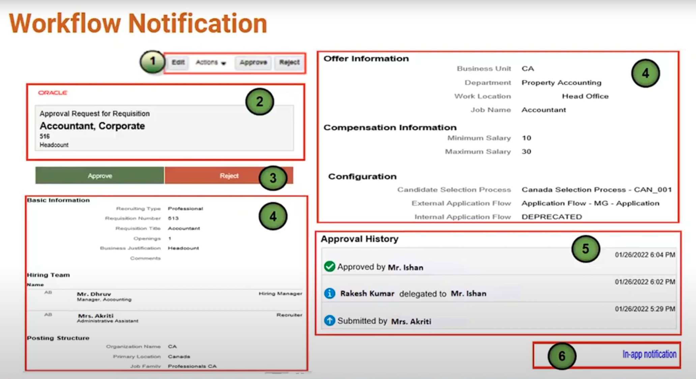
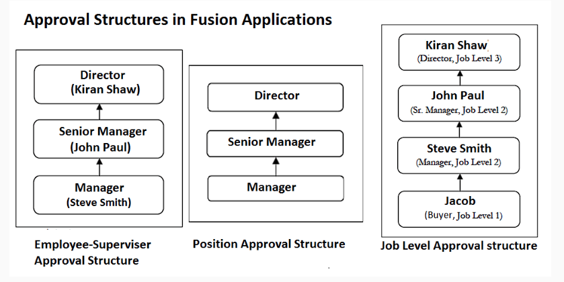
- Aprovação de Registro de Fornecedor
- Aprovação de Autorização de Despesas de Fornecedor
- Aprovação de Requisição de Compra
- Aprovação de Documento de Ordem de Compra
- Aprovação de Registro de Fornecedor Interno
- Aprovação de Negociação de Fornecedor
- Aprovação de Prêmio de Negociação de Fornecedor

