Chart 1 - Station Counts
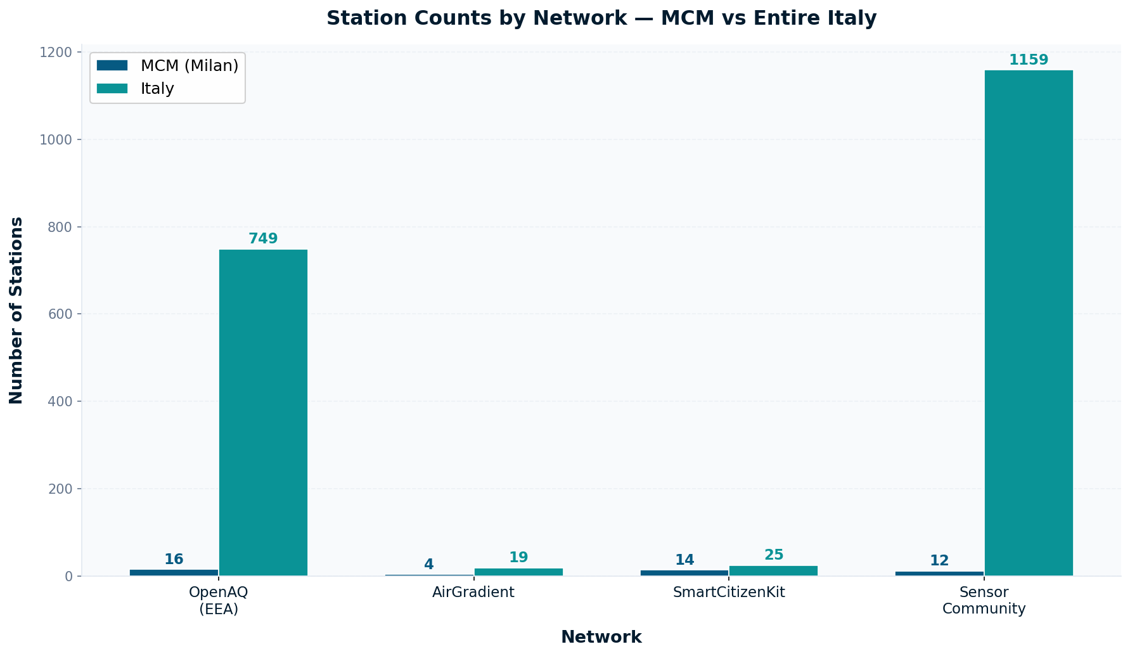
Chart 1 — Station Counts by Network: MCM vs Italy
Comparison of discovered stations per network between MCM (Milan) and entire Italy

Chart 2 - Overlap Rates
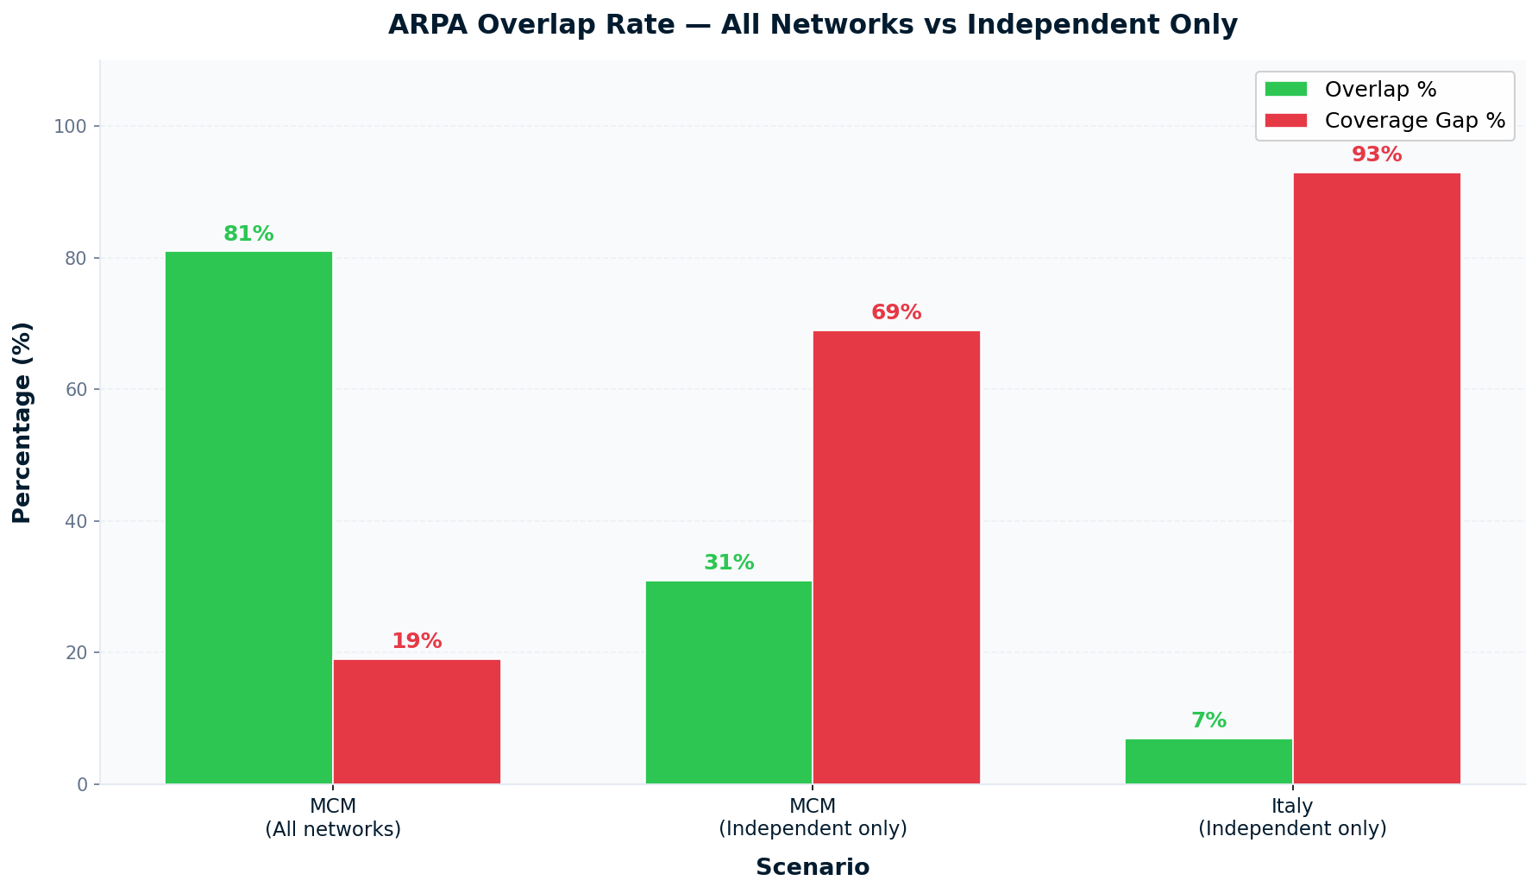
Chart 2 — ARPA Proximity Rate: All Networks vs Independent Only
MCM all networks: 81% | MCM independent only: 31% | Italy independent only: 7%

Chart 3 - MCM Coverage
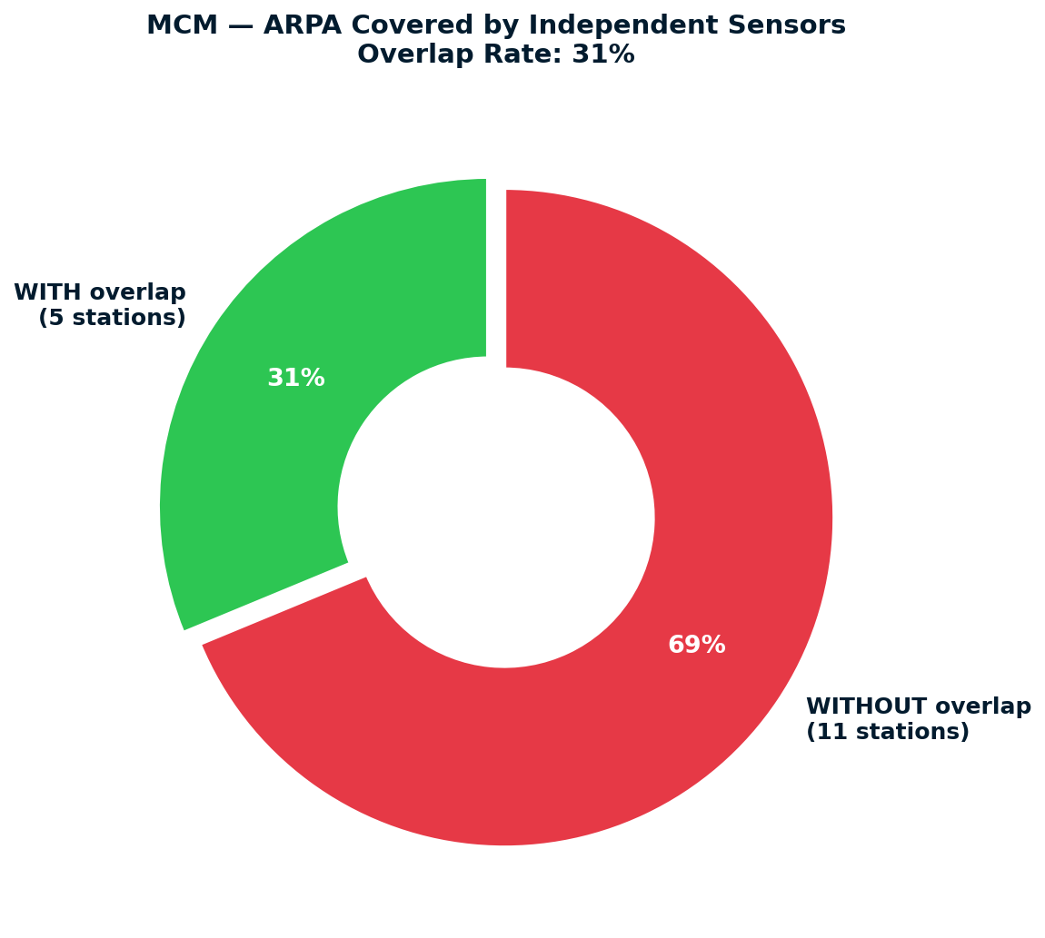
Chart 3 — MCM ARPA Coverage by Independent Sensors (31%)
5 ARPA stations covered | 11 ARPA stations NOT covered | Proximity rate: 31%

Chart 4 - Italy Coverage
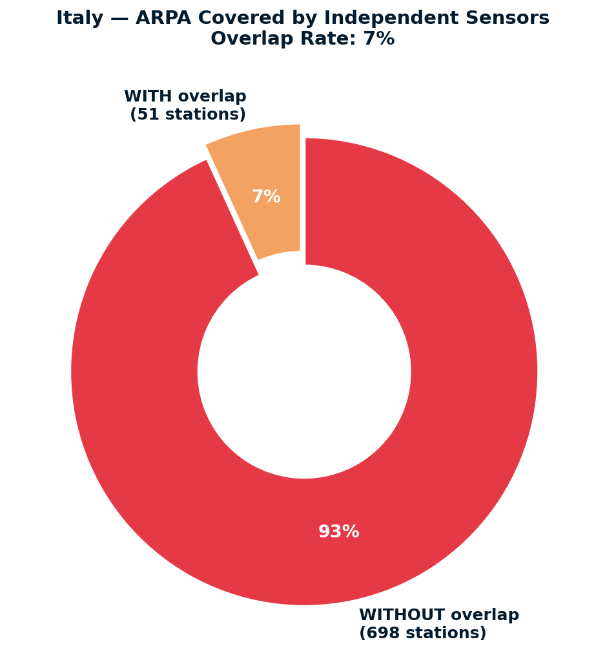
Chart 4 — Italy ARPA Coverage by Independent Sensors (7%)
51 ARPA stations covered | 698 ARPA stations NOT covered | Proximity rate: 7%

