Feuil1
DEER | (WHITE TAILED DEER)

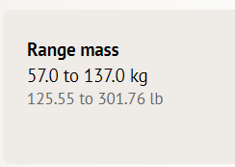
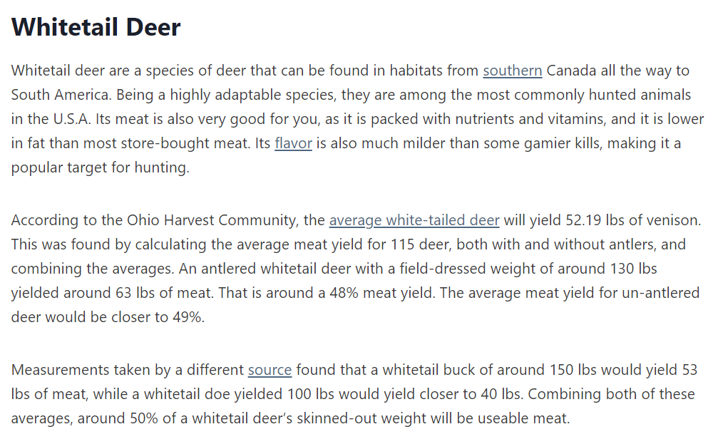

 |  |  |  |  |  |  |  |  |  |  |  | lbs | Kg
 |  |  |  |  |  |  |  |  |  |  |  | 52.19 | 23.67296648
 |  |  |  |  |  |  |  |  |  |  |  | 130 | 58.96696
 |  |  |  |  |  |  |  |  |  |  |  | 63 | 28.576296
 |  |  |  |  |  |  |  |  |  |  |  | 150 | 68.0388
 |  |  |  |  |  |  |  |  |  |  |  | 53 | 24.040376
 |  |  |  |  |  |  |  |  |  |  |  | 40 | 18.14368
 | Avg |  |  |  |  |  |  |  |  |  |  | 90 | 40.82328
DoeWeight | 45 | 40 | 90 |  |  |  |  |  |  |  |  | 200 | 90.7184
DoeMeat | 18 | 16 | 36 |  |  |  |  |  |  |  |  | 300 | 136.0776
StagWeight | 68 | 90 | 137 |  |  |  |  |  |  |  |  | 100 | 45.3592
StagMeat | 28.5 | 38 | 57

BLACK BEAR
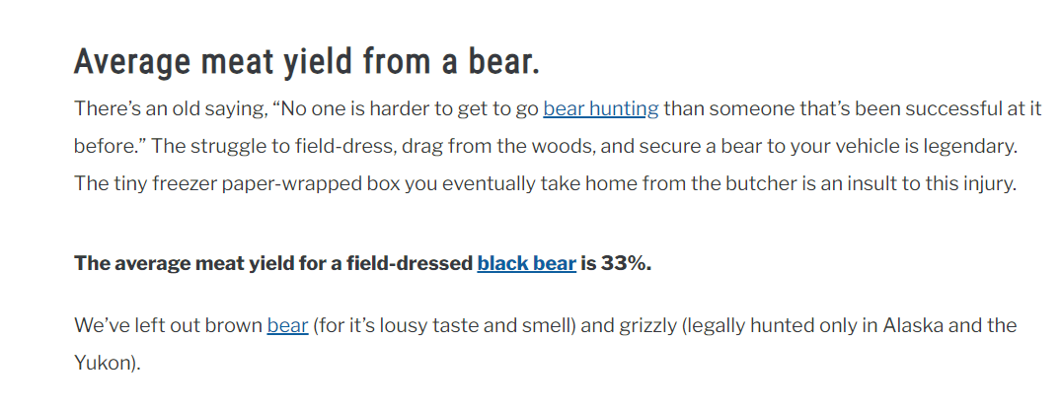
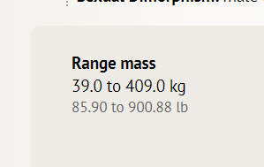

 |  |  |  | weight | meat
 |  |  |  | 47 | 15.51
 |  |  |  | 409 | 134.97

MOOSE

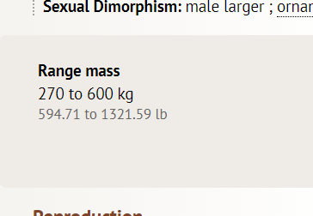
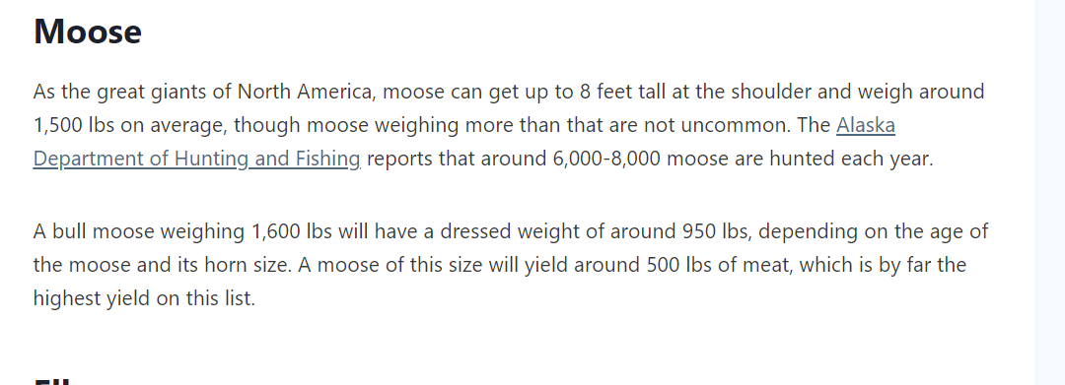
 |  |  |  |  | weight | meat
 |  |  |  | min | 270 | 121.5
 |  |  |  | max | 600 | 270 |  | lbs | Kg
 |  |  |  |  |  |  |  | 500 | 226.796

COUGAR

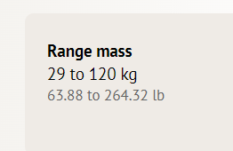

 |  |  |  | 29 | 13.05
 |  |  |  | 120 | 54

WOLF

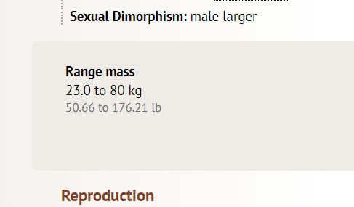

 |  |  |  |  |  | 23 | 7.59
 |  |  |  |  |  | 80 | 26.4

DATA FROM THE USEABLE_MEAT_MOD BEFORE UPDATE (20/10/2023)

 | Realistic |  |  |  | Realistic balanced
this.BearSliderMax = (int)130f; |  |  |  | this.BearSliderMax = (int)86f; |  |  |  |  | 130 | 86 | 34%
this.BearSliderMin = (int)45f; |  |  |  | this.BearSliderMin = (int)40f; |  |  |  |  | 45 | 40 | 11%
this.BearGutSlider = (int)25f; |  |  |  | this.BearGutSlider = (int)15f; |  |  |  |  | 25 | 15 | 40%
this.BearQuarterSlider = (int)30f; |  |  |  | this.BearQuarterSlider = (int)15f; |  |  |  |  | 30 | 15 | 50%
this.DeerSliderMax = (int)70f; |  |  |  | this.DeerSliderMax = (int)36f; |  |  |  |  | 70 | 36 | 49%
this.DeerSliderMin = (int)22f; |  |  |  | this.DeerSliderMin = (int)20f; |  |  |  |  | 22 | 20 | 9%
this.DeerGutSlider = (int)15f; |  |  |  | this.DeerGutSlider = (int)8f; |  |  |  |  | 15 | 8 | 47%
this.DeerQuarterSlider = (int)18f; |  |  |  | this.DeerQuarterSlider = (int)18f; |  |  |  |  | 18 | 18 | 0%
this.WolfSliderMax = (int)28f; |  |  |  | this.WolfSliderMax = (int)24f; |  |  |  |  | 28 | 24 | 14%
this.WolfSliderMin = (int)14f; |  |  |  | this.WolfSliderMin = (int)8f; |  |  |  |  | 14 | 8 | 43%
this.WolfGutSlider = (int)6f; |  |  |  | this.WolfGutSlider = (int)3f; |  |  |  |  | 6 | 3 | 50%
this.WolfQuarterSlider = (int)7f; |  |  |  | this.WolfQuarterSlider = (int)12f; |  |  |  |  | 7 | 12 | -71%
this.MooseSliderMax = (int)320f; |  |  |  | this.MooseSliderMax = (int)125f; |  |  |  |  | 320 | 125 | 61%
this.MooseSliderMin = (int)86f; |  |  |  | this.MooseSliderMin = (int)70f; |  |  |  |  | 86 | 70 | 19%
this.MooseGutSlider = (int)40f; |  |  |  | this.MooseGutSlider = (int)20f; |  |  |  |  | 40 | 20 | 50%
this.MooseQuarterSlider = (int)35f; |  |  |  | this.MooseQuarterSlider = (int)30f; |  |  |  |  | 35 | 30 | 14%
this.QuarterWasteMultipler = (float)1.2f; |  |  |  | this.QuarterWasteMultipler = (float)1.2f; |  |  |  |  | 1.2 | 1 | 17%

