Orbit calculations
Calculations for orbit period and duration of satellite passes
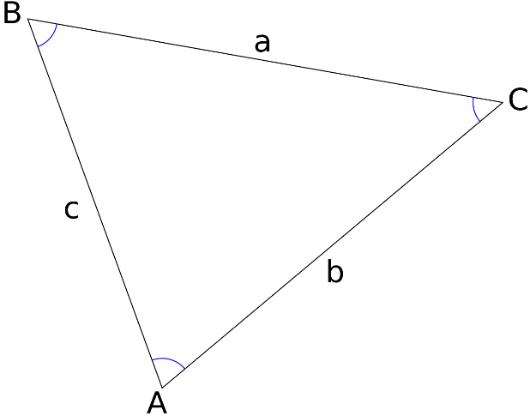

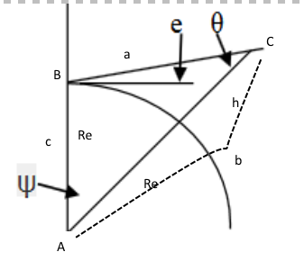

 |  |  |  |  | Law of sines:

e=elevation angle between horizon and satellite with ground station as origin
ψ [psi]=angle between zenith and satellite with earth center as origin |  |  |  |  |  | (corresponds to A in the ABC triangle)
θ [theta]=angle between earth center and ground station with satellite as origin |  |  |  |  |  | (corresponds to C in the ABC triangle)
γ [gamma]=e+90 degrees |  |  |  |  |  | (corresponds to B in the ABC triangle)

Distance between satellite and ground station can be calculated the following way:
Using ABC instead of psi, theta and e, and defining: c as earth radius, a is distance between satellite and ground station, b is (earth radius + orbit height)
Law of sines #1: | (sin(C)/c)=(sin(B)/b)
Law of sines #2: | (sin(A)/a)=(sin(B)/b)

Comment | Variable | Value | Comment
GS/Sat-distance [km] | a | 1694.567 | Rework L.O.S #2 to become a=b*sin(A)/sin(B)
Re+h [km] | b | 6871
Radius Earth (Re) [km] | c | 6371
Orbit height [km] | h | 500
µ= gravitational constant [] | µ | 3.99E+05
θ [theta]=C [degrees] |  | 65.94346479 | Find this angle first [sin(C)/c=sin(B)/b] and use it to calculate psi
ψ [psi]=A [degrees] | ψ | 14.05653521
e [elevation] [degrees] | e | 10
γ [gamma]=e+90 [degrees] | γ | 100

Orbit (total) period [s] | T | 5668.15 | Kepler's 3rd: T=2π*sqrt(b^3/µ) | b=orbit radius=Re+h
Total angle 2*psi Satellite is visible | 2ψ | 28.11307043
Satellite pass duration [s] | T_vis | 442.64
Whole # of passes pr day | #P | 15

