ESPAÑA
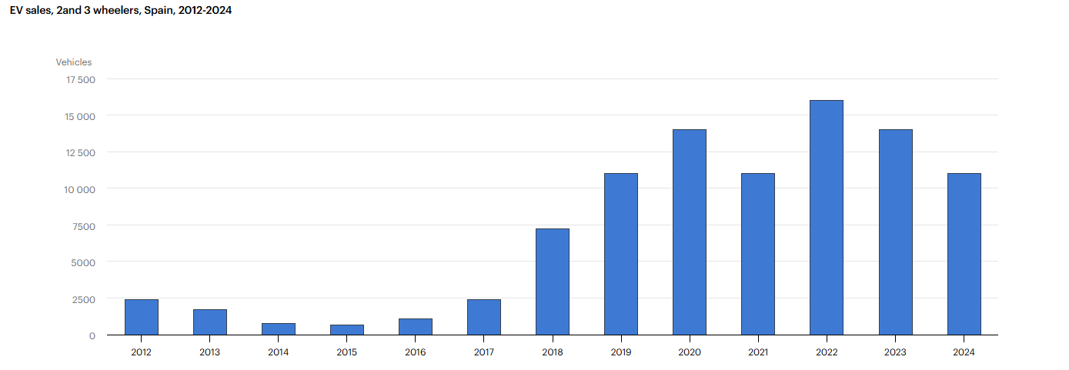
FURGONETAS
COCHES
 |  |  | VENTAS VEHÍCULOS ELÉCTRICOS PUROS
AÑO | PREVISIÓN DE VENTAS | FUENTE | Fuente ventas reales | COCHES | FURGONETAS | BUSES | CAMIONES | 2 Y 3 RUEDAS
2010 | 2,000 | https://www.elconfidencial.com/motor/2010-05-18/2-000-vehiculos-electricos-en-2010_701520/ | https://www.iea.org/data-and-statistics/data-tools/global-ev-data-explorer | 76 | - | - | - | -
2011 | 20,000 | https://www.eleconomista.es/ecomotor/motor/noticias/2034201/04/10/El-Gobierno-preve-la-venta-de-110000-coches-electricos-en-2014. | https://www.iea.org/data-and-statistics/data-tools/global-ev-data-explorer | 390 | 24 | - | - | -
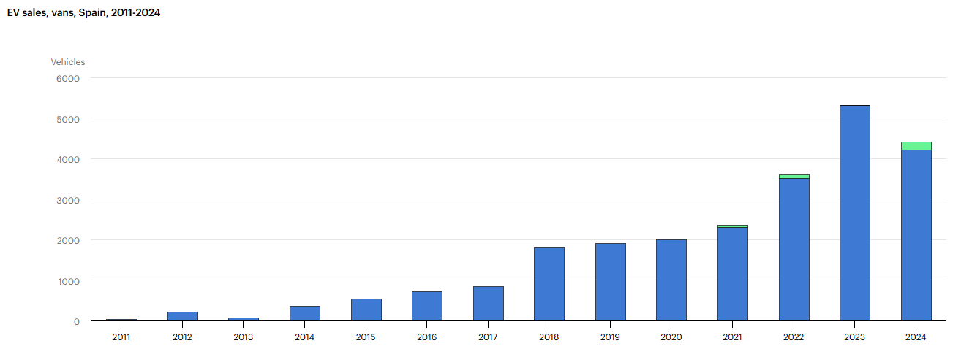
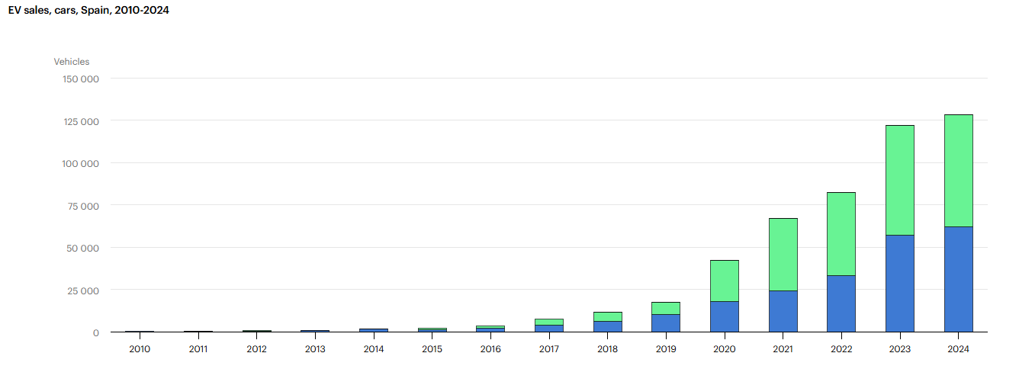
2012 | 50,000 | https://www.eleconomista.es/ecomotor/motor/noticias/2034201/04/10/El-Gobierno-preve-la-venta-de-110000-coches-electricos-en-2014. | https://www.iea.org/data-and-statistics/data-tools/global-ev-data-explorer | 430 | 200 | - | - | 2,400
2013 | 70,000 | https://www.eleconomista.es/ecomotor/motor/noticias/2034201/04/10/El-Gobierno-preve-la-venta-de-110000-coches-electricos-en-2014. | https://www.iea.org/data-and-statistics/data-tools/global-ev-data-explorer | 810 | 72 | - | - | 1,700
2014 | 110,000 | https://www.eleconomista.es/ecomotor/motor/noticias/2034201/04/10/El-Gobierno-preve-la-venta-de-110000-coches-electricos-en-2014. | https://www.iea.org/data-and-statistics/data-tools/global-ev-data-explorer | 1,400 | 360 | 11 | - | 740
2015 | 22,000 | https://www.idae.es/uploads/documentos/documentos_11905_PAEE_2011_2020.Resumen_Ejecutivo_A2011_24151a66.pdf | https://www.iea.org/data-and-statistics/data-tools/global-ev-data-explorer | 1,300 | 540 | 2 | - | 640
2016 | 12,000 | https://anfac.com/wp-content/uploads/2019/07/ANFAC-Informe%20Anual%202016.pdf | https://www.iea.org/data-and-statistics/data-tools/global-ev-data-explorer | 2,000 | 720 | 27 | 13 | 1,100
2017 | 45,000 | https://www.idae.es/uploads/documentos/documentos_11905_PAEE_2011_2020.Resumen_Ejecutivo_A2011_24151a66.pdf | https://www.iea.org/data-and-statistics/data-tools/global-ev-data-explorer | 3,900 | 840 | 8 | 2 | 2,400
2018 | 20,000 | https://anfac.com/wp-content/uploads/2019/07/Informe-Anual-ANFAC-2018-ESP.pdf | https://www.iea.org/data-and-statistics/data-tools/global-ev-data-explorer | 6,000 | 1,800 | 30 | - | 7,200
2019 | 30,000 | https://anfac.com/wp-content/uploads/2019/07/Informe-Anual-ANFAC-2018.pdf | https://www.iea.org/data-and-statistics/data-tools/global-ev-data-explorer | 10,000 | 1,900 | 100 | 7 | 11,000
2020 | 65,000 | https://aedive.es/noticias/ventas-coches-electricos-subiran-un170-en-2020 | https://www.iea.org/data-and-statistics/data-tools/global-ev-data-explorer | 18,000 | 2,000 | 51 | 8 | 14,000
2021 | 100,000 | https://www.miteco.gob.es/content/dam/miteco/es/ministerio/planes-estrategias/plan-nacional-integrado-energia-clima/plannacionalintegradodeenergiayclima2021-2030_tcm30-546623.pdf | https://www.iea.org/data-and-statistics/data-tools/global-ev-data-explorer | 24,000 | 2,300 | 150 | 23 | 11,000
2022 | 120,000 | https://www.miteco.gob.es/content/dam/miteco/es/ministerio/planes-estrategias/plan-nacional-integrado-energia-clima/plannacionalintegradodeenergiayclima2021-2030_tcm30-546623.pdf | https://www.iea.org/data-and-statistics/data-tools/global-ev-data-explorer | 33,000 | 3,500 | 250 | 210 | 16,000
2023 | 190,000 | https://www.miteco.gob.es/content/dam/miteco/es/ministerio/planes-estrategias/plan-nacional-integrado-energia-clima/plannacionalintegradodeenergiayclima2021-2030_tcm30-546623.pdf | https://www.iea.org/data-and-statistics/data-tools/global-ev-data-explorer | 57,000 | 5,300 | 520 | 440 | 14,000
2024 | 250,000 | https://www.miteco.gob.es/content/dam/miteco/es/ministerio/planes-estrategias/plan-nacional-integrado-energia-clima/plannacionalintegradodeenergiayclima2021-2030_tcm30-546623.pdf | https://www.iea.org/data-and-statistics/data-tools/global-ev-data-explorer | 62,000 | 4,200 | 620 | 380 | 11,000
2025 | 62,435 | https://www.elespanol.com/motor/20241120/ventas-coches-electricos-subiran-dispararan/902410241_0.html? | https://anfac.com/ | 114,000 | 9,000 | 477 | 130 | 20,000
2026 | 99,563 |  | https://anfac.com/ | 25,500 | 2,300 | 170 | 220 | 2,500
 |  |  |  | (enero-marzo) | (enero -marzo) | (enero-marzo) | (enero-marzo) | (enero-marzo)
CAMIONES
BUSES

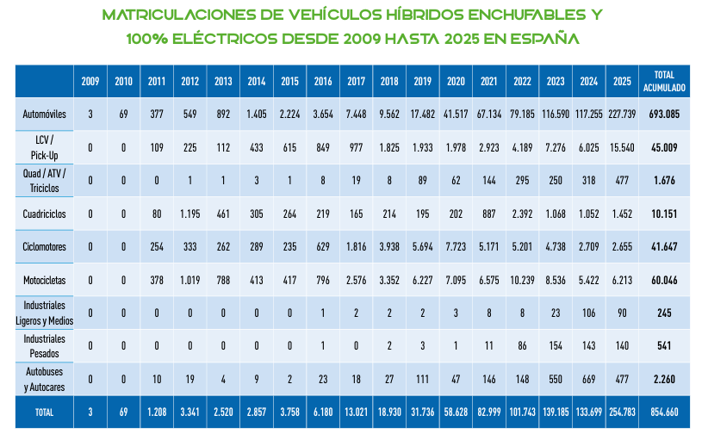

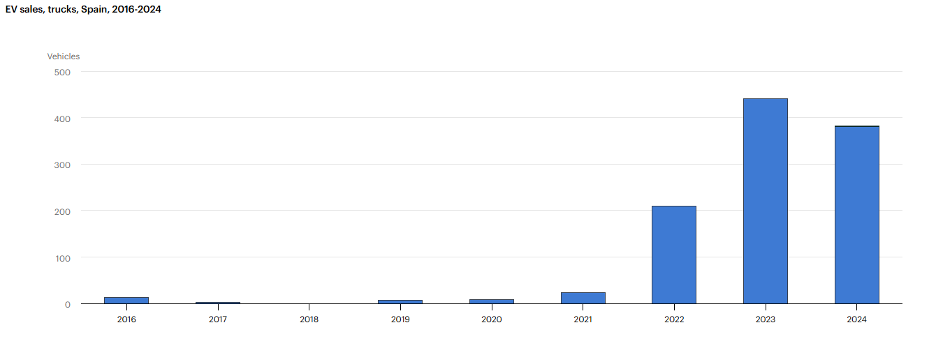
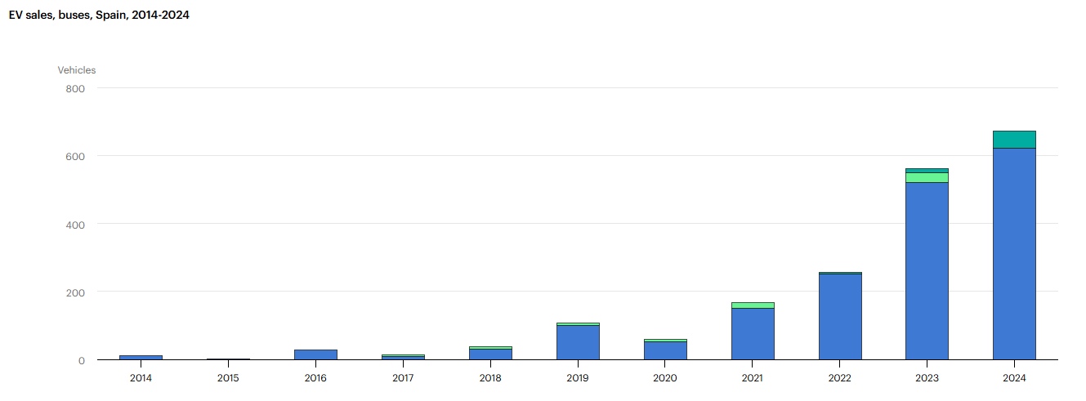

2 Y 3 RUEDAS

VENTA DE VEHÍCULOS ELÉCTRICOS PUROS

EEUU
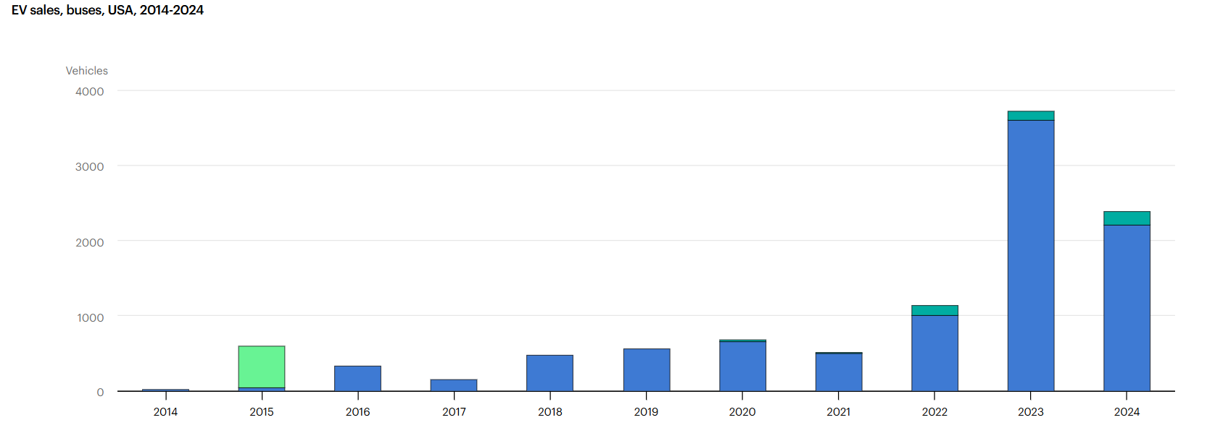
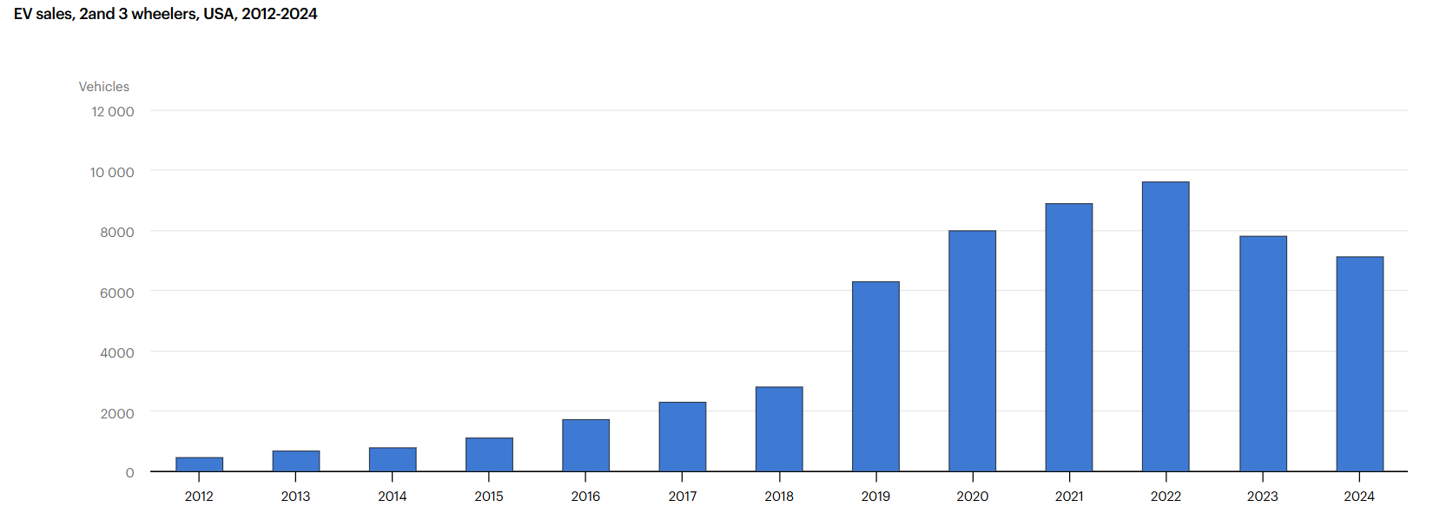
COCHES
FURGONETAS
 |  |  | VENTAS VEHÍCULOS ELÉCTRICOS PUROS
AÑO | PREVISIÓN VENTAS | FUENTE |  | COCHES | FURGONETAS | BUSES | CAMIONES | 2 Y 3 RUEDAS
2010 | - | - | https://www.iea.org/data-and-statistics/data-tools/global-ev-data-explorer | 1,200 | 10 | 0 | 0 | 0
2011 | 45600 | https://www.energy.gov/sites/prod/files/edg/news/documents/1_Million_Electric_Vehicle_Report_Final.pdf | https://www.iea.org/data-and-statistics/data-tools/global-ev-data-explorer | 9,800 | 180 | 0 | 0 | 0
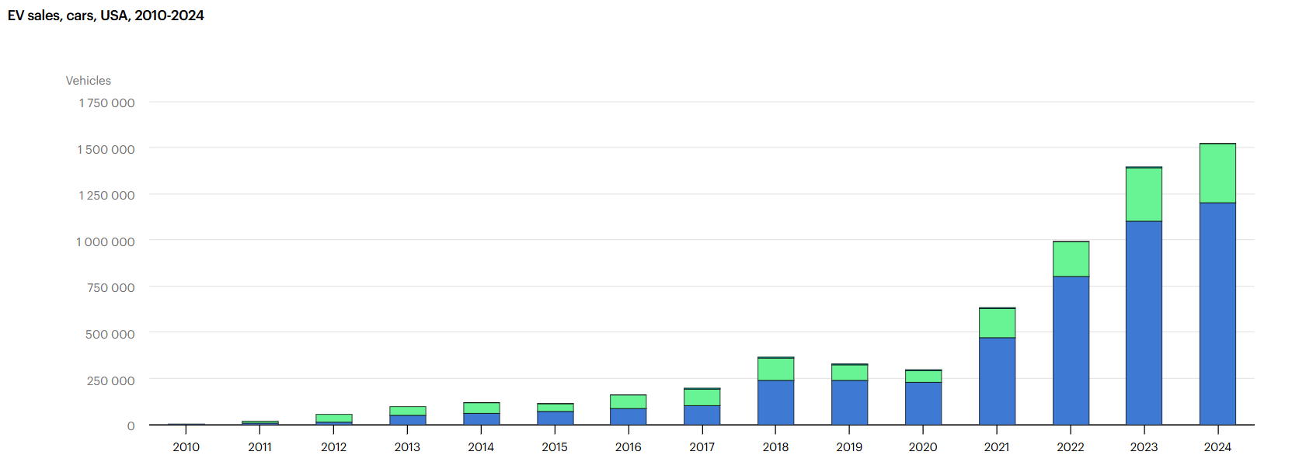
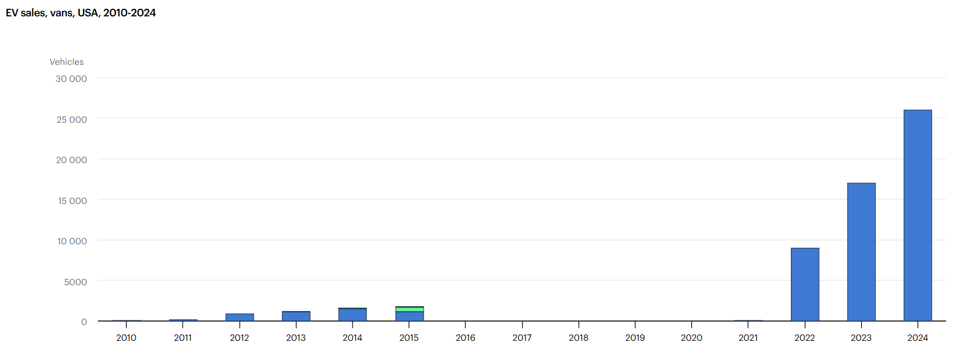
2012 | 177600 | https://www.energy.gov/sites/prod/files/edg/news/documents/1_Million_Electric_Vehicle_Report_Final.pdf | https://www.iea.org/data-and-statistics/data-tools/global-ev-data-explorer | 15,000 | 820 | 0 | 0 | 460
2013 | 263000 | https://www.energy.gov/sites/prod/files/edg/news/documents/1_Million_Electric_Vehicle_Report_Final.pdf | https://www.iea.org/data-and-statistics/data-tools/global-ev-data-explorer | 48,000 | 1,100 | 0 | 0 | 650
2014 | 368000 | https://www.energy.gov/sites/prod/files/edg/news/documents/1_Million_Electric_Vehicle_Report_Final.pdf | https://www.iea.org/data-and-statistics/data-tools/global-ev-data-explorer | 63,000 | 1,500 | 21 | 0 | 780
2015 | 368000 | https://www.energy.gov/sites/prod/files/edg/news/documents/1_Million_Electric_Vehicle_Report_Final.pdf | https://www.iea.org/data-and-statistics/data-tools/global-ev-data-explorer | 71,000 | 1,100 | 44 | 0 | 1,100
2016 | 150000 | https://www.google.com/search?q=https://www.eia.gov/outlooks/aeo/pdf/0383(2016).pdf&authuser=1 (mirar a la secció de transport) | https://www.iea.org/data-and-statistics/data-tools/global-ev-data-explorer | 87,000 | 0 | 330 | 0 | 1,700
2017 | 250000 | https://electriccarsreport.com/2017/02/global-plug-vehicle-sales-2016/? | https://www.iea.org/data-and-statistics/data-tools/global-ev-data-explorer | 100,000 | 0 | 150 | 297 | 2,300
2018 | 250000 | https://www.edisonfoundation.net/-/media/Files/IEI/publications/IEI_EEI-EV-Forecast-Report_Nov2018.pdf | https://www.iea.org/data-and-statistics/data-tools/global-ev-data-explorer | 240,000 | 0 | 470 | 132 | 2,800
2019 | 300000 | https://www.google.com/search?q=https://www.edmunds.com/industry/press/edmunds-forecasts-17-million-new-cars-will-be-sold-in-2019.html&authuser=1 | https://www.iea.org/data-and-statistics/data-tools/global-ev-data-explorer | 240,000 | 0 | 560 | 189 | 6,300
2020 | 330000 | https://www.google.com/search?q=https://www.edmunds.com/industry/press/edmunds-forecasts-171-million-new-cars-will-be-sold-in-2020.html&authuser=1 | https://www.iea.org/data-and-statistics/data-tools/global-ev-data-explorer | 230,000 | 0 | 660 | 383 | 8,000
2021 | 400000 | https://www.google.com/search?q=https://www.coxautoinc.com/news/cox-automotive-forecast-2021-u-s-auto-sales/&authuser=1 | https://www.iea.org/data-and-statistics/data-tools/global-ev-data-explorer | 470,000 | 15 | 500 | 803 | 8,900
2022 | 800000 | https://www.coxautoinc.com/wp-content/uploads/2023/01/Kelley-Blue-Book-EV-Sales-and-Data-Report-for-Q4-2022.pdf | https://www.iea.org/data-and-statistics/data-tools/global-ev-data-explorer | 800,000 | 9,000 | 1,000 | 9,842 | 9,600
2023 | 1000000 | https://www.coxautoinc.com/insights-hub/ev-sales-growth-was-a-highlight-of-2022/ | https://www.iea.org/data-and-statistics/data-tools/global-ev-data-explorer | 1,100,000 | 17,000 | 3,600 | 25,378 | 7,800
2024 | 1500000 | https://gizmodo.com/donald-trump-says-stop-electric-car-sales-1851503550#:~:text=The%20automotive%20landscape%20is%20a%20far%20different,grown%20significantly%20in%20the%20last%20eight%20years. | https://www.iea.org/data-and-statistics/data-tools/global-ev-data-explorer | 1,200,000 | 26,000 | 2,200 | 22,692 | 7,100
2025 | 2600000 | https://www.google.com/search?q=https://www.epa.gov/system/files/documents/2024-03/420f24016.pdf&authuser=1 | https://afdc.energy.gov/data | 1,275,714 | 18,500 | 3,800 | 28,500 | 9,200
BUSES
2 Y 3 RUEDAS
2026 | 3800000 | https://www.jdpower.com/business/press-releases/2026-automotive-forum-jd-power-announcement | https://afdc.energy.gov/data | 212,600 | 5,100 | 1,150 | 7,800 | 2,650
 |  |  |  | (enero-marzo) | (enero-marzo) | (enero-marzo) | (enero-marzo) | (enero-marzo)
2025: La normativa federal de la EPA proyectaba una cuota del 17% (unos 2,6 millones sobre un mercado de 15,5M). Sin embargo, las previsiones de la industria durante el año ajustaron la cifra a 1,8 millones por la ralentización de la demanda.
2026: La senda de la EPA esperaba un salto al 24% de adopción este año (3,8 millones de unidades). La realidad de J.D. Power a inicios de 2026 prevé un estancamiento en torno al 6,9% de cuota minorista (poco más de 1 millón de unidades) tras el fin de los incentivos.
VENTA VEHÍCULOS ELÉCTRICOS PUROS

CHINA
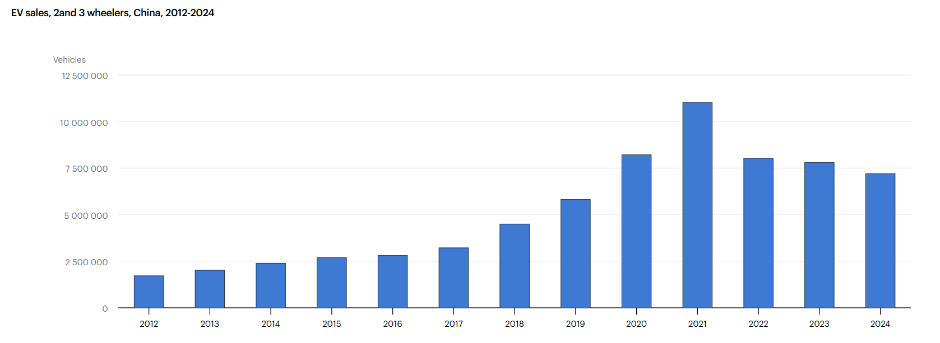
COCHES
FURGONETAS
 |  |  | VENTAS VEHÍCULOS ELÉCTRICOS PUROS
AÑO | PREVISIÓN VENTA | FUENTE | PREVISION VENTAS REALES | COCHES | FURGONETAS | BUSES | CAMIONES | 2 Y 3 RUEDAS
2010 | 20000 | https://www.iea.org/reports/global-ev-outlook-2020#overview | https://www.iea.org/data-and-statistics/data-tools/global-ev-data-explorer | 1100 | 120 | 970 | 0 | 0
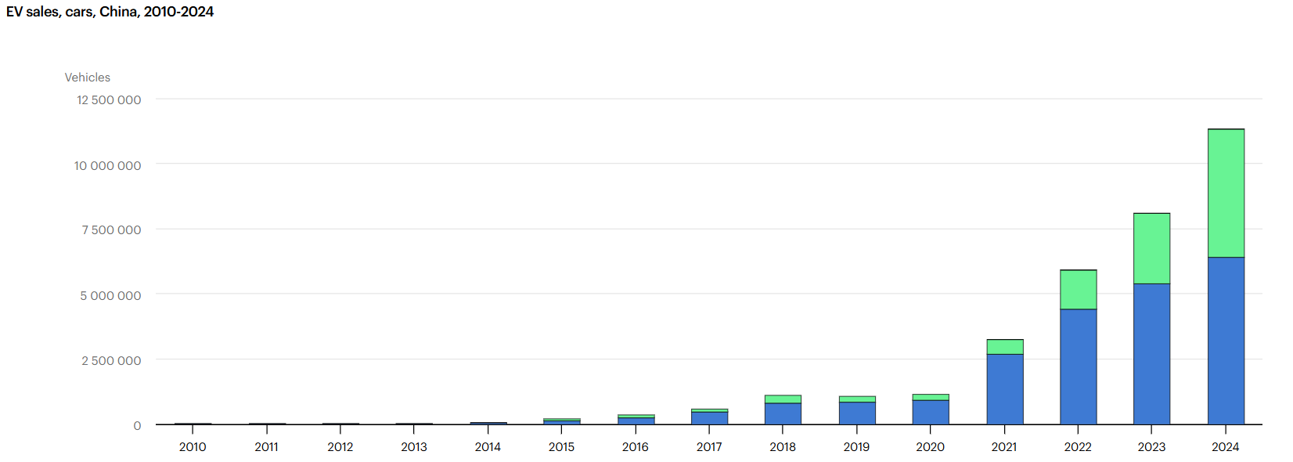
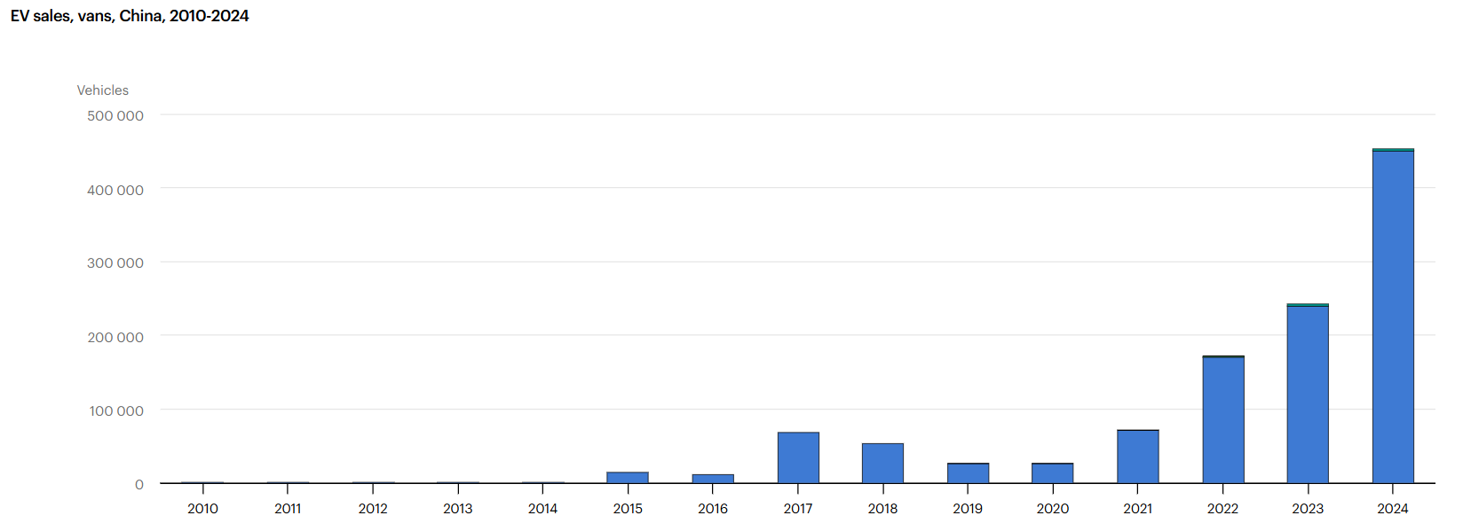
2011 | 30000 | https://www.iea.org/reports/global-ev-outlook-2020 | https://www.iea.org/data-and-statistics/data-tools/global-ev-data-explorer | 4800 | 150 | 440 | 0 | 0
2012 | 50000 | https://autonews.gasgoo.com/articles/interview_commentary/1023170 | https://www.iea.org/data-and-statistics/data-tools/global-ev-data-explorer | 9600 | 670 | 1400 | 0 | 1700000
2013 | 40000 | https://www.iea.org/reports/global-ev-outlook-2024#previous-editions | https://www.iea.org/data-and-statistics/data-tools/global-ev-data-explorer | 15000 | 750 | 2000 | 0 | 2000000
2014 | 100000 | http://www.caam.org.cn/ | https://www.iea.org/data-and-statistics/data-tools/global-ev-data-explorer | 49000 | 480 | 4000 | 0 | 2400000
2015 | 500000 | https://mddb.apec.org/documents/2012/AD/AD2/12_ad2_006.pdf | https://www.iea.org/data-and-statistics/data-tools/global-ev-data-explorer | 150000 | 15000 | 43000 | 17000 | 2700000
2016 | 600000 | https://www.iea.org/reports/global-ev-outlook-2024#previous-editions | https://www.iea.org/data-and-statistics/data-tools/global-ev-data-explorer | 260000 | 11000 | 76000 | 46000 | 2800000
2017 | 800000 | https://www.iea.org/reports/global-ev-outlook-2024#previous-editions | https://www.iea.org/data-and-statistics/data-tools/global-ev-data-explorer | 470000 | 68000 | 88000 | 71000 | 3200000
2018 | 1000000 | https://www.iea.org/reports/global-ev-outlook-2024#previous-editions | https://www.iea.org/data-and-statistics/data-tools/global-ev-data-explorer | 820000 | 54000 | 83000 | 36000 | 4500000
2019 | 1500000 | https://www.iea.org/reports/global-ev-outlook-2024#previous-editions | https://www.iea.org/data-and-statistics/data-tools/global-ev-data-explorer | 83000 | 27000 | 68000 | 24000 | 5800000
2020 | 1100000 | https://www.iea.org/reports/global-ev-outlook-2024#previous-editions | https://www.iea.org/data-and-statistics/data-tools/global-ev-data-explorer | 920000 | 26000 | 55000 | 17000 | 8200000
2021 | 1800000 | https://www.iea.org/reports/global-ev-outlook-2024#previous-editions | https://www.iea.org/data-and-statistics/data-tools/global-ev-data-explorer | 2700000 | 71000 | 42000 | 12000 | 11000000
2022 | 5000000 | https://www.iea.org/reports/global-ev-outlook-2024#previous-editions | https://www.iea.org/data-and-statistics/data-tools/global-ev-data-explorer | 4400000 | 170000 | 44000 | 27000 | 8000000
2023 | 8500000 | https://www.iea.org/reports/global-ev-outlook-2024#previous-editions | https://www.iea.org/data-and-statistics/data-tools/global-ev-data-explorer | 5400000 | 240000 | 31000 | 36000 | 7800000
2024 | 11500000 | https://www.iea.org/reports/global-ev-outlook-2024#overview | https://www.iea.org/data-and-statistics/data-tools/global-ev-data-explorer | 6400000 | 450000 | 48000 | 76000 | 7200000
2025 | 13000000 | https://source.benchmarkminerals.com/article/global-ev-sales-reach-20-7-million-units-in-2025-growing-by-20 | http://www.caam.org.cn/ | 8300000 | 650000 | 85000 | 230000 | 12600000
2026 | 16000000 | https://www.cmbi.com.hk/upload/202512/20251208629168.pdf | http://www.caam.org.cn/ | 1300000 | 135000 | 18000 | 45000 | 2800000
 |  |  |  | (enero-marzo) | (enero-marzo) | (enero-marzo) | (enero-marzo) | (enero-marzo)
BUSES
CAMIONES
VENTA VEHÍCULOS ELÉCTRICOS PUROS

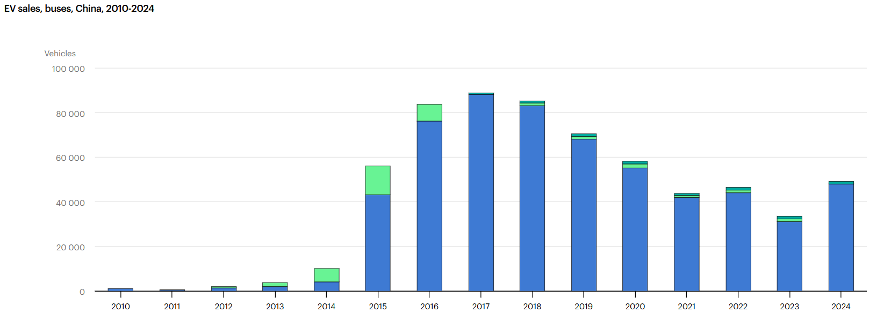
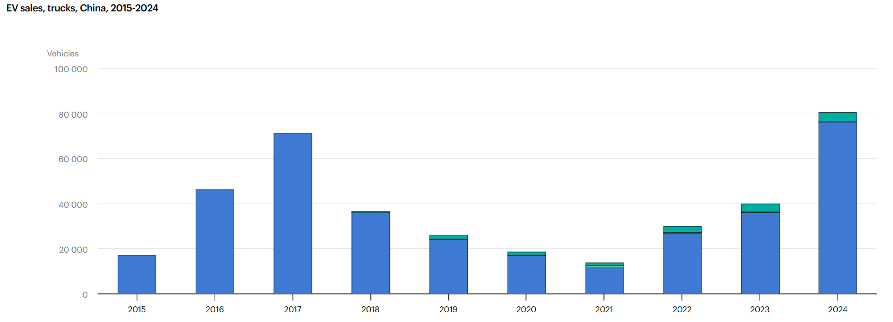

2 Y 3 RUEDAS

EUROPA
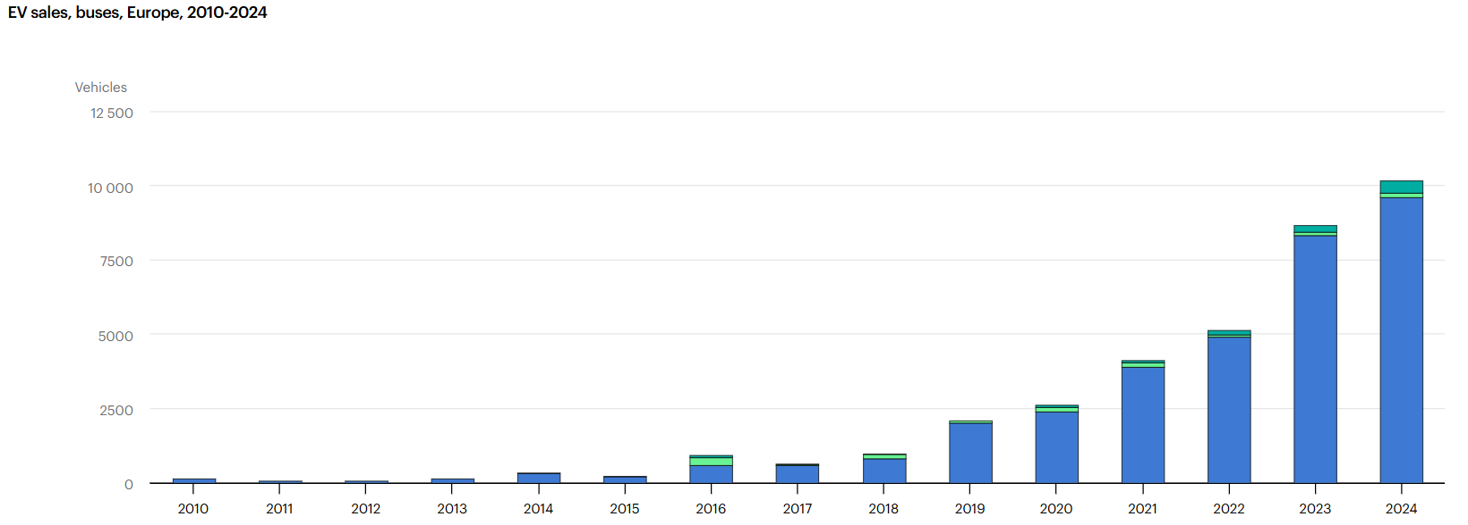
FURGONETAS
COCHES
 |  |  | VENTAS VEHÍCULOS ELÉCTRICOS PUROS
AÑO | PREVISIÓN VENTAS | FUENTE | PREVISION VENTAS REALES | COCHES | FURGONETAS | BUSES | CAMIONES | 2 Y 3 RUEDAS
2010 | 3000 | https://www.iea.org/reports/global-ev-outlook-2019?utm_source=chatgpt.com | https://www.iea.org/data-and-statistics/data-tools/global-ev-data-explorer | 1700 | 1000 | 130 | 36 | 560
2011 | 25000 | https://www.best-selling-cars.com/europe/2011-full-year-car-sales-by-fuel-type-in-european-countries/ | https://www.iea.org/data-and-statistics/data-tools/global-ev-data-explorer | 11000 | 2000 | 38 | 18 | 480
2012 | 30000 | https://es.scribd.com/document/216275461/Electric-Vehicle-Market | https://www.iea.org/data-and-statistics/data-tools/global-ev-data-explorer | 19000 | 6900 | 68 | 19 | 12000
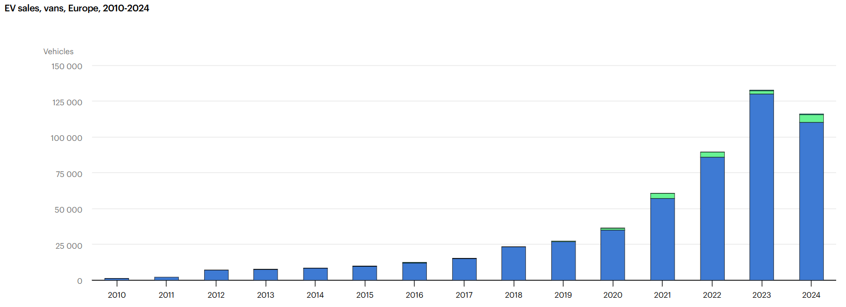
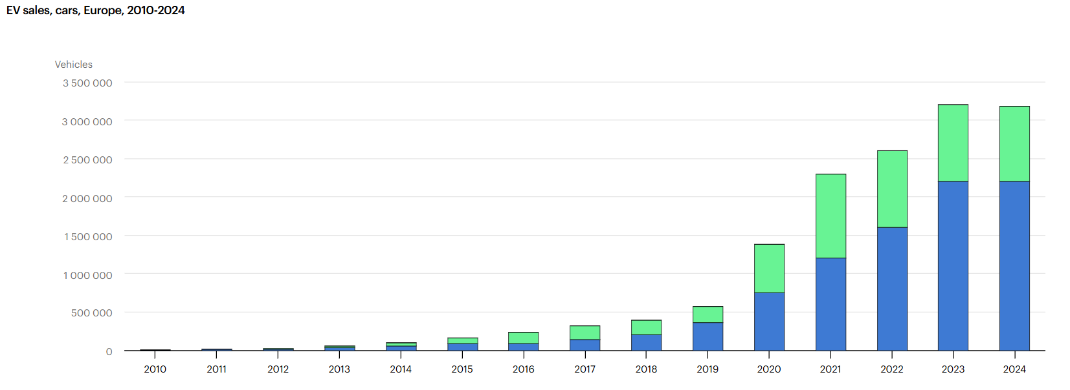
2013 | 60000 | https://www.iea.org/reports/global-ev-outlook-2013 | https://www.iea.org/data-and-statistics/data-tools/global-ev-data-explorer | 33000 | 7400 | 120 | 24 | 8400
2014 | 90000 | https://www.acea.auto/fuel-pc/electric-vehicle-registrations-2014/ | https://www.iea.org/data-and-statistics/data-tools/global-ev-data-explorer | 62000 | 8300 | 310 | 46 | 9400
2015 | 150000 | https://www.acea.auto/files/AFV_registrations_Q4_2015_FINAL.pdf | https://www.iea.org/data-and-statistics/data-tools/global-ev-data-explorer | 89000 | 9600 | 190 | 30 | 14000
2016 | 120000 | https://www.climateaction.org/news/21_increase_in_electric_car_sales_in_2016 | https://www.iea.org/data-and-statistics/data-tools/global-ev-data-explorer | 93000 | 12000 | 570 | 62 | 19000
2017 | 280000 | https://www.iea.org/reports/global-ev-outlook-2017 | https://www.iea.org/data-and-statistics/data-tools/global-ev-data-explorer | 140000 | 15000 | 570 | 47 | 31000
2018 | 430000 | https://ev-volumes.com/news/ev/europe-ev-sales-for-2018/ | https://www.iea.org/data-and-statistics/data-tools/global-ev-data-explorer | 200000 | 23000 | 800 | 390 | 47000
2019 | 550000 | https://uploads.transportenvironment.org/production/files/2019_07_TE_electric_cars_report_final.pdf | https://www.iea.org/data-and-statistics/data-tools/global-ev-data-explorer | 360000 | 27000 | 2000 | 850 | 76000
2020 | 1000000 | https://uploads.transportenvironment.org/production/files/2019_07_TE_electric_cars_report_final.pdf | https://www.iea.org/data-and-statistics/data-tools/global-ev-data-explorer | 750000 | 35000 | 2400 | 1100 | 96000
2021 | 2000000 | https://www.iea.org/reports/global-ev-outlook-2021 | https://www.iea.org/data-and-statistics/data-tools/global-ev-data-explorer | 1200000 | 57000 | 3900 | 1800 | 120000
2022 | 2500000 | https://uploads.transportenvironment.org/production/files/2019_07_TE_electric_cars_report_final.pdf | https://www.iea.org/data-and-statistics/data-tools/global-ev-data-explorer | 1600000 | 86000 | 4900 | 3600 | 180000
2023 | 3100000 | https://www.iea.org/reports/global-ev-outlook-2023 | https://www.iea.org/data-and-statistics/data-tools/global-ev-data-explorer | 2200000 | 130000 | 8300 | 11000 | 200000
2024 | 3400000 | https://uploads.transportenvironment.org/production/files/2019_07_TE_electric_cars_report_final.pdf | https://www.iea.org/data-and-statistics/data-tools/global-ev-data-explorer | 2200000 | 110000 | 9600 | 12000 | 230000
2025 | 4200000 | https://www.transportenvironment.org/articles/electric-cars-expected-to-reach-up-to-24-market-share-as-carmakers-grow-ev-sales-to-meet-eu-targets-t-e-analysis | https://www.acea.auto/ | 2580000 | 145000 | 10500 | 155000 | 255000
2026 | 5000000 | https://uploads.transportenvironment.org/production/files/2026_03_EV_progress_report.pdf?dm=1773243963 | https://www.acea.auto/ | 515000 | 32000 | 2100 | 3400 | 52000
 |  |  |  | (enero-marzo) | (enero-marzo) | (enero-marzo) | (enero-marzo) | (enero-marzo)
VENTA VEHÍCULOS ELÉCTRICOS PUROS

2 Y 3 RUEDAS
CAMIONES

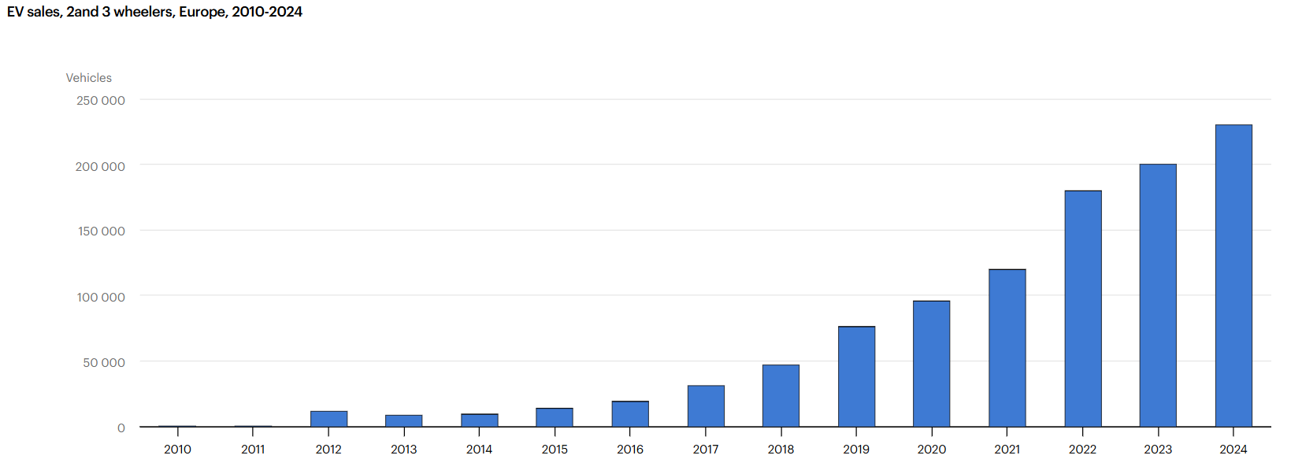
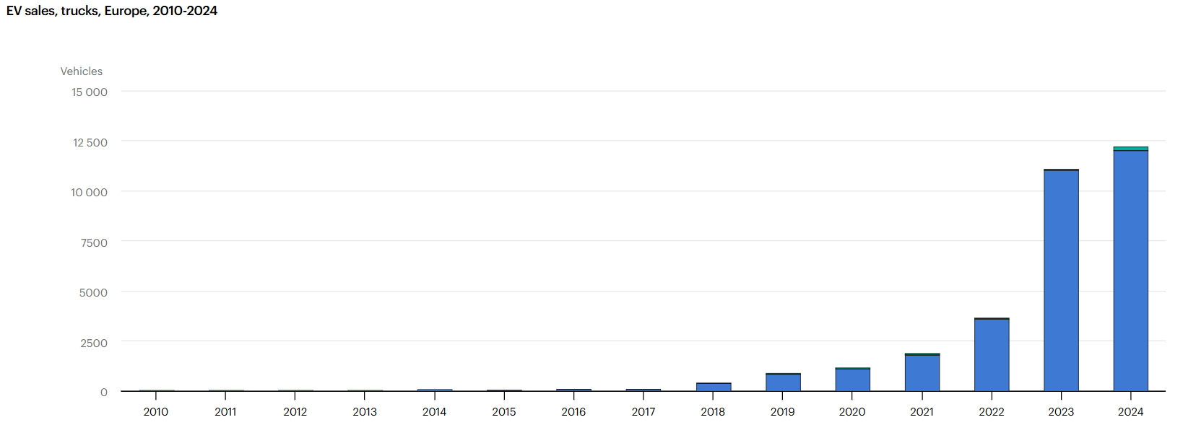

BUSES

TABLA COMPARATIVA
 | VENTAS VEHÍCULOS ELÉCTRICOS PUROS ESPAÑA |  |  |  |  |  | VENTAS VEHÍCULOS ELÉCTRICOS PUROS EEUU |  |  |  |  |  | VENTAS VEHÍCULOS ELÉCTRICOS PUROS CHINA |  |  |  |  |  | VENTAS VEHÍCULOS ELÉCTRICOS PUROS EUROPA
AÑO | COCHES | FURGONETAS | BUSES | CAMIONES | 2 Y 3 RUEDAS | ESPAÑA | COCHES | FURGONETAS | BUSES | CAMIONES | 2 Y 3 RUEDAS | EEUU | COCHES | FURGONETAS | BUSES | CAMIONES | 2 Y 3 RUEDAS | CHINA | COCHES | FURGONETAS | BUSES | CAMIONES | 2 Y 3 RUEDAS | EUROPA
2010 | 76 | 0 | 0 | 0 | 0 | 76 | 1,200 | 10 | 0 | 0 | 0 | 1,210 | 1,100 | 120 | 970 | 0 | 0 | 2,190 | 1,700 | 1,000 | 130 | 36 | 560 | 3,426
2011 | 390 | 24 | 0 | 0 | 0 | 414 | 9,800 | 180 | 0 | 0 | 0 | 9,980 | 4,800 | 150 | 440 | 0 | 0 | 5,390 | 11,000 | 2,000 | 38 | 18 | 480 | 13,536
2012 | 430 | 200 | 0 | 0 | 2,400 | 3,030 | 15,000 | 820 | 0 | 0 | 460 | 16,280 | 9,600 | 670 | 1,400 | 0 | 1,700,000 | 1,711,670 | 19,000 | 6,900 | 68 | 19 | 12,000 | 37,987
2013 | 810 | 72 | 0 | 0 | 1,700 | 2,582 | 48,000 | 1,100 | 0 | 0 | 650 | 49,750 | 15,000 | 750 | 2,000 | 0 | 2,000,000 | 2,017,750 | 33,000 | 7,400 | 120 | 24 | 8,400 | 48,944
2014 | 1,400 | 360 | 11 | 0 | 740 | 2,511 | 63,000 | 1,500 | 21 | 0 | 780 | 65,301 | 49,000 | 480 | 4,000 | 0 | 2,400,000 | 2,453,480 | 62,000 | 8,300 | 310 | 46 | 9,400 | 80,056
2015 | 1,300 | 540 | 2 | 0 | 640 | 2,482 | 71,000 | 1,100 | 44 | 0 | 1,100 | 73,244 | 150,000 | 15,000 | 43,000 | 17,000 | 2,700,000 | 2,925,000 | 89,000 | 9,600 | 190 | 30 | 14,000 | 112,820
2016 | 2,000 | 720 | 27 | 13 | 1,100 | 3,860 | 87,000 | 0 | 330 | 0 | 1,700 | 89,030 | 260,000 | 11,000 | 76,000 | 46,000 | 2,800,000 | 3,193,000 | 93,000 | 12,000 | 570 | 62 | 19,000 | 124,632
2017 | 3,900 | 840 | 8 | 2 | 2,400 | 7,150 | 100,000 | 0 | 150 | 297 | 2,300 | 102,747 | 470,000 | 68,000 | 88,000 | 71,000 | 3,200,000 | 3,897,000 | 140,000 | 15,000 | 570 | 47 | 31,000 | 186,617
2018 | 6,000 | 1,800 | 30 | 0 | 7,200 | 15,030 | 240,000 | 0 | 470 | 132 | 2,800 | 243,402 | 820,000 | 54,000 | 83,000 | 36,000 | 4,500,000 | 5,493,000 | 200,000 | 23,000 | 800 | 390 | 47,000 | 271,190
2019 | 10,000 | 1,900 | 100 | 7 | 11,000 | 23,007 | 240,000 | 0 | 560 | 189 | 6,300 | 247,049 | 83,000 | 27,000 | 68,000 | 24,000 | 5,800,000 | 6,002,000 | 360,000 | 27,000 | 2,000 | 850 | 76,000 | 465,850
2020 | 18,000 | 2,000 | 51 | 8 | 14,000 | 34,059 | 230,000 | 0 | 660 | 383 | 8,000 | 239,043 | 920,000 | 26,000 | 55,000 | 17,000 | 8,200,000 | 9,218,000 | 750,000 | 35,000 | 2,400 | 1,100 | 96,000 | 884,500
2021 | 24,000 | 2,300 | 150 | 23 | 11,000 | 37,473 | 470,000 | 15 | 500 | 803 | 8,900 | 480,218 | 2,700,000 | 71,000 | 42,000 | 12,000 | 11,000,000 | 13,825,000 | 1,200,000 | 57,000 | 3,900 | 1,800 | 120,000 | 1,382,700
2022 | 33,000 | 3,500 | 250 | 210 | 16,000 | 52,960 | 800,000 | 9,000 | 1,000 | 9,842 | 9,600 | 829,442 | 4,400,000 | 170,000 | 44,000 | 27,000 | 8,000,000 | 12,641,000 | 1,600,000 | 86,000 | 4,900 | 3,600 | 180,000 | 1,874,500
2023 | 57,000 | 5,300 | 520 | 440 | 14,000 | 77,260 | 1,100,000 | 17,000 | 3,600 | 25,378 | 7,800 | 1,153,778 | 5,400,000 | 240,000 | 31,000 | 36,000 | 7,800,000 | 13,507,000 | 2,200,000 | 130,000 | 8,300 | 11,000 | 200,000 | 2,549,300
2024 | 62,000 | 4,200 | 620 | 380 | 11,000 | 78,200 | 1,200,000 | 26,000 | 2,200 | 22,692 | 7,100 | 1,257,992 | 6,400,000 | 450,000 | 48,000 | 76,000 | 7,200,000 | 14,174,000 | 2,200,000 | 110,000 | 9,600 | 12,000 | 230,000 | 2,561,600
2025 | 114,000 | 9,000 | 477 | 130 | 20,000 | 143,607 | 1,275,714 | 18,500 | 3,800 | 28,500 | 9,200 | 1,335,714 | 8,300,000 | 650,000 | 85,000 | 230,000 | 12,600,000 | 21,865,000 | 2,580,000 | 145,000 | 10,500 | 155,000 | 255,000 | 3,145,500
2026 | 25,500 | 2,300 | 170 | 220 | 2,500 | 30,690 | 212,600 | 5,100 | 1,150 | 7,800 | 2,650 | 229,300 | 1,300,000 | 135,000 | 18,000 | 45,000 | 2,800,000 | 4,298,000 | 515,000 | 32,000 | 2,100 | 3,400 | 52,000 | 604,500

TOTAL | 359,806 | 35,056 | 2,416 | 1,433 | 115,680 | 514,391 | 6,163,314 | 80,325 | 14,485 | 96,016 | 69,340 | 6,423,480 | 31,282,500 | 1,919,170 | 689,810 | 637,000 | 82,700,000 | 117,228,480 | 12,053,700 | 707,200 | 46,496 | 189,422 | 1,350,840 | 14,347,658

DIFERENCIA VENTA POR AÑOS
AÑO | ESPAÑA | EEUU | CHINA | EUROPA
2010 | 76 | 1,210 | 2,190 | 3,426
2011 | 414 | 9,980 | 5,390 | 13,536
2012 | 3,030 | 16,280 | 1,711,670 | 37,987
2013 | 2,582 | 49,750 | 2,017,750 | 48,944
2014 | 2,511 | 65,301 | 2,453,480 | 80,056
2015 | 2,482 | 73,244 | 2,925,000 | 112,820
2016 | 3,860 | 89,030 | 3,193,000 | 124,632
2017 | 7,150 | 102,747 | 3,897,000 | 186,617
2018 | 15,030 | 243,402 | 5,493,000 | 271,190
2019 | 23,007 | 247,049 | 6,002,000 | 465,850
2020 | 34,059 | 239,043 | 9,218,000 | 884,500
2021 | 37,473 | 480,218 | 13,825,000 | 1,382,700
2022 | 52,960 | 829,442 | 12,641,000 | 1,874,500
2023 | 77,260 | 1,153,778 | 13,507,000 | 2,549,300
2024 | 78,200 | 1,257,992 | 14,174,000 | 2,561,600
2025 | 143,607 | 1,335,714 | 21,865,000 | 3,145,500
2026 | 30,690 | 229,300 | 4,298,000 | 604,500

DIFERENCIA VENTA POR VEHICULOS

 | COCHES | FURGONETAS | BUSES | CAMIONES | 2 Y 3 RUEDAS
ESPAÑA | 359,806 | 35,056 | 2,416 | 1,433 | 115,680
EEUU | 6,163,314 | 80,325 | 14,485 | 96,016 | 69,340
CHINA | 31,282,500 | 1,919,170 | 689,810 | 637,000 | 82,700,000
EUROPA | 12,053,700 | 707,200 | 46,496 | 189,422 | 1,350,840

 | VENTAS REALES | PREVISIÓN OFICIAL | DESVIACIÓN (%)
CHINA | 117,228,480 | 61,540,000 | 90.49%
EUROPA | 14,347,658 | 29,380,000 | -51.17%
ESPAÑA | 514,391 | 1,267,998 | -59.43%
EEUU | 6,423,480 | 12,602,200 | -49.03%

ESPAÑA VS EUROPA
AÑO | PREVISIÓN DE VENTAS ESPAÑA | PREVISIÓN VENTAS EUROPA | ESPAÑA | EUROPA
2010 | 2,000 | 3000 | 76 | 3426
2011 | 20,000 | 25000 | 414 | 13536
2012 | 50,000 | 30000 | 3030 | 37987
2013 | 70,000 | 60000 | 2582 | 48944
2014 | 110,000 | 90000 | 2511 | 80056
2015 | 22,000 | 150000 | 2482 | 112820
2016 | 12,000 | 120000 | 3860 | 124632
2017 | 45,000 | 280000 | 7150 | 186617
2018 | 20,000 | 430000 | 15030 | 271190
2019 | 30,000 | 550000 | 23007 | 465850
2020 | 65,000 | 1000000 | 34059 | 884500
2021 | 100,000 | 2000000 | 37473 | 1382700
2022 | 120,000 | 2500000 | 52960 | 1874500
2023 | 190,000 | 3100000 | 77260 | 2549300
2024 | 250,000 | 3400000 | 78200 | 2561600
2025 | 62,435 | 4200000 | 143607 | 3145500

