Staggered Crank
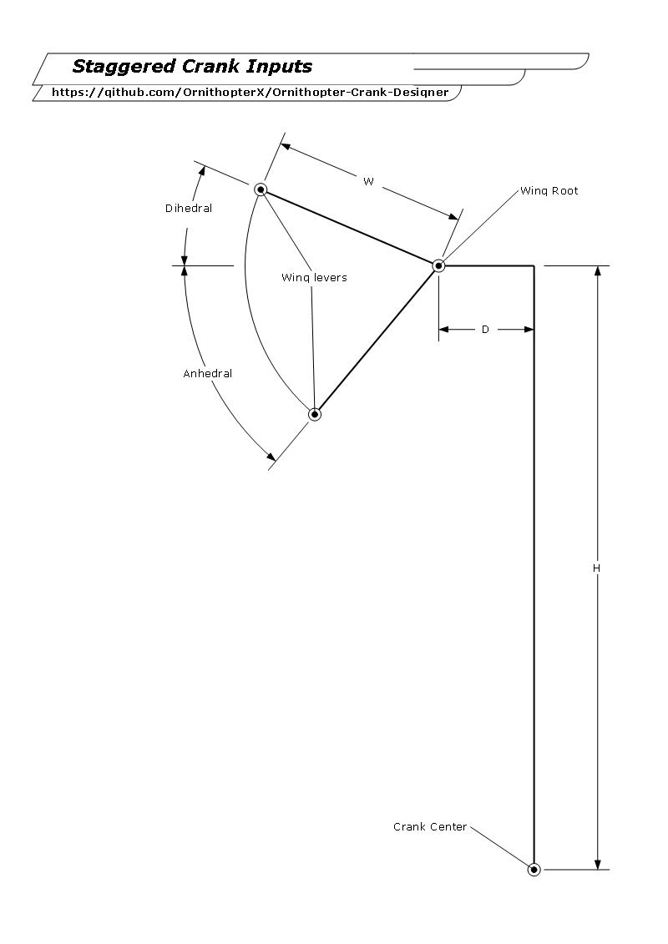
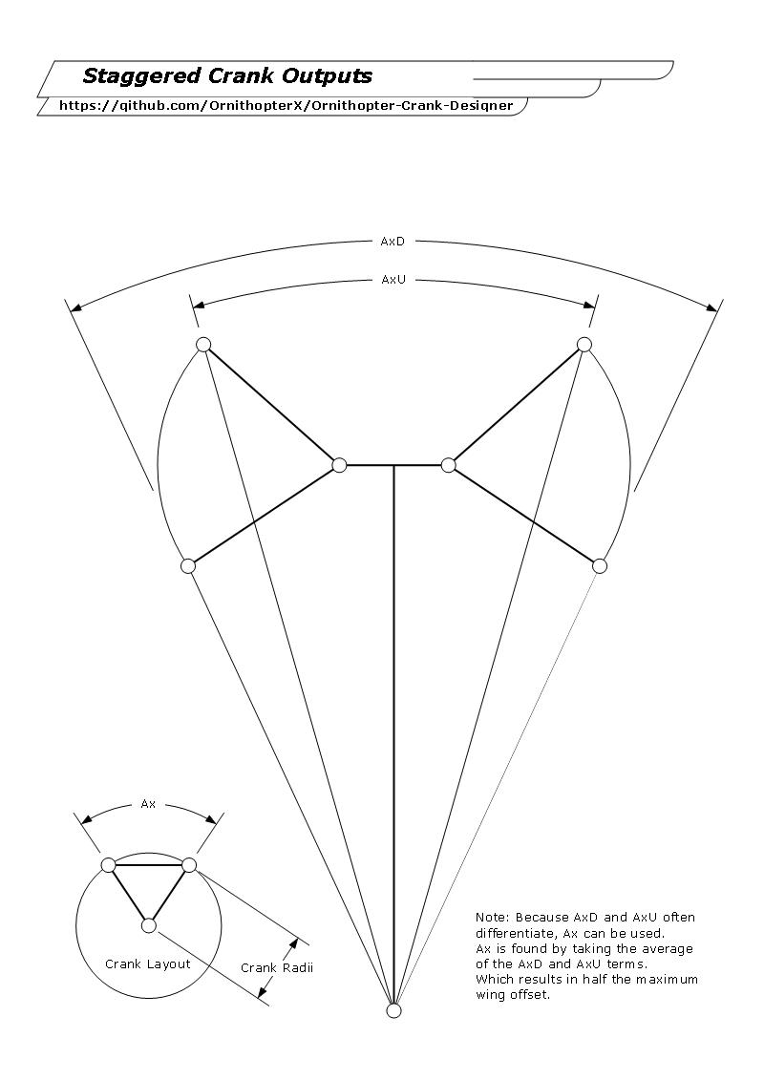
Ornithopter Crank Calculator |  |  |  |  | Designs
for Staggered Cranks

 | Inputs |  | Notes | Type
 | H: | 2000
 | W: | 400
 | Dihedral: | -4.271824043 | in Degrees
 | Anhedral: | 39.87182404 | in Degrees
 | D: | 400 | Wing root to center

 | Place holders |  | Equations
 | Z1: | 2126.0126201 | SQRT{(Y1 + D)^2 + (Ha)^2}
 | Z2: | 1881.4563762 | SQRT{(Y2 + D)^2 + (Hb)^2}
 | Y1: | 398.88875389 | W(COS(Dihedral))
 | Y2: | 306.99220016 | W(COS(Anhedral))
 | H2: | -29.795335523 | W(SIN(Dihedral))
 | H3: | 256.42891615 | W(SIN(Anhedral))
 | Ha: | 1970.2046645 | H + H2
 | Hb: | 1743.5710838 | H - H3

 | Outputs
 | Linkage Length: | 2003.7344982 | Z1 - Rx
 | Crank Radii: | 122.27812198 | (Z1 - Z2) /2
For wings up | AxU: | 44.143648086 | 2* (aTan((Y1+D) / Ha)) | Crank angle
For wings down | AxD: | 44.143648087 | 2* (aTan((Y2+D) / Hb)) | Crank angle
 | Ax: | 44.143648086 | (AxD + AxU)/2 | Avg. Crank angle

Graphing
[Testing needed]

Wing Graph Output
 | For wings down or AxD
 | phase x axis | angle y axis
 | 0 | -39.87182404
 | 180 | -4.271824043
 | 360 | -39.87182404
 | 540 | -4.271824043
 | Right wing
 | 0 | -39.87182404
 | 180 | -4.271824043
 | 360 | -39.87182404
 | 540 | -4.271824043
 | common
 | 0 | -39.87182404
 | 180 | -4.271824043
 | 360 | -39.87182404
 | 540 | -4.271824043

 |  |  | Notes

 | Maximum degree out of phase:
 | AxD or AxU: | 4.1931258465E-10 | X = AxD - AxU
 | Ax: | 2.0965629233E-10 | AxD-AxU/2

"Perfect" Staggered Crank
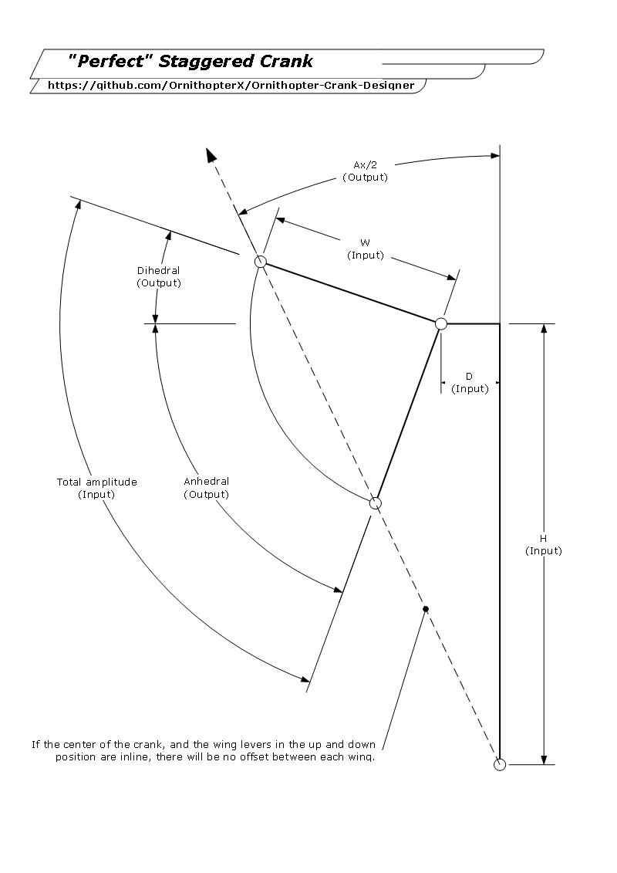
Ornithopter Crank Calculator |  |  |  | Designs
For Staggered Crank
Prioritizes Symmetrical Flapping

 | Inputs
 | H: | 2000
 | W: | 400
 | Flap angle: | 35.6 | Total Flapping angle
 | D: | 400

 | Place holders |  | Equations
 | Axp: | 11.309932474 | ATAN(D/H)
 | Hs: | 2039.6078054 | SQRT((D^2) + (H^2))
 | Aa: | 17.8 | Flap angle/2
 | Wr: | 380.8517571 | COS(Aa)W
 | Ax: | 10.761891569 | ACOS(Wr/Hs) + Axp
 | AxT: | 22.071824043 | Axp + Ax

 | Outputs
 | Crank Radii: | 122.27812199 | [SIN(Aa)]W
 | Crank Angle: | 44.143648086 | (Ax)2
 | Linkage Length: | 1881.4563762 | SQRT[(Hs^2) - (Wr^2)] -Crank radii
 | Dihedral: | -4.2718240431 | (-1) * (Axt - Aa)
 | Anhedral: | 39.871824043 | (-1) * (Dihedral - Flap angle)

Duel Crank
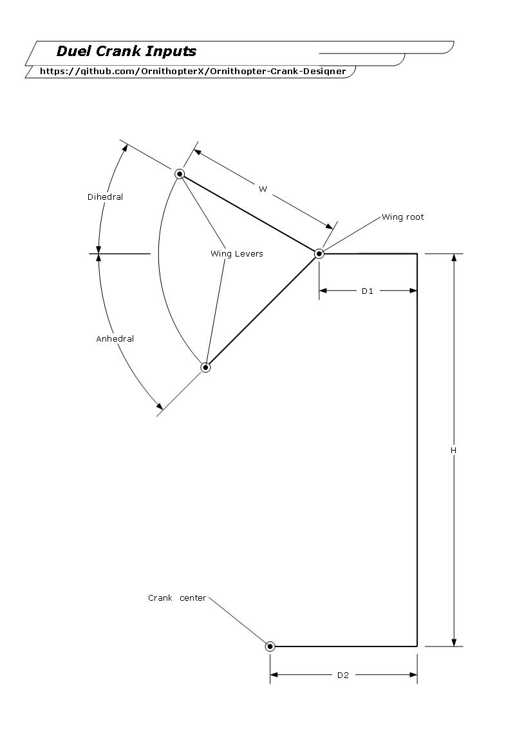
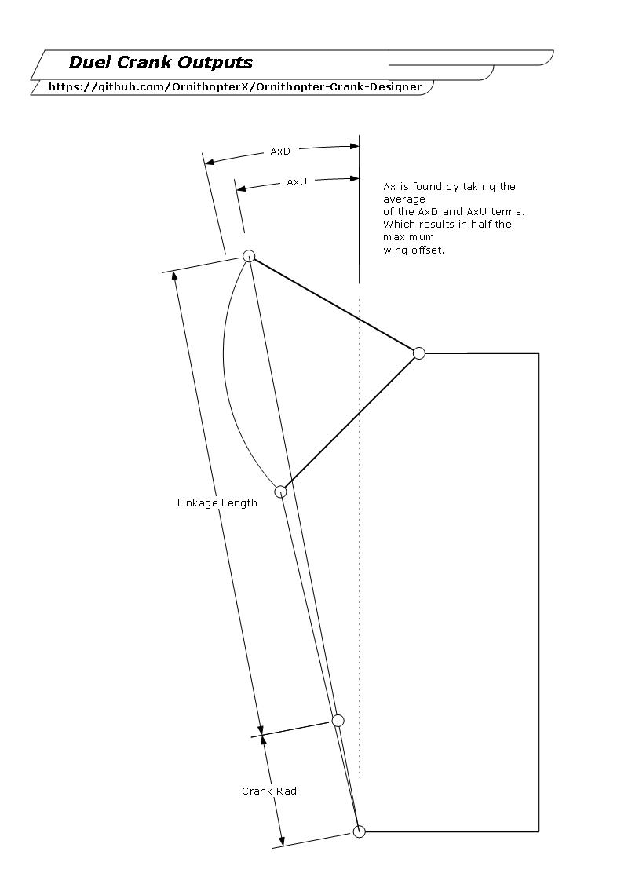
Ornithopter Crank Calculator |  |  |  |  | Designs
for Duel Cranks

 | Inputs |  | Notes | Type
 | H: | 1000
 | W: | 200
 | Dihedral: | 30 | in degrees
 | Anhedral: | 30 | in degrees
 | D1: | 200 | Wing root to center
 | D2: | 500 | Crank root to center

 | Place Holders |  | Equations
 | D3: | -126.79491924 | D3 = (Y1 + D1) - D2
 | D4: | -126.79491924 | D4 = (Y2 + D1) - D2
 | Y1: | 173.20508076 | W(COS((Dihedral))
 | Y2: | 173.20508076 | W(COS(Anhedral))
 | Z1: | 1107.2835913 | SQRT{(D3)^2 + (Ha)^2}
 | Z2: | 908.8877552 | SQRT{(D4)^2 + (Hb)^2}
 | Ha: | 1100 | Ha = H + H2
 | Hb: | 900 | Hb = H - H3
 | H2: | 100 | H2 = W(SIN(Dihedral))
 | H3: | 100 | H3 = W(SIN(Anhedral))

 | Outputs
 | Linkage Length: | 1008.0856732 | L = Z1 - Rx
 | Crank Radii: | 99.197918048 | Rx = (Z1 - Z2) / 2
For wings up | AxU: | -6.5753569149 | AxU = (aTan(D3/Ha))] | Crank angle
For wings down | AxD: | -8.019237681 | AxD = (aTan(D4/Hb))] | Crank angle
 | Ax: | -7.2972972979 | AxD + AxU/2 | Avg. Crank angle

