Staggered Crank
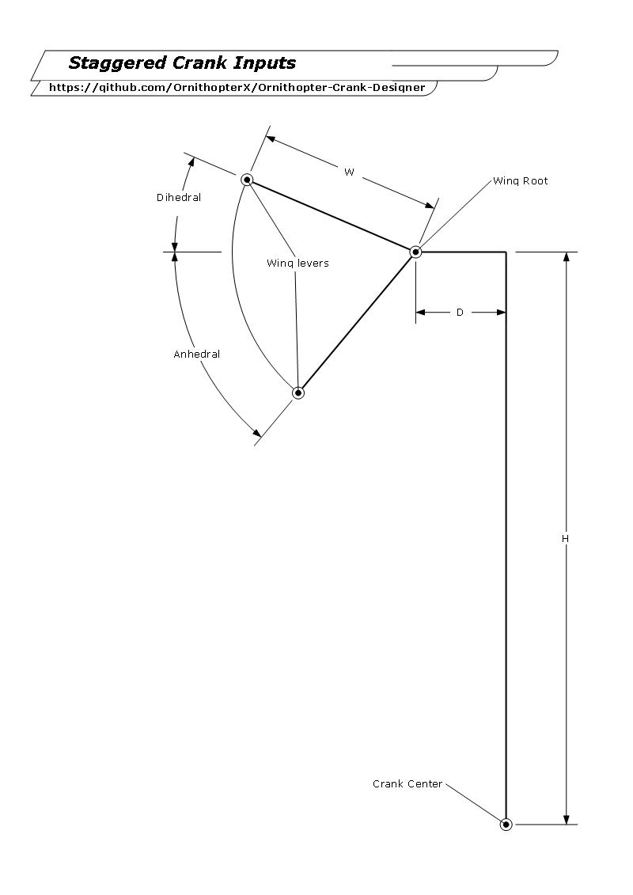
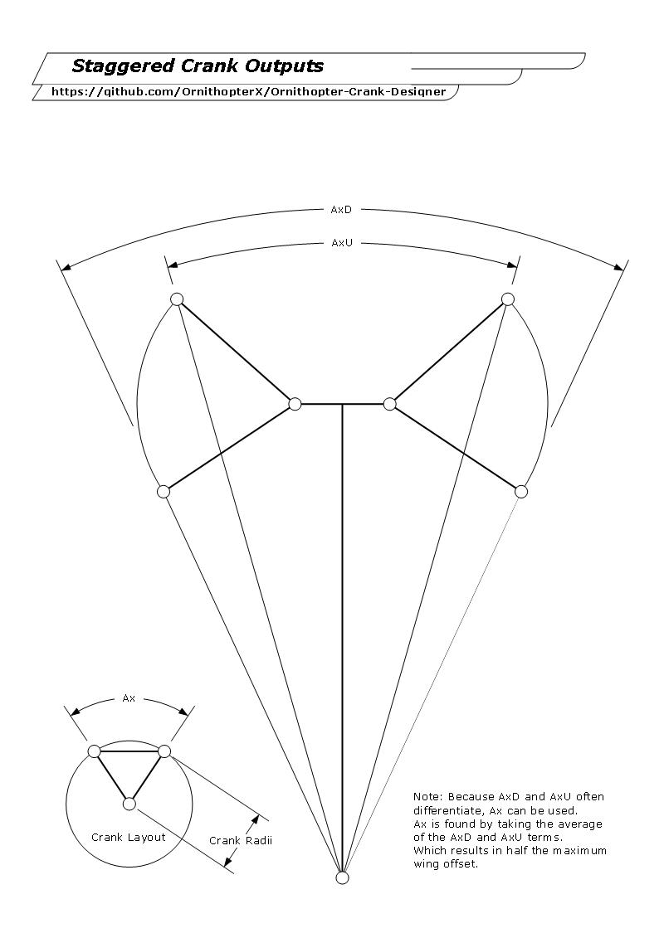
Ornithopter Crank Calculator |  |  |  |  | Designs
for Staggered Cranks

 | Inputs |  | Notes | Type
 | H: | 1000
 | W: | 200
 | Dihedral: | 30 | in Degrees
 | Anhedral: | 30 | in Degrees
 | D: | 200

 | Place holders |  | Equations
 | Z1: | 1161.5859987 | SQRT{(Y1 + D)^2 + (Ha)^2}
 | Z2: | 974.31105521 | SQRT{(Y2 + D)^2 + (Hb)^2}
 | Y1: | 173.20508076 | W(COS(Dihedral))
 | Y2: | 173.20508076 | W(COS(Anhedral))
 | H2: | 100 | W(SIN(Dihedral))
 | H3: | 100 | W(SIN(Anhedral))
 | Ha: | 1100 | H + H2
 | Hb: | 900 | H - H3

 | Outputs
 | Linkage Length: | 1067.9485269 | Z1 - Crank radii
 | Crank Radii: | 93.63747173 | (Z1 - Z2) /2
For wings up | AxU: | 37.48182096 | 2* (aTan((Y1+D) / Ha)) | Crank angle
For wings down | AxD: | 45.044863024 | 2* (aTan((Y2+D) / Hb)) | Crank angle
 | Ax: | 41.263341992 | (AxD + AxU)/2 | Avg. Crank angle

Graphing
[Testing needed]

Wing Graph Output
 | For wings down or AxD
 | phase x axis | angle y axis
 | 0 | -30
 | 172.43695794 | 30
 | 360 | -30
 | 532.43695794 | 30
 | Right wing
 | 0 | -30
 | 187.56304206 | 30
 | 360 | -30
 | 547.56304206 | 30
 | common
 | 0 | -30
 | 180 | 30
 | 360 | -30
 | 540 | 30

 |  |  | Notes

 | Maximum degree out of phase:
 | AxD or AxU: | 7.5630420638 | X = AxD - AxU
 | Ax: | 3.7815210319 | AxD-AxU/2

"Perfect" Staggered Crank
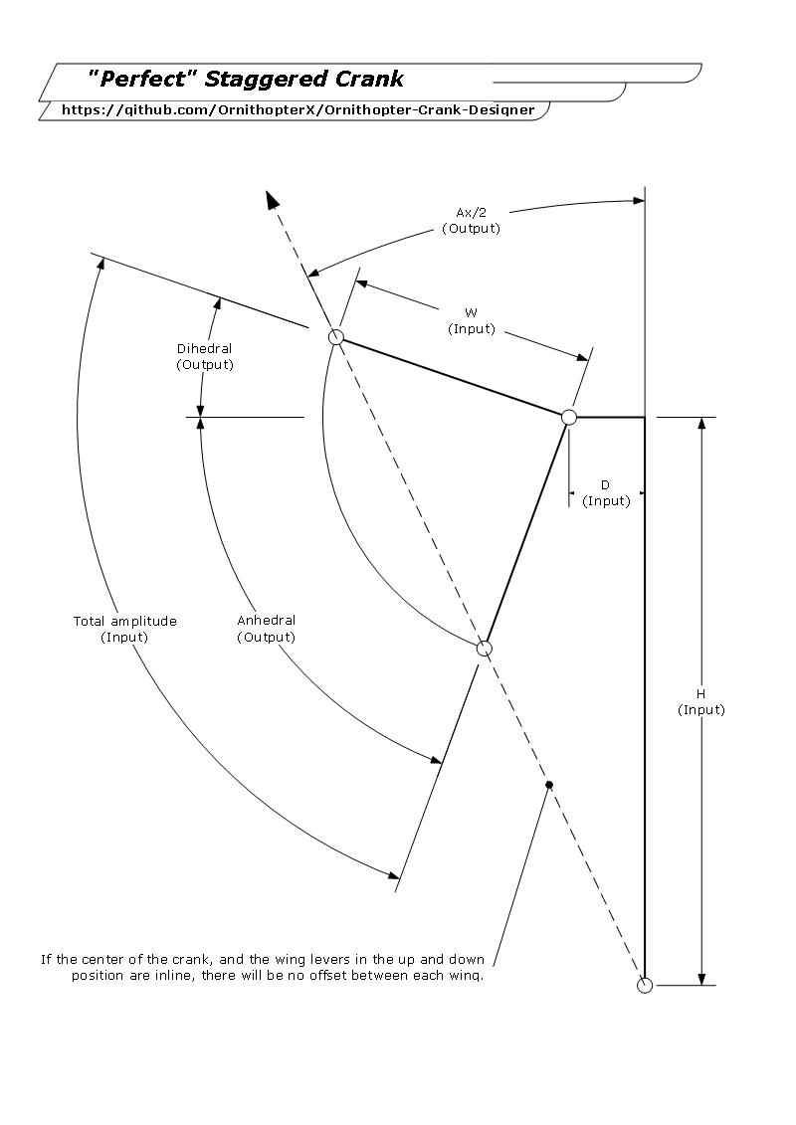
Ornithopter Crank Calculator |  |  |  | Designs
For Staggered Crank
Prioritizes Symmetrical Flapping

 | Inputs
 | H: | 600
 | W: | 200
 | Flap angle: | 60
 | D: | 15

 | Place holders |  | Equations
 | Axp: | 1.4320961842 | ATAN(D/H)
 | Hs: | 600.18747071 | SQRT((D^2) + (H^2))
 | Aa: | 30 | Flap angle/2
 | Wr: | 173.20508076 | COS(Aa)W
 | Ax: | 16.773258947 | (ACOS(Wr/Hs)) -90
 | AxT: | 18.205355131 | Axp + Ax

 | Outputs
 | Crank Radii: | 100 | [SIN(Aa)]W
 | Ax: | 36.410710262 | (AxT)2
 | Linkage Length: | 574.65206865 | SQRT[(Hs^2) - (Wr^2)]
 | Dihedral: | 11.794644869 | (-1) * (Axt - Aa)
 | Anhedral: | 48.205355131 | (-1) * (Dihedral - Flap angle)

"Inside-out" Staggered Crank
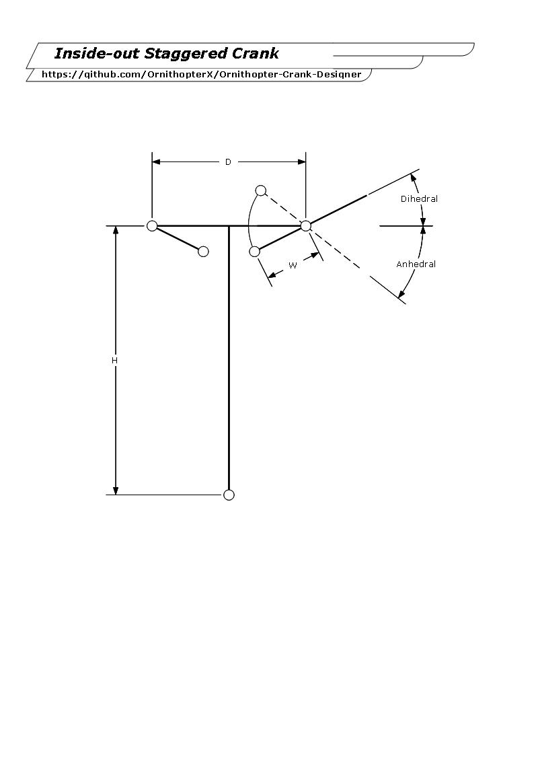
Ornithopter Crank Calculator |  |  |  |  | Designs
for "Inside-out" Staggered Cranks

 | Inputs |  | Notes | Type
 | H: | 3000
 | W: | 700
 | Dihedral: | 15 | in Degrees
 | Anhedral: | 30 | in Degrees
 | D: | 1000 | From wing root to wing root

 | Place holders |  | Equations
 | Z1: | 3351.68349 | SQRT[Y1^2 + Ha^2]
 | Z2: | 2824.3250401 | SQRT[Y2^2 + Hb^2]
 | Y1: | -106.21778265 | (D/2) - W(COS(Anhedral))
 | Y2: | -176.1480784 | (D/2) - W(COS(Dihedral))
 | H2: | 350 | W(SIN(Anhedral))
 | H3: | 181.17333157 | W(SIN(Dihedral))
 | Ha: | 3350 | H + H2
 | Hb: | 2818.8266684 | H - H3

 | Outputs
 | Linkage Length: | 3088.0042651 | Z1 - Crank Radii
 | Crank Radii: | 263.67922496 | (Z1 - Z2) /2
For wings up | AxU: | -7.1515110905 | 2* (aTan(Y2 / Hb)) | Crank angle
For wings down | AxD: | -3.6321149131 | 2* (aTan(Y1 / Ha)) | Crank angle
 | Ax: | -5.3918130018 | (AxD + AxU)/2 | Avg. Crank angle

Duel Crank
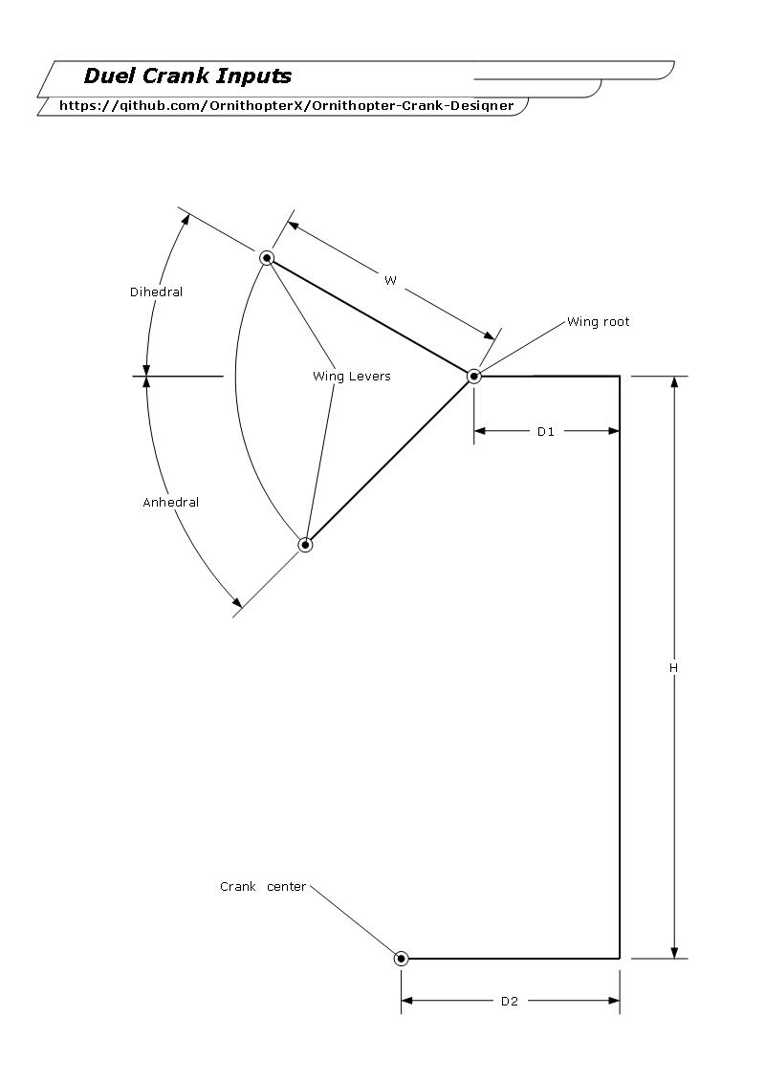
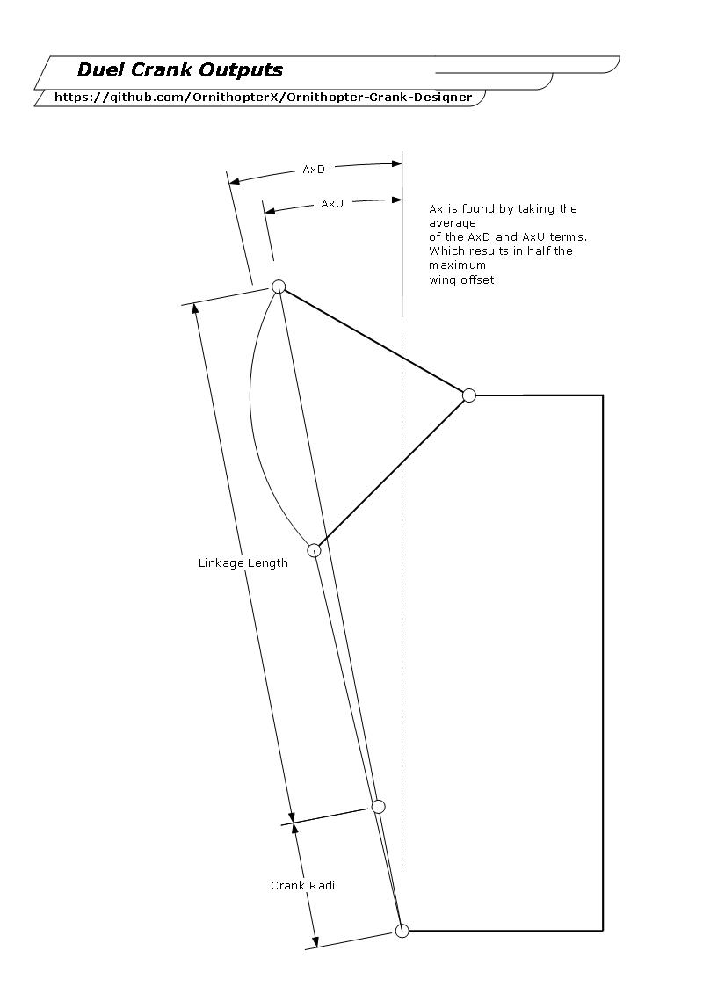
Ornithopter Crank Calculator |  |  |  |  | Designs
for Duel Cranks

 | Inputs |  | Notes | Type
 | H: | 1500
 | W: | 210
 | Dihedral: | 45.7 | in degrees
 | Anhedral: | 48.9 | in degrees
 | D1: | 109
 | D2: | 500

 | Place Holders |  | Equations
 | D3: | -244.33279006 | D3 = (Y1 + D1) - D2
 | D4: | -252.95119838 | D4 = (Y2 + D1) - D2
 | Y1: | 146.66720994 | W(COS((Dihedral))
 | Y2: | 138.04880162 | W(COS(Anhedral))
 | Z1: | 1668.2846472 | SQRT{(D3)^2 + (Ha)^2}
 | Z2: | 1365.387088 | SQRT{(D4)^2 + (Hb)^2}
 | Ha: | 1650.2954741 | Ha = H + H2
 | Hb: | 1341.7516876 | Hb = H - H3
 | H2: | 150.29547408 | H2 = W(SIN(Dihedral))
 | H3: | 158.24831238 | H3 = W(SIN(Anhedral))

 | Outputs
 | Linkage Length: | 1516.8358676 | Z1 - Crank Radii
 | Crank Radii: | 151.44877961 | (Z1 - Z2) / 2
For wings up | AxU: | -8.4216886039 | AxU = (aTan(D3/Ha)) | Crank angle
For wings down | AxD: | -10.676273678 | AxD = (aTan(D4/Hb)) | Crank angle
 | Ax: | -9.5489811412 | AxD + AxU/2 | Avg. Crank angle

