Certificates
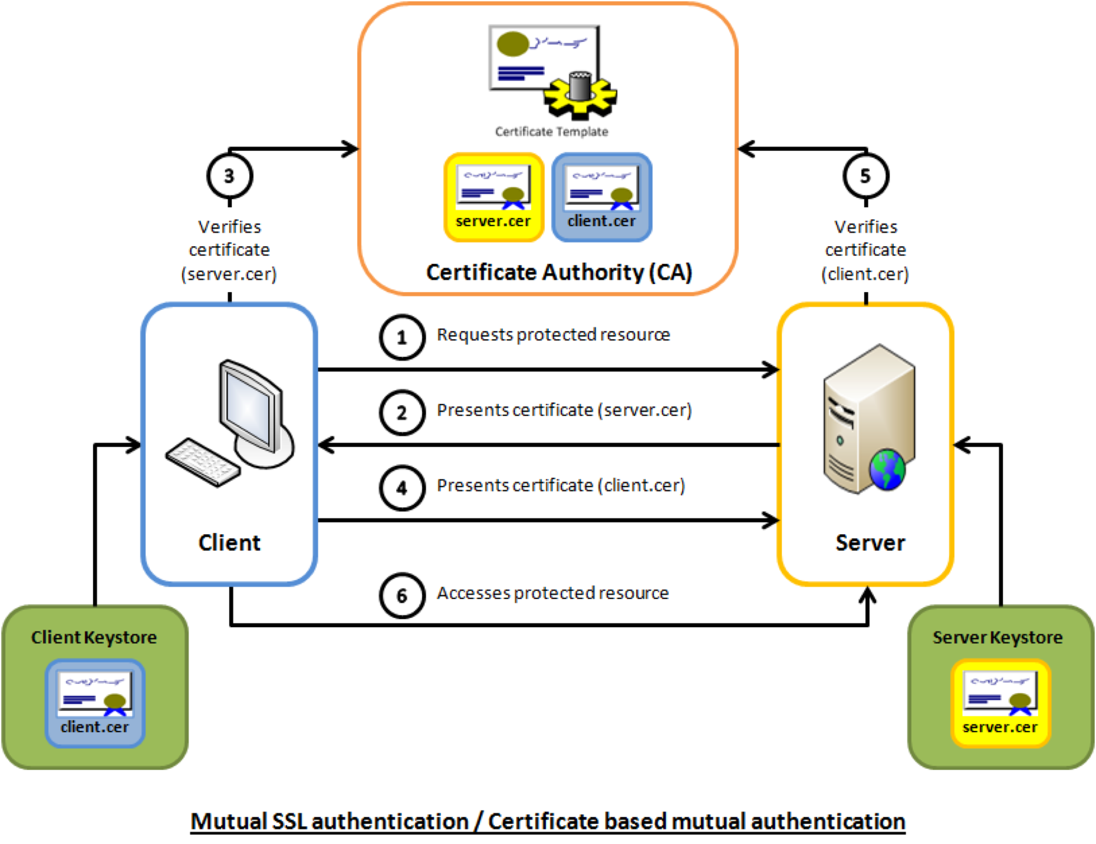
 | Client |  | Server(add client’s Leaf cert serial number - Whitelisting)
 | (Server’s Intermediate) |  | (client’s leaf cert details)

 | Serial Number
 |  |  | SSL Handshake success

 |  | Root (7-15)
 |  | Intermediate (5-10)
 |  | Leaf (1 - 2)

 | Java-certs |  | $JAVA_HOME/jre/lib/security/cacerts

Public Key | <fn>.CSR | Certificate Signing Request | DigiCert GoDaddy Symantec (Dis-continued) Organization’s Certificate Authority
Private Key | <fn>.key
Public Key - Serial Number - Issuer - Common Name(CN) | .pem - <fn>.cert.pem or <fn>.chain.pem
Public Key | Java - Keystore (keytool)

 | Truststore - Server’s Intermediate

 | RSA Algo’s | SHA1
 |  | SHA256

