PreemptionForm
 |  |  |  |  |  |  |  |  |  |  |  |  |  | Utah Preemption Form

Section 1: Grade Crossing Information

City: |  |  |  |  |  |  |  |  |  |  |  | Date:

County: |  |  |  |  |  |  |  |  |  |  |  | Completed By:

Highway Authority: |  |  |  |  |  |  |  |  |  |  |  | Highway Authority Contact:

Cross Street: |  |  |  |  |  |  |  |  |  |  |  | Phone:

Parallel Street: |  |  |  |  |  |  |  |  |  |  |  | Railroad Owner/Operator:

UDOT Signal No.: |  |  |  |  |  |  |  |  |  |  |  | DOT Crossing #:
DVCD = 73.5 ft
CSD = 0 ft
L = 0 ft
MTCD = 0 ft
DVL = 73.5 ft
Design Vehicle
Track
6 ft
http://safetydata.fra.dot.gov/officeofsafety/publicsite/crossing/xingqryloc.aspx

North Arrow : | 0° |  |  |  |  |  |  |  |  |  |  | Number of Tracks:
*Yellow Cells Indicate inputtable data. Grey cells are automatically calculated. ** Some automatically calculated cells reference hidden tabs. To unhide right click any tab and select unhide. |  |  |  |  |  |  |  |  |  |  |  |  |  | Page 1 of 5
 |  |  |  |  |  |  |  |  |  |  |  |  |  | Utah Preemption Form

Section 2: Crossing Distances and Grades |  |  |  |  |  |  |  |  |  |  | Remarks/Justification

Definition
 |  |  | 1. CSD = Clear Storage Distance = |  | ft

Definition
2. MTCD = Minimum Track Clearance Distance = |  |  |  |  | ft |  | Grade= |  | % |  | Grade estimated using Google Earth Street View

Definition
3. DVL = Design Vehicle Length (See Below For Inputtable Cell) = |  |  |  | 73.5 | ft |  |  |  |  |  | Value is programmed into Line 9

Definition
4. L = Queue startup distance, (CSD+MTCD)= |  |  |  | 0 | ft |  |  |  |  |  | From graphic on page 1

Definition
5. DVCD = Design Vehicle Clearance Distance = |  |  |  | 73.5 | ft |  |  |  |  |  | Measurement described in Calculation Summary tab.

Definition
6. MAMD = Maximum Approach Move Distance (Optional) = |  |  |  |  | ft |  | Grade = |  | % |  | Grade estimated using Google Earth Street View

Definition
7. MCMD = Maximum Conflicting Move Distance (Optional) = |  |  |  |  | ft |  | Grade = |  | % |  | Grade estimated using Google Earth Street View

Section 3: Design Vehicle Length and Queue Clearance Time

Definition
Definition
 |  |  | Car | SU Truck | Bus |  | Semi Truck |  |  |  | Remarks/Justification
 |  | 8. AASHTO designation | P | SU-30 | BUS-40 |  | WB-67
9. Design Vehicle Length |  |  | 19 | 30 | 40.5 |  | 73.5 |  |  |  | Taken from AASHTO Designations Tab.
Definition
10. Design Vehicle Height |  |  | 4.3 | 13.5 | 12 |  | 13.5 |  |  |  | Taken from AASHTO Designations Tab.
Definition
11. Time required for design vehicle to start moving |  |  | 2.0 | 2.0 | 2.0 |  | 2.0 |  |  |  | Calc = 2+(line 4)/20.
Definition
12. Time for design vehicle to accelerate through DVCD |  |  | 2.5 | 3.7 | 5.3 |  | 11.5 |  |  |  | Equations described in Calculation Summary tab.
Definition
13. Queue Clearance Time |  |  | 4.5 | 5.7 | 7.3 |  | 13.5 |  |  |  | Add lines 11 & 12.
14. Use as design vehicle? (Pick one) |  |  | no | no | no |  | yes |  |  |  | Select category of vehicle to use for calculation

Section 4: Traffic Signal Operations and Associated Times |  |  |  |  |  |  |  | Remarks/Justification

Definition
 |  |  |  | 15. Preempt delay time (sec)

Definition
 |  |  |  | 16. Controller response time to preempt (sec) |  |  |  | Controller Type:

Definition
 |  |  |  | 17. Preempt verification and response time (sec) | 0 |  |  | Add Lines 15 & 16.

*Yellow Cells Indicate inputtable data. Grey cells are automatically calculated. ** Some automatically calculated cells reference hidden tabs. To unhide right click any tab and select unhide. |  |  |  |  |  |  |  |  |  |  |  |  |  | Page 2 of 5
 |  |  |  |  |  |  |  |  |  |  |  |  |  | Utah Preemption Form

Definition
Worst-Case Conflicting Vehicle Time |  |  |  |  |  |  |  | Remarks/Justification
 |  |  |  | 18. Worst case conflicting vehicle direction | -

Definition
 |  |  |  | 19. Min. green service time (sec)

Definition
 |  |  |  | 20. Yellow change time (sec)

Definition
 |  |  |  | 21. Red clearance time(sec)

Definition
 |  |  |  | 22. Worst-case conflicting vehicle time (sec) | 0 |  |  | Sum of Lines 19-21.

Definition
Worst Case Conflicting Pedestrian Time |  |  |  |  |  |  |  | Remarks/Justification
 |  |  |  | 23. Worst case conflicting pedestrian direction | - |  |  |  |  | 116' crosswalk length

Definition
 |  |  |  | 24. Min. walk time during right-of-way transfer (sec)

Definition
 |  |  |  | 25. Pedestrian change interval (sec) |  |  |  | Calc = (Maximum Crosswalk Length)/(4 ft per sec)

Definition
 |  |  |  | 26. Vehicle yellow change interval (if not included in line 25)(sec)

Definition
 |  |  |  | 27. Vehicle red clearance interval (if not included in line 25)(sec)

Definition
 |  |  |  | 28. Worst case conflicting pedestrian time (sec) | 0 |  |  | Sum of Lines 24-27.

Definition
 |  |  |  | 29. Worst case conflicting vehicle or pedestrian time (sec) | 0 |  |  | Greater of Lines 22 & 28.

Section 5: Maximum Preemption Time Calculation |  |  |  |  |  |  |  | Remarks/Justification

Definition
 |  |  |  | 30. Right of Way Transfer Time (sec) | 0 |  |  | Add lines 17 & 29.

Definition
 |  |  |  | 31. Queue clearance time (sec) | 14 |  |  | Line 13.

Definition
 |  |  |  | 32. Track Clearance Green Time | 14 |  |  | Equations described in Calculation Summary tab.

Definition
 |  |  |  | 33. Desired minimum separation time (sec)

Definition
 |  |  |  | 34. Maximum Preemption Time (sec) | 14 |  |  | Add Lines 30, 32, 33, 51,70.

*Yellow Cells Indicate inputtable data. Grey cells are automatically calculated. ** Some automatically calculated cells reference hidden tabs. To unhide right click any tab and select unhide. |  |  |  |  |  |  |  |  |  |  |  |  |  | Page 3 of 5
 |  |  |  |  |  |  |  |  |  |  |  |  |  | Utah Preemption Form

Section 6: RR Warning Time |  |  |  |  |  |  |  | Remarks/Justification

Definition
 |  |  |  | 35. Duration of flashing lights before gate descent starts (sec)

Definition
 |  |  |  | 36. Full gate descent time (sec)

Definition
 |  |  |  | 37. Required minimum time, MT (seconds)

Definition
 |  |  |  | 38. Clearance time, CT (sec) | 0 |  |  | CT = (MTCD - 35 ft)*0.1 sec/ft (Round the result to the nearest second).

Definition
 |  |  |  | 39. Minimum warning time, MWT (sec) | 0 |  |  | Add Lines 37 & 38.

Definition
 |  |  |  | 40. Buffer time, BT (sec)

Definition
 |  |  |  | 41. Total warning time provided by the railroad (sec) | 0 |  |  | Sum of Lines 39-40.

Section 11: Advance Preemption and Total Approach Time

Definition
Advance Preemption Time |  |  |  |  |  |  |  | Remarks/Justification
 |  |  |  | 42. Additional warning time required from railroad (sec) | 14 |  |  | Subtract Line 39 from Line 34.

Definition
Total Approach Time |  |  |  |  |  |  |  | Remarks/Justification
 |  |  |  | 43. RR equipment response time (sec)

Definition
 |  |  |  | 44. Total approach time (sec) | 14 |  |  | Sum of Lines 41-43.
 |  |  |  |  |  |  |  |  |  |  |  |  | .
*Yellow Cells Indicate inputtable data. Grey cells are automatically calculated. ** Some automatically calculated cells reference hidden tabs. To unhide right click any tab and select unhide. |  |  |  |  |  |  |  |  |  |  |  |  |  | Page 4 of 5
 |  |  |  |  |  |  |  |  |  |  |  |  |  | Utah Preemption Form
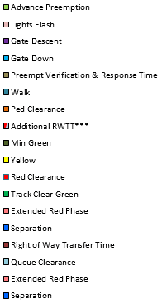
Preemption Timeline
 | Advance Preemption | Lights Flash | Gate Descent | Gate Down | Preempt Verification & Response Time | Walk | Ped Clearance | Additional RWTT*** | Min Green | Yellow | Red Clearance | Track Clear Green
Design Vehicle
Traffic Signal |  |  |  |  | 0 | 0 | 0 | 0 | 0 | 0 | 0 | 14
RR Signal System | 14 | 0 | 0 | 0

 |  |  | Design Vehicle | Traffic Signal |  | RR Signal System
Advance Preemption |  |  |  |  |  | 14
Lights Flash |  |  |  |  |  | 0
Gate Descent |  |  |  |  |  | 0
Gate Down |  |  |  |  |  | 0
Preempt Verification & Response Time |  |  |  | 0
Walk |  |  |  | 0
Ped Clearance |  |  |  | 0
Additional RWTT*** |  |  |  | 0
Min Green |  |  |  | 0
Yellow |  |  |  | 0
Red Clearance |  |  |  | 0
Track Clear Green |  |  |  | 14
Extended Red Phase |  |  |  | 0
Separation |  |  |  | 0
Right of Way Transfer Time |  |  | 0
Queue Clearance |  |  | 14
Extended Red Phase |  |  | 0
Separation |  |  | 0

***Additional RWTT is a special timeline addition that adds extra RWTT in the case that the approach move vehicle clearance time or conflicting move vehicle clearance time is larger than the pedestrian clearance time. |  |  |  |  |  |  |  |  |  |  |  |  |  | Page 5 of 5

(OPTION) App-Con Veh Time
 |  |  |  |  | Utah Preemption Form

City: |  |  |  | Date:

County: |  |  |  | Completed By:

Highway Authority: |  |  |  | Highway Authority Contact:

Parallel Street: |  |  |  | Phone:

Cross Street: |  |  |  | Railroad Owner/Operator:

UDOT Signal No.: |  |  |  | DOT Crossing #:
http://safetydata.fra.dot.gov/officeofsafety/publicsite/crossing/xingqryloc.aspx
Section 7: Approach Vehicle Clearance Time and/or Conflicting Vehicle Clearance Time

Approach Vehicle Clearance Time |  |  | Remarks/Justification
 | 45. Calculate Approach Vehicle Clearance Time? | no

 | 46. Max approach move distance (feet) | N/A | Line 6

Definition
 | 47. Approach vehicle clearance time (sec) | N/A | Equations described in Calculation Summary tab.

Conflicting Vehicle Clearance Time |  |  | Remarks/Justification
 | 48. Calculate conflicting vehicle clearance time? | no

 | 49. Max conflicting move distance (feet) | N/A | Line 7

Definition
 | 50. Conflicting vehicle clearance time (sec) | N/A | Equations described in Calculation Summary tab.

Definition
Extra RWTT
 | 51. Additional RWTT due to Approach/Conflicting Vehicle clearance (sec) | 0 | Equations described in Calculation Summary tab.

*Yellow Cells Indicate inputtable data. Grey cells are automatically calculated. ** Some automatically calculated cells reference hidden tabs. To unhide right click any tab and select unhide. |  |  |  |  | Page 1 of 1

(OPTION) Veh -Gate Int Time
 |  |  |  |  | Utah Preemption Form

City: |  |  |  | Date:

County: |  |  |  | Completed By:

Highway Authority: |  |  |  | Highway Authority Contact:

Parallel Street: |  |  |  | Phone:

Cross Street: |  |  |  | Railroad Operator/Owner:

UDOT Signal No.: |  |  |  | DOT Crossing #:
http://safetydata.fra.dot.gov/officeofsafety/publicsite/crossing/xingqryloc.aspx
Section 8: Vehicle-Gate Interaction Time |  |  | Remarks/Justification

 | 52. Calculate vehicle-gate interaction time? | no

Definition
 | 53. Time required for design vehicle to start moving (sec) | N/A | Line 11.

Definition
 | 54. Time required for design vehicle to accelerate thru DVL (sec) | N/A | Equations described in Calculation Summary tab.

Definition
 | 55. Time required for design vehicle to clear descending gate (sec) | N/A | Add Lines 30, 53 & 54.

Definition
 | 56. Duration of flashing lights before gate descent starts (sec) | 0 | Line 35.

Definition
 | 57. Full gate descent time (sec) | 0 | Line 36.

Definition
 | 58. Distance from gate to nearest side of design vehicle (feet) |  | Value must be between 4 & 20.

Definition
 | 59. proportion of non-gate interaction descent time | N/A | Equations described in Calculation Summary tab.

Definition
 | 60. Non-interaction gate descent time (sec) | N/A | Line 57 (x) Line 59.

Definition
 | 61. Time available for design vehicle to clear descending gates (sec) | N/A | Sum of Lines 56 & 60.

Definition
 | 62. Advance preemption to avoid design vehicle-gate interaction (sec) | N/A | Subtract Line 61 from Line 55.

Definition
 | 63. Additional TCG time to account for design vehicle-gate interaction (sec) | 0 | Equations described in Calculation Summary tab.
 | .

*Yellow Cells Indicate inputtable data. Grey cells are automatically calculated. ** Some automatically calculated cells reference hidden tabs. To unhide right click any tab and select unhide. |  |  |  |  | Page 1 of 1

(OPTION) Time to Clear CSD
 | Utah Preemption Form

City: |  |  |  |  | Date:

County: |  |  |  |  | Completed By:

Highway Authority: |  |  |  |  | Highway Authority Contact:

Parallel Street: |  |  |  |  | Phone:

Cross Street: |  |  |  |  | Railroad Owner/Operator:

Udot Signal No.: |  |  |  |  | DOT Crossing #:
http://safetydata.fra.dot.gov/officeofsafety/publicsite/crossing/xingqryloc.aspx
Section 9: Time to move past Clear Storage Distance |  |  |  | Remarks/Justification

 |  | 64. Add time to TCG to clear CSD | no

Definition
 |  | 65. Distance design vehicle must travel to clear DVL, MTCD, & CSD | N/A | Sum of Lines 1-3.

Definition
 |  | 66. Total time for design vehicle to clear DVL, MTCD, & CSD | N/A | Equations described in Calculation Summary tab.

Definition
 |  | 67. Total time for design vehicle to clear DVCD | N/A | Line 12.

Definition
 |  | 68. Additional TCG time needed for design vehicle to clear CSD | 0 | Subtract Line 67 from Line 66.

*Yellow Cells Indicate inputtable data. Grey cells are automatically calculated. ** Some automatically calculated cells reference hidden tabs. To unhide right click any tab and select unhide. |  |  |  |  |  | Page 1 of 1

(OPTION) Remove TCG
 |  |  |  |  | Utah Preemption Form

City: |  |  |  | Date:

County: |  |  |  | Completed By:

Highway Authority: |  |  |  | Highway Authority Contact:

Parallel Street: |  |  |  | Phone:

Cross Street: |  |  |  | Railroad Owner/Operator:

UDOT Signal No.: |  |  |  | DOT Crossing #:
http://safetydata.fra.dot.gov/officeofsafety/publicsite/crossing/xingqryloc.aspx
Section 10: Remove Track Clearance Green Phase

Approach Vehicle Clearance Time |  |  | Remarks/Justification
 | 69. Remove Track Clearance Green Time? | no

Definition
 | 70. Track Clearance Green Time to be applied as extended red | N/A | Equations described in Calculation Summary tab.

*Yellow Cells Indicate inputtable data. Grey cells are automatically calculated. ** Some automatically calculated cells reference hidden tabs. To unhide right click any tab and select unhide. |  |  |  |  | Page 1 of 1

Form Instructions
 |  |  |  | Utah Preemption Form

UDOT Preemption Form Instructions
General Instructions: Preemption time should be calculated using the UDOT Preemption Form (Tab 1). The Form uses a modified TXDOT methodology to calculate advance preemption and total approach time. The following instructions provide additonal defintions and information related to each line on the UDOT Preemption Form. Lines that are auto calculated are colored grey within the following tables.

Section 1 | Grade Crossing Information
Before performing any calculations, the following information must be filled out:
Line # | Term | Definition
- | City | City where Crossing is located. If Crossing is not within a city, the nearest city should be located and the word “near” should be included in front of the city.
- | County | County where Crossing is located.
- | Highway Authority | The Highway Authority responsible for the Crossing. If the Crossing is located on a state highway, the Highway Authority is UDOT. If not, the Highway Authority is the local road authority (city or county).
- | DOT Crossing Number | The DOT crossing number provided by the FRA. If the number has not already been provided, it can be attained by accessing the FRA database at: http://safetydata.fra.dot.gov/officeofsafety/publicsite/crossing/xingqryloc.aspx
- | Date | Date that Crossing calculation is performed.
- | Completed By | Name of person who performed the calculation.
- | Highway Authority Contact | Name of person at the Highway Authority to contact regarding the Crossing.
- | Phone | Highway Authority contact’s phone number.
- | Number of Tracks | Number of tracks at the Crossing. This data can be obtained from field verification, aerial imaging, or FRA inventory reports (in order of preference).
- | UDOT Signal No. | The traffic signal number provided by UDOT. If the number has not already been provided, it can be attained from the Highway Authority contact.

 |  |  |  | Page 1 of 17
 |  |  |  | Utah Preemption Form

Section 2 | Crossing Distances and Grades
Relevant crossing distances and grades are inputted next on the Utah Preemtion Form (Tab 1).
Line # | Term | Definition | Link
Back to Form
1 | Clear Storage Distance (CSD) | The shortest distance from 6 feet past the near rail to the adjacent street intersection.
Back to Form
2 | Minimum Track Clearance Distance (MTCD) | The distance from the gate, distance from the limit line if no gates are used, or 12 feet from track centerline if no limit lines or gates are used to 6 feet past the far rail. For four-quadrant gate systems, the distance is extended to the point where the rear of a vehicle would be clear of the exit arm.
Back to Form
3 | Design Vehicle Length (DVL) (auto-calc) | See Line # 9 for input information.
Back to Form
4 | Queue Startup Distance (L) (auto-calc) | The maximum length in feet of queued vehicles downstream of the design vehicle. This is the sum of the MTCD and CSD.
Back to Form
5 | Design Vehicle Clearance Distance (DVCD) (auto-calc) | The design vehicle clearance distance is the length in feet that the design vehicle travels to clear the crossing. This is the sum of the DVL and MTCD.
Back to Form
6 | Maximum Approach Move Distance (MAMD) | The distance (in feet) from the farthest intersection limit line towards a Crossing. See Section 7 of these instructions for further information.
Back to Form
7 | Maximum Conflicting Move Distance (MCMD) | The longest distance (in feet) across the adjacent intersection that crosses the path of the track clearance phase. See Section 7 of these instructions for further information.
 |  |  |  | Page 2 of 17
 |  |  |  | Utah Preemption Form

Section 3 | Design Vehicle Length and Queue Clearance Time
Once the relevant data of Section 2 is inputted, the design vehicle can be chosen next.
Back to Form

Back to Form
Back to Form
Line # | Term | Definition | Link
8 | AASHTO Designation | AASHTO Designation is the abbreviation for design vehicles based on the 2011 AASHTO Policy on Geometric Design of Highways and Streets. This abbreviation is used to determine design vehicle length (DVL) and design vehicle height (DVH). Abbreviations are split into separate drop down lists based on whether the design vehicle can be categorized as a passenger car, SU truck, bus, or semi-truck. See AASHTO Designation tab.
9 | Design Vehicle Length (DVL) (auto-calc) | Design Vehicle Length is the length of the design vehicle in feet. Once one decides which design vehicle to use, use the pulldown tabs under “use as design vehicle?” to select the desired type of vehicle. This selection will change the acceleration time based on the TXDOT vehicle acceleration graph using a WB-50 (Semi-truck), S-BUS40 (Bus), SU (Single-unit truck), and left turn passenger car (car) (see Figure 1). If the design vehicle chosen does not meet the exact vehicle used in the graph, the closest vehicle type’s graph will be used and the length of design vehicle listed in Table 2 in Chapter 4 of the Guideline (for example, if one wants a WB-67, use the semi-truck column and in the dropdown select WB-67 as the design vehicle length. The form will automatically calculate line 13 using the WB-50).
Back to Form
10 | Design Vehicle Height (auto-calc) | Design Vehicle Height is the height of the design vehicle in feet. This data is automatically filled in based on the height of the design vehicle selected and based on the value given for that design vehicle in the 2011 AASHTO Policy on Geometric Design of Highways and Streets.
Back to Form
11 | Time required for design vehicle to start moving (auto-calc) | The time, in seconds, elapsed from the start of track clearance green interval until the design vehicle begins to move in seconds. This is calculated using the equation 2+(L/20). This allows 2 seconds for startup time plus a 20 ft/sec “shock wave” speed if the travel lane downstream of the crossing is full of vehicles.
 |  |  |  | Page 3 of 17
 |  |  |  | Utah Preemption Form

Back to Form
Back to Form
Line # | Term | Definition | Link
12 | Time for design vehicle to accelerate through DVCD (auto-calc) | The time, in seconds, required for the design vehicle to accelerate from a stop and travel the complete design vehicle clearance distance. This time is interpolated using the graph in Figure 1 or the equation in Figure 2. If the DVCD is less than 400 feet, start at the value of the DVCD on the x-axis of Figure 1, draw a vertical line to the intersection of the design vehicle acceleration time performance curve and then draw a horizontal line from the intersection of the vertical line and design vehicle line to the y-axis. The value where the horizontal line intersects the y-axis is the time for the design vehicle to accelerate through DVCD. If the value of the DVCD is greater than 400 feet, calculate the time for design vehicle to accelerate through DVCD using the equation from Figure 2 and values from Figure 3 to get the time for design vehicle to accelerate through the DVCD. When an uphill or positive grade exists for the MTCD, a multiplier must be applied to the value from the graph or equation to get the actual time for design vehicle to accelerate through the DVCD. See Figure 4 for the applicable multipliers. The correct multiplier is chosen by using the column under the correct design vehicle and percent grade (if the percent grade is between grade percentages, use the larger value) and then using the row that’s value is closest to the DVCD (again, always use the larger value). For example, if an uphill grade of +3% exists, a WB-50 semi-truck is the design vehicle, and a DVCD of 160 feet exists, a multiplier of 1.34 should be used.
13 | Queue Clearance Time (auto-calc) | The queue clearance time is the total amount of time required after the traffic signal for the approach displays a green, to begin moving a queue of vehicles through the queue startup distance and then move the design vehicle from a stopped position at the far side of the crossing completely through the minimum track clearance distance (MTCD). This value is computed by adding the time required for a design vehicle to start moving to the time for a design vehicle to accelerate through DVCD. It is computed for each type of design vehicle (car, SU truck, Bus, Semi-truck) in this part of the Utah Preemption Form and will be summarized later in the Form (Tab 1).
 |  |  |  | Page 4 of 17
 |  |  |  | Utah Preemption Form

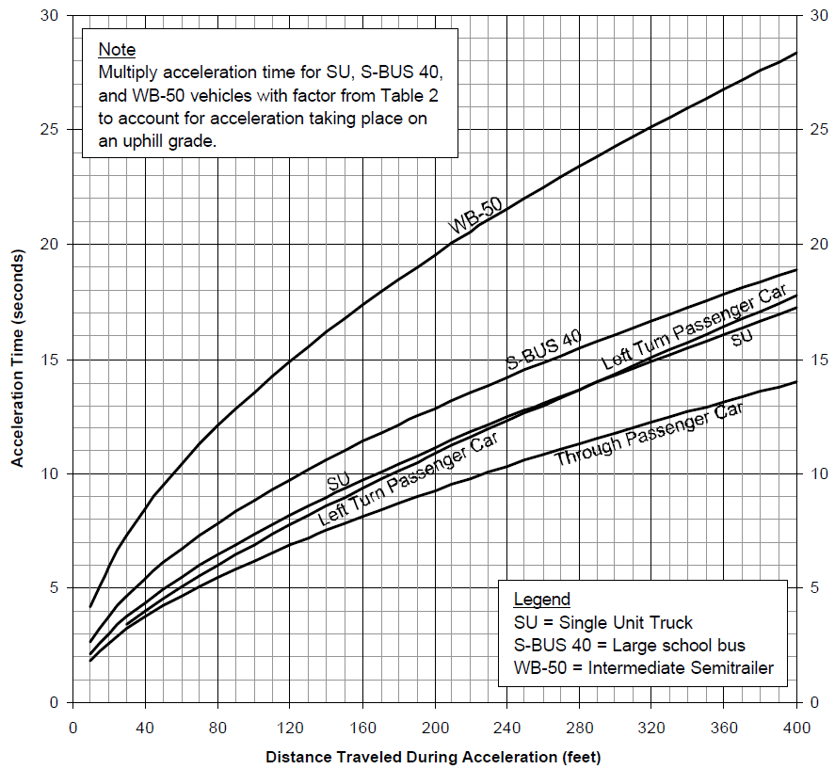
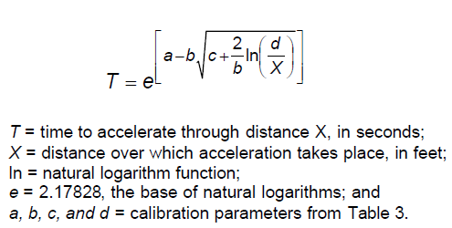

Figure 2: Equation for acceleration over time over a fixed distance greater than 400 feet (TXDOT)

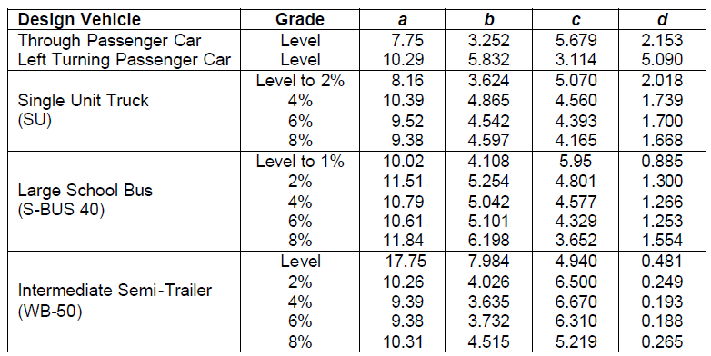

Figure 1: Acceleration over time over a fixed distance on level surface (TXDOT)
Figure 3: Parameter to estimate the acceleration times over distances greater than 400 ft using Figure 2 (TXDOT)

 |  |  |  | Page 5 of 17
 |  |  |  | Utah Preemption Form

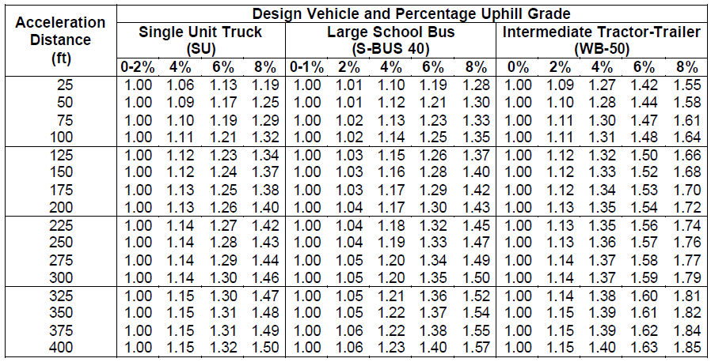

Figure 4: Multipliers to account for slower acceleration on uphill grades (TXDOT)

Section 4 | Traffic Signal Operations and Associated Times
Traffic signal operations and associated times and their definitions are listed below:
Line # | Term | Definition | Link
Back to Form
15 | Preempt Delay Time | The amount of time, in seconds, that the traffic signal controller is programmed to delay before transition from normal operations to railroad preemption operations once the preempt call is received. The preempt delay time can be any value greater than or equal to 0 and may not be available for all controllers.
Back to Form
16 | Controller Response Time | The time, in seconds, that elapses while the controller unit electronically registers a preempt call. The controller manufacturer should be contacted to determine this value and the controller type should be included in the remarks.
Back to Form
17 | Preempt Verification and Response Time (auto-calc) | The time, in seconds, between the receipt of the preempt request and the time the controller software actually begins to respond to the preempt call. This is calculated by adding the preempt delay time and controller response time.

 |  |  |  | Page 6 of 17
 |  |  |  | Utah Preemption Form

Back to Form
Back to Form
Line # | Term | Definition | Link
18 | Worst Case Conflicting Vehicle Direction | The vehicle direction (i.e. northbound left) that creates the largest conflicting vehicle time at the intersection.
19 | Minimum Green Time During Right-of-Way Transfer | The maximum number of seconds that any vehicle phase must display a green indication before the controller unit will terminate the phase through yellow change and red clearance. This can be any value greater than or equal to 0 and is usually determined by the highway authority.
Back to Form
20 | Yellow Change Time | The maximum required yellow change time for any vehicle phase. This value is usually a standard time and can be obtained from the Highway Authority.
Back to Form
21 | Red Clearance Time | The maximum required red clearance interval for any vehicle phase. This value is usually a standard time and can be obtained from the Highway Authority.
Back to Form
22 | Worst case-conflicting vehicle time (auto-calc) | The time, in seconds, for the worst case conflicting vehicle to complete its movement through the intersection.
Back to Form
23 | Worst Case Conflicting Pedestrian Crosswalk Location | The pedestrian crosswalk location (i.e. East Leg) that creates the largest conflicting pedestrian time at the intersection.
Back to Form
24 | Minimum walk time during right-of-way transfer | Minimum pedestrian walk time, in seconds, for longest crosswalk. This time can be omitted or shortened and should be obtained from the Highway Authority.
Back to Form
25 | Pedestrian Change Interval | The time, in seconds, for the worst case pedestrian phase. This is the flashing don’t walk time before transitioning to vehicle yellow change time and red clearance time. This time can be omitted or shortened and should be obtained from the Highway Authority.
Back to Form
26 | Vehicle yellow change interval | The maximum required yellow change time for any vehicle phase. This value is usually a standard time and can be obtained from the Highway Authority.
 |  |  |  | Page 7 of 17
 |  |  |  | Utah Preemption Form

Back to Form
Back to Form
Line # | Term | Definition | Link
27 | Vehicle red clearance interval | The maximum required red clearance interval for any vehicle phase. This value is usually a standard time and can be obtained from the Highway Authority.
28 | Worst-case conflicting pedestrian time (auto-calc) | The total programmed phase time, in seconds, for the worst-case conflicting pedestrian before transitioning to track clearance green. This time is calculated by adding the minimum walk time during right-of-way transfer, pedestrian clearance time during right-of-way transfer, vehicle yellow change time, and vehicle red clearance time.
Back to Form
29 | Worst-case conflicting vehicle or pedestrian time (auto-calc) | The maximum conflicting phase time, in seconds, for the intersection. This time is calculated by comparing the worst-case conflicting pedestrian time and worst-case conflicting vehicle time and picking the larger of the two.

Section 5 | Maximum Preemption Time Calculation
The Maximum preemption calculation and corresponding calculations/inputs are listed below:
Line # | Term | Definition | Link
Back to Form
30 | Right-of-way transfer time (auto-calc) | The maximum amount of time needed for the worst case condition before track clearance green. This is equal to the worst-case conflicting vehicle or pedestrian time.
Back to Form
31 | Queue clearance time (auto-calc) | The queue clearance time is the total amount of time required after the traffic signal for the approach displays green, to begin moving a queue of vehicles through the queue startup distance and then move the design vehicle from a stopped position at the far side of a Crossing completely through the minimum track clearance distance (MTCD). It is the same queue clearance time as is defined in Section 3 of these Form Instructions.
Back to Form
32 | Track Clearance Green Time (auto-calc) | The traffic signal time to clear stopped vehicles from the track area on the approach to the signalized highway intersection. The TCG interval should equal or exceed the queue clearance time. The TCG interval must be long enough to prevent a premature display of a red traffic signal for traffic clearing the tracks. This value is the combination of queue clearance time, additional TCG due to design vehicle gate interaction (optional addition), and additional TCG for design vehicle to clear CSD (optional addition). For further information see section 8 and section 9.
 |  |  |  | Page 8 of 17
 |  |  |  | Utah Preemption Form

Back to Form
Back to Form
Line # | Term | Definition | Link
33 | Desired minimum separation time | Additional time that can be provided between the time the traffic clears the track and the train arrival at a Crossing. This time can be set to 0 or more seconds and should be obtained from the Railroad. Values of 4 to 8 seconds are typically used.
34 | Maximum preemption time (auto-calc) | The total amount of time required after the preempt call is initiated by the railroad warning equipment to complete right-of-way transfer to the track clearance interval, initiate track clearance phases, move the design vehicle out of the MTCD, and provide a separation time before the train arrives at a Crossing. This is calculated by adding right-of-way transfer time, queue clearance time, and desired minimum separation time.

Section 6 | RR Warning Time
The RR Warning time and corresponding calculations/inputs are listed below:
Line # | Term | Definition | Link
Back to Form
35 | Duration of flashing lights before gate descent starts | The time the railroad warning lights flash before the gates start to descend. This value can be obtained from the Railroad or measured in the field and is usually between 3 to 5 seconds.
Back to Form
36 | Full gate descent time | The time, in seconds, it takes for the gates to descend to a horizontal position after they start moving. This value can be obtained from the Railroad or measured in the field.
Back to Form
37 | Required minimum time (MT) | The least amount of time active warning devices should be active before the arrival of the train at the grade crossing. The FRA and Utah MUTCD require that this time be at least 20 seconds.
Back to Form
38 | Clearance Time (CT) (auto-calc) | The additional time, in seconds, that may be provided for wide or skewed-angle crossings. Clearance time is a calculation when the MTCD exceeds 35 feet. The AREMA manual requires that one second of additional CT be added for each additional 10 feet once the MTCD is greater than 35 feet. The equation is (MTCD-35 ft)*0.1 sec/ft and should be rounded up to the nearest whole number. For example, if the MTCD is 48 feet, 2 seconds of CT should be used.
 |  |  |  | Page 9 of 17
 |  |  |  | Utah Preemption Form

Back to Form
Back to Form
Line # | Term | Definition | Link
39 | Minimum warning time (MWT) (auto-calc) | This is the actual minimum time that active warning devices can be expected to operate at the crossing before the train approaches the grade crossing. The value is calculated by adding the required minimum time and the clearance time.
40 | Buffer Time (BT) | Time, in seconds, added by the Railroad to account for train handling. This value should be obtained from the Railroad.
Back to Form
41 | Warning time provided by the railroad (auto-calc) | The sum of the minimum warning time, buffer time, and railroad equipment response time. This value should be confirmed with the Railroad.

 |  |  |  | Page 10 of 17
 |  |  |  | Utah Preemption Form

Section 7 | Approach Vehicle Clearance Time and/or Conflicting Vehicle Clearance Time
Once all the values are input into the Utah Preemption Form (Tab 1), the decision can be made as to whether to include calculations for approach vehicle clearance time and/or conflicting vehicle clearance time. If it is decided that approach vehicle clearance time and/or conflicting vehicle clearance time should be considered in the calculation, the following should be used:
Line # | Term | Definition | Link
47 | Approach vehicle clearance time

Back to Form

 |  | It is calculated using different formulas for the different types of design vehicles.
 |  | Passenger car = 2.46+(0.5483*MAMD0.5463)
 |  | SU truck = 2.48+(0.6026*MAMD0.5474)
 |  | S-BUS 40 = 2.72+(0.5333*MAMD0.5348)
 |  | WB-50 = 3.99+(1.2559*MAMD0.5188)
 |  | If the MAMD has a grade greater than 0%, multipliers should be used from Figure 3 and should be applied as is discussed in the definition for “Time for design vehicle to accelerate through DVCD.”

Back to Form
 |  |  |  | Page 11 of 17
 |  |  |  | Utah Preemption Form

Line # | Term | Definition | Link
50 | Conflicting Vehicle Clearance Time (auto-calc) | The conflicting vehicle clearance time is the time it takes the design vehicle to start up and accelerate through the maximum conflicting move distance. (See below for description)

Back to Form

 |  | It is calculated using different formulas for the different types of design vehicles.
 |  | Passenger car = 2.46+(0.5483*MCMD0.5463)
 |  | SU truck = 2.48+(0.6026*MCMD0.5474)
 |  | S-BUS 40 = 2.72+(0.5333*MCMD0.5348)
 |  | WB-50 = 3.99+(1.2559*MCMD0.5188)
 |  | If the MCMD has a grade greater than 0%, multipliers should be used from Figure 3 and should be applied as is discussed in the definition for “Time for design vehicle to accelerate through DVCD.”
Back to Form
51 | Additional RWTT due to Approach/Conflicting Vehicle clearance (auto-calc) | The additional RWTT that is added in case the approach move vehicle clearance time or conflicting move vehicle clearance time is larger than the pedestrian clearance time.

 |  |  |  | Page 12 of 17
 |  |  |  | Utah Preemption Form

Section 8 | Vehicle-Gate Interaction Time
Vehicle-gate interaction time is another optional calculation included in the Utah Preemption Form. If it is decided that vehicle-gate interaction time should be included in the calculation, the following definitions should be used:
Line # | Term | Definition | Link
Back to Form
53 | Time Required for Design Vehicle to Start Moving (auto-calc) | The time, in seconds required for the design vehicle to accelerate from a stop and travel the complete design vehicle clearance distance. This is the same time calculated in Section 3 of these Form Instructions.
Back to Form
54 | Time required for design vehicle to accelerate thru DVL (auto-calc) | The time required for the design vehicle to accelerate it’s own length. This is calculated using the graph in Figure 1 or the equation in Figure 2, and the steps describing the calculation are the same as is described Section 3 of these Form Instructions under the definition of “Time for design vehicle to accelerate through DVCD.” If a grade exists for the MTCD, use the multipliers from Figure 3 as described in Section 3 of these Form Instructions under the definition of “Time for design vehicle to accelerate through DVCD.”
Back to Form
55 | Time required for the design vehicle to clear the descending gates (auto-calc) | The total time once right-of-way transfer begins that is needed before the gates descend in order to not have vehicle-gate conflict. This is calculated by adding the right-of-way transfer time, the time required for design vehicle to start moving, and the time required for design vehicle to accelerate thru the design vehicle length.
Back to Form
56 | Duration of flashing lights before gate descent starts (auto-calc) | The time the railroad warning lights flash before the gates start to descend. This value is generated from Tab 1 of the Utah Preemption Form, which is data obtained from the Railroad or measured in the field and is usually between 3 to 5 seconds. This data is described in Section 6 of these Form Instructions and is input from Form Line 34 on Tab 1.

 |  |  |  | Page 13 of 17
 |  |  |  | Utah Preemption Form

Back to Form
Back to Form
Line # | Term | Definition | Link
57 | Full gate descent time (auto-calc) | The time, in seconds, it takes for the gates to descend to a horizontal position after the gates start moving. This value is generated from Tab 1 of the Utah Preemption Form, which is data obtained from the Railroad or measured in the field. This data is described in Section 6 of these Form Instructions and is input from Form Line 35 on Tab 1.
58 | Distance from gate to nearest side of design vehicle (feet) | Horizontal distance along the gate in feet from the center of the gate mechanism foundation to nearest side of design vehicle.
Back to Form
59 | Proportion of non-gate interaction descent time (auto-calc) | The decimal proportion of the full gate descent time during which the gate will not interact with the design vehicle if it is located under the gate. This is calculated using Figure 5. Using the curve for the design vehicle chosen, draw a horizontal line from the y axis on Figure 5 using the value of distance from gate to nearest side of design vehicle until it hits the curve, and then draw a vertical line at the intersection of the horizontal line and design vehicle curve. Use the value that is intersected on the x-axis as the proportion of non-gate interaction descent time.
Back to Form
60 | Non-interaction gate descent time (auto-calc) | The time, in seconds during gate descent that the gate will not interact with the design vehicle if it is located under the gate. This is calculated by taking the full gate descent time and multiplying it with the proportion of non-gate interaction descent time.
Back to Form
61 | Time available for design vehicle to clear descending gates (auto-calc) | The time after railroad warning lights start to flash that is available for the design vehicle to clear the descending gate before the gate hits the vehicle. This is calculated by adding the duration of flashing lights before the gate descent starts to the non-interaction gate descent time.
Back to Form
62 | Advance preemption to avoid design vehicle gate-interaction (auto-calc) | The amount of advance preemption time required to avoid the gates descending on a stationary or slow-moving design vehicle. This is calculated by subtracting the time available for design vehicle to clear descending gates from the time required for the design vehicle to clear the descending gates.

 |  |  |  | Page 14 of 17
 |  |  |  | Utah Preemption Form

Back to Form
Line # | Term | Definition | Link
63 | Additional TCG time to account for design vehicle-gate interaction (auto-calc) | The extra track clearance green time required to avoid the gates descending on a stationary or slow-moving design vehicle. This is calculated by subtracting the the minimum warning time and maximum preemption time from the advance preemption to avoid design vehicle-gate interaction.
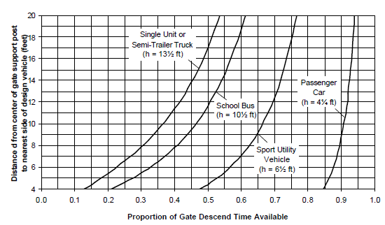

Figure 5 Proportion of gate descent time available as a function of the design vehicle height and the distance from the center of the gate mechanism to the nearest side of the design vehicle. (TXDOT)

 |  |  |  | Page 15 of 17
 |  |  |  | Utah Preemption Form

Back to Form
Back to Form
Line # | Term | Definition | Link
65 | Distance design vehicle must travel to clear DVL, MTCD, & CSD (auto-calc) | The distance, in feet, needed for design vehicle to clear the MTCD and CSD so that vehicles cannot store between the tracks and the traffic signal.
66 | Total time for design vehicle to clear DVL, MTCD, & CSD (auto-calc) | The total time, in seconds, for design vehicle to clear DVL, MTCD, & CSD. This is calculated similarly to time for design vehicle to accelerate through DVCD (see line 12) except that CSD is added to the distance used. See definition line 12 for more information on how this value is calculated.
Back to Form
67 | Total time for design vehicle to clear DVCD (auto-calc) | The time, in seconds, required for the design vehicle to accelerate from a stop and travel the complete design vehicle clearance distance.
Back to Form
68 | Additional TCG time needed for design vehicle to clear CSD (auto-calc) | The extra track clearance green time required so that all vehicles clear CSD as well as DVCD so that no vehicles store between the tracks and the traffic signal. This option should be considered when the CSD does not have enough length to store the design vehicle (i.e. CSD = 45 ft and DVL = 50 ft). This is calculated by subtracting the total time for design vehicle to clear DVCD from the total time for design vehicle to clear DVL, MTCD, & CSD.

 |  |  |  | Page 16 of 17
 |  |  |  | Utah Preemption Form

Section 10: | Remove Track Clearance Green Phase
Remove Track Clearance Green Phase is another optional calculation included in the Utah Preemption Form. If it is decided that the Track Clearance Green Phase should be replaced by extended red time in the calculation, the following definitions should be used:
Line # | Term | Definition | Link
Back to Form
70 | Track Clearance Green Time to be applied as extended red (auto-calc) | Extension of red clearance time that can be used to replace track clearance green time. If it is decided that a track clearance green phase should not be provided for the traffic signal (i.e. queue cutter signals or certain trail crossing signals), this option should be considered.

 |  |  |  | Page 17 of 17

 |  |  |  | Utah Preemption Form

Section 11 | Advance Preemption and Total Approach Time
The last step of the preemption worksheet is calculating the Advance Preemption and Total Approach Time. The following definitions should be used when performing the calculation.
Line # | Term | Definition | Link
Back to Form
42 | Additional Warning time required from railroad (APT) (auto-calc) | The additional time needed, in seconds, beyond the minimum warning time to provided safe preemption for the worst case-scenario at the crossing.
 |  | APT = Maximum Preemption Time – Minimum Warning Time + Additional RWTT from Approach/Conflict Vehicle Clearance (Optional Tab) + Additional TCG to account for design vehicle gate interaction (Optional Tab) + Additional TCG for vehicle to clear CSD (Optional Tab)

Back to Form
Back to Form
43 | Railroad (RR) equipment response time | The amount of time the railroad train detection equipment needs once a train has entered the track circuit before it is acted upon. This value can be set to zero, but is typically between 2 and 5 seconds. This value should be obtained from the Railroad.
44 | Total Approach Time (auto-calc) | The total time needed after train crosses over the approach circuit before the train reaches the crossing to avoid a conflict using the worst-case scenarios. This is calculated by adding the warning time provided by the Railroad to the advance preemption time and equipment response time (TAT=WT + APT+ ERT).

Calculation Summary
 |  | Utah Preemption Form

This page discusses the methods used for calculating each automatic calculation in the sheet. The calculations are called out by line number and worked through step by step.

3. DVL = Design Vehicle Length
This calculation is done when you select your design vehicle on line 14. It automatically enters the value for the design vehicle length entered on line 9, using either the column for Car, SU Truck, Bus, or Semi-Truck, depending on which column on line 14 has been answered "yes" to. For example, if the column for Semi-Truck had a "yes" on line 14 and the value 50 was input on line 9, the DVL would be 50. | 73.5

4. L = Queue Start Up Distance
This calculation is done by adding the CSD (Line 1) to the MTCD (Line 2). | 0

5. DVCD = Design Vehcile Clearance Distance
The design vehicle clearance distance is the sum of the design vehicle length (DVL) and the Minimum Track Clearance Distance (MTCD). This calculation is done by adding the DVL (Line 3) to the MTCD (Line 2) | 73.5

 |  | Page 1 of 15
 |  | Utah Preemption Form

9. DVL = Design Vehicle Length
This calculation looks up design vehicle length information in the AASHTO Designations Table (See AASHTO Designations Tab) based on which vehicle is selected for AASHTO Designation (Line 8).

10. Design Vehicle height
This calculation looks up design vehicle height information in the AASHTO Designations Table (See AASHTO Designations Tab) based on which vehicle is selected for AASHTO Designation (Line 8).

11. Time for design vehicle to start moving
This calculation is done using the formula 2+(L/20). L = Queue Startup Distance (Line 4) | 2.0

12. Time for design vehicle to accelerate through DVCD (Line 5)
The time in seconds for the design vehicle to accelerate thru the DVCD. This is calculated using the 2 interpolations listed below.
A. If DVCD (line 5) is less than 400 and the MTCD grade is 0, the acceleration table tab will be used to linearly interpolate the equation of a line for 4 separate scenarios: one for through passenger cars, one for SU trucks, one for S-BUS 40 and one for WB-50. The graph used to interpolate is shown below.
I. The interpolation for a through passenger car yields | 2.5
II. The interpolation for a SU truck yields | 3.7
III. The interpolation for a S-BUS 40 yields | 5.3
IV. The Interpolation for a WB-50 yields | 11.5
 |  | Page 2 of 15
 |  | Utah Preemption Form

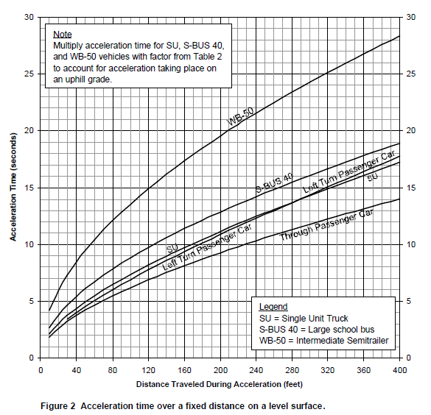
B. If the DVCD is less than 400, but the MTCD grade is greater than 0, a multiplier must be added to the values calculated above. These multipliers come from the table listed below (Grade Table<400) (Always use the larger value for percent grade and acceleration distance if between 2 values).
I. The multiplier applied to the calculation above for a through passenger car yields | 2.5
II. The multiplier applied to the calculation above for a SU truck yields | 3.7
III. The multiplier applied to the calculation above for S-BUS 40 yields | 5.3
IV. The multiplier applied to the calculation for WB-50 yields | 11.5

 |  | Page 3 of 15
 |  | Utah Preemption Form

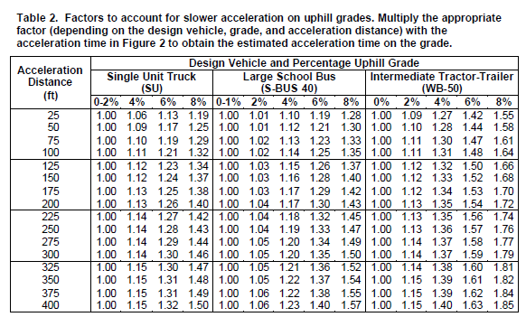
C. If ther DVCD is greater than 400, the following equation must be used to calculated the time to accelerate through the DVCD
$$T=e^{\left[a−b\sqrt{c+\frac{2}{b}∗ln\left(\frac{d}{X}\right)}\right]}$$
Where T = time to accelerate through distance X
X = DVCD
a,b,c, and d = calibration parameters from table below (Grade Table>400).

For each design vehicle, 2 calculations and an interpolation between the two results must be performed in order to get the actual time for the design vehicle to travel through DVCD
I. The calculation for a through passenger car and any MTCD grade yields | N/A

 |  | Page 4 of 15
 |  | Utah Preemption Form

II. The calculation for a SU truck must be split into 2 segemnts and then interpolated.
a. The first calculation for a SU truck at any MTCD grade % yields | N/A
b. The second calculation for a SU truck at any MTCD grade % yields | N/A
c. The interpolation of the two yields | N/A
III. The calculation for a S-BUS 40 must be split into 2 segemnts and then interpolated.
a. The first calculation for a S-BUS 40 at any MTCD grade % yields | N/A
b. The second calculation for a S-BUS 40 at any MTCD grade % yields | N/A
c, the interpolation of the two yields | N/A
IV. II. The calculation for a WB-50 must be split into 2 segemnts and then interpolated.
a. The first calculation for a WB-50 at any MTCD grade % yields | N/A
b. The second calculation for a WB-50 at any MTCD grade % yields | N/A
c, the interpolation of the two yields | N/A

13. Queue Clearance Time
This is calculated by adding time required for design vehicle to start moving (Line 11) to time for design vehicle to accelerate through DVCD (Line 12) for each type of design vehicle.
A. For a through passenger car, the calculation yields | 4.5
B. For a SU truck, the calculation yields | 5.7
C. For a S-BUS 40, the calculation yields | 7.3
C. For a WB-50 truck, the calculation yields | 13.5

17. Preemption Verification and Response Time
This is calculated by adding preempt delay time (Line 15) to controller response time to preempt (Line 17) and yields | 0

22. Worst case conflicting vehicle time
This is calculated by summing min. green service time (Line 19), yellow change time (Line 20), and red clearance time (Line 21) and yields | 0

28. Worst case conflicting pedestrian time
This is calculated by summing min. walk time during right-of-way transfer (Line 24), pedestrian change interval (Line 25), vehicle yellow change interval (Line 26), and vehicle red clearance (Line 27) interval and yields | 0

29. Worst case conflicting vehicle or pedestrian time
This is calculated by taking the maximum of worst-case conflicting vehicle time (Line 22) and worst case conflicting pedestrian time (Line 28) and yields | 0
 |  | Page 5 of 15
 |  | Utah Preemption Form

30. Right-of-way transfer time
This is calculated by adding preempt verification and response time (Line 17) to worst case conflicting vehicle or pedestrian time (Line 29) and yields | 0

31. Queue Clearance Time
Value taken from queue clearance time (Line 13) and rounded up to the nearest whole number. It chooses the value for the design vehicle that is picked for Use as design vehicle? (Line 14). If no vehicles are picked, the value will be 0. | 14.0

32. Track Clearance Green
Calculated one of two ways. If no vehicle-gate interaction or time to clear CSD is used, this value equals the queue clearance time. If vehicle-gate interaction and/or time to clear CSD is used, this is calculated by adding queue clearance (Line 31), additional TCG time to account for design vehicle-gate interaction (Line 63), and additional TCG time needed for design vehicle to clear CSD (Line 68). This calculation yields | 14.0

34. Maximum preemption time
This is calculated by adding right of way transfer time (Line 30), track clearance green time (Line 32), desired minimum separation time (Line 33), and additional RWTT due to Approach/Conflicting Vehicle clearance (Line 51) and yields | 14.0

38. Clearance Time
This is calculated using the following equation:
$CT=\left(MTCD−35 ft\right)$*0.1 sec/ft
CT = Clearance Time
MTCD = Min Track Clearance Distance
This is rounded up to the nearest whole second and yields | 0

39. Minimum Warning Time
This is calculated by adding required minimum time (MT) (Line 37) and clearance time (CT) (Line 38) and yields | 0

41. Total warning time provided by the railroad
This is calculated by summing minimum warning time (MWT) (Line 39) and buffer time (BT) (Line 40) and yields | 14

42. Additional warning time required from railroad
This is calculated by subtracting minimum warning time (MWT) (Line 39) from Maximum preemption time (Line 34) and yields | 0
 |  | Page 6 of 15
 |  | Utah Preemption Form

44. Total Approach Time
This is calculated by adding total warning time provided by the railroad (Line 41), additional warning time required from railroad (Line 42), and RR equipment response time (Line 43) and yields | 14

47. Approach vehicle clearance time
This value is calculated using one of the equations below depending on which design vehicle is selected.
For a through passenger car, use the equation below, which yields. | N/A
$$MAMT=2.46+0.5483∗{\left(line 45\right)}^{0.5463}$$
For a SU truck, use the equation below, which yields | N/A
$$MAMT=2.48+0.6026∗{\left(line 45\right)}^{0.5474}$$
If there is there is a % grade for the MAMD, a mutiplier must be applied to the above calculation which yields | N/A

For a S-BUS 40, use the equation below which yields | N/A
$$MAMT=2.72+0.5333∗{\left(line 45\right)}^{0.5348}$$
If there is a % grade for the MAMD, a multiplier must be applied to the above calculation which yields | N/A

For a WB-50, use the equation below which yields | N/A
$$MAMT=3.99+1.2559∗{\left(line 45\right)}^{0.5188}$$
If there is a % grade for the MAMD, a multiplier must be applied to the above calculation which yields | N/A

 |  | Page 7 of 15
 |  | Utah Preemption Form

50. Conflicting vehicle clearance time
This value is calculated using one of the equations below depending on which design vehicle is selected.
For a through passenger car, use the equation below, which yields. | N/A
$$MCMT=2.46+0.5483∗{\left(line 45+line 3\right)}^{0.5463}$$
For a SU Truck, use the equation below which yields | N/A
$$MCMT=2.48+0.6026∗{\left(line 45+line 3\right)}^{0.5474}$$
If there is a % grade for the MCMD, a multiplier must be applied to the above calculation which yields | N/A

For a S-BUS 40, use the equation below which yields | N/A
$$MCMT=2.72+0.5333∗{\left(line 45+line 3\right)}^{0.5348}$$
If there is a % grade for the MAMD, a multiplier must be applied to the above calculation which yields | N/A

For a WB-50, use the equation below which yields | N/A
$$MCMT=3.99+1.2559∗{\left(line 45+line 3\right)}^{0.5188}$$
If there is a % grade for the MAMD, a multiplier must be applied to the above calculation which yields | N/A

51. Additional RWTT due to Approach/Conflicting Vehicle clearance
This calculation takes the larger of approach vehicle clearance time (Line 47) and Conflicting vehicle clearance time (Line 50) and subtracts right of way transfer time (Line 30). | 0.0

53. Time required for design vehicle to start moving
This is time required for design vehicle to start moving (Line 11). It chooses the value for the design vehicle that is picked for Use as design vehicle? (Line 14) and yields | N/A

 |  | Page 8 of 15
 |  | Utah Preemption Form

54. Time required for design vehicle to accelerate through DVL
This is calculated using the 2 equations listed below.
A. If the MTCD grade is 0, the acceleration table tab will be used to linearly interpolate the equation of a line for 4 separate scenarios: one for through passenger cars, one for SU trucks, one for S-BUS 40 and one for WB-50. The graph used to interpolate is shown below.
I. The interpolation for a through passenger car yields | N/A
II. The interpolation for a SU truck yields | N/A
III. The interpolation for a S-BUS 40 yields | N/A
IV. The Interpolation for a WB-50 yields | N/A

 |  | Page 9 of 15
 |  | Utah Preemption Form

B. If the MTCD grade is greater than 0, a multiplier must be added to the values calculated above. These multipliers come from the table listed below (Grade Table<400) (Always use the larger value for percent grade and acceleration distance if between 2 values).
I. The multiplier applied to the calculation above for a through passenger car yields | N/A
II. The multiplier applied to the calculation above for a SU truck yields | N/A
III. The multiplier applied to the calculation above for S-BUS 40 yields | N/A
IV. The multiplier applied to the calculation for WB-50 yields | N/A

The value that is used for the design vehicle specified in the preemption form yields | 0.0

55. Time required for design vehicle to clear descending gate
This calculation adds right of way transfer time (Line 30), time required for design vehicle to start moving (Line 53), and time required for design vehicle to accelerate thru DVL (Line 52) and yields | N/A
 |  | Page 10 of 15
 |  | Utah Preemption Form

56. Duration of flashing lights before gate-descent starts
This is the value of Duration of flashing lights before gate descent starts (Line 35) and yields | 0.0

57. Full gate descent time
This is the value of full gate descent time (Line 36) and yields | 0.0

59. Proportion of non-gate interaction descent time
For this calculation the Gate-Interaction Table tab will be used to linearly interpolate the equation of a line for 4 separate scenarios: one for through passenger cars, one for SU trucks, one for S-BUS 40 and one for WB-50. The graph used to interpolate is shown below. The value of line 56 must be between 4 ft and 20 ft because the graph only includes distances within that range.

I. The interpolation for a through passenger car yields | N/A
II. The interpolation for a SU truck yields | N/A
III. The interpolation for a S-BUS 40 yields | N/A
IV. The Interpolation for a WB-50 yields | N/A

The value that is used for the design vehicle specified in the preemption form yields | N/A

 |  | Page 11 of 15
 |  | Utah Preemption Form

60. Non-interaction gate descent time
This is the multiplication of full gate descent time (Line 57) and proportion of non-gate interaction descent time (Line 59) and yields | N/A

61. Time available for design vehicle to clear descending gates
This calculation adds duration of flashing lights before gate descent starts (Line 56) and Non-interaction gate descent time (Line 60) and yields | N/A

62. Advance preemption time to avoid design-vehicle gate interaction
This calculation subtracts time available for design vehicle to clear descending gates (Line 61) from time required for design vehicle to clear descending gate (Line 55) and yields | N/A

63. Additional TCG time to account for design vehicle-gate interaction (sec)
This is calculated by subtracting maximum preemption time (Line 34) and minimum warning time (Line 39) from advance preemption to avoid design vehicle-gate interaction (Line 62) and yields | 0.0

65. Distance design vehicle must travel to clear DVL, MTCD, & CSD
This is calculated by adding Clear Storage Distance (Line 1), Minimum Track Clearance Distance (Line 2), & Design Vehicle Length (Line 3) and yields | 73.5

66. Time for design vehicle to accelerate through CSD
The time in seconds for the design vehicle to accelerate thru the DVCD. This is calculated using the 2 interpolations listed below.
A. If DVCD (line 5) is less than 400 and the MTCD grade is 0, the acceleration table tab will be used to linearly interpolate the equation of a line for 4 separate scenarios: one for through passenger cars, one for SU trucks, one for S-BUS 40 and one for WB-50. The graph used to interpolate is shown below.
I. The interpolation for a through passenger car yields | 2.5
II. The interpolation for a SU truck yields | 3.7
III. The interpolation for a S-BUS 40 yields | 5.3
IV. The Interpolation for a WB-50 yields | 11.5
 |  | Page 12 of 15
 |  | Utah Preemption Form

B. If the DVCD is less than 400, but the MTCD grade is greater than 0, a multiplier must be added to the values calculated above. These multipliers come from the table listed below (Grade Table<400) (Always use the larger value for percent grade and acceleration distance if between 2 values).
I. The multiplier applied to the calculation above for a through passenger car yields | 2.5
II. The multiplier applied to the calculation above for a SU truck yields | 3.7
III. The multiplier applied to the calculation above for S-BUS 40 yields | 5.3
IV. The multiplier applied to the calculation for WB-50 yields | 11.5

 |  | Page 13 of 15
 |  | Utah Preemption Form

C. If ther DVCD is greater than 400, the following equation must be used to calculated the time to accelerate through the DVCD
$$T=e^{\left[a−b\sqrt{c+\frac{2}{b}∗ln\left(\frac{d}{X}\right)}\right]}$$
Where T = time to accelerate through distance X
X = DVCD
a,b,c, and d = calibration parameters from table below (Grade Table>400).

 |  | Page 14 of 15
 |  | Utah Preemption Form

For each design vehicle, 2 calculations and an interpolation between the two results must be performed in order to get the actual time for the design vehicle to travel through DVCD
I. The calculation for a through passenger car and any MTCD grade yields | N/A
II. The calculation for a SU truck must be split into 2 segemnts and then interpolated.
a. The first calculation for a SU truck at any MTCD grade % yields | N/A
b. The second calculation for a SU truck at any MTCD grade % yields | N/A
c. The interpolation of the two yields | N/A
III. The calculation for a S-BUS 40 must be split into 2 segemnts and then interpolated.
a. The first calculation for a S-BUS 40 at any MTCD grade % yields | N/A
b. The second calculation for a S-BUS 40 at any MTCD grade % yields | N/A
c. The interpolation of the two yields | N/A
IV. The calculation for a WB-50 must be split into 2 segemnts and then interpolated.
a. The first calculation for a WB-50 at any MTCD grade % yields | N/A
b. The second calculation for a WB-50 at any MTCD grade % yields | N/A
c. The interpolation of the two yields | N/A

The final value for the design vehicle chosen on line 14 is as follows | N/A

67. Total time for design vehicle to clear DVCD
Value taken from time for design vehicle to accelerate through DVCD (Line 12) and rounded up to the nearest whole number. It chooses the value for the design vehicle that is picked for Use as design vehicle? (Line 14). If no vehicles are picked, the value will be 0. | N/A

68. Additional TCG time needed for design vehicle to clear CSD
This is calculated by subtracting 67. Total time for design vehicle to clear DVCD (Line 67) from Total time for design vehicle to clear DVL, MTCD, & CSD (Line 66) and yields: | 0.0

70. Track Clearance Green Time to be applied as extended red
This is calculated by removing Track Clearance Green Time (Line 32) and applying it as extended red time (Line 70) and yields: | N/A
 |  | Page 15 of 15

Preemption Form Exhibit
 |  |  |  |  |  |  |  |  | Utah Preemption Form - Preemption Calculation Comparison Exhibit
Crossing Name: |  | DOT #: |  | Railroad Owner/Operator: |  |  | Railroad Contact No.: | (800) 848-8715

Highway Authority: | City: |  | UDOT Signal No.: |  | 7051 | UDOT Contact No.:
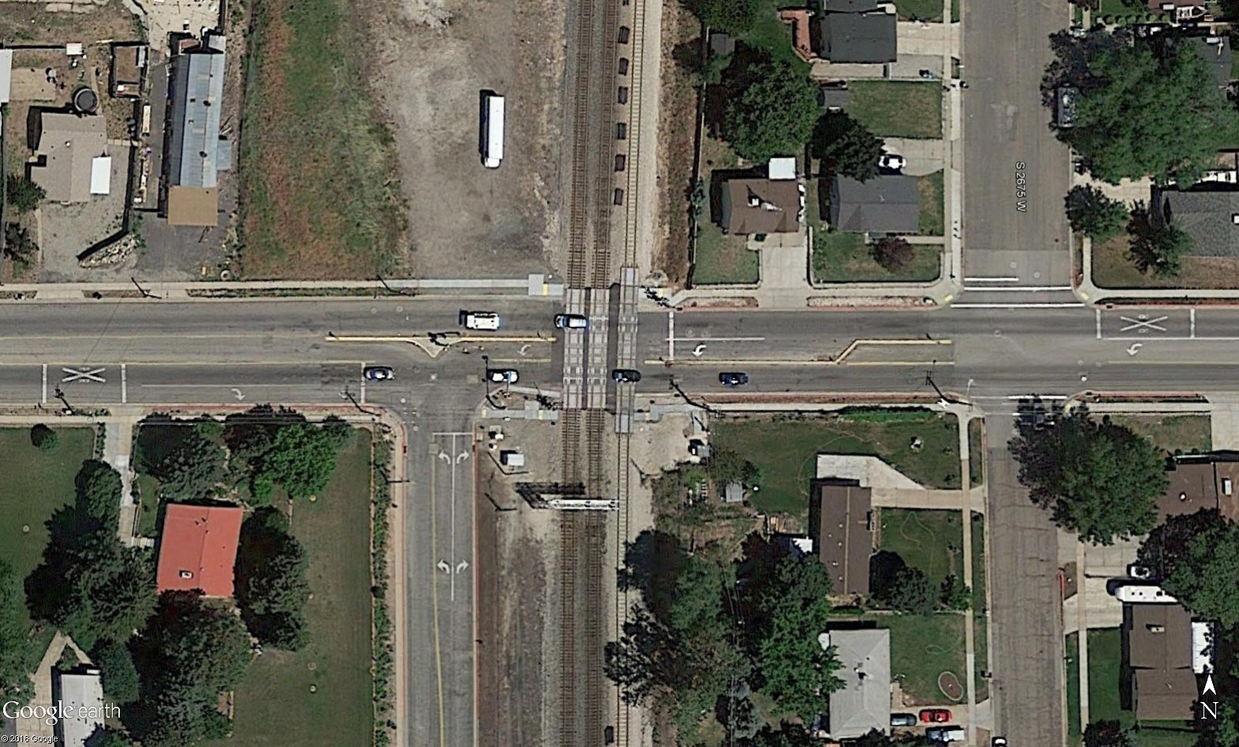

Traffic Signal Timing During RR Preemption
UDOT Form Values 1/0/00
0 sec
14 sec
Preempt Delay
TCG
0 sec
20 sec
Existing 1/1/00
Min Green
0 sec
0 sec
Yellow Change Time*
0 sec
6 sec
Red Clearance Time*
0 sec
2 sec
0 sec
0 sec
Ped Clearance Time
0 sec
3 sec
ROW Transfer Time
0 sec
11 sec
Min Walk Time
*UDOT Preemption Form rounds this value up to the nearest whole number.

Railroad Preemption Time Summary
UDOT Form Values 1/0/00
0 sec
0 sec
0 sec
0 sec
0 sec
Minimum Time
Clearance Time
Buffer Time
Total Warning Time
Equipment Response Time
Advance Preemption Time
Total Approach Time
Existing 6/1/16
Minimum Warning Time
0 sec
14 sec
14 sec
20 sec
3 sec
23 sec
5 sec
28 sec
5 sec
33 sec

Comments:

Controller Cabinet Exhibit
 |  |  |  |  |  |  |  |  | Utah Preemption Form - Traffic Signal Cabinet Exhibit
Crossing Name: |  | DOT #: |  | Railroad Owner/Operator: |  |  | Railroad Contact No.: | (800) 848-8715

Highway Authority: | City: |  | UDOT Signal No.: |  | 7051 | UDOT Contact No.:

Traffic Signal Timing During RR Preemption
Preempt Delay
TCG
-
0 sec
1/1/00
Min Green
Yellow Change Time
0 sec
Red Clearance Time
6 sec
2 sec
Ped Clearance Time
0 sec
ROW Transfer Time
3 sec
Min Walk Time
TCG Phase
20 sec
Min Dwell
3,8
Exit Phases
0 sec
Preempt Extension
4,7
Implemented By
11 sec
Implemented On
Calcs Prepared On
-
Calcs Prepared By
-

Railroad Preemption Time Summary
20 sec
3 sec
23 sec
5 sec
28 sec
Minimum Time
Clearance Time
Buffer Time
Total Warning Time
Equipment Response Time
Advance Preemption Time
Total Approach Time
Minimum Warning Time
5 sec
33 sec
6/1/16

Comments:

