Inspection Form Template
Railway Orientation: |  |  |  |  |  |  | E-W |  |  | RailD1: |  |  | E | RailD2: |  |  | W | RoadD1: |  |  | N | RoadD2: |  |  | S |  | Xing ID: |  |  | List of Crossings |  | Road Name: |  |  |  | Data Source:

 |  |  |  |  |  |  |  |  |  |  |  |  |  |  |  |  |  |  |  |  |  |  |  |  |  |  |  |  |  |  |  | Design Vehicle
 |  |  |  |  |  |  |  |  |  |  |  |  |  |  |  |  |  |  |  |  |  |  |  |  |  |  |  |  |  |  |  | Passenger Cars, Vans and Pickups (P) | 5.6
 |  |  |  |  |  |  |  |  |  |  |  |  |  |  |  |  |  |  |  |  |  |  |  |  |  |  |  |  |  |  |  | Light Single-Unit Trucks | 6.4
 |  |  |  |  |  |  |  |  |  |  |  |  |  |  |  |  |  |  |  |  |  |  |  |  |  |  |  |  |  |  |  | Medium Single-Unit Trucks | 10
 |  |  |  |  |  |  |  |  |  |  |  |  |  |  |  |  |  |  |  |  |  |  |  |  |  |  |  |  |  |  |  | Heavy Single-Unit Trucks | 11.5
 |  |  |  |  |  |  |  |  |  |  |  |  |  |  |  |  |  |  |  |  |  |  |  |  |  |  |  |  |  |  |  | WB-19 Tractor Semitrailers | 20.7
FIELD DATA FORMS |  |  |  |  |  |  |  |  |  |  |  |  |  |  |  |  |  |  |  |  |  |  |  |  |  |  |  |  |  |  |  | WB-20 Tractor Semitrailers | 22.7
 |  |  |  |  |  |  |  |  |  |  |  |  |  |  |  |  |  |  |  |  |  |  |  |  |  |  |  |  |  |  |  | A-Train Doubles (ATD) | 24.5

 |  |  |  |  |  |  |  |  |  |  |  |  |  |  |  |  |  |  |  |  |  |  |  |  |  |  |  |  |  |  |  | B-Train Doubles (BTD) | 25
 |  |  |  |  |  |  |  |  |  |  |  |  |  |  |  |  |  |  |  |  |  |  |  |  |  |  |  |  |  |  |  | Standard Single Unit Buses (B-12) | 12.2
 |  |  |  |  |  |  |  |  |  |  |  |  |  |  |  |  |  |  |  |  |  |  |  |  |  |  |  |  |  |  |  | Articulated Buses (A-BUS) | 18.3
 |  |  |  |  |  |  |  |  |  |  |  |  |  |  |  |  |  |  |  |  |  |  |  |  |  |  |  |  |  |  |  | Intercity Buses (I-BUS) | 14
 |  |  |  |  |  |  |  |  |  |  |  |  |  |  |  |  |  |  |  |  |  |  |  |  |  |  |  |  |  |  |  | Pedestrian/Cyclist | 0

 |  |  |  |  |  |  |  |  |  |  |  |  |  |  |  |  |  |  |  |  |  |  |  |  |  |  |  |  |  |  |  | Road Speed | SSD (car) | SSD (truck) | Recommended SSD
 |  |  |  |  |  |  |  |  |  |  |  |  |  |  |  |  |  |  |  |  |  |  |  |  |  |  |  |  |  |  |  | 10 | 8 | 10
Active Public Crossings |  |  |  |  |  |  |  |  |  |  |  |  |  |  |  |  |  |  |  |  |  |  |  |  |  |  |  |  |  |  |  | 20 | 20 | 25
 |  |  |  |  |  |  |  |  |  |  |  |  |  |  |  |  |  |  |  |  |  |  |  |  |  |  |  |  |  |  |  | 30 | 30 | 45
 |  |  |  |  |  |  |  |  |  |  |  |  |  |  |  |  |  |  |  |  |  |  |  |  |  |  |  |  |  |  |  | 40 | 45 | 70 | 100
 |  |  |  |  |  |  |  |  |  |  |  |  |  |  |  |  |  |  |  |  |  |  |  |  |  |  |  |  |  |  |  | 50 | 65 | 110 | 125
 |  |  |  |  |  |  |  |  |  |  |  |  |  |  |  |  |  |  |  |  |  |  |  |  |  |  |  |  |  |  |  | 60 | 85 | 130 | 160
 |  |  |  |  |  |  |  |  |  |  |  |  |  |  |  |  |  |  |  |  |  |  |  |  |  |  |  |  |  |  |  | 70 | 110 | 180 | 195
 |  |  |  |  |  |  |  |  |  |  |  |  |  |  |  |  |  |  |  |  |  |  |  |  |  |  |  |  |  |  |  | 80 | 140 | 210 | 235
 |  |  |  |  |  |  |  |  |  |  |  |  |  |  |  |  |  |  |  |  |  |  |  |  |  |  |  |  |  |  |  | 90 | 170 | 265 | 295
 |  |  | NOTE: The safety assessment of this grade crossing covers physical features which may affect road and rail user safety, and identifies potential safety hazards. However, the auditors point out that no guarantee is made that every deficiency has been identified. Further, if all of the recommendations in this assessment were to be addressed, this would not confirm that the crossing is ‘safe’, rather, adoption of the recommendations should improve the level of safety at this facility. |  |  |  |  |  |  |  |  |  |  |  |  |  |  |  |  |  |  |  |  |  |  |  |  |  |  |  |  | 100 | 210 | 330 | 360
 |  |  |  |  |  |  |  |  |  |  |  |  |  |  |  |  |  |  |  |  |  |  |  |  |  |  |  |  |  |  |  | 110 | 250 | 360 | 390

 |  |  |  |  |  |  |  |  |  |  |  |  |  |  |  |  |  |  |  |  |  |  |  |  |  |  |  |  |  |  |  | Road Classification
 |  |  |  |  |  |  |  |  |  |  |  |  |  |  |  |  |  |  |  |  |  |  |  |  |  |  |  |  |  |  |  | RLU | Rural Local Undivided | 2%
 |  |  |  |  |  |  |  |  |  |  |  |  |  |  |  |  |  |  |  |  |  |  |  |  |  |  |  |  |  |  |  | RCU | Rural Collector Undivided | 1%
 |  |  |  |  |  |  |  |  |  |  |  |  |  |  |  |  |  |  |  |  |  |  |  |  |  |  |  |  |  |  |  | RCD | Rural Collector Divided | 1%
 |  |  |  |  |  |  |  |  |  |  |  |  |  |  |  |  |  |  |  |  |  |  |  |  |  |  |  |  |  |  |  | RAU | Rural Arterial Undivided | 0%
 |  |  |  |  |  |  |  |  |  |  |  |  |  |  |  |  |  |  |  |  |  |  |  |  |  |  |  |  |  |  |  | RAD | Rural Arterial Divided | 0%
 |  |  |  |  |  |  |  |  |  |  |  |  |  |  |  |  |  |  |  |  |  |  |  |  |  |  |  |  |  |  |  | RFD | Rural Freeway Divided | -
 |  |  |  |  |  |  |  |  |  |  |  |  |  |  |  |  |  |  |  |  |  |  |  |  |  |  |  |  |  |  |  | ULU | Urban Local Undivided | 3%
 |  |  |  |  |  |  |  |  |  |  |  |  |  |  |  |  |  |  |  |  |  |  |  |  |  |  |  |  |  |  |  | UCU | Urban Collector Undivided | 2%
 |  |  |  |  |  |  |  |  |  |  |  |  |  |  |  |  |  |  |  |  |  |  |  |  |  |  |  |  |  |  |  | UCD | Urban Collector Divided | 2%
 |  |  |  |  |  |  |  |  |  |  |  |  |  |  |  |  |  |  |  |  |  |  |  |  |  |  |  |  |  |  |  | UAU | Urban Arterial Undivided | 0%
 |  |  |  |  |  |  |  |  |  |  |  |  |  |  |  |  |  |  |  |  |  |  |  |  |  |  |  |  |  |  |  | UAD | Urban Arterial Divided | 0%
 |  |  |  |  |  |  |  |  |  |  |  |  |  |  |  |  |  |  |  |  |  |  |  |  |  |  |  |  |  |  |  | N/A | Private Road | N/A
 |  |  |  |  |  |  |  |  |  |  |  |  |  |  |  |  |  |  |  |  |  |  |  |  |  |  |  |  |  |  |  | N/A | Pedestrian Crossing | N/A

Sheet 1 |  |  |  |  | Grade Crossing Safety Assessment |  |  |  |  |  |  |  |  |  |  |  |  |  |  |  |  |  |  |  |  |  |  | Active Crossings

Date of Assessment:

Assessment Team Members & Affiliations:

Reason for Assessment:

Railway Company: |  |  |  |  |  |  |  |  |  |  |  |  |  |  |  |  |  | Road Authority:

Crossing Location: |  |  |  |  |  |  |  |  |  |  |  |  |  |  |  |  |  | Municipality:

Location Number: |  |  |  |  |  |  |  |  |  |  |  |  |  |  |  |  |  | Road Name:

Subdivision: |  |  |  |  |  |  |  |  |  |  |  | Mile: |  |  |  |  |  | Road Number:

Spur: |  |  |  |  |  |  |  |  |  |  |  | Mile: |  |  |  |  |  | Province:

Type of Crossing: |  |  |  |  |  |  |  |  |  |  |  |  |  |  |  |  |  | Location Reference:

Type of Protection: |  |  |  |  |  |  | Active - FLBG |  |  |  |  |  |  |  |  |  |  | Road Classification:

Track Type: |  |  |  |  |  |  | Other |  |  |  |  |  |  |  |  |  |  | Latitude:

 |  |  |  |  |  |  |  |  |  |  |  |  |  |  |  |  |  | Longitude:

Collision History (5-year period):

 |  |  | Property Damage Collisions:
 |  | + | Personal Injury Collisions: |  |  |  |  |  |  |  |  |  |  |  |  |  |  | Number of Persons Injured:
 |  | + | Fatal Injury Collisions: |  |  |  |  |  |  |  |  |  |  |  |  |  |  | Number of Persons Killed:
 |  | = | Total Collisions in the last 5 year period:

Details of Collisions:

Sheet 2 |  |  |  |  | SCENE SKETCH |  |  |  |  |  |  |  |  |  |  |  |  |  |  |  |  |  |  |  |  |  |  | Active Crossings

NOTE: All references to direction in this safety review are keyed to this diagram.

Sheet 3 |  |  |  |  | GENERAL INFORMATION |  |  |  |  |  |  |  |  |  |  |  |  |  |  |  |  |  |  |  |  |  |  | Active Crossings

Source |  |  | Item |  |  |  |  |  |  |  |  |  |  |  |  |  |  |  |  |  |  |  |  |  |  |  |  |  | Reference

Rail |  |  | Railway Design Speed, VT (mph) |  |  |  |  |  |  |  |  |  |  |  |  |  | = |  |  | mph |  | = | No Value |  |  | km/h
 |  |  | Maximum Freight Railway Operating Speed (mph)
 |  |  | Maximum Passenger Railway Operating Speed (mph)
Rail |  |  | Daily Train Volume |  |  |  |  |  |  | Freight trains/day:
 |  |  |  |  |  |  |  |  |  | Passenger trains/day:
 |  |  |  |  |  |  |  |  |  | Total trains/day:
Rail |  |  | Number of Tracks
Rail |  |  | Train Switching within Crossing Approaches?

Road T |  |  | Road Crossing Design Speed |  |  |  |  |  |  |  | = |  |  | km/h
Road T |  |  | Road Posted Speed |  |  |  |  |  |  |  | = |  |  | km/h
Road |  |  | Average Annual Daily Traffic, AADT |  |  |  |  |  |  |  |  |  | = |  |  |  | vpd |  | Year of Count:
Road |  |  | Forecasted AADT |  |  |  |  |  | = |  |  |  |  | Forecast Year:
Road |  |  | Pedestrian Volume |  |  |  |  | = |  |  |  | pedestrians/day
Road |  |  | Cyclist Volume |  |  |  |  | = |  |  |  | cyclists/day
Road T |  |  | No. of Traffic Lanes |  |  |  |  |  |  | Northbound / Eastbound
 |  |  |  |  |  |  |  |  |  | Southbound / Westbound
 |  |  |  |  |  |  |  |  |  | Bidirectional
 |  |  |  |  |  |  |  |  |  | Total
Road T |  |  | Does grade crossing include sidewalk, path, or trail?
Road T |  |  | Regular use of crossing by persons with Assistive Devices?
Road |  |  | High seasonal fluctuation in volumes?
Road T |  |  | Is crossing on a School Bus Route?
Road T |  |  | Do Dangerous Goods Trucks use this roadway?
Road T |  |  | Other special road users? |  |  |  |  |  |  |  | Type: |  |  |  |  |  |  |  | Daily Volume:

Observe |  |  | Surrounding Land Use: |  |  |  |  |  |  |  |  |  |  |  |  |  |  |  |  |  |  | Urban/rural? |  |  |  | No Value
Observe |  |  | Any schools, retirement homes, etc. nearby?

Observe |  |  | Roadway Illumination?
Notes:
T indicates information should be confirmed by field observation
1. Road Authority should provide plans if available.
2. Forecast AADT until next assessment if significant developments are expected or if a planned bypass may reduce volumes.
3. Daily Train Volume, Average Annual Daily Traffic (AADT), Maximum Railway Operating Speed, Road Crossing Design Speed obtained from Transport Canada Grade Crossing Inventory

Comments Regarding General Information

 |  |  |  |  |  |  |  |  |  |  |  |  |  |  |  |  |  |  |  |  |  |  |  |  |  |  |  |  |  | Number of tracks at the crossing

GCS Section 10

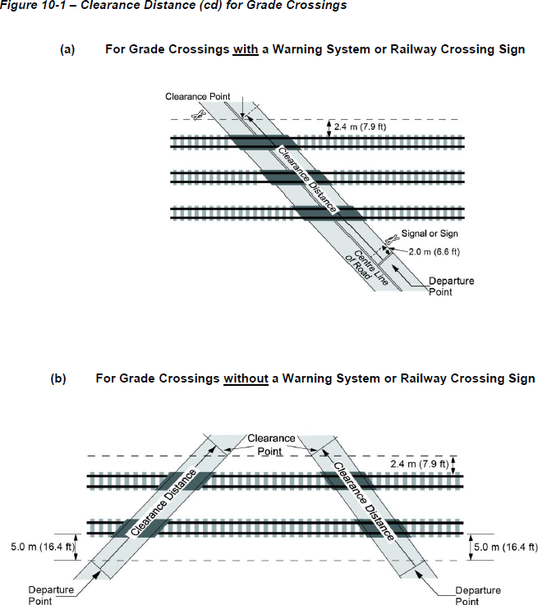
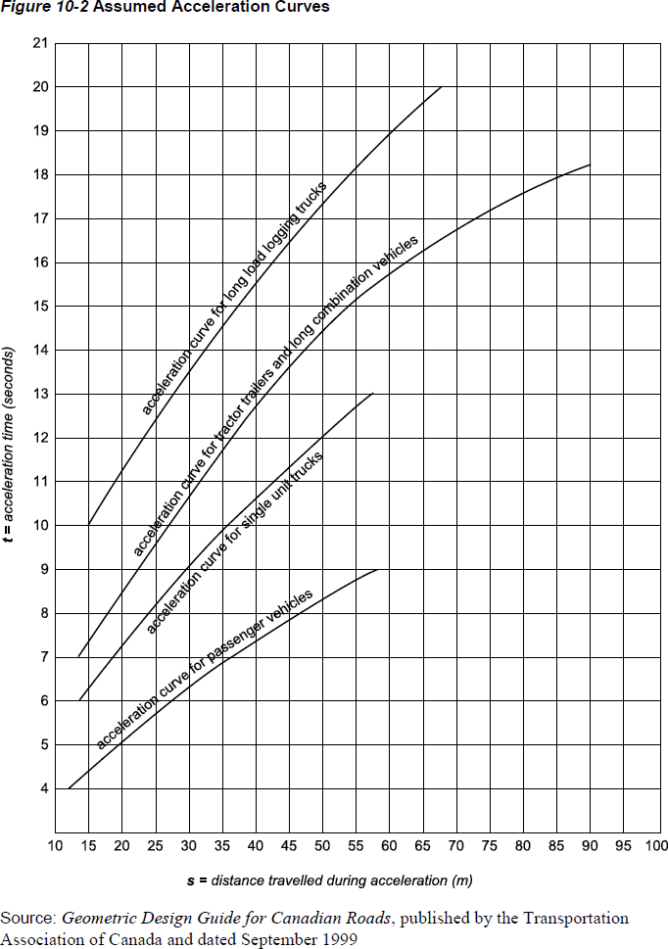

Sheet 4 |  |  |  |  | DESIGN CONSIDERATIONS |  |  |  |  |  |  |  |  |  |  |  |  |  |  |  |  |  |  |  |  |  |  | GCS Section 10

Source |  |  | Item |  |  |  |  |  |  |  |  |  |  |  |  |  |  |  |  |  |  |  |  |  |  |  |  |  | Reference
 |  |  | Design Vehicle
Rail |  |  |  |  | Type: |  |  |  |  |  |  |  |  |  |  |  |  |  |  |  |  |  |  |  |  |  |  |  | Sect. 10.3.1
look-up |  |  |  |  | Length, L |  |  |  | = | No Value |  |  |  | m |  | Class |  |  | = | No Value

measure |  |  | Clearance Distance, cd |  |  |  |  |  |  |  |  |  |  | = |  |  |  |  | m |  |  |  |  |  |  |  |  |  | Fig. 10-1
calculate |  |  | Vehicle Travel Distance, S = L + cd |  |  |  |  |  |  |  |  |  |  | = | No Value |  |  |  | m |  |  |  |  |  |  |  |  |  | Sect. 10.2.1

calculate |  |  | Vehicle Departure Time, TD = J + T |  |  |  |  |  |  |  |  |  |  | = | No Value |  |  |  | sec |  |  |  |  |  |  |  |  |  | Sect. 10.3.2
look-up |  |  |  |  |  | J | = | 2 |  |  | sec |  | = driver's reaction time
calculate |  |  |  | T = (t x G) |  |  | = | No Value |  |  | sec |  | = the time for the design vehicle to travel through S
look-up |  |  |  |  |  | t | = | No Value |  |  | sec |  | = the time for the design vehicle to accelerate through S |  |  |  |  |  |  |  |  |  |  |  |  |  |  |  | GDG Fig. 2.3.3.3
measure |  |  |  |  |  |  |  |  |  |  | % |  | = maximum approach grade within S
look-up |  |  |  |  |  | G | = | No Value |  |  |  |  | = ratio of acceleration time on grade/grade adjustment factor |  |  |  |  |  |  |  |  |  |  |  |  |  |  |  | GDG T2.3.3.2

observe |  |  | Do field acceleration times exceed TD? (Anything that might affect stopping or acceleration. Comment.)
 |  |  | Pedestrian, Cyclist & Assistive Devices Departure Time, TP = cd/VP
measure |  |  |  |  | cd |  |  | = |  |  |  |  | m
look-up |  |  |  |  | VP |  |  | = | 1.22 |  |  |  | m/s |  | (maximum 1.22 m/s)
calculate |  |  |  |  | TP |  |  | = | No Value |  |  |  | sec

 |  |  | For Adjacent Track Interconnected Highway-Rail Grade Crossing Warning Systems Separated by 30 m (100 ft) to 60 m (200 ft) |  |  |  |  |  |  |  |  |  |  |  |  |  |  |  |  |  |  |  |  |  |  |  |  |  | AREMA C&S Manual 3.1.11

measure |  |  | Separation Distance between adjacent tracks |  |  |  |  |  |  |  |  |  |  |  |  |  |  |  |  | m
measure |  |  | Adjacent Track Clearance Distance |  |  |  |  |  |  |  |  |  |  |  |  |  |  |  |  | m
calculate |  |  | Adjacent Track Clearance Time |  |  |  |  |  |  |  |  |  |  |  | No Value |  |  |  |  | sec

Comments Regarding Design Parameters

GCS Section 11

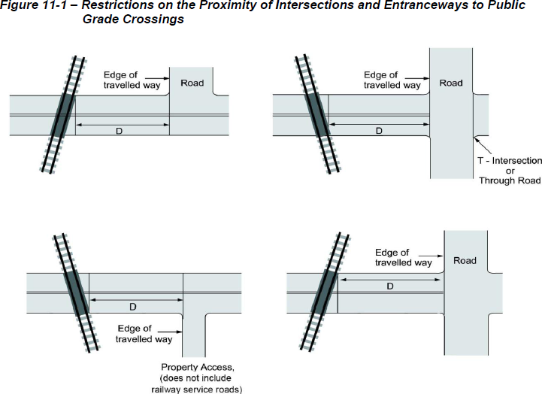

 |  |  |  |  |  |  |  |  |  |  |  |  |  |  |  |  |  |  |  |  |  |  |  |  |  |  |  |  |  | ttrailer
 |  |  |  |  |  |  |  |  |  |  |  |  |  |  |  |  |  |  |  |  |  |  |  |  |  |  |  |  |  | ttruck
 |  |  |  |  |  |  |  |  |  |  |  |  |  |  |  |  |  |  |  |  |  |  |  |  |  |  |  |  |  | tcar
 |  |  |  |  |  |  |  |  |  |  |  |  |  |  |  |  |  |  |  |  |  |  |  |  |  |  |  |  |  | t

Sheet 5 |  |  |  |  | LOCATION OF GRADE CROSSING |  |  |  |  |  |  |  |  |  |  |  |  |  |  |  |  |  |  |  |  |  |  | GCS Section 11

Source |  |  | Item |  |  |  |  |  |  |  |  |  |  |  |  |  |  |  |  |  |  |  |  |  |  |  |  |  | Reference

measure |  |  | "D" should not be less than 30m for either approach if train speed exceeds 15 mph. (measured in m) |  |  |  |  |  |  |  |  |  |  |  |  |  |  |  |  |  |  |  |  |  |  |  |  |  | Sect 11.1 Fig. 11-1
 |  |  | "D" (intersection with stop sign) |  |  |  |  |  |  |  |  |  |  |  |  | N Road Approach |  |  |  |  |  |  |  | S RoadApproach
 |  |  | "D" (signalized intersection) |  |  |  |  |  |  |  |  |  |  |  |  | N Road Approach |  |  |  |  |  |  |  | S Road Approach
 |  |  | "D" (other intersection/driveway/crosswalk) |  |  |  |  |  |  |  |  |  |  |  |  | N Road Approach |  |  |  |  |  |  |  | S Road Approach
observe |  |  | Is "D" insufficient such that road vehicles might queue onto the tracks?
 |  |  | Is "D" insufficient such that road vehicles turning from a side street might not see warning devices for the crossing?

observe |  |  | Are there pedestrian crossings on either road approach that could cause vehicles to queue back to the tracks?

Comments Following Site Visit:

GCS Section 5

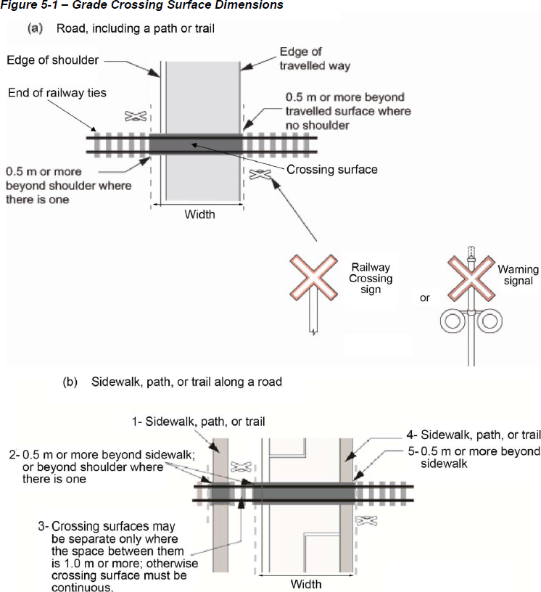

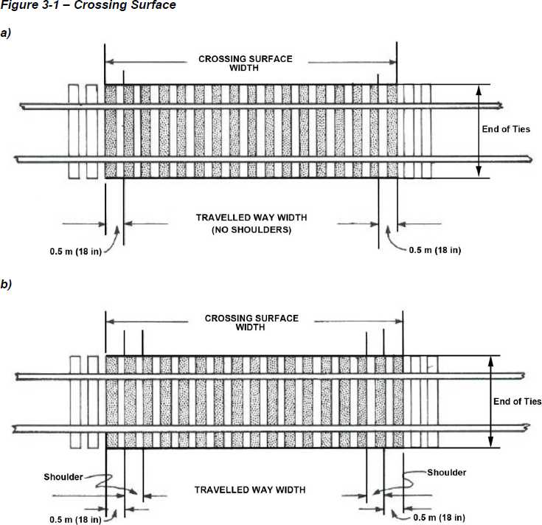
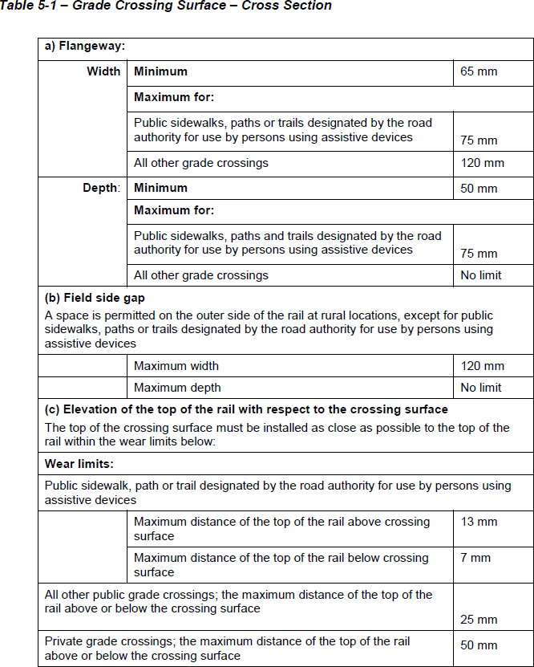

Sheet 6 |  |  |  |  | GRADE CROSSING SURFACE |  |  |  |  |  |  |  |  |  |  |  |  |  |  |  |  |  |  |  |  |  |  | GCS Section 3, 5

Source |  |  | Item |  |  |  |  |  |  |  |  |  |  |  |  |  |  |  |  |  |  |  |  |  |  |  |  |  | Reference
observe |  |  | Is the crossing smooth enough to allow road vehicles, pedestrians, cyclists and other road users to cross at their normal speed without consequence? Comment below. |  |  |  |  |  |  |  |  |  |  |  |  |  |  |  |  |  |  |  |  |  |  |  |  |  | Sect. 5.1

observe |  |  | Grade Crossing Surface Material:
 |  |  | Grade Crossing Surface Condition:
observe |  |  | Approach Road Surface Type:
 |  |  | Approach Road Surface Condition:
measure |  |  | Road Crossing Surface Width |  |  |  |  |  |  |  |  | = |  |  |  | m |  |  |  |  |  |  |  |  |  |  |  |  | Fig. 3-1 Fig. 5-1
 |  |  | Centre Lane/Median Width
 |  |  |  |  | = |  |  |  | m
 |  |  | Travelled Way Width
 |  |  |  |  | = |  |  |  | m on N Road Approach |  |  |  |  |  |  | = |  |  |  | m on S Road Approach
 |  |  | Paved Shoulder Width
 |  |  |  |  | = |  |  |  | m on E Rail Approach |  |  |  |  |  |  | = |  |  |  | m on W Rail Apporach
 |  |  | Surface Extension beyond Travel Lanes/Shoulder
 |  |  |  |  | = |  |  |  | m on E Rail Approach |  |  |  |  |  |  | = |  |  |  | m on W Rail Approach
 |  |  | Distance between Travel Lane/Shoulder and Sidewalk/Path/Trail
 |  |  |  |  | = |  |  |  | m on E Rail Approach |  |  |  |  |  |  | = |  |  |  | m on W Rail Approach
 |  |  | Sidewalk/Path/Trail Width
 |  |  |  |  | = |  |  |  | m on E Rail Approach |  |  |  |  |  |  | = |  |  |  | m on W Rail Approach
 |  |  | Surface Extension beyond Sidewalk/Path/Trail
 |  |  |  |  | = |  |  |  | m on E Rail Approach |  |  |  |  |  |  | = |  |  |  | m on W Rail Apporach

 |  |  | Cross-Section:
Rail |  |  | Flangeway width |  |  |  |  | = |  |  | mm |  |  | (min. = 65 mm; max. = 75 mm1 or 120 mm) |  |  |  |  |  |  |  |  |  |  |  |  |  |  | Table 5-1
Rail |  |  | Flangeway depth |  |  |  |  | = |  |  | mm |  |  | (min. = 50 mm; max. = 75 mm1 or no limit) |  |  |  |  |  |  |  |  |  |  |  |  |  |  | Table 5-1

Rail |  |  | Field Side Gap width |  |  |  |  |  | = |  |  | mm |  |  | (max. = 120 mm or 0 mm1) |  |  |  |  |  |  |  |  |  |  |  |  |  | Table 5-1
Rail |  |  | Field Side Gap depth |  |  |  |  |  | = |  |  | mm |  |  | (max. = no limit or 0 mm1) |  |  |  |  |  |  |  |  |  |  |  |  |  | Table 5-1

Rail |  |  | Elevation of Top Rail above road surface |  |  |  |  |  |  |  |  |  |  | = |  |  | mm |  | (max. = 13 mm1 or 25 mm) |  |  |  |  |  |  |  |  |  | Table 5-1
Rail |  |  | Elevation of Top Rail below road surface |  |  |  |  |  |  |  |  |  |  | = |  |  | mm |  | (min. = -7 mm1 or -25 mm) |  |  |  |  |  |  |  |  |  | Table 5-1
1. Public sidewalks, paths or trails designated by the road authority for use of persons using assistive devices

Comments Following Site Visit:

Sheet 7 |  |  |  |  | ROAD GEOMETRY |  |  |  |  |  |  |  |  |  |  |  |  |  |  |  |  |  |  |  |  |  |  | GCS Section 6

Source |  |  | Item |  |  |  |  |  |  |  |  |  |  |  |  |  |  |  |  |  |  |  |  |  |  |  |  |  | Reference
observe |  |  | Are the horizontal and vertical alignments smooth and continuous throughout SSD? |  |  |  |  |  |  |  |  |  |  |  |  |  |  |  |  |  |  |  |  |  |  |  |  |  | Sect. 6.1
 |  |  | N Road Approach |  |  |  |  |  |  |  |  |  |  |  | S Road Approach
observe |  |  | Are the road lanes and shoulders at least the same width on the crossing as on the road approaches? |  |  |  |  |  |  |  |  |  |  |  |  |  |  |  |  |  |  |  |  |  |  |  |  |  | Sect. 6.4
 |  |  | N Road Approach |  |  |  |  |  |  |  |  |  |  |  | S Road Approach
 |  |  | Grades:
measure |  |  | Road Approach Grades |  |  |  |  |  |  |  |  |  |  |  |  |  |  |  |  |  |  |  |  |  |  |  |  |  | Sect. 6.3
 |  |  | Within 8m |  |  |  |  |  |  |  |  | N Road Approach |  |  |  |  |  |  |  | S Road Approach |  |  |  |  | (max. = 2%)
 |  |  | Between 8m to 18m |  |  |  |  |  |  |  |  | N Road Approach |  |  |  |  |  |  |  | S Road Approach |  |  |  |  | (max. = 5%)
 |  |  | Across SSD |  |  |  |  |  |  |  |  | N Road Approach |  |  |  |  |  |  |  | S Road Approach |  |  |  |  | (max. = 5%)
 |  |  | At sidewalk/path/trail |  |  |  |  |  |  |  |  | E Rail Approach |  |  |  |  |  |  |  | W Rail Approach |  |  |  | (max 2% or 1% with Assistive Devices)
look-up |  |  | Road Classification |  |  |  |  |  | No Value |  |  |  |  |  |  |  |  |  |  |  |  |  |  |  |  |  |  |  | Sect. 6.2 GDG T-2.3-13.1
calculate |  |  | Allowable difference between roadway gradient and railway cross-slope (%) |  |  |  |  |  |  |  |  |  |  |  |  |  |  |  |  |  |  |  | No Value
measure |  |  | Road approach gradient at crossing: |  |  |  |  |  |  |  |  | No Value |  |  |  | N Road Approach |  |  |  | No Value |  |  |  | S Road Approach
 |  |  | Railway Cross Slope (%):
observe |  |  | Is the difference between the road approach gradient and the railway cross slope, or the railway gradient and the road approach cross slope, in accordance with the design standards of the Geometric Design Guide (Table 2.3.13.1)?

 |  |  | N Road Approach |  |  |  |  | No Value |  |  |  |  |  |  | S Road Approach |  |  |  |  | No Value
Rail |  |  | Are rail tracks super elevated?
 |  |  | N Road Approach |  |  |  |  |  |  |  |  |  |  |  | S Road Approach
Road |  |  | Grade Crossing Angle |  |  |  |  |  | = |  |  | ° |  |  |  |  |  |  |  |  |  |  |  |  |  |  |  |  | Sect. 6.5
 |  |  |  | (70° min and 110° max without warning system; 30° min and 150° max with warning system)
observe |  |  | Is there any evidence that "low-bed" trucks have difficulty negotiating the crossing?
 |  |  |  | i.e. might they bottom-out or get stuck?

Comments Following Site Visit:

GCS Section 7

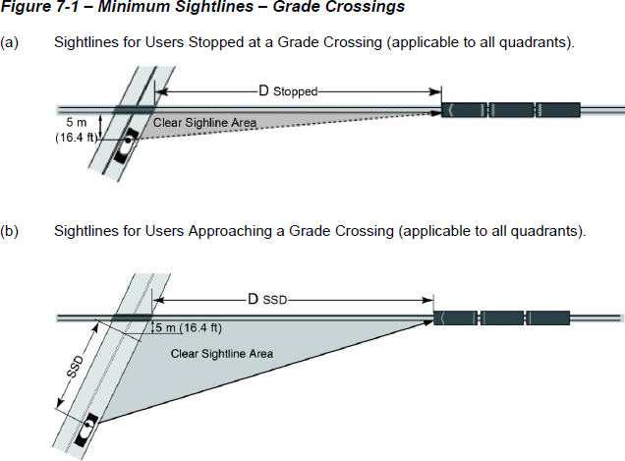

Sheet 8 |  |  |  |  | SIGHTLINES |  |  |  |  |  |  |  |  |  |  |  |  |  |  |  |  |  |  |  |  |  |  | GCS Section 7, 10

Driver Eye Height |  |  |  |  |  | = | 1.05m passenger vehicles, pedestrians, cyclists & assistive devices
 |  |  |  |  |  | = | 1.80m buses & single-unit trucks
 |  |  |  |  |  | = | 2.10m large trucks & tractor-trailers

Target Height |  |  |  |  |  | = | 1.20m above rails

Warning: some formulae are based on Imperial units while others are Metric
Source |  |  | Item |  |  |  |  |  |  |  |  |  |  |  |  |  |  |  |  |  |  |  |  |  |  |  |  |  | Reference
look-up |  |  | Type of Grade Crossing: |  |  |  |  |  |  | Active - FLBG |  |  |  |  |  | Are gates present? |  |  |  |  |  |  |  | Yes |  |  |  |  | GCR Sect. 22
 |  |  | Is crossing exempted from DSSD and partial DSTOPPED requirements? |  |  |  |  |  |  |  |  |  |  |  |  |  |  |  |  |  |  |  |  | Yes
 |  |  | Is crossing exempted from DSTOPPED requirements? |  |  |  |  |  |  |  |  |  |  |  |  |  |  |  |  |  |  |  |  | Yes
look-up |  |  | SSD minimum |  |  |  | N Road Approach |  |  |  |  | No Value |  |  |  | m |  | S Road Approach |  |  |  |  | No Value |  |  |  | m |  | Sect. 7.2
measure |  |  | SSD actual: |  |  |  | N Road Approach |  |  |  |  |  |  |  |  | m |  | S Road Approach |  |  |  |  |  |  |  |  | m
 |  |  | For Users Stopped at a Grade Crossing (See Fig 7-1(a)) |  |  |  |  |  |  |  |  |  |  |  |  |  |  |  |  |  |  |  |  |  |  |  |  |  | Sect. 7.2 Fig. 7-1 (a)
 |  |  | DSTOPPED |  |  |  | = |  | 0.278VT x TSTOPPED (m) |  |  |  |  |  | where VT = railway design speed in mph (Sheet 4)
 |  |  |  |  |  |  |  |  | 1.47VT x TSTOPPED (ft) |  |  |  |  |  | and TSTOPPED = departure times TD or TP (Sheet 4)
look-up |  |  | Design Vehicle Departure Time (TD) |  |  |  |  |  |  |  |  |  |  |  |  |  |  | No Value |  |  |  | sec |  | (from sheet 4)
look-up |  |  | Pedestrian, Cyclist & Assistive Device Departure Time (TP) |  |  |  |  |  |  |  |  |  |  |  |  |  |  | No Value |  |  |  | sec |  | (from sheet 4)
calculate |  |  | DSTOPPED-D minimum |  |  |  |  |  | = | No Value |  |  |  | ft |  | = | No Value |  |  |  | m
calculate |  |  | DSTOPPED-P minimum |  |  |  |  |  | = | No Value |  |  |  | ft |  | = | No Value |  |  |  | m
measure |  |  | DSTOPPED actual |  |  |  |  | N Road Approach |  |  |  |  |  |  | m to driver's left |  |  |  |  |  |  |  | m to driver's right
measure |  |  |  |  |  |  |  | S Road Approach |  |  |  |  |  |  | m to driver's left |  |  |  |  |  |  |  | m to driver's right
 |  |  | For Users Approaching a Grade Crossing (See Fig 7-1(b)) |  |  |  |  |  |  |  |  |  |  |  |  |  |  |  |  |  |  |  |  |  |  |  |  |  | Sect. 7.2 Fig. 7-1 (b)
 |  |  | DSSD |  |  |  | = |  | 0.278VT x TSSD (m) |  |  |  |  |  | where VT = railway design speed in km/h or mph (Sheet 4)
 |  |  |  |  |  |  |  |  | 1.47VT x TSSD (ft) |  |  |  |  |  | and TSSD = [(SSD + cd + L)/(0.278V)] (s)
calculate |  |  | DSSD minimum |  |  |  |  |  | = | No Value |  |  |  | ft |  | = | No Value |  |  |  | m
measure |  |  | DSSD actual |  |  |  |  | N Road Approach |  |  |  |  |  |  | m to driver's left |  |  |  |  |  |  |  | m to driver's right
measure |  |  |  |  |  |  |  | S Road Approach |  |  |  |  |  |  | m to driver's left |  |  |  |  |  |  |  | m to driver's right
observe |  |  | Are there any obstacles within the sight triangles that affect visibility? Comment. Examples: Building(s), Rail/Road Alignment, Commercial Signing, Unattended Railway Equipment, Topography, Traffic Control Devices, Utilities, Vegetation

Comments Following Site Visit:

GCS Section 8 |  |  |  |  |  |  |  |  |  |  |  |  |  |  |  |  |  |  |  |  |  |  |  |  |  |  |  |  |  | SSD restricted by end of road?
 |  |  |  |  |  |  |  |  |  |  |  |  |  |  |  |  |  |  |  |  |  |  |  |  |  |  |  |  |  | N/W
 |  |  |  |  |  |  |  |  |  |  |  |  |  |  |  |  |  |  |  |  |  |  |  |  |  |  |  |  |  | S/E
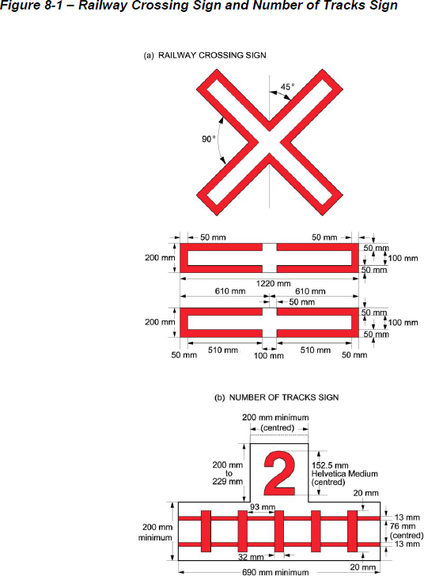
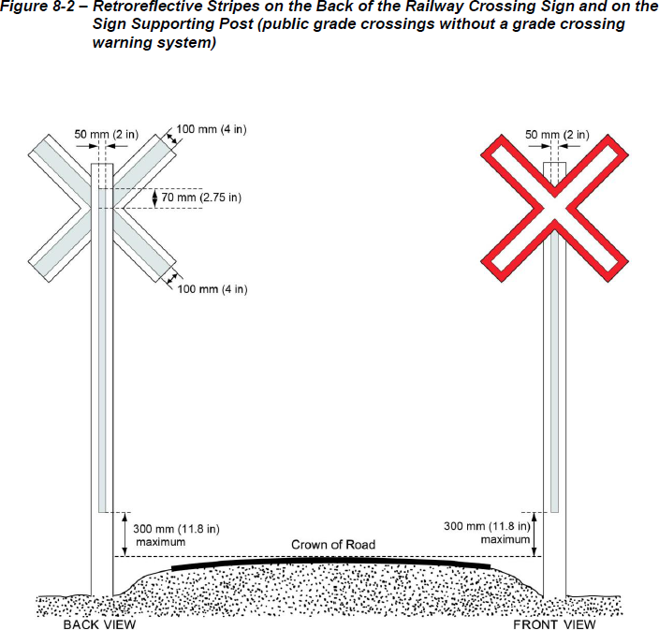

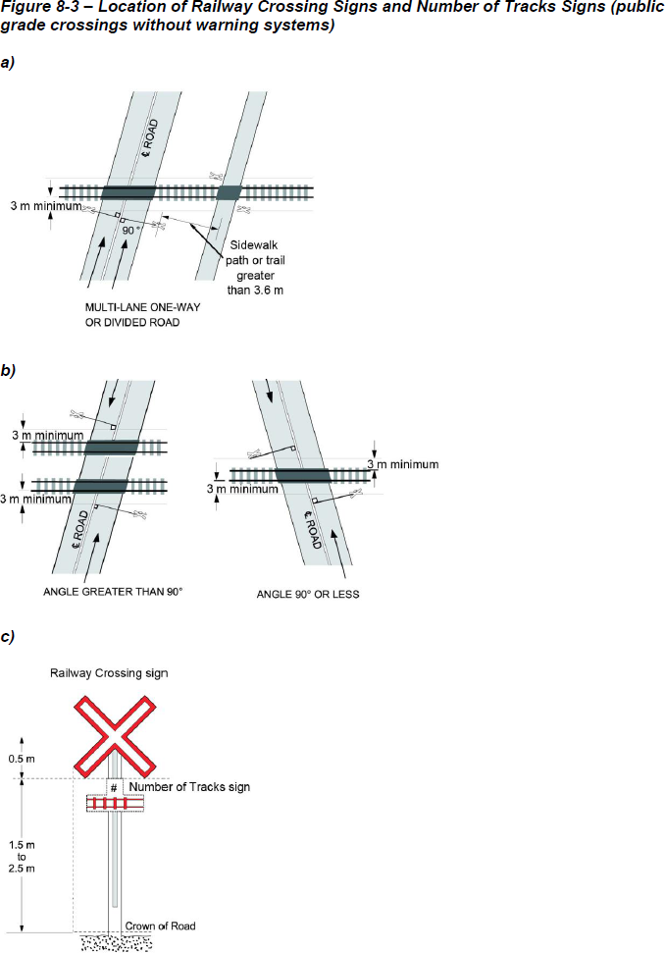
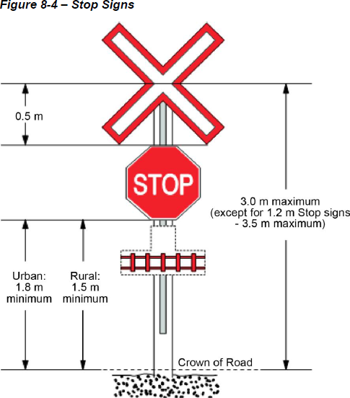

Sheet 9 |  |  |  |  | SIGNS AND PAVEMENT MARKINGS |  |  |  |  |  |  |  |  |  |  |  |  |  |  |  |  |  |  |  |  |  |  | GCS Section 8

Source |  |  | Item |  |  |  |  |  |  |  |  |  |  |  |  |  |  |  |  |  |  |  |  |  |  |  |  |  | Reference
 |  |  | Railway Crossing Sign |  |  |  |  |  |  |  |  |  |  |  |  |  |  |  |  |  |  |  |  |  |  |  |  |  | Sect. 8.1 MUTCDC A2.2.7

observe |  |  | Are signs present? |  |  |  |  |  |  |  |  |  |  |  |  |  |  |  |  |  |  |  |  |  |  |  |  |  | Sect. 4.1.2
 |  |  | N Road Approach |  |  |  |  |  |  |  |  |  |  |  | S Road Approach
observe |  |  | Are signs as shown in Figure 8-1(a)? |  |  |  |  |  |  |  |  |  |  |  |  |  |  |  |  |  |  |  |  |  |  |  |  |  | Fig. 8-1
 |  |  | N Road Approach |  |  |  |  |  |  |  |  |  |  |  | S Road Approach
observe |  |  | Are 100 mm retroreflective strips applied on the back of each blade of the Railway Crossing Sign? |  |  |  |  |  |  |  |  |  |  |  |  |  |  |  |  |  |  |  |  |  |  |  |  |  | Sect. 8.1.3
 |  |  | N Road Approach |  |  |  |  |  |  |  |  |  |  |  | S Road Approach
observe |  |  | Are 50 mm strips of silver white sheeting applied to the front and back of the supporting post? |  |  |  |  |  |  |  |  |  |  |  |  |  |  |  |  |  |  |  |  |  |  |  |  |  | Sect. 8.1.4
 |  |  | N Road Approach |  |  |  |  | Front |  |  |  |  |  |  |  | S Road Aproach |  |  |  |  | Front
 |  |  |  |  |  |  |  | Back |  |  |  |  |  |  |  |  |  |  |  |  | Back
observe |  |  | Location from railway (min 3.0 m from the nearest rail) |  |  |  |  |  |  |  |  |  |  |  |  |  |  |  |  |  |  |  |  |  |  |  |  |  | Sect. 8.1.5(b)
 |  |  | N Road Approach |  |  |  |  |  |  |  | m |  |  | S Road Approach |  |  |  |  |  |  |  | m
 |  |  | Location from roadway (0.3m to 2.0m from curb or outer edge of shoulder, or 2.0m to 4.5m from edge of travelled way) |  |  |  |  |  |  |  |  |  |  |  |  |  |  |  |  |  |  |  |  |  |  |  |  |  | Sect. 8.1.5(a)

 |  |  | N Road Approach |  |  |  |  |  |  |  | m |  |  | S Road Approach |  |  |  |  |  |  |  | m
 |  |  | Height (2.0m to 3.0m) |  |  |  |  |  |  |  |  |  |  |  |  |  |  |  |  |  |  |  |  |  |  |  |  |  | Fig 8-3(c)
 |  |  | N Road Approach |  |  |  |  |  |  |  | m |  |  | S Road Approach |  |  |  |  |  |  |  | m
observe |  |  | Distance to centreline of nearest sidewalk, path or trail |  |  |  |  |  |  |  |  |  |  |  |  |  |  |  |  |  |  |  |  |  |  |  |  |  | Sect. 8.1.6
 |  |  | N Road Approach |  |  |  |  |  |  |  | m |  |  | S Road Approach |  |  |  |  |  |  |  | m
look-up |  |  | Are separate Railway Crossing Signs required? |  |  |  |  |  |  |  |  |  |  |  |  | No Value
Comments Following Site Visit:

Source |  |  | Item |  |  |  |  |  |  |  |  |  |  |  |  |  |  |  |  |  |  |  |  |  |  |  |  |  | Reference
 |  |  | Number of Tracks Sign

observe |  |  | Are signs present? |  |  |  |  |  |  |  |  |  |  |  |  |  |  |  |  |  |  |  |  |  |  |  |  |  | Sect 4.1
 |  |  | N Road Approach |  |  |  |  |  |  |  |  |  |  |  | S Road Approach
look-up |  |  | Are signs required? |  |  |  |  |  |  |  |  |  |  |  |  |  |  |  |  |  |  |  |  |  |  |  |  |  | Sect 4.1
 |  |  | N Road Approach |  |  |  |  |  | No Value |  |  |  |  |  | S Road Approach |  |  |  |  | No Value
observe |  |  | Are signs as shown in Figure 8-1(b)? |  |  |  |  |  |  |  |  |  |  |  |  |  |  |  |  |  |  |  |  |  |  |  |  |  | Fig. 8-1
 |  |  | N Road Approach |  |  |  |  |  |  |  |  |  |  |  | S Road Approach
observe |  |  | Are signs installed on the supporting post of each railway crossing sign as shown in Figure 8-3(c)? |  |  |  |  |  |  |  |  |  |  |  |  |  |  |  |  |  |  |  |  |  |  |  |  |  | Fig. 8-3
 |  |  | N Road Approach |  |  |  |  |  |  |  |  |  |  |  | S Road Approach
Comments Following Site Visit:

GCS Section 8

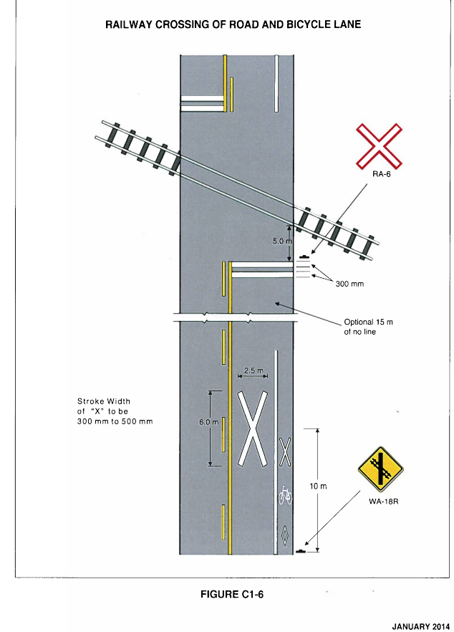

Sheet 10 |  |  |  |  | SIGNS AND PAVEMENT MARKINGS |  |  |  |  |  |  |  |  |  |  |  |  |  |  |  |  |  |  |  |  |  |  | GCS Section 8

Source |  |  | Item |  |  |  |  |  |  |  |  |  |  |  |  |  |  |  |  |  |  |  |  |  |  |  |  |  | Reference
 |  |  | Railway Crossing Ahead Sign (WA-18, 19 & 20) |  |  |  |  |  |  |  |  |  |  |  |  |  |  |  |  |  |  |  |  |  |  |  |  |  | Sect. 8.2 MUTCDC 3.4.2

observe |  |  | Are signs present?
 |  |  | N Road Approach |  |  |  |  |  |  |  |  |  |  |  | S Road Approach
look-up |  |  | Are signs required? |  |  |  |  |  |  |  |  |  |  |  |  |  |  |  |  |  |  |  |  |  |  |  |  |  | GCR Sect. 66
 |  |  | N Road Approach |  |  |  |  |  |  |  |  |  |  |  | S Road Approach
observe |  |  | Do signs have the appropriate orientation? |  |  |  |  |  |  |  |  |  |  |  |  |  |  |  |  |  |  |  |  |  |  |  |  |  | MUTCDC Fig. C1-6
 |  |  | N Road Approach |  |  |  |  |  |  |  |  |  |  |  | S Road Approach
measure |  |  | Distance to nearest rail:
 |  |  |  | N Road Approach |  |  |  |  |  |  |  | m |  |  |  | S Road Approach |  |  |  |  |  |  |  | m |  |  |  |  | MUTCDC A3.1.4
 |  |  | Lateral Placement:
 |  |  |  | N Road Approach |  |  |  |  |  |  |  | m |  |  |  | S Road Approach |  |  |  |  |  |  |  | m |  |  |  |  | MUTCDC A1.7.2
 |  |  | Height:
 |  |  |  | N Road Approach |  |  |  |  |  |  |  | m |  |  |  | S Road Approach |  |  |  |  |  |  |  | m |  |  |  |  | MUTCDC A1.7.2
Comments Following Site Visit:

Source |  |  | Item |  |  |  |  |  |  |  |  |  |  |  |  |  |  |  |  |  |  |  |  |  |  |  |  |  | Reference
 |  |  | Advisory Speed Tab Sign (WA-7S) |  |  |  |  |  |  |  |  |  |  |  |  |  |  |  |  |  |  |  |  |  |  |  |  |  | Sect. 8.2 MUTCDC 3.2.5

observe |  |  | Are signs present?
 |  |  | N Road Approach |  |  |  |  |  |  |  |  |  |  |  | S Road Approach
look-up |  |  | Are signs required? |  |  |  |  |  |  |  |  |  |  |  |  |  |  |  |  |  |  |  |  |  |  |  |  |  | GCR Sect. 66
 |  |  | N Road Approach |  |  |  |  |  |  |  |  |  |  |  | S Road Approach
observe |  |  | Are signs mounted on the same post as the Railway Crossing Ahead Sign? |  |  |  |  |  |  |  |  |  |  |  |  |  |  |  |  |  |  |  |  |  |  |  |  |  | MUTCDC A3.2.5
 |  |  | N Road Approach |  |  |  |  |  |  |  |  |  |  |  | S Road Approach
observe |  |  | Posted speed limit?
 |  |  | N Road Approach |  |  |  |  |  |  |  |  |  |  |  | S Road Approach
Comments Following Site Visit:

 |  |  |  |  |  |  |  |  |  |  |  |  |  |  |  |  |  |  |  |  |  |  |  |  |  |  |  |  |  | Speed
 |  |  |  |  |  |  |  |  |  |  |  |  |  |  |  |  |  |  |  |  |  |  |  |  |  |  |  |  |  | Curb (N/W)
 |  |  |  |  |  |  |  |  |  |  |  |  |  |  |  |  |  |  |  |  |  |  |  |  |  |  |  |  |  | Curb (S/E)
 |  |  |  |  |  |  |  |  |  |  |  |  |  |  |  |  |  |  |  |  |  |  |  |  |  |  |  |  |  | Urban/Rural

Sheet 11 |  |  |  |  | SIGNS AND PAVEMENT MARKINGS |  |  |  |  |  |  |  |  |  |  |  |  |  |  |  |  |  |  |  |  |  |  | GCS Section 8 |  | min (N/W) | max (N/W)
 |  |  |  |  |  |  |  |  |  |  |  |  |  |  |  |  |  |  |  |  |  |  |  |  |  |  |  |  |  | min (S/E) | max (S/E)
Source |  |  | Item |  |  |  |  |  |  |  |  |  |  |  |  |  |  |  |  |  |  |  |  |  |  |  |  |  | Reference
 |  |  | Stop Sign Ahead (WB-1) |  |  |  |  |  |  |  |  |  |  |  |  |  |  |  |  |  |  |  |  |  |  |  |  |  | Sect. 8.3 MUTCDC 3.6.1

observe |  |  | Are signs present?
 |  |  | N Road Approach |  |  |  |  |  |  |  |  |  |  |  | S Road Approach
look-up |  |  | Are signs required? |  |  |  |  |  |  |  |  |  |  |  |  |  |  |  |  |  |  |  |  |  |  |  |  |  | GCR Sect. 65
 |  |  | N Road Approach |  |  |  |  |  |  |  |  |  |  |  | S Road Approach
measure |  |  | Distance to nearest rail:
 |  |  |  | N Road Approach |  |  |  |  |  |  |  | m |  |  | S Road Approach |  |  |  |  |  |  |  | m |  |  |  |  |  | MUTCDC A3.1.4
 |  |  | Lateral Placement:
 |  |  |  | N Road Approach |  |  |  |  |  |  |  | m |  |  | S Road Approach |  |  |  |  |  |  |  | m |  |  |  |  |  | MUTCDC A1.7.2
 |  |  | Height:
 |  |  |  | N Road Approach |  |  |  |  |  |  |  | m |  |  | S Road Approach |  |  |  |  |  |  |  | m |  |  |  |  |  | MUTCDC A1.7.2
Comments Following Site Visit:

 |  |  | Stop Sign (RA-1) |  |  |  |  |  |  |  |  |  |  |  |  |  |  |  |  |  |  |  |  |  |  |  |  |  | Sect. 8.4 MUTCDC 3.2.5

observe |  |  | Are signs present?
 |  |  | N Road Approach |  |  |  |  |  |  |  |  |  |  |  | S Road Approach
look-up |  |  | Are signs required? |  |  |  |  |  |  |  |  |  |  |  |  |  |  |  |  |  |  |  |  |  |  |  |  |  | GCR Sect. 64
 |  |  | N Road Approach |  |  |  |  |  |  |  |  |  |  |  | S Road Approach
observe |  |  | Are signs mounted on the same post as the Railway Crossing Sign? |  |  |  |  |  |  |  |  |  |  |  |  |  |  |  |  |  |  |  |  |  |  |  |  |  | Sect. 8.4.2 MUTCDC A3.2.5
 |  |  | N Road Approach |  |  |  |  |  |  |  |  |  |  |  | S Road Approach
observe |  |  | Are signs installed as per Figure 8-4? |  |  |  |  |  |  |  |  |  |  |  |  |  |  |  |  |  |  |  |  |  |  |  |  |  | MUTCDC A3.2.5
 |  |  | N Road Approach |  |  |  |  |  |  |  |  |  |  |  | S Road Approach
measure |  |  | Distance to nearest rail (min. 3m, max. 15m): |  |  |  |  |  |  |  |  |  |  |  |  |  |  |  |  |  |  |  |  |  |  |  |  |  | MUTCDC A2.2.1 Figure 8-3
 |  |  |  | N Road Approach |  |  |  |  |  |  |  | m |  |  |  | S Road Approach |  |  |  |  |  |  |  | m
 |  |  | Lateral Placement:
 |  |  |  | N Road Approach |  |  |  |  |  |  |  | m |  |  |  | S Road Approach |  |  |  |  |  |  |  | m |  |  |  |  | MUTCDC A1.7.2
 |  |  | Height: |  |  |  |  |  |  |  |  |  |  |  |  |  |  |  |  |  |  |  |  |  |  |  |  |  | MUTCDC A1.7.2 Figure 8-4
 |  |  |  | N Road Approach |  |  |  |  |  |  |  | m |  |  |  | S Road Approach |  |  |  |  |  |  |  | m
Comments Following Site Visit:

Sheet 12 |  |  |  |  | SIGNS AND PAVEMENT MARKINGS |  |  |  |  |  |  |  |  |  |  |  |  |  |  |  |  |  |  |  |  |  |  | GCS Section 8

Source |  |  | Item |  |  |  |  |  |  |  |  |  |  |  |  |  |  |  |  |  |  |  |  |  |  |  |  |  | Reference
 |  |  | Emergency Notification Sign |  |  |  |  |  |  |  |  |  |  |  |  |  |  |  |  |  |  |  |  |  |  |  |  |  | Sect. 8.5
observe |  |  | Are signs present?
 |  |  | N Road Approach |  |  |  |  |  |  |  |  |  |  |  | S Road Approach
look-up |  |  | Are signs required? |  |  |  |  |  |  |  |  |  |  |  |  |  |  |  |  |  |  |  |  |  |  |  |  |  | GCR Sect. 63
 |  |  | N Road Approach |  |  |  |  | Yes |  |  |  |  |  |  | S Road Approach |  |  |  |  | Yes
observe |  |  | Are signs oriented to face traffic approaching the grade crossing or parallel to the road? |  |  |  |  |  |  |  |  |  |  |  |  |  |  |  |  |  |  |  |  |  |  |  |  |  | Sect. 8.5.1
 |  |  | N Road Approach |  |  |  |  |  |  |  |  |  |  |  | S Road Approach
observe |  |  | Are signs legible to road vehicles? |  |  |  |  |  |  |  |  |  |  |  |  |  |  |  |  |  |  |  |  |  |  |  |  |  | Sect. 8.5.2
 |  |  | N Road Approach |  |  |  |  |  |  |  |  |  |  |  | S Road Approach
observe |  |  | What is the condition of the sign?
 |  |  | N Road Approach |  |  |  |  |  |  |  |  |  |  |  | S Road Approach
Comments Following Site Visit:

Source |  |  | Item |  |  |  |  |  |  |  |  |  |  |  |  |  |  |  |  |  |  |  |  |  |  |  |  |  | Reference
 |  |  | Pavement Markings
observe |  |  | Are pavement markings consistent with those from the MUTCDC Manual? |  |  |  |  |  |  |  |  |  |  |  |  |  |  |  |  |  |  |  |  |  |  |  |  |  | MUTCDC Fig. C1-6
observe |  |  | Are there directional dividing lines for at least 30 m on both road approaches? |  |  |  |  |  |  |  |  |  |  |  |  |  |  |  |  |  |  |  |  |  |  |  |  |  | MUTCDC C2.1
observe |  |  | Are there lines to delineate sidewalks, paths and trails?
Comments Following Site Visit:

General Comments Regarding Signs & Pavement Markings:

GCS Section 9

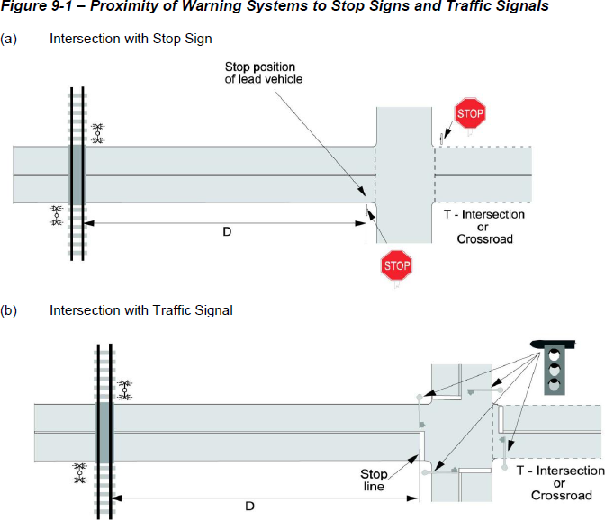

Sheet 12 |  |  |  |  | GRADE CROSSING WARNING SYSTEM WARRANTS |  |  |  |  |  |  |  |  |  |  |  |  |  |  |  |  |  |  |  |  |  |  | GCS Section 9

Source |  |  | Item |  |  |  |  |  |  |  |  |  |  |  |  |  |  |  |  |  |  |  |  |  |  |  |  |  | Reference
 |  |  | Warrants for a Warning System Without Gates (Public Crossings) |  |  |  |  |  |  |  |  |  |  |  |  |  |  |  |  |  |  |  |  |  |  |  |  |  | Sect. 9.1
 |  |  | If any of A through E below are met, then a warning system without gates is required
look-up |  |  | A. | Where the forecast cross-product is 2,000 or more; |  |  |  |  |  |  |  |  |  |  |  |  |  |  |  |  |  |  |  | No Value |  |  |  |  | Sect. 9.1.a
 |  |  |  | Type of Crossing: |  |  |  | = | No Value |  |  |  |  |  |  |  |  |  |  |  |  |  |  |  |  |  |  |  | Sect. 9.1.a
 |  |  |  | AADT |  |  |  | = | No Value |  |  | vpd
 |  |  |  | Daily Train Movements |  |  |  | = | No Value |  |  | trains per day
 |  |  |  | Cross-Product |  |  |  | = | No Value |  |  | (2,000 min.)
look-up |  |  | B. | Where there is no sidewalk, path or trail and the railway design speed is more than 129 km/hr (80 mph); |  |  |  |  |  |  |  |  |  |  |  |  |  |  |  |  |  |  |  | No Value |  |  |  |  | Sect. 9.1.b
 |  |  |  | Type of Crossing: |  |  |  |  |  | = | No Value
 |  |  |  | Is there a sidewalk, path or trail? |  |  |  |  |  | = | No Value
 |  |  |  | Railway Design Speed |  |  |  |  |  | = | No Value |  |  | mph
look-up |  |  | C. | Where there is a sidewalk, path or trail and the railway design speed is more than 81 km/hr (50 mph); |  |  |  |  |  |  |  |  |  |  |  |  |  |  |  |  |  |  |  | No Value |  |  |  |  | Sect. 9.1.c
 |  |  |  | Type of Crossing: |  |  |  |  |  | = | No Value
 |  |  |  | Is there a sidewalk, path or trail? |  |  |  |  |  | = | No Value
 |  |  |  | Railway Design Speed |  |  |  |  |  | = | No Value |  |  | mph
 |  |  | D. | Where the railway design speed is more than 25 km/hr (15 mph) but less than the railway design speed referred to in (b) or (c), and |  |  |  |  |  |  |  |  |  |  |  |  |  |  |  |  |  |  |  |  |  |  |  |  | Sect. 9.1.d.i
look-up |  |  | i. | Where there are two or more lines of railway where railway equipment may pass each other |  |  |  |  |  |  |  |  |  |  |  |  |  |  |  |  |  |  |  | No Value
 |  |  |  | Type of Crossing: |  |  |  |  |  |  |  |  |  |  | = | No Value
 |  |  |  | Is the railway design speed > 15 mph? |  |  |  |  |  |  |  |  |  |  | = | No Value
 |  |  |  | Are there 2+ railway lines where trains may pass each other? |  |  |  |  |  |  |  |  |  |  | = | No Value
look-up |  |  | ii. | The distance as shown in Figure 9-1(a) between a Stop sign at an intersection and the nearest rail in the crossing surface is less than 30m; |  |  |  |  |  |  |  |  |  |  |  |  |  |  |  |  |  |  |  | No Value |  |  |  |  | Sect. 9.1.d.ii

 |  |  |  | Type of Crossing: |  |  |  |  |  |  |  |  |  |  | = | No Value
 |  |  |  | Is the railway design speed > 15 mph? |  |  |  |  |  |  |  |  |  |  | = | No Value
 |  |  |  | Is D < 30 m to a Stop Sign at an intersection? |  |  |  |  |  |  |  |  |  |  | = | No Value
look-up |  |  | iii. | In the case of an intersection with a traffic signal, the distance between the stop line of the intersection and the nearest rail in the crossing surface, as shown in Figure 9-1(b), is less than 60m, or where there is no stop line, the distance between the travelled way and the nearest rail in the crossing surface is less than 60m. |  |  |  |  |  |  |  |  |  |  |  |  |  |  |  |  |  |  |  | No Value |  |  |  |  | Sect. 9.1.d.iii

 |  |  |  | Type of Crossing: |  |  |  |  |  |  |  |  |  |  | = | No Value
 |  |  |  | Is the railway design speed > 15 mph? |  |  |  |  |  |  |  |  |  |  | = | No Value
 |  |  |  | Is D < 60 m to a signalized intersection? |  |  |  |  |  |  |  |  |  |  | = | No Value
 |  |  | Warrants for a Warning System Without Gates (Private Crossings) |  |  |  |  |  |  |  |  |  |  |  |  |  |  |  |  |  |  |  |  |  |  |  |  |  | Sect. 9.3
 |  |  | If any of A through E below are met, then a warning system without gates is required
look-up |  |  | A. | Where the forecast cross-product is 2,000 or more; |  |  |  |  |  |  |  |  |  |  |  |  |  |  |  |  |  |  |  | No Value |  |  |  |  | Sect. 9.3.1
 |  |  |  | Type of Crossing: |  |  |  |  | = | No Value
 |  |  |  | AADT |  |  |  |  | = | No Value |  |  | vpd
 |  |  |  | Daily Train Movements |  |  |  |  | = | No Value |  |  | trains per day
 |  |  |  | Cross-Product |  |  |  |  | = | No Value |  |  | (2,000 min.)
 |  |  | B. | Where the railway design speed is more than 25 km/hr (15mph), and;
look-up |  |  | i. | The forecast cross-product is 100 or more and there are two or more lines of railway where railway equipment may pass each other; |  |  |  |  |  |  |  |  |  |  |  |  |  |  |  |  |  |  |  | No Value |  |  |  |  | Sect. 9.3.2.a

 |  |  |  | Type of Crossing: |  |  |  |  |  |  |  |  |  |  |  |  | = | No Value
 |  |  |  | Is the railway design speed > 15 mph? |  |  |  |  |  |  |  |  |  |  |  |  | = | No Value
 |  |  |  | Is the forecast cross-product greater than 100? |  |  |  |  |  |  |  |  |  |  |  |  | = | No Value
 |  |  |  | Are there two or more lines of railway where trains may pass each other? |  |  |  |  |  |  |  |  |  |  |  |  | = | No Value
look-up |  |  | ii. | The forecast cross-product is 100 or more and grade crossing does not include a sidewalk, path or trail and the railway design speed is more than 129 km/hr (80mph); |  |  |  |  |  |  |  |  |  |  |  |  |  |  |  |  |  |  |  | No Value |  |  |  |  | Sect. 9.3.2.b

 |  |  |  | Type of Crossing: |  |  |  |  |  |  |  |  | = | No Value
 |  |  |  | Is the forecast cross-product greater than 100? |  |  |  |  |  |  |  |  | = | No Value
 |  |  |  | Is there a sidewalk, path or trail? |  |  |  |  |  |  |  |  | = | No Value
 |  |  |  | Is the railway design speed > 80 mph? |  |  |  |  |  |  |  |  | = | No Value
 |  |  | iii. | The grade crossing does includes a sidewalk, path or trail and the railway design speed is more than 81 km/hr (50mph); |  |  |  |  |  |  |  |  |  |  |  |  |  |  |  |  |  |  |  | No Value |  |  |  |  | Sect. 9.3.2.c
look-up
 |  |  |  | Type of Crossing: |  |  |  |  |  |  |  |  | = | No Value
 |  |  |  | Is there a sidewalk, path or trail? |  |  |  |  |  |  |  |  | = | No Value
 |  |  |  | Is the railway design speed > 50 mph? |  |  |  |  |  |  |  |  | = | No Value
 |  |  | Warrants for a Warning System Without Gates (Grade Crossings for a Sidewalk, Path, or Trail) |  |  |  |  |  |  |  |  |  |  |  |  |  |  |  |  |  |  |  |  |  |  |  |  |  | Sect. 9.5
 |  |  | If A below is met, then a warning system without gates is required
look-up |  |  | A. | The sidewalk, path or trail is outside the island circuit of an adjacent warning system and the railway design speed is more than 81 km/hr (50mph) |  |  |  |  |  |  |  |  |  |  |  |  |  |  |  |  |  |  |  | No Value

observe |  |  |  | Is there a sidewalk, path or trail? |  |  |  |  |  |  |  |  |  |  |  |  |  |  | = | No Value
Rail |  |  |  | Is the sidewalk, path or trail outside the island circuit of an adjacent warning system? |  |  |  |  |  |  |  |  |  |  |  |  |  |  | =
Rail |  |  |  | Is the railway design speed greater than 81 km/h (50 mph)? |  |  |  |  |  |  |  |  |  |  |  |  |  |  | = | No Value
 |  |  | Warrants for a Warning System With Gates (Public Crossings) |  |  |  |  |  |  |  |  |  |  |  |  |  |  |  |  |  |  |  |  |  |  |  |  |  | Sect. 9.2
 |  |  | If a warning system is warranted, and any of A through E are met, then gates are also required
 |  |  |  | a warning system is required under 9.1, and; |  |  |  |  |  |  |  |  |  |  |  |  |  |  |  |  |  |  |  |  |  |  |  |  | Sect. 9.2.1
look-up |  |  | A. | The forecast cross-product is 50,000 or more; |  |  |  |  |  |  |  |  |  |  |  |  |  |  |  |  |  |  |  | No Value |  |  |  |  | Sect. 9.2.1.a
 |  |  |  | Type of Crossing: |  |  |  |  |  |  | = | No Value
 |  |  |  | a warning system is required under 9.1 |  |  |  |  |  |  | = | No Value
 |  |  |  | AADT |  |  |  |  |  |  | = | No Value |  |  | vpd
 |  |  |  | Daily Train Movements |  |  |  |  |  |  | = | No Value |  |  | trains per day
 |  |  |  | Cross-Product |  |  |  |  |  |  | = | No Value |  |  |  | (50,000 min.)
look-up |  |  | B. | There are two or more lines of railway where railway equipment may pass each other; |  |  |  |  |  |  |  |  |  |  |  |  |  |  |  |  |  |  |  | No Value |  |  |  |  | Sect. 9.2.1.b
 |  |  |  | Type of Crossing: |  |  |  |  |  |  |  |  |  |  |  |  | = | No Value
 |  |  |  | a warning system is required under 9.1 |  |  |  |  |  |  |  |  |  |  |  |  | = | No Value
 |  |  |  | Are there two or more lines of railway where trains may pass each other? |  |  |  |  |  |  |  |  |  |  |  |  | = | No Value
look-up |  |  | C. | The railway design speed is more than 81 km/hr (50mph); |  |  |  |  |  |  |  |  |  |  |  |  |  |  |  |  |  |  |  | No Value |  |  |  |  | Sect. 9.2.1.c
 |  |  |  | Type of Crossing: |  |  |  |  |  |  |  |  |  |  |  |  | = | No Value
 |  |  |  | a warning system is required under 9.1 |  |  |  |  |  |  |  |  |  |  |  |  | = | No Value
 |  |  |  | Is the railway design speed > 50 mph? |  |  |  |  |  |  |  |  |  |  |  |  | = | No Value
look-up |  |  | D. | The distance as shown in Figure 9-1(a) between a Stop sign at an intersection and the nearest rail in the crossing surface is less than 30m; |  |  |  |  |  |  |  |  |  |  |  |  |  |  |  |  |  |  |  | No Value |  |  |  |  | Sect. 9.2.1.d

 |  |  |  | Type of Crossing: |  |  |  |  |  |  |  |  |  |  |  |  | = | No Value
 |  |  |  | a warning system is required under 9.1 |  |  |  |  |  |  |  |  |  |  |  |  | = | No Value
 |  |  |  | Is D < 30 m to a Stop Sign at an intersection? |  |  |  |  |  |  |  |  |  |  |  |  | = | No
look-up |  |  | E | In the case of an intersection with a traffic signal, the distance between the stop line of the intersection and the nearest rail in the crossing surface, as shown in Figure 9-1(b), is less than 60m, or where there is no stop line, the distance between the travelled way and the nearest rail in the crossing surface is less than 60m. |  |  |  |  |  |  |  |  |  |  |  |  |  |  |  |  |  |  |  | No Value |  |  |  |  | Sect. 9.2.1.e

 |  |  |  | Type of Crossing: |  |  |  |  |  |  |  |  |  |  |  |  | = | No Value
 |  |  |  | a warning system is required under 9.1 |  |  |  |  |  |  |  |  |  |  |  |  | = | No Value
 |  |  |  | Is D < 60 m to a signalized intersection? |  |  |  |  |  |  |  |  |  |  |  |  | = | No Value
 |  |  | Warrants for a Warning System With Gates (Private Crossings) |  |  |  |  |  |  |  |  |  |  |  |  |  |  |  |  |  |  |  |  |  |  |  |  |  | Sect. 9.4
 |  |  | If a warning system is warranted, and any of A through C are met, then gates are also required
 |  |  |  | A warning system is required under article 9.3, and; |  |  |  |  |  |  |  |  |  |  |  |  |  |  |  |  |  |  |  |  |  |  |  |  | Sect. 9.4.1
look-up |  |  | A. | The forecasted cross-product is 50,000 or more; |  |  |  |  |  |  |  |  |  |  |  |  |  |  |  |  |  |  |  | No Value |  |  |  |  | Sect. 9.4.1.a
 |  |  |  | Type of Crossing: |  |  |  |  |  |  |  |  |  |  |  |  | = | No Value
 |  |  |  | a warning system is required under 9.3 |  |  |  |  |  |  |  |  |  |  |  |  | = | No Value
 |  |  |  | AADT |  |  |  |  |  |  |  |  |  |  |  |  | = | No Value |  |  | vpd
 |  |  |  | Daily Train Movements |  |  |  |  |  |  |  |  |  |  |  |  | = | No Value |  |  | trains per day
 |  |  |  | Cross-Product |  |  |  |  |  |  |  |  |  |  |  |  | = | No Value |  |  |  | (50,000 min.)
look-up |  |  | B. | There are two or more lines of railway where railway equipment may pass each other; |  |  |  |  |  |  |  |  |  |  |  |  |  |  |  |  |  |  |  | No Value |  |  |  |  | Sect. 9.4.1.b
 |  |  |  | Type of Crossing: |  |  |  |  |  |  |  |  |  |  |  |  | = | No Value
 |  |  |  | a warning system is required under 9.3 |  |  |  |  |  |  |  |  |  |  |  |  | = | No Value
 |  |  |  | Are there two or more lines of railway where trains may pass each other? |  |  |  |  |  |  |  |  |  |  |  |  | = | No Value
look-up |  |  | C. | The railway design speed is more than 81 km/hr (50mph); |  |  |  |  |  |  |  |  |  |  |  |  |  |  |  |  |  |  |  | No Value |  |  |  |  | Sect. 9.4.1.c
 |  |  |  | Type of Crossing: |  |  |  |  |  |  |  |  |  |  |  |  | = | No Value
 |  |  |  | a warning system is required under 9.3 |  |  |  |  |  |  |  |  |  |  |  |  | = | No Value
 |  |  |  | Is the railway design speed > 50 mph? |  |  |  |  |  |  |  |  |  |  |  |  |  | No Value
 |  |  | Warrants for a Warning System With Gates (Grade Crossings for a Sidewalk, Path, or Trail) |  |  |  |  |  |  |  |  |  |  |  |  |  |  |  |  |  |  |  |  |  |  |  |  |  | Sect. 9.6
 |  |  | If all of A through C below are all met, then a warning system with gates is required
look-up |  |  | Warranted? |  |  |  |  |  |  |  |  |  |  |  |  |  |  |  |  |  |  |  |  | No Value
Road |  |  |  | Is there a sidewalk, path or trail? |  |  |  |  |  |  |  |  |  |  |  |  |  |  | = | No Value
Rail |  |  | A. | Is the sidewalk, path or trail outside the island circuit of an adjacent warning system? |  |  |  |  |  |  |  |  |  |  |  |  |  |  | = |  |  |  |  |  |  |  |  |  | Sect. 9.6.a
Rail |  |  | B. | Is the railway design speed greater than 21 km/h (15 mph)? |  |  |  |  |  |  |  |  |  |  |  |  |  |  | = | No Value |  |  |  |  |  |  |  |  | Sect. 9.6.b
Rail |  |  | C. | Are there two or more lines of railway? |  |  |  |  |  |  |  |  |  |  |  |  |  |  | = | No Value |  |  |  |  |  |  |  |  | Sect. 9.6.c

Comments Following Site Visit:

Sheet 13 |  |  |  |  | GRADE CROSSING WARNING SYSTEMS |  |  |  |  |  |  |  |  |  |  |  |  |  |  |  |  |  |  |  |  |  |  | GCS Section 12-16

Source |  |  | Item |  |  |  |  |  |  |  |  |  |  |  |  |  |  |  |  |  |  |  |  |  |  |  |  |  | Reference
Rail |  |  | Design Approach Warning Time: |  |  |  |  |  |  |  |  |  |  |  |  |  |  |  |  |  |  |  |  | No Value |  |  |  | sec | Sect. 16.1.1
 |  |  |  | Should be greatest of:
look-up |  |  |  | a) 20s, unless cd > 11 m, increase the 20s by one second for each additional 3 m |  |  |  |  |  |  |  |  |  |  |  |  |  |  |  |  |  |  |  | No Value |  |  |  | sec
look-up |  |  |  | b) TD |  |  |  |  |  |  |  |  |  |  |  |  |  |  |  |  |  |  |  | No Value |  |  |  | sec
look-up |  |  |  | c) TP |  |  |  |  |  |  |  |  |  |  |  |  |  |  |  |  |  |  |  | No Value |  |  |  | sec
look-up |  |  |  | d) TG + gate arm descent time + 5s |  |  |  |  |  |  |  |  |  |  |  |  |  |  |  |  |  |  |  | No Value |  |  |  | sec
look-up |  |  |  | e) Minimum warning time required for traffic signal pre-emption |  |  |  |  |  |  |  |  |  |  |  |  |  |  |  |  |  |  |  |  |  |  |  | sec
look-up |  |  |  | f) TSSD |  |  |  |  |  |  |  |  |  |  |  |  |  |  |  |  |  |  |  | No Value |  |  |  | sec
look-up |  |  |  | g) Adjacent Track Interconnected Highway-Rail Grade Crossing (add to (a), - (e)) |  |  |  |  |  |  |  |  |  |  |  |  |  |  |  |  |  |  |  | No Value |  |  |  |  | AREMA C&S Manual Part 3.1.36 C.6.
Rail |  |  | Actual Approach Warning Time: |  |  |  |  |  |  |  |  |  |  |  |  |  |  |  |  |  |  |  |  |  |  |  |  | sec | Sect. 16.1
measure |  |  | Warning Systems Clearance Distance from Railway |  |  |  |  |  |  |  |  |  |  |  |  |  |  |  |  |  |  |  |  |  |  |  |  |  | AREMA C&S Manual Part 3.1.36 C.6.
 |  |  |  | Min. 3.66 m (12 ft) for signal mast or 3.05 m (10 ft) for end of gate arm; from centreline of track
 |  |  | N Road Approach |  |  |  |  |  |  | m |  |  | S Road Approach |  |  |  |  |  |  | m
measure |  |  | Warning System Clearance Distance from Roadway |  |  |  |  |  |  |  |  |  |  |  |  |  |  |  |  |  |  |  |  |  |  |  |  |  | Sect. 12.1.a,b
 |  |  |  | Min. 625 mm from curb; or 1.875 m from travelled way and 625 mm from shoulder
 |  |  | N Road Approach |  |  |  |  |  |  | m |  |  | S Road Approach |  |  |  |  |  |  | m
measure |  |  | Distance between top of foundation and surrounding ground level (max. 100 mm (4 in)) |  |  |  |  |  |  |  |  |  |  |  |  |  |  |  |  |  |  |  |  |  |  |  |  |  | Sect. 12.1.c
 |  |  | N Road Approach |  |  |  |  |  |  | mm |  |  | S Road Approach |  |  |  |  |  |  | mm
measure |  |  | Is the slope of surrounding ground from foundation towards the travelled way less than 25% (4:1)? |  |  |  |  |  |  |  |  |  |  |  |  |  |  |  |  |  |  |  |  |  |  |  |  |  | Sect. 12.1.c
 |  |  | N Road Approach |  |  |  |  |  |  |  |  |  |  |  | S Road Approach
observe |  |  | Light units: |  |  |  |  |  | N Road Approach |  |  |  |  |  |  |  |  |  |  | S Road Approach |  |  |  |  |  |  |  |  | Sect. 13, 14
 |  |  | Condition:
observe |  |  | Bells: |  |  |  |  |  | N Road Approach |  |  |  |  |  |  |  |  |  |  | S Road Approach |  |  |  |  |  |  |  |  | Sect. 15.1
 |  |  | Condition:
observe |  |  | If there is only one sidewalk, is a bell located on the adjacent assembly? |  |  |  |  |  |  |  |  |  |  |  |  |  |  |  |  |  |  |  |  |  |  |  |  |  | Sect. 15.1.2
observe |  |  | Gates: |  |  |  |  |  | N Road Approach |  |  |  |  |  |  |  |  |  |  | S Road Approach |  |  |  |  |  |  |  |  | Sect. 15.2
 |  |  | Condition:
observe |  |  | Cantilever Lights: |  |  |  |  |  | N Road Approach |  |  |  |  |  |  |  |  |  |  | S Road Approach |  |  |  |  |  |  |  |  | Sect. 13.3
 |  |  | Condition:
Rail |  |  | Is crossing warning system equipped with monitoring devices that gather and retain the data and time of information (per 12.2) for a min. of 30 days? |  |  |  |  |  |  |  |  |  |  |  |  |  |  |  |  |  |  |  |  |  |  |  |  |  | Sect. 12.2

observe |  |  | Does crossing warning system provide consitent warning times for railway equipment regularly operating over the grade crossing? |  |  |  |  |  |  |  |  |  |  |  |  |  |  |  |  |  |  |  |  |  |  |  |  |  | Sect. 16.2.1

observe |  |  | Where Railway Design Speed has been reduced, other than TSO, does actual Crossing Warning Time exceed 13s compared with design? |  |  |  |  |  |  |  |  |  |  |  |  |  |  |  |  |  |  |  |  |  |  |  |  |  | Sect. 16.2.2

observe |  |  | Where railway eqipment regularly stops, left standing or turnout present within limits of warning systems, are Cut-Out Circuits in place? |  |  |  |  |  |  |  |  |  |  |  |  |  |  |  |  |  |  |  |  |  |  |  |  |  | Sect. 16.3.1

observe |  |  | If Directional Stick Circuits present, are requirments of GCS 16.4 met? |  |  |  |  |  |  |  |  |  |  |  |  |  |  |  |  |  |  |  |  |  |  |  |  |  | Sect. 16.4
observe |  |  | Limited Use Warning System without Walk Light Assembly (Y/N)? (For Private Crossing with fewer than 3 residential dwellings only) |  |  |  |  |  |  |  |  |  |  |  |  |  |  |  |  |  |  |  |  |  |  |  |  |  | Appendix B

observe |  |  | Limited Use Warning System with Walk Light Assembly (Y/N)? (For Private Crossing and restricted access only) |  |  |  |  |  |  |  |  |  |  |  |  |  |  |  |  |  |  |  |  |  |  |  |  |  | Appendix C

Comments Following Site Visit:

 |  |  |  |  |  |  |  |  |  |  |  |  |  |  |  |  |  |  |  |  |  |  |  |  |  |  |  |  |  | Clearance to nearest track (N/W)
 |  |  |  |  |  |  |  |  |  |  |  |  |  |  |  |  |  |  |  |  |  |  |  |  |  |  |  |  |  | Clearance to nearest track (S/E)

 |  |  |  |  |  |  |  |  |  |  |  |  |  |  |  |  |  |  |  |  |  |  |  |  |  |  |  |  |  | Curbed? (N/W)
 |  |  |  |  |  |  |  |  |  |  |  |  |  |  |  |  |  |  |  |  |  |  |  |  |  |  |  |  |  | Curbed? (S/E)

 |  |  |  |  |  |  |  |  |  |  |  |  |  |  |  |  |  |  |  |  |  |  |  |  |  |  |  |  |  | Clearance (mast, N/W)
GCS Section 12 |  |  |  |  |  |  |  |  |  |  |  |  |  |  |  |  |  |  |  |  |  |  |  |  |  |  |  |  |  | Clearance (mast, S/E)

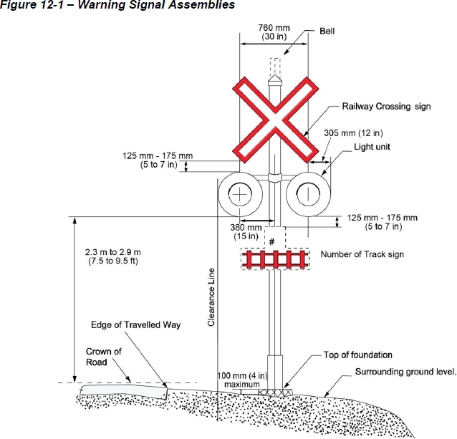
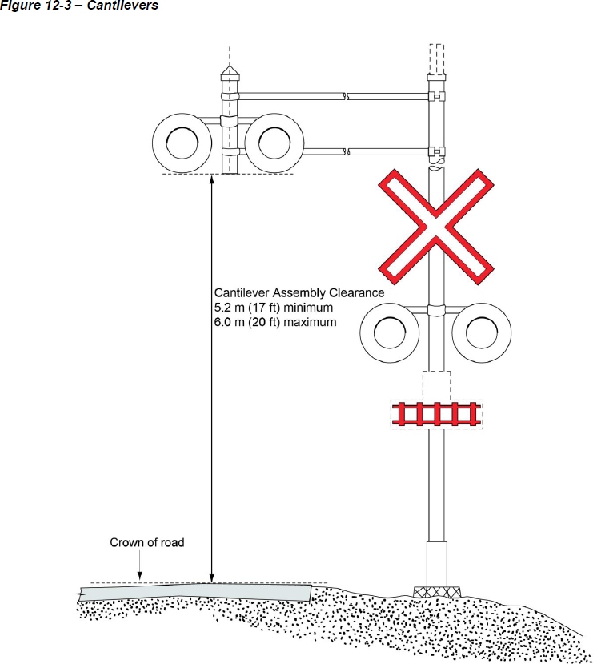
 |  |  |  |  |  |  |  |  |  |  |  |  |  |  |  |  |  |  |  |  |  |  |  |  |  |  |  |  |  | Clearance to Shoulder
 |  |  |  |  |  |  |  |  |  |  |  |  |  |  |  |  |  |  |  |  |  |  |  |  |  |  |  |  |  | Clearance to Shoulder

 |  |  |  |  |  |  |  |  |  |  |  |  |  |  |  |  |  |  |  |  |  |  |  |  |  |  |  |  |  | Required Clearance (N/W)
 |  |  |  |  |  |  |  |  |  |  |  |  |  |  |  |  |  |  |  |  |  |  |  |  |  |  |  |  |  | Required Clearance (S/E)

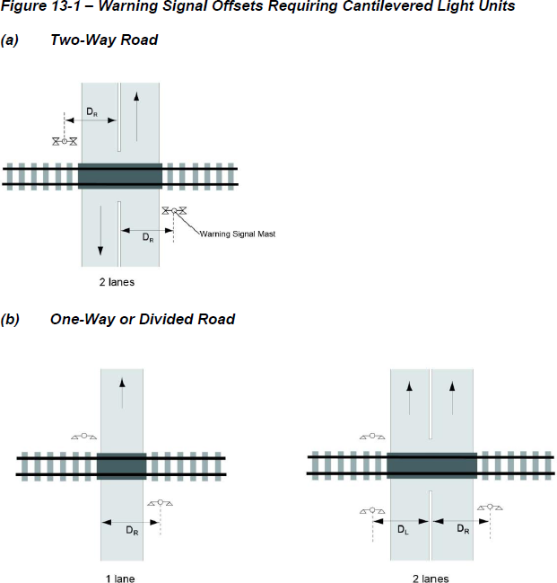
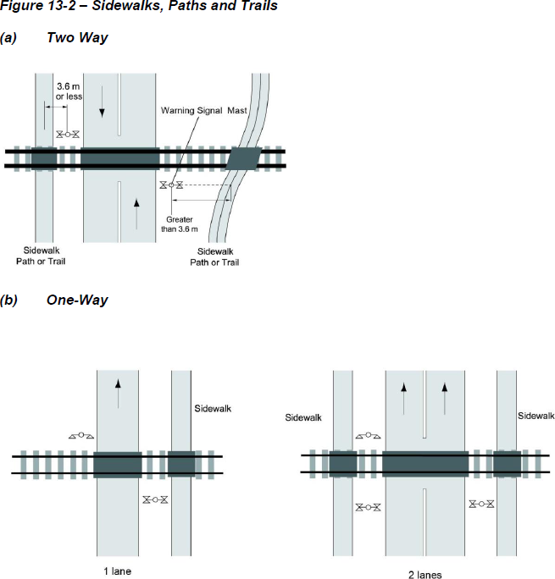

Sheet 14 |  |  |  |  | FLASHING LIGHT UNITS |  |  |  |  |  |  |  |  |  |  |  |  |  |  |  |  |  |  |  |  |  |  | GCS Section 13, 14

Source |  |  | Item |  |  |  |  |  |  |  |  |  |  |  |  |  |  |  |  |  |  |  |  |  |  |  |  |  | Reference
 |  |  | Front and Back Lights for Vehicles
observe |  |  | Are signal assemblies as shown in Figure 12-1? |  |  |  |  |  |  |  |  |  |  |  |  |  |  |  |  |  |  |  |  |  |  |  |  |  | Sect. 12.1
measure |  |  | Alignment Height: |  |  |  |  |  | N Road Approach |  |  |  |  |  |  | m |  | S Road Approach |  |  |  |  |  |  | m |  |  |  | Fig. 12-1
observe |  |  | Are primary light units visible for at least the minimum SSD? |  |  |  |  |  |  |  |  |  |  |  |  |  |  |  |  |  |  |  |  |  |  |  |  |  | Sect. 14.3.1.a
 |  |  | N Road Approach |  |  |  |  |  |  |  |  |  |  | S Road Approach
observe |  |  | Are additional light units required to cover intermediate areas of the road approaches? |  |  |  |  |  |  |  |  |  |  |  |  |  |  |  |  |  |  |  |  |  |  |  |  |  | Sect. 14.4.1
 |  |  | N Road Approach |  |  |  |  |  |  |  |  |  |  | S Road Approach
observe |  |  | Are back light units visible by stopped vehicles at least 15 m? |  |  |  |  |  |  |  |  |  |  |  |  |  |  |  |  |  |  |  |  |  |  |  |  |  | Sect. 14.5.1
 |  |  | N Road Approach |  |  |  |  |  |  |  |  |  |  | S Road Approach
observe |  |  | Are lights installed exclusively for sidewalks, paths or trails visible for at least 30 m? |  |  |  |  |  |  |  |  |  |  |  |  |  |  |  |  |  |  |  |  |  |  |  |  |  | Sect. 14.6.1
 |  |  | E Rail Approach |  |  |  |  |  |  |  |  |  |  | W Rail Approach
 |  |  | Additional Lights for Sidewalks, Paths, Trails, etc.
calculate |  |  | Distance from path centreline to signal mast (max 3.6m) |  |  |  |  |  |  |  |  |  |  |  |  |  |  |  |  |  |  |  |  |  |  |  |  |  | Fig. 13-2
 |  |  | E Rail Approach |  |  |  |  |  |  |  |  | m |  | W Rail Approach |  |  |  |  |  |  |  |  | m
look-up |  |  | Are separate flashing light units required for pedestrians? |  |  |  |  |  |  |  |  |  |  |  |  |  |  |  |  |  |  |  |  |  |  |  |  |  | Sect. 13.4.1
 |  |  | E Rail Approach |  |  |  |  | No Value |  |  |  |  |  | W Rail Approach |  |  |  |  | No Value
 |  |  | Cantilever Light Units
observe |  |  | Are cantilevers as shown in Figure 12-3? |  |  |  |  |  |  |  |  |  |  |  |  |  |  |  |  |  |  |  |  |  |  |  |  |  | Sect. 12.1
measure |  |  | Distance from nearest rail: |  |  |  |  |  |  |  | N Road Approach |  |  |  |  |  |  | m |  | S Road Approach |  |  |  |  |  |  | m
measure |  |  | Distance from travelled way: |  |  |  |  |  |  |  | N Road Approach |  |  |  |  |  |  | m |  | S Road Approach |  |  |  |  |  |  | m
measure |  |  | Height: |  |  |  |  |  |  |  | N Road Approach |  |  |  |  |  |  | m |  | S Road Approach |  |  |  |  |  |  | m |  | Fig 13-1
measure |  |  | DR: |  |  |  |  |  |  |  | N Road Approach |  |  |  |  |  |  | m |  | S Road Approach |  |  |  |  |  |  | m |  | Fig. 13-1(a),(b)
measure |  |  | DL: |  |  |  |  |  |  |  | N Road Approach |  |  |  |  |  |  | m |  | S Road Approach |  |  |  |  |  |  | m |  | Fig. 13-1(b)
look-up |  |  | Are Cantilever lights required? |  |  |  |  |  |  |  |  |  |  |  |  |  |  |  |  |  |  |  |  |  |  |  |  |  | Sect. 13.3.1
 |  |  | N Road Approach |  |  |  |  | No Value |  |  |  |  |  | S Road Approach |  |  |  |  | No Value

Comments Following Site Visit:

GCS Section 12

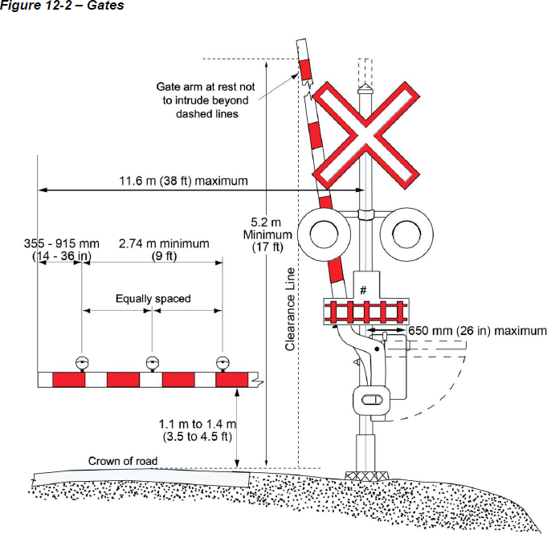

Sheet 15 |  |  |  |  |  | GATES FOR GRADE CROSSING WARNING SYSTEMS |  |  |  |  |  |  |  |  |  |  |  |  |  |  |  |  |  |  |  |  | GCS Section 10, 12, 15

Source |  |  | Item |  |  |  |  |  |  |  |  |  |  |  |  |  |  |  |  |  |  |  |  |  |  |  |  |  | Reference
 |  |  | Design:
calculate |  |  | Gate Arm Clearance Time for Vehicles |  |  |  |  |  |  |  |  |  |  |  |  |  |  |  |  |  |  |  |  |  |  |  |  |  | Sect. 10.4.1
 |  |  | TG = greater of TG,SSD or TG,STOP
 |  |  |  | TG,SSD |  |  | = | Gate Arm Clearance Distance from SSD / Road Speed in m/s
 |  |  |  | TG,SSD |  |  | = | (SSD + 2m + L) / 0.278V
 |  |  |  | TG,SSD |  |  | = | No Value |  |  |  | sec
 |  |  |  | TG,STOP |  |  | = | Gate Arm Clearance from Stop
 |  |  |  | TG,STOP |  |  | = | J + (tG x G) |  |  |  |  | tG | = | No Value |  |  |  | sec
 |  |  |  | TG,STOP |  |  | = | No Value |  |  |  | sec
 |  |  | TG | = | No Value |  |  |  | sec
calculate |  |  | Inner Gate Arm Delay Time for Adjacent Track Interconnected Highway-Rail Grade Crossing (s) |  |  |  |  |  |  |  |  |  |  |  |  |  |  |  |  |  |  |  |  |  |  | No Value |  |  | AREMA

Railway |  |  | Gate arm delay (from Plans) (s): |  |  |  |  |  |  |  |  |  |  |  |  |  |  |  |  |  |  |  |  |  |  |  | sec |  | Sect. 15.2.3
Railway |  |  | Actual Inner Gate Arm Delay Time for Adjacent Track Interconnected Highway-Rail Grade Crossing (from Plans) (s) |  |  |  |  |  |  |  |  |  |  |  |  |  |  |  |  |  |  |  |  |  |  |  | sec
Railway |  |  | Gate arm descent time (from Plans): |  |  |  |  |  |  |  |  |  |  |  |  |  |  |  |  |  |  |  |  |  |  |  | sec
 |  |  | Field Visit:
observe |  |  | Are gates as shown in Figure 12-2? |  |  |  |  |  |  |  |  |  |  |  |  |  |  |  |  |  |  |  |  |  |  |  |  |  | Sect. 12.1
measure |  |  | Are strips on the gate arm 406 mm (16 in.) wide and aligned vertically? |  |  |  |  |  |  |  |  |  |  |  |  |  |  |  |  |  |  |  |  |  |  |  |  |  | Sect. 12.1.d.i
 |  |  | N Road Approach |  |  |  |  |  |  |  |  |  |  |  | S Road Approach
measure |  |  | Distance between the end of the gate arm and the longitudinal axis of the road approach |  |  |  |  |  |  |  |  |  |  |  |  |  |  |  |  |  |  |  |  |  |  |  |  |  | Sect. 12.1.e
 |  |  |  | N Road Approach |  |  |  |  |  |  |  | m |  |  |  | S Road Approach |  |  |  |  |  |  |  | m
measure |  |  | Gate arm descent time: |  |  |  |  |  |  |  | sec |  |  | Gate arm ascent time: |  |  |  |  |  |  |  | sec |  |  |  |  |  |  | Sect. 15.2.2
observe |  |  | Check Gate Descent Time (10 to 15 sec) |  |  |  |  |  |  |  |  |  |  |  |  | Check Gate Ascent Time (6 to 12 sec) |  |  |  |  |  |  |  |  |  |  |  |  | Sect. 15.2.2
observe |  |  | Does gate arm come to rest in the horizontal position not less than 5s before the arrival at the crossing of railway equipment? |  |  |  |  |  |  |  |  |  |  |  |  |  |  |  |  |  |  |  |  |  |  |  |  |  | Sect. 15.2.3

Comments Following Site Visit:

 |  |  |  |  |  |  |  |  |  |  |  |  |  |  |  |  |  |  |  |  |  |  |  |  |  |  |  |  |  | cdG STOP

Sheet 16 |  |  |  |  | PREPARE TO STOP AT RAILWAY CROSSING SIGN |  |  |  |  |  |  |  |  |  |  |  |  |  |  |  |  |  |  |  |  |  |  | GCS Section 18 |  | tG trailer
 |  |  |  |  |  |  |  |  |  |  |  |  |  |  |  |  |  |  |  |  |  |  |  |  |  |  |  |  |  | tG truck
Source |  |  | Item |  |  |  |  |  |  |  |  |  |  |  |  |  |  |  |  |  |  |  |  |  |  |  |  |  | Reference | tG car
observe |  |  | Are Prepare to Stop at Railway Crossing Sign present? |  |  |  |  |  |  |  |  |  |  |  |  |  |  |  | N / E Approach:
 |  |  |  |  |  |  |  |  |  |  |  |  |  |  |  |  |  |  | S / W Approach:
 |  |  | Warrants for a Prepare to Stop at Railway Crossing Sign |  |  |  |  |  |  |  |  |  |  |  |  |  |  |  |  |  |  |  |  | No value |  |  |  |  | GCR Sect. 67
 |  |  | If any of A through C below are met, then a Prepare to Stop at Railway Crossing sign is required |  |  |  |  |  |  |  |  |  |  |  |  |  |  |  |  |  |  |  |  |  |  |  |  |  |  | tG
look-up |  |  | A. | Is the roadway classified as an expressway? |  |  |  |  |  |  |  |  |  |  |  |  |  |  |  |  |  |  |  | No Value |  |  |  |  | GCR Sect. 67(a)
observe |  |  | B. | Is at least one set of front lights on the warning system not clearly visible within the stopping sight distance of at least one of the lanes of the road approach? |  |  |  |  |  |  |  |  |  |  |  |  |  |  |  |  |  |  |  |  |  |  |  |  | GCR Sect. 67(b)

observe |  |  | C. | Do weather conditions at the grade crossing repeatedly obscure the visibility of the warning system? |  |  |  |  |  |  |  |  |  |  |  |  |  |  |  |  |  |  |  |  |  |  |  |  | GCR Sect. 67(c)

look-up |  |  | Is a Prepare to Stop at Railway Crossing Sign required? |  |  |  |  |  |  |  |  |  |  |  |  |  |  |  |  |  |  |  |  | No Value |  |  |  |  | Sect. 18 MUTCDC A3.6.6
 |  |  | If any of D through E below are met, then a Prepare to Stop at Railway Crossing sign may be required
look-up |  |  | D. | Is the speed limit of the travelled way greater than 90 km/h? |  |  |  |  |  |  |  |  |  |  |  |  |  |  |  |  |  |  |  | No Value |  |  |  |  | MUTCDC A3.6.6
observe |  |  | E. | Is the crossing at the bottom of a hill or downgrade of considerable length? |  |  |  |  |  |  |  |  |  |  |  |  |  |  |  |  |  |  |  |  |  |  |  |  | MUTCDC A3.6.6
 |  |  | Calculated Distance of Light Units |  |  |  |  |  |  |  |  |  |  |  |  |  |  |  |  |  |  |  |  |  |  |  |  |  | Advance Warning Flashers: Guidelines for Application and Installation (TAC 2005)
 |  |  | (See Advance Warning Flashers: Guidelines for Application and Installation (TAC 2005))
 |  |  | D | = | (Vtpr / 3.6) + (V2 / [25.92 x (a + Gg)])
look-up |  |  |  |  |  | V |  | = | No Value |  |  |  | km/h |  |  | (posted speed limit)
look-up |  |  |  |  |  | tpr |  | = | 2 |  |  |  | s |  |  | (perception/reaction time)
look-up |  |  |  |  |  | a |  | = | 2.6 |  |  |  | m/s2 |  |  | (deceleration rate; typically 2.6m/s2)
look-up |  |  |  |  |  | GN |  | = | No Value |  |  |  | m/100m |  |  | (grade on North road approach)
look-up |  |  |  |  |  | GS |  | = | No Value |  |  |  | m/100m |  |  | (grade on South road approach)
look-up |  |  |  |  |  | g |  | = | 9.81 |  |  |  | m/s2 |  |  | (gravitational acceleration; 9.81m/s2)
 |  |  | Recommended minimum Advance Warning Flasher Distance from Railway
 |  |  |  | N Road Approach |  |  |  |  | No Value |  |  |  | m |  | S Road Approach |  |  |  |  | No Value |  |  |  | m
measure |  |  | Actual Advance Warning Flasher Distance from Railway
 |  |  |  | N Road Approach |  |  |  |  |  |  |  | m |  |  | S Road Approach |  |  |  |  |  |  |  | m
 |  |  | Considering maximum prevailing speeds, geoemetry and traffic composition, check:
Calculate |  |  | Design AAWD Advance Activation Time (s): |  |  |  |  |  |  |  |  |  |  |  | N Approach |  |  |  | No Value |  |  | S Approach |  |  |  | No Value |  |  | Sect. 18.1
Rail/Road |  |  | Actual AAWD Advance Activation Time (s): |  |  |  |  |  |  |  |  |  |  |  | N Approach |  |  |  |  |  |  | S Approach
observe |  |  | Does the advance activation time provide sufficient time for a vehicle to: |  |  |  |  |  |  |  |  |  |  |  |  |  |  |  |  |  |  |  |  |  |  |  |  |  | Sect. 18.2
 |  |  |  | a) clear the grade crossing before the arrival of railway equipment at the crossing surface (FLB)
 |  |  |  | b) clear the grade crossing before gate arms start to descend (FLBG)
 |  |  | N Approach |  |  |  |  |  |  |  |  |  |  | S Approach

Comments Following Site Visit:

Sheet 17 |  |  |  |  | INTERCONNECTION OF TRAFFIC SIGNALS |  |  |  |  |  |  |  |  |  |  |  |  |  |  |  |  |  |  |  |  |  |  | GCS Section 19

Source |  |  | Item |  |  |  |  |  |  |  |  |  |  |  |  |  |  |  |  |  |  |  |  |  |  |  |  |  | Reference
 |  |  | Warrants for an Interconnected Traffic Signal |  |  |  |  |  |  |  |  |  |  |  |  |  |  |  |  |  |  |  |  |  |  |  |  |  | Sect. 19
look-up |  |  | Is the railway design speed greater than 15 mph? |  |  |  |  |  |  |  |  |  |  |  |  |  |  |  |  |  |  |  |  | No Value |  |  |  |  | Sect. 19.1
measure |  |  | Is there less than 30m between the nearest rail of a grade crossing and the travelled way of an intersection with traffic signals? |  |  |  |  |  |  |  |  |  |  |  |  |  |  |  |  |  |  |  |  | No Value

look-up |  |  | Is an Interconnected Traffic Signal required? |  |  |  |  |  |  |  |  |  |  |  |  |  |  |  |  |  |  |  |  | No Value
 |  |  | Other Queuing Condition(s)
observe |  |  | Is "D" insufficient such that road vehicles might queue onto the rail tracks? (I.E. less than 60 m for traffic signals; 30 m or more for a Stop sign (or 60 m or more for traffic signals) with queued traffic encroaching within 2.4 m of the nearest rail; a situation causing vehicles to routinely queue closer than 2.4 m to the nearest rail in the crossing (Example(s): Yield sign, a roundabout, a pedestrian crossing, a bikeway, or a stopped vehicle waiting to make left turn))

Road |  |  | Are adjacent traffic signals interconnected with a grade crossing warning system?

Calculate |  |  | Design Preemption activation warning time required for traffic signal preemption (s):
Rail/Road |  |  | Actual Preemption activation warning time required for traffic signal preemption (s):
 |  |  | Field checks:
Road |  |  | Date of last pre-emption check?
observe |  |  | Does interconnection provide adequate time to clear traffic from the grade crossing before the arrival of railway equipment? |  |  |  |  |  |  |  |  |  |  |  |  |  |  |  |  |  |  |  |  |  |  |  |  |  | Sect. 19.3.a

observe |  |  | Does interconnection prohibit road traffic from moving from the street intersection towards the grade crossing |  |  |  |  |  |  |  |  |  |  |  |  |  |  |  |  |  |  |  |  |  |  |  |  |  | Sect. 19.3.b

observe |  |  | Are there known queuing issues at the tracks?
observe |  |  | Are pedestrians accommodated during the pre-emption?
observe |  |  | Have longer/slower vehicles been considered (compared to Design Vehicle)?
observe |  |  | Are supplemental signs needed for motorists (no right turn on red light, etc)?

Comments Following Site Visit:

GCS Appendix D

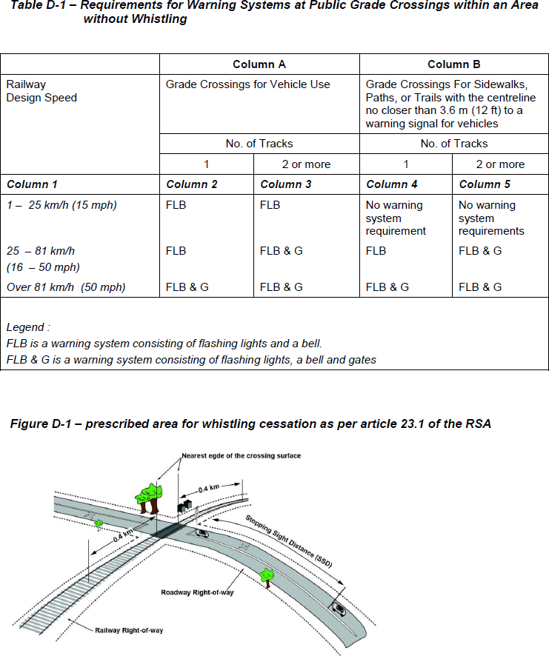

Sheet 18 |  |  |  |  | WHISTLE CESSATION |  |  |  |  |  |  |  |  |  |  |  |  |  |  |  |  |  |  |  |  |  |  | GCS Appendix D

Source |  |  | Item |  |  |  |  |  |  |  |  |  |  |  |  |  |  |  |  |  |  |  |  |  |  |  |  |  | Reference
Rail |  |  | Is train whistling prohibited at this crossing?
 |  |  | 24 hours per day?
 |  |  | Requirements
observe |  |  | Is there evidence of routine unauthorized access (trespassing) on the rail line in the area of the crossing? Comment below. |  |  |  |  |  |  |  |  |  |  |  |  |  |  |  |  |  |  |  |  |  |  |  |  |  | GCR 104 ©

look-up |  |  | What is the required type of warning system as per Table D-1? |  |  |  |  |  |  |  |  |  |  |  |  |  |  |  |  |  |  |  |  | No Value |  |  |  |  | GCS Appendix D
observe |  |  | Are the requirements of Table D-1 met? |  |  |  |  |  |  |  |  |  |  |  |  |  |  |  |  |  |  |  |  | No Value |  |  |  |  | GCR 104 (a)(i)
look-up |  |  | Further to Column A of Table D-1, is a crossing warning system with gates installed per GCS 9.2? |  |  |  |  |  |  |  |  |  |  |  |  |  |  |  |  |  |  |  |  | No Value |  |  |  |  | GCR 105

look-up |  |  | Does crossing warning system meet requirements of GCS 12-16? |  |  |  |  |  |  |  |  |  |  |  |  |  |  |  |  |  |  |  |  |  |  |  |  |  | GCR 105 and 106
observe |  |  | If Stop and Proceed, is crossing equipped with FLB meeting GCS 12-16 or manually protected? |  |  |  |  |  |  |  |  |  |  |  |  |  |  |  |  |  |  |  |  |  |  |  |  |  | GCR 107

Comments Following Site Visit:

Additional Prompt Lists

Human Factors

• | Control device visibility / background visual clutter
• | Driver workload through this area (i.e., are there numerous factors that simultaneously require the driver's attention, such as
 | traffic lights, pedestrian activity, merging/entering traffic, commercial signing, etc.).
• | Driver expectancy of the environment (i.e., are the control measures in keeping with the design levels of the road system and
 | adjacent environment).
• | Need for positive guidance.
• | Conflicts between road and railway signs and signals.

Environmental Factors
• | Extreme weather conditions.
• | Lighting issues (night, dawn/dusk, tunnels, adjacent facilities, headlight or sunlight glare, etc.).
• | Landscaping or vegetation.
• | Integration with surrounding land uses (e.g., parked vehicles blocking sightlines, merging traffic lanes, etc.).

All Road Users
• | Have needs of the following been met:
 |  | - | pedestrians (including strollers, baby carriages, and blind persons)
 |  | - | children
 |  | - | elderly
 |  | - | bicyclists
 |  | - | motorcyclists
 |  | - | over-sized trucks
 |  | - | buses
 |  | - | recreational vehicles
 |  | - | wheelchairs, scooters, walkers, etc.
 |  | - | rollerblades

Comments Following Site Visit:

SCENE PHOTOGRAPHS

North / East Road Approach

South or West Road Approach

SCENE PHOTOGRAPHS

North / East Rail Approach

South or West Rail Approach

SCENE PHOTOGRAPHS

North / East Road Approach, Looking Left

North / East Road Approach, Looking Right

SCENE PHOTOGRAPHS

South or West Road Approach, Looking Left

South or West Road Approach, Looking Right

