Context
重载生命周期相关函数观察执行流程，并且观察相应的Porperty是何时加载完成 | Build | Target | Platform
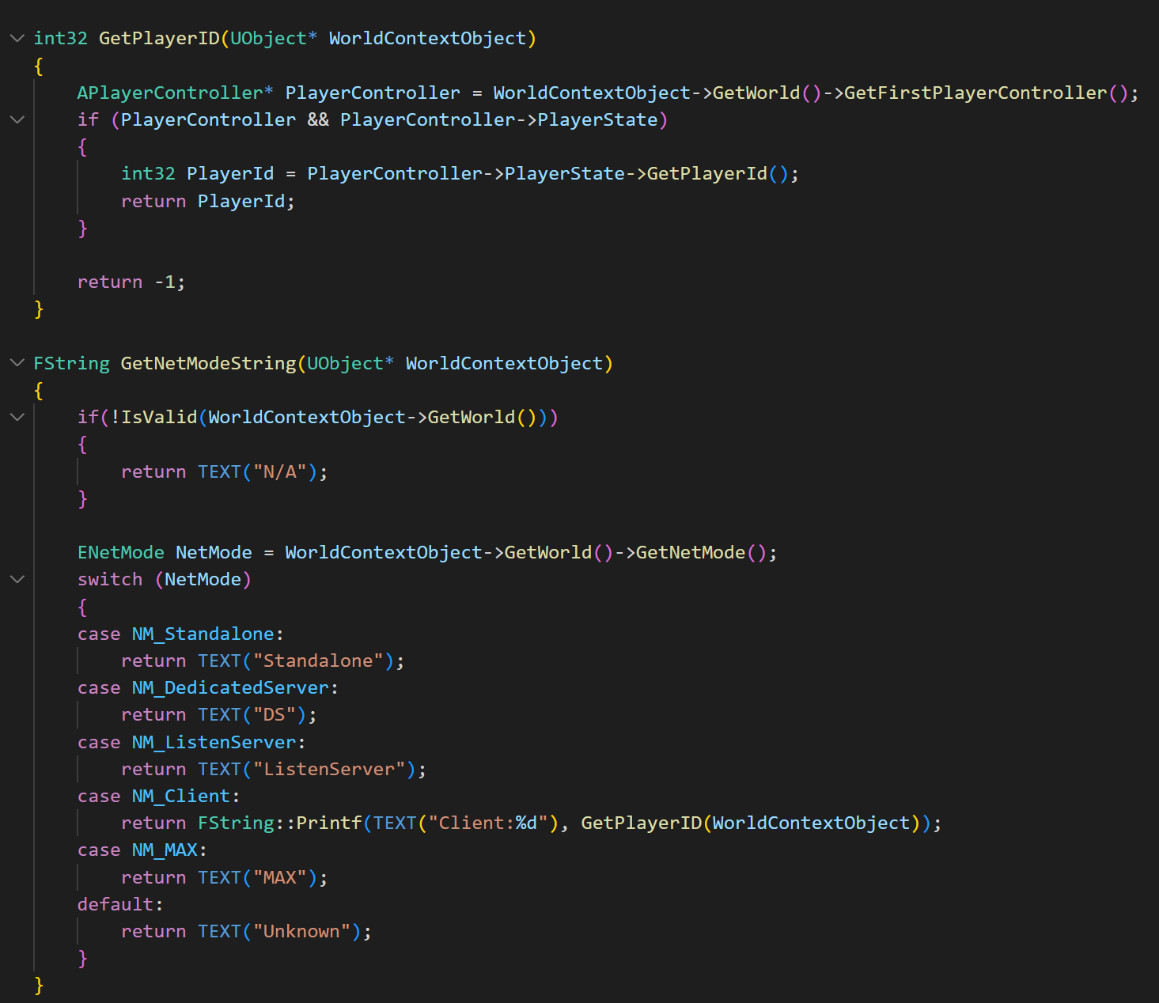 | Debug | Client(Game) | Win64
 | DebugGame | Editor | Android
 | Development | Server | Mac
 | Shipping |  | iOS
 | Test

 | Visual Studio Build Config |  |  | VSCode Build Config
 | 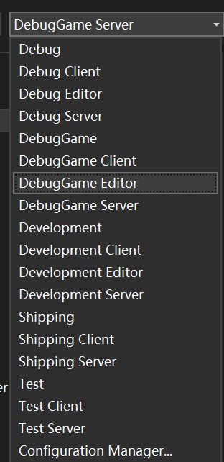 |  |  | 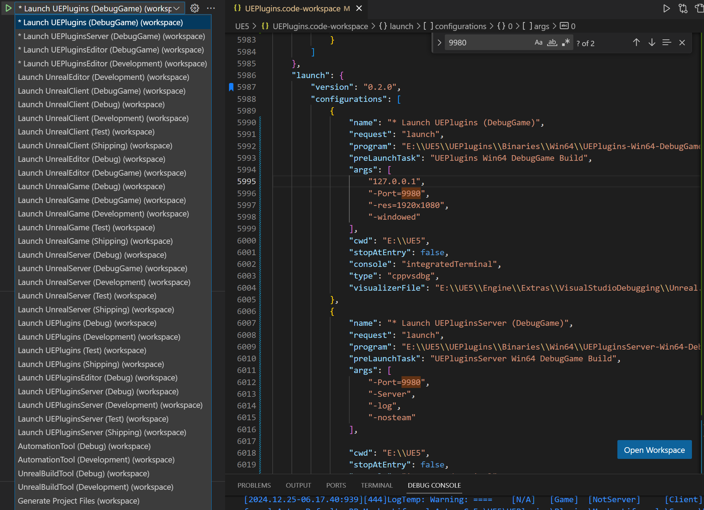

结论
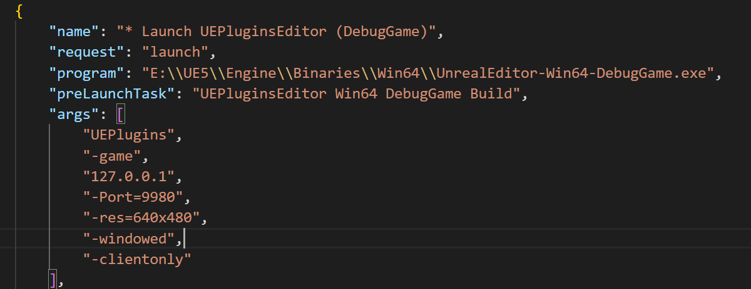
不要只在PIE中调试联网功能，最终要独立运行验证功能。

运行非Editor下的Game/DS要先 Cook Content

安全处理属性需要在以下函数开始
UMockupLifecycleActorComponent::OnRegister
AMockupLifecycleActor::PostInitializeComponents

GIsEditor为true时，GIsServer、GIsClient同样为True (PIE陷阱）
NetMode并不是静态的值

采用以下编译时确定的函数(CoreMisc.h)（在Editor中均无效）
IsRunningDedicatedServer()
IsRunningGame()
IsRunningClientOnly()仅对打包的版本有效， 或用editor版本加-clientonly启动

Role
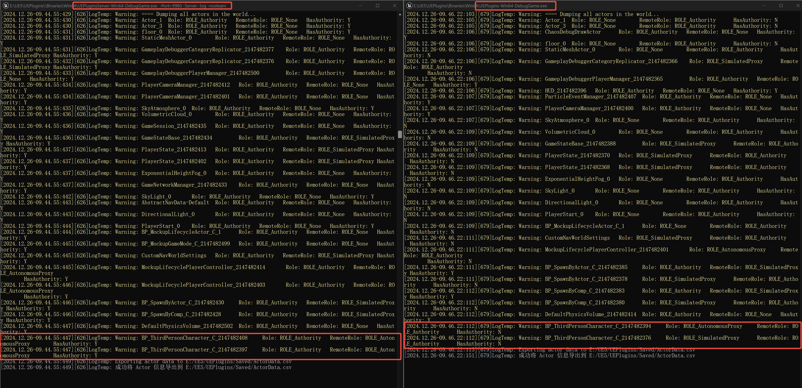
在DS环境下，2个客户端连上去后，各自的PlayerCharacter在DS（左）和Client（右）的Role、RemoteRole的情况

RoleSpawnAnywhere
Client |  |  |  | DS
ActorName | Role | RemoteRole | HasAuthority | ActorName | Role | RemoteRole | HasAuthority
Actor_1 | ROLE_None | ROLE_Authority | N | Actor_1 | ROLE_Authority | ROLE_None | Y
Actor_3 | ROLE_None | ROLE_Authority | N | Actor_3 | ROLE_Authority | ROLE_None | Y
floor_0 | ROLE_None | ROLE_Authority | N | floor_0 | ROLE_Authority | ROLE_None | Y
StaticMeshActor_0 | ROLE_None | ROLE_Authority | N | StaticMeshActor_0 | ROLE_Authority | ROLE_None | Y
GameplayDebuggerCategoryReplicator_2147482366 | ROLE_SimulatedProxy | ROLE_Authority | N | GameplayDebuggerCategoryReplicator_2147482403 | ROLE_Authority | ROLE_SimulatedProxy | Y
 |  |  |  | GameplayDebuggerCategoryReplicator_2147482375 | ROLE_Authority | ROLE_SimulatedProxy | Y
GameplayDebuggerPlayerManager_2147482365 | ROLE_Authority | ROLE_None | Y | GameplayDebuggerPlayerManager_2147482500 | ROLE_Authority | ROLE_None | Y
PlayerCameraManager_2147482400 | ROLE_Authority | ROLE_None | Y | PlayerCameraManager_2147482418 | ROLE_Authority | ROLE_None | Y
 |  |  |  | PlayerCameraManager_2147482393 | ROLE_Authority | ROLE_None | Y
SkyAtmosphere_0 | ROLE_None | ROLE_Authority | N | SkyAtmosphere_0 | ROLE_Authority | ROLE_None | Y
VolumetricCloud_0 | ROLE_None | ROLE_Authority | N | VolumetricCloud_0 | ROLE_Authority | ROLE_None | Y
 |  |  |  | GameSession_2147482435 | ROLE_Authority | ROLE_None | Y
GameStateBase_2147482374 | ROLE_SimulatedProxy | ROLE_Authority | N | GameStateBase_2147482434 | ROLE_Authority | ROLE_SimulatedProxy | Y
PlayerState_2147482377 | ROLE_SimulatedProxy | ROLE_Authority | N | PlayerState_2147482419 | ROLE_Authority | ROLE_SimulatedProxy | Y
PlayerState_2147482368 | ROLE_SimulatedProxy | ROLE_Authority | N | PlayerState_2147482394 | ROLE_Authority | ROLE_SimulatedProxy | Y
ExponentialHeightFog_0 | ROLE_None | ROLE_Authority | N | ExponentialHeightFog_0 | ROLE_Authority | ROLE_None | Y
 |  |  |  | GameNetworkManager_2147482433 | ROLE_Authority | ROLE_None | Y
SkyLight_0 | ROLE_None | ROLE_Authority | N | SkyLight_0 | ROLE_Authority | ROLE_None | Y
 |  |  |  | AbstractNavData-Default | ROLE_Authority | ROLE_None | Y
DirectionalLight_0 | ROLE_None | ROLE_Authority | N | DirectionalLight_0 | ROLE_Authority | ROLE_None | Y
PlayerStart_0 | ROLE_None | ROLE_Authority | N | PlayerStart_0 | ROLE_Authority | ROLE_None | Y
BP_MockupLifecycleActor_C_1 | ROLE_None | ROLE_Authority | N | BP_MockupLifecycleActor_C_1 | ROLE_Authority | ROLE_None | Y
 |  |  |  | BP_MockupGameMode_C_2147482499 | ROLE_Authority | ROLE_None | Y
CustomNavWorldSettings | ROLE_SimulatedProxy | ROLE_Authority | N | CustomNavWorldSettings | ROLE_Authority | ROLE_SimulatedProxy | Y
MockupLifecyclePlayerController_2147482401 | ROLE_AutonomousProxy | ROLE_Authority | N | MockupLifecyclePlayerController_2147482420 | ROLE_Authority | ROLE_AutonomousProxy | Y
 |  |  |  | MockupLifecyclePlayerController_2147482395 | ROLE_Authority | ROLE_AutonomousProxy | Y
BP_SpawnByActor_C_2147482385 | ROLE_SimulatedProxy | ROLE_Authority | N | BP_SpawnByActor_C_2147482430 | ROLE_Authority | ROLE_SimulatedProxy | Y
BP_SpawnByComp_C_2147482388 | ROLE_SimulatedProxy | ROLE_Authority | N | BP_SpawnByComp_C_2147482428 | ROLE_Authority | ROLE_SimulatedProxy | Y
DefaultPhysicsVolume_2147482414 | ROLE_Authority | ROLE_None | Y | DefaultPhysicsVolume_2147482502 | ROLE_Authority | ROLE_None | Y
BP_ThirdPersonCharacter_C_2147482394 | ROLE_AutonomousProxy | ROLE_Authority | N | BP_ThirdPersonCharacter_C_2147482414 | ROLE_Authority | ROLE_AutonomousProxy | Y
BP_ThirdPersonCharacter_C_2147482382 | ROLE_SimulatedProxy | ROLE_Authority | N | BP_ThirdPersonCharacter_C_2147482389 | ROLE_Authority | ROLE_AutonomousProxy | Y
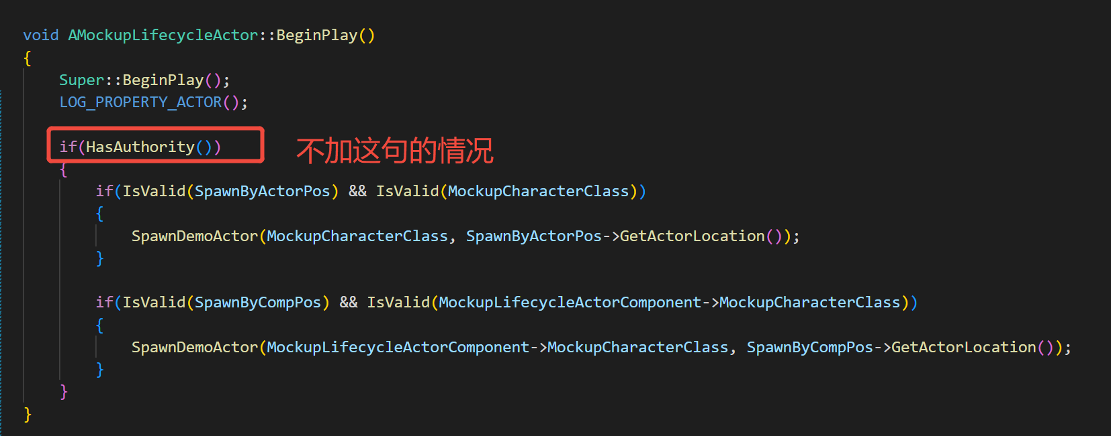
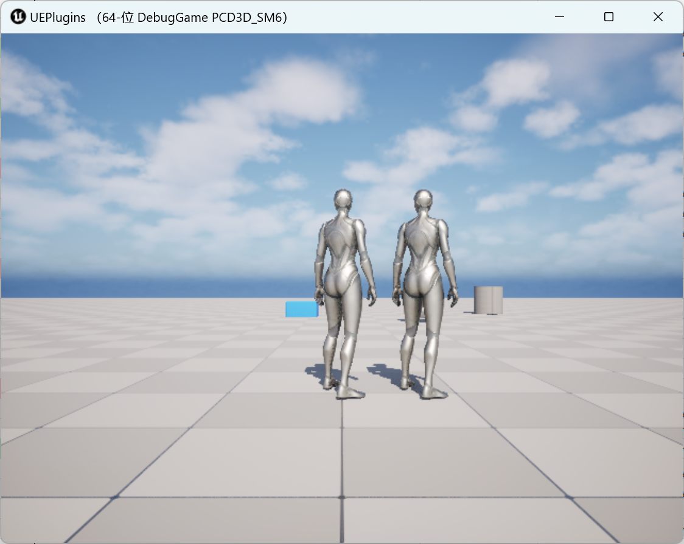
客户端独有
HUD_2147482396 | ROLE_Authority | ROLE_None | Y
ChaosDebugDrawActor | ROLE_Authority | ROLE_None | Y
ParticleEventManager_2147482407 | ROLE_Authority | ROLE_None | Y

客户端自己Spawn的对象
BP_SpawnByActor_C_2147482371 | ROLE_Authority | ROLE_SimulatedProxy | Y
BP_SpawnByComp_C_2147482370 | ROLE_Authority | ROLE_SimulatedProxy | Y

RoleSpawnOnDS
Client |  |  |  | DS
ActorName | Role | RemoteRole | HasAuthority | ActorName | Role | RemoteRole | HasAuthority
Actor_1 | ROLE_None | ROLE_Authority | N | Actor_1 | ROLE_Authority | ROLE_None | Y
Actor_3 | ROLE_None | ROLE_Authority | N | Actor_3 | ROLE_Authority | ROLE_None | Y
floor_0 | ROLE_None | ROLE_Authority | N | floor_0 | ROLE_Authority | ROLE_None | Y
StaticMeshActor_0 | ROLE_None | ROLE_Authority | N | StaticMeshActor_0 | ROLE_Authority | ROLE_None | Y
GameplayDebuggerCategoryReplicator_2147482368 | ROLE_SimulatedProxy | ROLE_Authority | N | GameplayDebuggerCategoryReplicator_2147482393 | ROLE_Authority | ROLE_SimulatedProxy | Y
 |  |  |  | GameplayDebuggerCategoryReplicator_2147482392 | ROLE_Authority | ROLE_SimulatedProxy | Y
GameplayDebuggerPlayerManager_2147482367 | ROLE_Authority | ROLE_None | Y | GameplayDebuggerPlayerManager_2147482500 | ROLE_Authority | ROLE_None | Y
PlayerCameraManager_2147482400 | ROLE_Authority | ROLE_None | Y | PlayerCameraManager_2147482412 | ROLE_Authority | ROLE_None | Y
 |  |  |  | PlayerCameraManager_2147482401 | ROLE_Authority | ROLE_None | Y
SkyAtmosphere_0 | ROLE_None | ROLE_Authority | N | SkyAtmosphere_0 | ROLE_Authority | ROLE_None | Y
VolumetricCloud_0 | ROLE_None | ROLE_Authority | N | VolumetricCloud_0 | ROLE_Authority | ROLE_None | Y
 |  |  |  | GameSession_2147482435 | ROLE_Authority | ROLE_None | Y
GameStateBase_2147482388 | ROLE_SimulatedProxy | ROLE_Authority | N | GameStateBase_2147482434 | ROLE_Authority | ROLE_SimulatedProxy | Y
PlayerState_2147482372 | ROLE_SimulatedProxy | ROLE_Authority | N | PlayerState_2147482413 | ROLE_Authority | ROLE_SimulatedProxy | Y
PlayerState_2147482370 | ROLE_SimulatedProxy | ROLE_Authority | N | PlayerState_2147482402 | ROLE_Authority | ROLE_SimulatedProxy | Y
ExponentialHeightFog_0 | ROLE_None | ROLE_Authority | N | ExponentialHeightFog_0 | ROLE_Authority | ROLE_None | Y
 |  |  |  | GameNetworkManager_2147482433 | ROLE_Authority | ROLE_None | Y
SkyLight_0 | ROLE_None | ROLE_Authority | N | SkyLight_0 | ROLE_Authority | ROLE_None | Y
 |  |  |  | AbstractNavData-Default | ROLE_Authority | ROLE_None | Y
DirectionalLight_0 | ROLE_None | ROLE_Authority | N | DirectionalLight_0 | ROLE_Authority | ROLE_None | Y
PlayerStart_0 | ROLE_None | ROLE_Authority | N | PlayerStart_0 | ROLE_Authority | ROLE_None | Y
BP_MockupLifecycleActor_C_1 | ROLE_None | ROLE_Authority | N | BP_MockupLifecycleActor_C_1 | ROLE_Authority | ROLE_None | Y
 |  |  |  | BP_MockupGameMode_C_2147482499 | ROLE_Authority | ROLE_None | Y
CustomNavWorldSettings | ROLE_SimulatedProxy | ROLE_Authority | N | CustomNavWorldSettings | ROLE_Authority | ROLE_SimulatedProxy | Y
MockupLifecyclePlayerController_2147482401 | ROLE_AutonomousProxy | ROLE_Authority | N | MockupLifecyclePlayerController_2147482414 | ROLE_Authority | ROLE_AutonomousProxy | Y
 |  |  |  | MockupLifecyclePlayerController_2147482403 | ROLE_Authority | ROLE_AutonomousProxy | Y
BP_SpawnByActor_C_2147482381 | ROLE_SimulatedProxy | ROLE_Authority | N | BP_SpawnByActor_C_2147482430 | ROLE_Authority | ROLE_SimulatedProxy | Y
BP_SpawnByComp_C_2147482384 | ROLE_SimulatedProxy | ROLE_Authority | N | BP_SpawnByComp_C_2147482428 | ROLE_Authority | ROLE_SimulatedProxy | Y
DefaultPhysicsVolume_2147482414 | ROLE_Authority | ROLE_None | Y | DefaultPhysicsVolume_2147482502 | ROLE_Authority | ROLE_None | Y
BP_ThirdPersonCharacter_C_2147482394 | ROLE_AutonomousProxy | ROLE_Authority | N | BP_ThirdPersonCharacter_C_2147482408 | ROLE_Authority | ROLE_AutonomousProxy | Y
BP_ThirdPersonCharacter_C_2147482378 | ROLE_SimulatedProxy | ROLE_Authority | N | BP_ThirdPersonCharacter_C_2147482397 | ROLE_Authority | ROLE_AutonomousProxy | Y
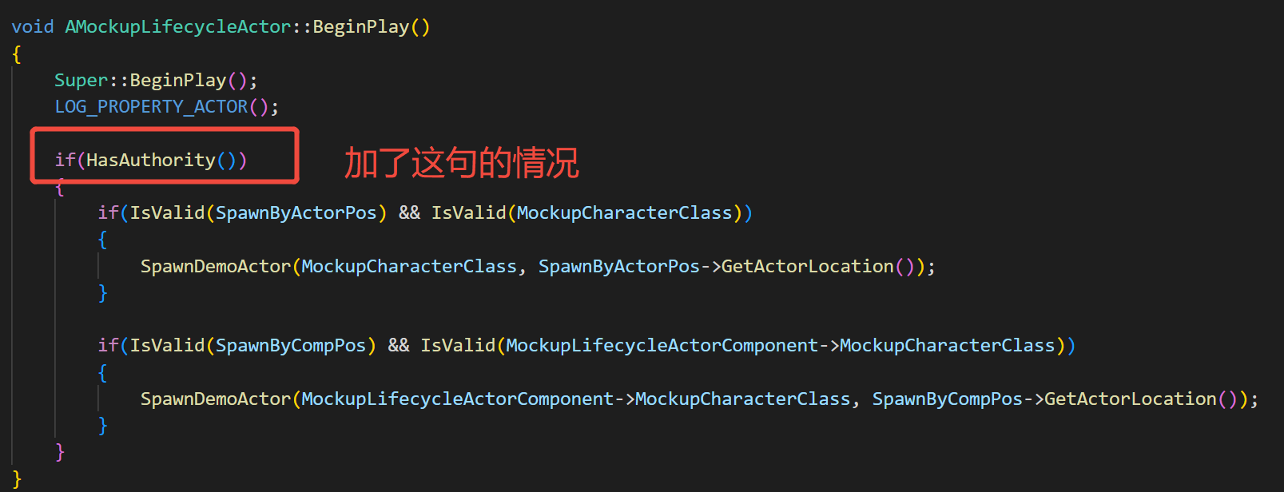
客户端独有
HUD_2147482396 | ROLE_Authority | ROLE_None | Y
ChaosDebugDrawActor | ROLE_Authority | ROLE_None | Y
ParticleEventManager_2147482407 | ROLE_Authority | ROLE_None | Y

客户端自己Spawn的对象

