BOM
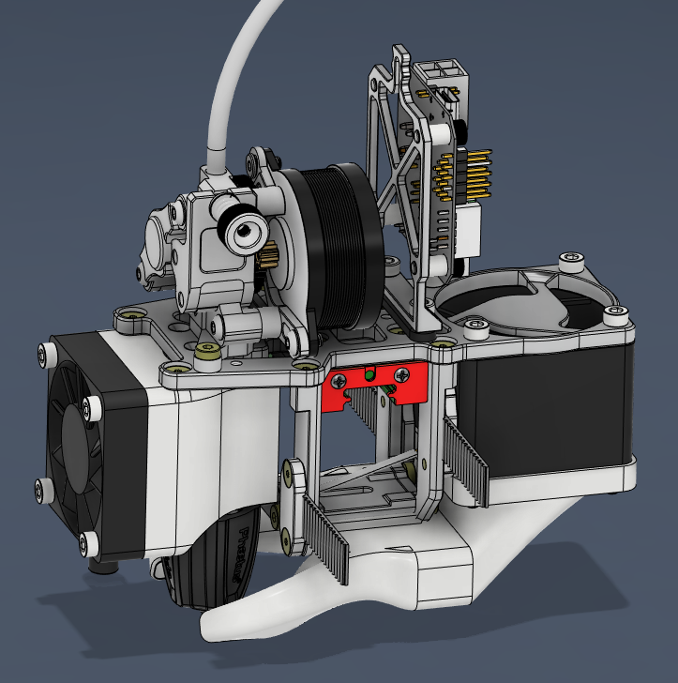
 | Osmoz 3D

Assembly Name | customHead
Drive | Orbiter
Hotend | Goliath
Assembly Revision | v69
Date of update | 2023-12-21
Total Piece | 79
Total Cost | € 220.03

Raw Materials | Assemblies & Subassemblies | Part Name | Part Description | Procurement Details | Unit Cost | Quantity | Total Cost
aluminium | main | topSupportPlate | Top part of the cage | https://spannsysteme.shop/kategorie/3d-printer | € - | 1 | € -
aluminium | main | frontSupportPlate | Front part of the cage | https://spannsysteme.shop/kategorie/3d-printer | € - | 1 | € -
aluminium | main | backSupportPlate | Back part of the cage | https://spannsysteme.shop/kategorie/3d-printer | € - | 1 | € -
aluminium | main | bottomSupportPlate | Bottom part of the cage | https://spannsysteme.shop/kategorie/3d-printer | € - | 1 | € -
aluminium | main | ebb42Plate | Support for the ebb42 board | https://spannsysteme.shop/kategorie/3d-printer | € - | 1 | € -
electronic | main | ebb42 | The control board | AliExpress or any 3D printer supplier | € 23.53 | 1 | € 23.53
electronic | main | endstopModule | Axis limit switch | AliExpress or any 3D printer supplier | € 0.78 | 1 | € 0.78
aluminium | main | beltGrabber-1 | To hold the belt in place | https://spannsysteme.shop/kategorie/3d-printer | € - | 2 | € -
aluminium | main | beltGrabber-2 | To hold the belt in place | https://spannsysteme.shop/kategorie/3d-printer | € - | 2 | € -
steel | main | MGN12Carriage | To hold the printhead | AliExpress or any 3D printer supplier | € 2.26 | 1 | € 2.26
ASA | main | sensorSupport | To hold the limit switch | 3D printed by yourself | € - | 1 | € -
steel | main | M3x6 - Torx - 8.8 | Countersunk screw M3 * 6mm | Any hardware store | € 0.04 | 22 | € 0.94
steel | main | M3 x 6 - 8.8 | Caphead screw M3 * 6mm | Any hardware store | € 0.03 | 4 | € 0.13
nylon | main | Nylon Unthreaded Spacer | Nylon Spacer M3 * 5mm | Any hardware store | € 0.02 | 4 | € 0.09
steel | main | 18-8 Stainless Steel screw | Caphead screw M3 * 8mm | Any hardware store | € 0.04 | 6 | € 0.21
misc | main | GoliathAir | The Goliath hotend | AliExpress or any 3D printer supplier | € 139.28 | 1 | € 139.28
misc | rapidoAssembly | rapido | The Rapido hotend | AliExpress or any 3D printer supplier | € 97.71 | 0 | € -
misc | mosquitoAssembly | mosquito | The mosquito hotend | https://www.sliceengineering.com/products/the-mosquito-hotend | € 149.99 | 0 | € -
electronic | goliathFanSystem, mosquitoAssembly, rapidoAssembly | hotendFan | Cooling fan for hotend | AliExpress or any 3D printer supplier | € 4.05 | 1 | € 4.05
electronic | goliathFanSystem, mosquitoAssembly, rapidoAssembly | superPinda | Bed limit switch | https://ratrig.com/rat-rig-superpinda-probe-by-pepperl-fuchs-inductive-5vdc-sensor.html | € 42.09 | 1 | € 42.09
ASA | goliathFanSystem | fanAdapterGoliath | Duct for the hotend cooling | 3D printed by yourself | € - | 1 | € -
misc | extrudortAssembly | Vz-Hextrudort | The hextrudort drive | AliExpress or any 3D printer supplier | € - | 0 | € -
aluminium | extrudortAssembly | mountingPlate | Plate to interface with cage | https://spannsysteme.shop/kategorie/3d-printer | € - | 0 | € -
misc | goliathPartCooling, rapidoPartCooling | 4028AxialFan | Part cooling fan | AliExpress or any 3D printer supplier | € 4.54 | 1 | € 4.54
steel | goliathFanSystem, mosquitoAssembly, rapidoAssembly | Alloy Steel Socket Head Screw | Caphead screw M3 * 18mm | Any hardware store | € 0.04 | 1 | € 0.04
steel | goliathPartCooling, rapidoPartCooling | Stainless Steel Hex Nut | M3 nut | Any hardware store | € 0.02 | 5 | € 0.09
steel | goliathPartCooling, rapidoPartCooling | Alloy Steel Socket Head Screw | Caphead screw M3 * 40mm | Any hardware store | € 0.40 | 4 | € 1.62
steel | goliathFanSystem, mosquitoAssembly, rapidoAssembly | Alloy Steel Socket Head Screw | Caphead screw M3 * 14mm | Any hardware store | € 0.04 | 4 | € 0.16
brass | goliathFanSystem | brassInsertM3x4 | Brass insert M3 * 4mm | Any hardware store | € 0.01 | 2 | € 0.11
ASA | goliathPartCooling | 40mmFanInletGoliath | To hold the cooling fan | 3D printed by yourself | € - | 1 | € -
ASA | goliathPartCooling | bottomHornsGoliath | Duct for the part cooling | 3D printed by yourself | € - | 1 | € -
ASA | rapidoPartCooling | rapidoPartCooling | To hold the cooling fan | 3D printed by yourself | € - | 0 | € -
ASA | rapidoPartCooling | bottomHornsGoliath | Duct for the part cooling | 3D printed by yourself | € - | 0 | € -
brass | main, goliathFanSystem, mosquitoAssembly, rapidoAssembly | brassInsertM3x5 | Brass insert M3 * 5mm | Any hardware store | € 0.02 | 7 | € 0.11
 |  |  |  |  | TOTAL | 79 | € 220.03

