DyeVert - Summary Analytics
DyeVert Display Data Analysis - All Cases

Baseline Renal Function
 | Renal Function - Value (eGFR) | Renal Function - Value (CrCL) | Renal Function - Value (SCr) | Baseline Renal Function (Calculated) | Combined Baseline Renal Function (eGFR or CrCl)
N
Mean
STD
Min
Max

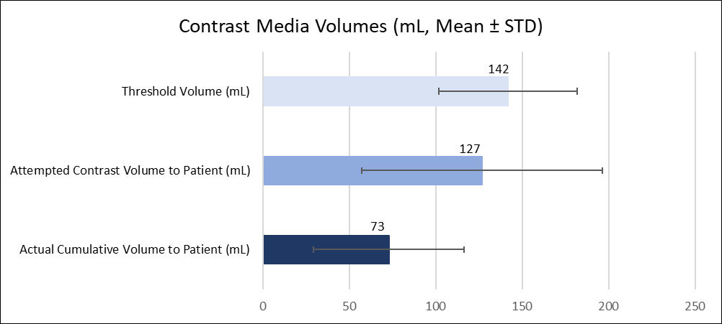
Contrast Use and Savings Analysis |  |  |  |  |  |  | <Currently, these three columns are just used for the Registry, would we ever want to use them commercially? I don't think so but should confirm.>
 | Threshold Volume (mL) | Attempted Contrast Volume to Patient (mL) | Diverted Contrast Volume (mL) | Percentage Contrast Diverted (Saved) (%) | Cumulative Volume to Patient (mL) | Percentage of Threshold (%) | Amount of contrast delivered when diversion was off (mL) | Theoretical cumulative volume to patient if DyeVert was on continuously (mL) | Percent of threhold with theoretical value
N
Mean
STD
Min
Max
Sum
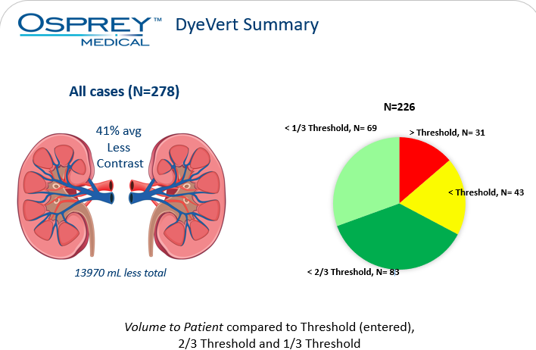
 | N | %
Cases with CV to Patient < 1/3 Threshold | 69 | 31%
Cases with CV to Patient is >1/3 to 2/3 Threshold | 83 | 37%
Cases with CV to Patient is >2/3 to Full Threshold | 43 | 19%
Cases with CV to Patient > Threshold | 31 | 14%
Total | 226 | 100%

Contrast Volume-to-eGFR Ratio Analysis
 | Cumulative Volume to Patient (mL) | Attempted Contrast Volume to Patient (mL) | Combined Baseline Renal Function (eGFR or CrCl) | Attempted CV/eGFR Ratio | Actual CV/eGFR Ratio | Attempted vs Actual CV/eGFR Ratio Difference
Mean | 73 | 127 | 47 | 2.9 | 1.6 | 1.2
STD | 43 | 70 | 13 | 1.7 | 1.1 | 0.7
Min | 16 | 22 | 10 | 0.6 | 0.3 | 0.2
Max | 228 | 382 | 94 | 12.8 | 8.7 | 4.0
Contrast Volume/Baseline eGFR Ratio Decile Distribution

Baseline CV/eGFR Decile | DyeVert Attempted CV/eGFR Ratio |  | DyeVert Actual CV/eGFR Ratio
 | N | % | N | %
0-1 | 13 | 5.0% | 88 | 34.0%
1.1-2.0 | 91 | 35.1% | 103 | 39.8%
2.1-3.0 | 62 | 23.9% | 40 | 15.4%
3.1-4.0 | 44 | 17.0% | 21 | 8.1%
4.1-5.0 | 20 | 7.7% | 5 | 1.9%
5.1-6.0 | 12 | 4.6% | 1 | 0.4%
>6.0 | 17 | 6.6% | 1 | 0.4%
Total | 259 | 100.0% | 259 | 100.0%

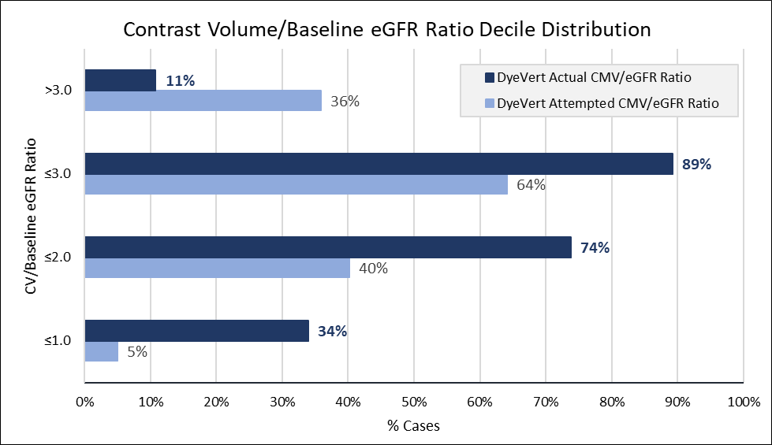
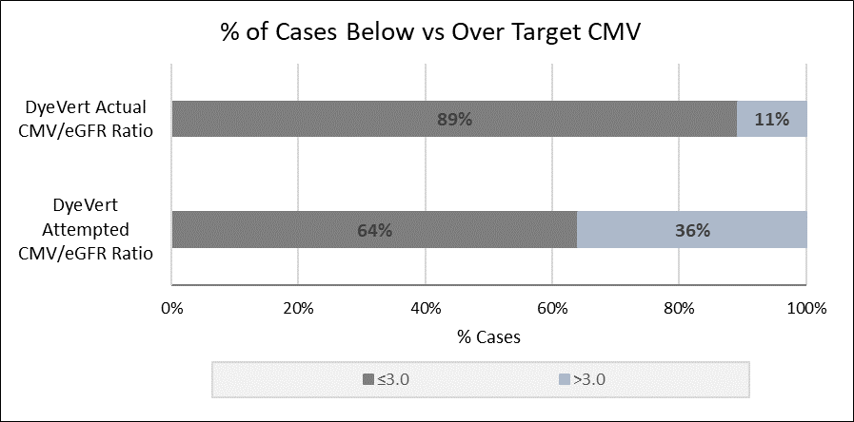
% of Cases Falling in each CV/eGFR Ratio Subgroup
Baseline CV/eGFR Decile | DyeVert Attempted CMV/eGFR Ratio | DyeVert Actual CMV/eGFR Ratio
≤1.0 | 5% | 34%
≤2.0 | 40% | 74%
≤3.0 | 64% | 89%
>3.0 | 36% | 11%

% of Cases Falling in each CV/eGFR Ratio Subgroup
Baseline CV/eGFR Decile | DyeVert Attempted CMV/eGFR Ratio | DyeVert Actual CMV/eGFR Ratio
0-1 | 5% | 34%
1.1-2.0 | 35% | 40%
2.1-3.0 | 24% | 15%
3.1-4.0 | 17% | 8%
4.1-5.0 | 8% | 2%
Contrast Volume/Baseline eGFR Ratio Decile Distribution
>5.0 | 11% | 1%

