Sheet1
Flowchart PFE Project

 | Start

 | Motor & Control parameters

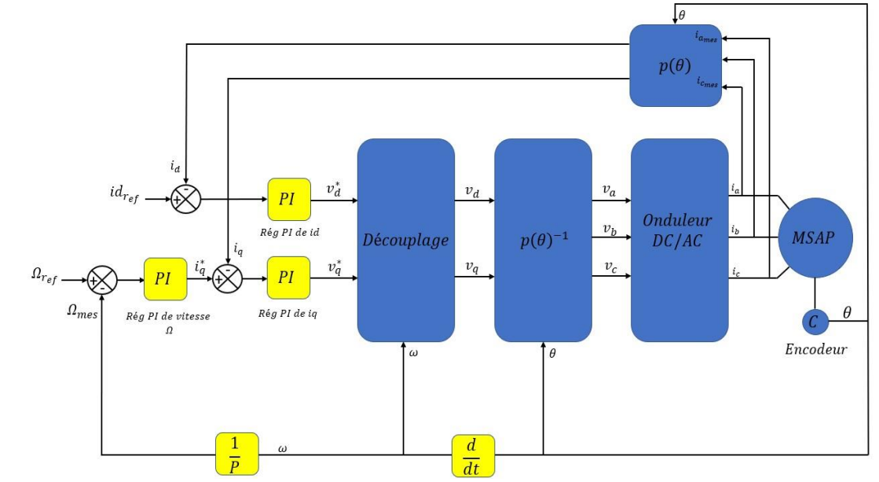
 | Mesure
 | * Currents (Iq, Id)
 | * Rotor position (θ)
 | * Calculate stator flux (ψ) "Cte"

 | Calculate Reference Values
 | Desired torque (T_ref) _ Ωref
 | Desired id (id_ref)

 | Calculate Errors
 | Torque error (ΔT)
 | id error (Δid)

 | Control Torque
 | Adjust q-axis current (Iq)
 | Adjust d-axis current (Id)

 | Calculate Voltage References
 | Convert current references to
 | voltage references (Vq_ref, Vd_ref)

UT : Partie SIL
 | Generate switching signals for inverter based on voltage references{PWM}

 | Apply generated PWM signals to inverter to control voltage

 | Update control parameters based on system performance

UT/IT
 | Check if system needs to be stopped

 | Repeat the control loop continuously

 | Stop

 |  | 2024-03-01

