Лист1
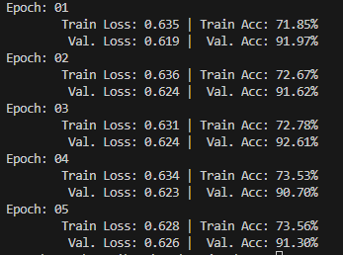
model | epoch | train_loss | val_loss | train_acc | val_acc | resnet50
resnet50 | 1 | 0.635 | 0.619 | 71.85% | 91.97%
 | 2 | 0.636 | 0.624 | 72.67% | 91.62%
 | 3 | 0.631 | 0.624 | 72.78% | 92.61%
 | 4 | 0.634 | 0.623 | 73.53% | 90.70%
 | 5 | 0.628 | 0.626 | 73.56% | 91.30%
resnet18 | 1 | 0.761 | 0.739 | 42.72% | 34.16%
 | 2 | 0.76 | 0.74 | 42.56% | 34.39%
 | 3 | 0.768 | 0.747 | 41.74% | 32.59%
 | 4 | 0.765 | 0.743 | 42.78% | 33.79%
 | 5 | 0.751 | 0.749 | 44.05% | 30.74%
resnet34 | 1 | 1.037 | 1.009 | 17.36% | 13.14%
 | 2 | 1.035 | 1.009 | 18.14% | 13.17%
 | 3 | 1.025 | 1.003 | 17.12% | 13.17%
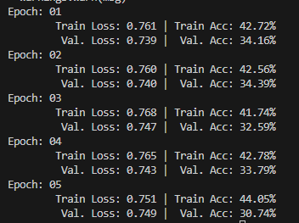
 | 4 | 1.025 | 1.002 | 17.61% | 13.14% | resnet18
 | 5 | 1.026 | 1.003 | 17.72% | 13.17%

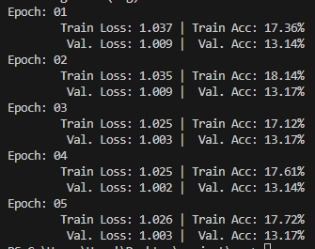
 |  |  |  |  |  | resnet34

