Dashboard
Niger Republique Preliminary Baseline Analysis
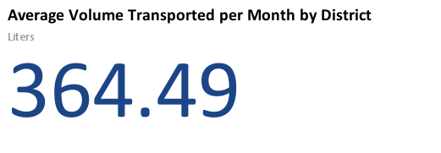
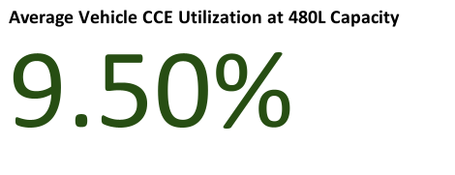
Closed Vial Wastage
 | Total Closed Vial Wastage

Mobile Immunization Strategy
Immunization Sessions Conducted

Wastage
Weeks | Baseline Doses Transported | Baseline Doses Damaged | Baseline Reason | VLC Doses Transported | VLC Doses Damaged | VLC Reason
Week 1 | 12200 | 50 | Freeze | #ERROR! | 0
Week 2 | 13400 | 40 | Heat | #ERROR! | 20 | Vial Breakage
Week 3 | 12300 | 20 | Freeze | #ERROR! | 0
Week 4 | 11000 | 10 | Vial Breakage | #ERROR! | 0
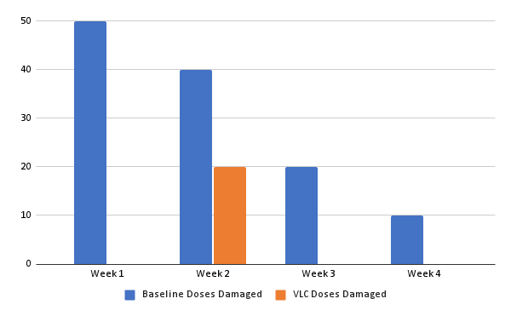
Week 5 |  |  |  | #ERROR! | 0
Week 6
Week 7
Week 8
Week 9
Week 10
Week 11
Week 12
Week 13
Week 14
Week 15
Week 16
Week 17
Week 18
Week 19
Week 20
Week 21
Week 22
Week 23
Week 24
Week 25
Week 26
Week 27
Week 28
Week 29
Week 30
Week 31
Week 32
Week 33
Week 34
Week 35
Week 36
Week 37
Week 38
Week 39
Week 40
Week 41
Week 42
Week 43
Week 44
Week 45
Week 46
Week 47
Week 48
Week 49
Week 50
Week 51
Week 52

 |  |  |  |  |  |  | Heat
 |  |  |  |  |  |  | Freeze
 |  |  |  |  |  |  | Vial Breakage

Pivot Table 1
 |  | Districts | Fixed | Outreach | Mobile | Total
 |  | Loga | 2234 | 601 | 12 | 2,847
 |  | Dioundiou | 1355 | 498 | 35 | 1,888
 |  | Falmey | 2160 | 258 | 46 | 2,464
 |  | Dosso | 7606 | 1271 | 56 | 8,933
 |  | Gaya | 2418 | 890 | 82 | 3,390
 |  | Boboye | 5342 | 981 | 104 | 6,427
 |  | Tibiri | 2704 | 578 | 189 | 3,471
 |  | Dogondoutchi | 2455 | 1000 | 285 | 3,740

Fixed, Outreach and Mobile
Mobile Immunization Strategy

 | Total Closed Vial Wastage
 | 51
 | 40
 | 20
 | 65
 | 40
 | 46
 | 70
 | 44
 | 40
 | 90
Closed Vial Wastage

0
0
0
0
0
0
0
0

Pivot Table 2
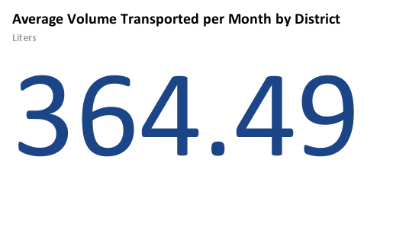
Volume of Vaccines Received by Districts

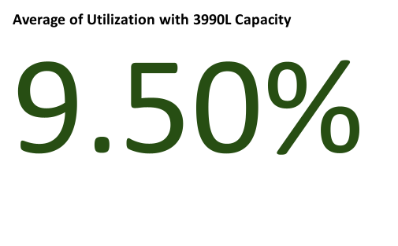

Monthly reports | Utilization with 3990L Capacity
Jan-2021 | 30.48%
Feb-2021 | 28.31%
Mar-2021 | 31.23%
Apr-2021 | 28.96%
May-2021 | 27.90%
Jun-2021 | 28.23%
Jul-2021 | 28.95%
Aug-2021 | 29.81%
Sep-2021 | 29.46%
Oct-2021 | 29.61%

Wastage Data
 |  |  |  |  |  |  |  |  |  |  | Total VVM | Vaccine | VVM | Freezing
 |  |  |  |  |  |  |  |  |  |  | 51 | PENTA | 0 | 0
 |  |  |  |  |  |  |  |  |  |  | 40 | VAR | 0 | 10
 |  |  |  |  |  |  |  |  |  |  | 20 | VPI | 10 | 10
 |  |  |  |  |  |  |  |  |  |  | 65 | MEN-A | 10 | 60
 |  |  |  |  |  |  |  |  |  |  | 40 | BCG | 20 | 80
 |  |  |  |  |  |  |  |  |  |  | 46 | PNEUMO | 44 | 0
 |  |  |  |  |  |  |  |  |  |  | 70 | ROTA | 92 | 0
 |  |  |  |  |  |  |  |  |  |  | 44 | VPO | 100 | 60
 |  |  |  |  |  |  |  |  |  |  | 40 | VAA | 100 | 120
 |  |  |  |  |  |  |  |  |  |  | 90 | TD | 130 | 0
 | 20 | 100 | 10 | 0 | 44 | 92 | 0 | 100 | 10 | 130

Closed Vial Wastage by Vaccine

 |  |  |  |  |  |  |  |  |  |  | Total Freezing
 |  |  |  |  |  |  |  |  |  |  | 20
 |  |  |  |  |  |  |  |  |  |  | 10
 |  |  |  |  |  |  |  |  |  |  | 50
 |  |  |  |  |  |  |  |  |  |  | 20
 |  |  |  |  |  |  |  |  |  |  | 110
 |  |  |  |  |  |  |  |  |  |  | 0
 |  |  |  |  |  |  |  |  |  |  | 10
 |  |  |  |  |  |  |  |  |  |  | 10
 |  |  |  |  |  |  |  |  |  |  | 40
 |  |  |  |  |  |  |  |  |  |  | 70
 | 80 | 60 | 10 | 0 | 0 | 0 | 10 | 120 | 60 | 0
 | 80 | 60 | 10 | 0 | 0 | 0 | 10 | 120 | 60 | 0

Wastage by Reason
Monthly reports | Total VVM Change | Total Freezing
Jan-2021 | 51 | 20
Feb-2021 | 40 | 10
Mar-2021 | 20 | 50
Apr-2021 | 65 | 20
May-2021 | 40 | 110
Jun-2021 | 46 | 0
Jul-2021 | 70 | 10
Aug-2021 | 44 | 10
Sep-2021 | 40 | 40
Oct-2021 | 90 | 70

