Site Map
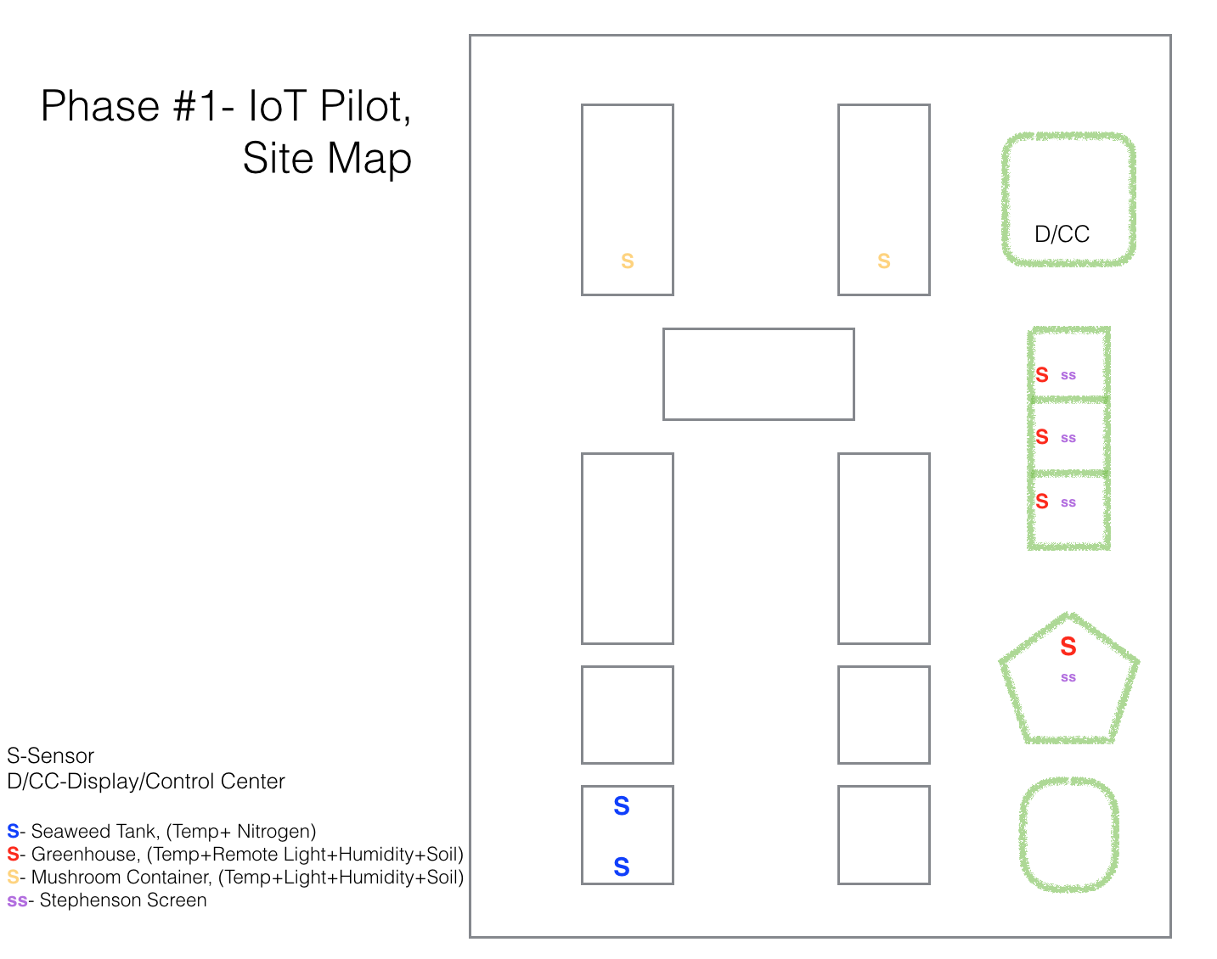

Network Diagram
GH 1

The Things Network infrastructure
GH 2

Internet
GH 3
Router/Firewall (optional but recommended)
Conduit
Ethernet
GH 4

Cloud-based server
Node-Red instance for processing sensor data
Sensor database (Influx)
Dashboard app
Wi-Fi
Local laptops for data display
S 1

S 2

M 1

M 2

Off-site laptops for data display

