Twist Instructions
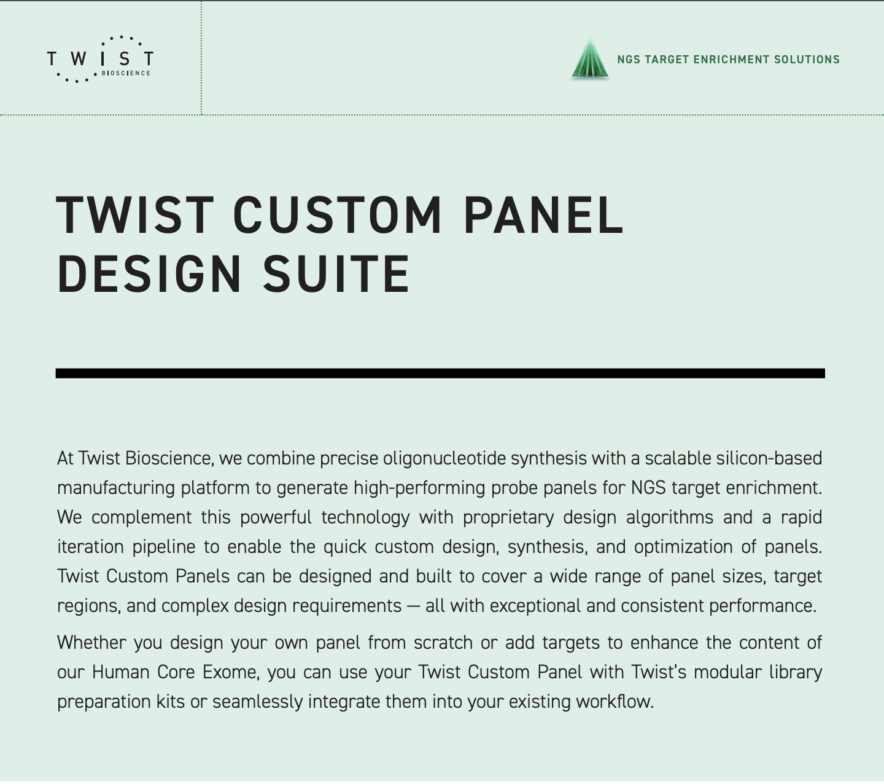
For more detailed information on our white glove custom panel design. Visit our website:
https://www.twistbioscience.com/sites/default/files/resources/2019-06/Guidelines_NGS_CustomPanelSuiteGuide_25Jun19_Rev1.pdf

Ship to:
Name | Julie VENDRELL
Department | Laboratoire de Biologie des Tumeurs Solides
Company | CHU de Montpellier
Address Line1 (Stree, PO) | 371 avene du Doyen Giraud
Address Line 2 (Building, Floor)
City | Montpellier
State
Zip | 34295
Phone | +33 4 67 33 07 85
Email Address | j-vendrell@chu-montpellier.fr

Panel Name |  | ADNct_v1
Species |  | human
Genome Build |  | hg19

