Sheet2
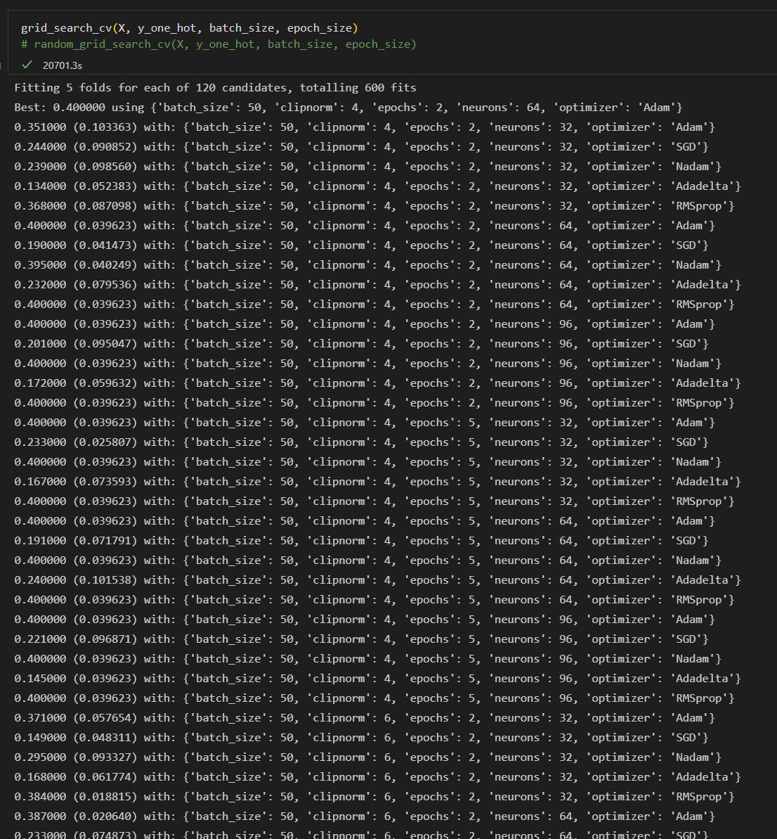
grid_search_cv(X, y_one_hot, batch_size, epoch_size)
# random_grid_search_cv(X, y_one_hot, batch_size, epoch_size)

Fitting 5 folds for each of 120 candidates, totalling 600 fits Best: 0.400000 using {'batch_size': 50, 'clipnorm': 4, 'epochs': 2, 'neurons': 64, 'optimizer': 'Adam'} 0.351000 (0.103363) with: {'batch_size': 50, 'clipnorm': 4, 'epochs': 2, 'neurons': 32, 'optimizer': 'Adam'} 0.244000 (0.090852) with: {'batch_size': 50, 'clipnorm': 4, 'epochs': 2, 'neurons': 32, 'optimizer': 'SGD'} 0.239000 (0.098560) with: {'batch_size': 50, 'clipnorm': 4, 'epochs': 2, 'neurons': 32, 'optimizer': 'Nadam'} 0.134000 (0.052383) with: {'batch_size': 50, 'clipnorm': 4, 'epochs': 2, 'neurons': 32, 'optimizer': 'Adadelta'} 0.368000 (0.087098) with: {'batch_size': 50, 'clipnorm': 4, 'epochs': 2, 'neurons': 32, 'optimizer': 'RMSprop'} 0.400000 (0.039623) with: {'batch_size': 50, 'clipnorm': 4, 'epochs': 2, 'neurons': 64, 'optimizer': 'Adam'} 0.190000 (0.041473) with: {'batch_size': 50, 'clipnorm': 4, 'epochs': 2, 'neurons': 64, 'optimizer': 'SGD'} 0.395000 (0.040249) with: {'batch_size': 50, 'clipnorm': 4, 'epochs': 2, 'neurons': 64, 'optimizer': 'Nadam'} 0.232000 (0.079536) with: {'batch_size': 50, 'clipnorm': 4, 'epochs': 2, 'neurons': 64, 'optimizer': 'Adadelta'} 0.400000 (0.039623) with: {'batch_size': 50, 'clipnorm': 4, 'epochs': 2, 'neurons': 64, 'optimizer': 'RMSprop'} 0.400000 (0.039623) with: {'batch_size': 50, 'clipnorm': 4, 'epochs': 2, 'neurons': 96, 'optimizer': 'Adam'} 0.201000 (0.095047) with: {'batch_size': 50, 'clipnorm': 4, 'epochs': 2, 'neurons': 96, 'optimizer': 'SGD'} 0.400000 (0.039623) with: {'batch_size': 50, 'clipnorm': 4, 'epochs': 2, 'neurons': 96, 'optimizer': 'Nadam'} 0.172000 (0.059632) with: {'batch_size': 50, 'clipnorm': 4, 'epochs': 2, 'neurons': 96, 'optimizer': 'Adadelta'} 0.400000 (0.039623) with: {'batch_size': 50, 'clipnorm': 4, 'epochs': 2, 'neurons': 96, 'optimizer': 'RMSprop'} 0.400000 (0.039623) with: {'batch_size': 50, 'clipnorm': 4, 'epochs': 5, 'neurons': 32, 'optimizer': 'Adam'} 0.233000 (0.025807) with: {'batch_size': 50, 'clipnorm': 4, 'epochs'

Best: 0.400000 using {'batch_size': 50, 'clipnorm': 4, 'epochs': 2, 'neurons': 64, 'optimizer': 'Adam'} 0.351000 (0.103363) with: {'batch_size': 50, 'clipnorm': 4, 'epochs': 2, 'neurons': 32, 'optimizer': 'Adam'} 0.244000 (0.090852) with: {'batch_size': 50, 'clipnorm': 4, 'epochs': 2, 'neurons': 32, 'optimizer': 'SGD'} 0.239000 (0.098560) with: {'batch_size': 50, 'clipnorm': 4, 'epochs': 2, 'neurons': 32, 'optimizer': 'Nadam'} 0.134000 (0.052383) with: {'batch_size': 50, 'clipnorm': 4, 'epochs': 2, 'neurons': 32, 'optimizer': 'Adadelta'} 0.368000 (0.087098) with: {'batch_size': 50, 'clipnorm': 4, 'epochs': 2, 'neurons': 32, 'optimizer': 'RMSprop'} 0.400000 (0.039623) with: {'batch_size': 50, 'clipnorm': 4, 'epochs': 2, 'neurons': 64, 'optimizer': 'Adam'} 0.190000 (0.041473) with: {'batch_size': 50, 'clipnorm': 4, 'epochs': 2, 'neurons': 64, 'optimizer': 'SGD'} 0.395000 (0.040249) with: {'batch_size': 50, 'clipnorm': 4, 'epochs': 2, 'neurons': 64, 'optimizer': 'Nadam'} 0.232000 (0.079536) with: {'batch_size': 50, 'clipnorm': 4, 'epochs': 2, 'neurons': 64, 'optimizer': 'Adadelta'} 0.400000 (0.039623) with: {'batch_size': 50, 'clipnorm': 4, 'epochs': 2, 'neurons': 64, 'optimizer': 'RMSprop'} 0.400000 (0.039623) with: {'batch_size': 50, 'clipnorm': 4, 'epochs': 2, 'neurons': 96, 'optimizer': 'Adam'} 0.201000 (0.095047) with: {'batch_size': 50, 'clipnorm': 4, 'epochs': 2, 'neurons': 96, 'optimizer': 'SGD'} 0.400000 (0.039623) with: {'batch_size': 50, 'clipnorm': 4, 'epochs': 2, 'neurons': 96, 'optimizer': 'Nadam'} 0.172000 (0.059632) with: {'batch_size': 50, 'clipnorm': 4, 'epochs': 2, 'neurons': 96, 'optimizer': 'Adadelta'} 0.400000 (0.039623) with: {'batch_size': 50, 'clipnorm': 4, 'epochs': 2, 'neurons': 96, 'optimizer': 'RMSprop'} 0.400000 (0.039623) with: {'batch_size': 50, 'clipnorm': 4, 'epochs': 5, 'neurons': 32, 'optimizer': 'Adam'} 0.233000 (0.025807) with: {'batch_size': 50, 'clipnorm': 4, 'epochs': 5, 'neurons': 32, 'optimizer': 'SGD'} 0.400000 (0.039623) wit

