SUMMARY
Kombucha Sales Analytics - Summary

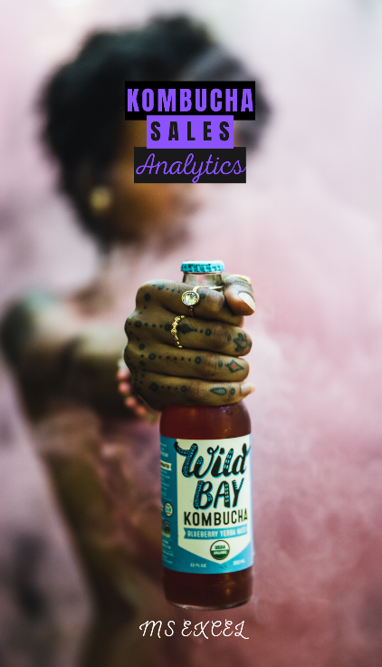
 | "Kombucha Kulture" is a growing kombucha startup that has just expanded its sales accross some regions and cities in the South of Brazil. However, the company's management team has noticed that some of their flavors are not performing as well as others. To handle this scenario, this MS Excel workbook is intended to analyze its sales data corresponding to January of 2023. | Sheet | Analysis
 |  | 1 | Descriptive Statistics and EDA
 |  | 2 | Sales by Geography
 |  | 3 | Dynamic Report
 |  | 4 | Anomaly Detection
 |  | 5 | Products Discontinuation

 | QUESTIONS
 | 1. How do the Amount and Units Sold are statistically described?
 | 2. How many products, regions, cities and kombucha types does the company have?
 | 3. How did the sales perfomed by geography?
 | 4. How did the sales perfomed by product?
 | 5. Are there outliers or anomalies in the kombucha sales dataset?
 | 6. Are there products that should be discontinuated?

Descriptive Statitics and EDA
Kombucha Sales Analytics - Descriptive Statistics and EDA

 | Amount Sold | Units Sold |  | Product | Region | City | Kombucha Type
Mean | $1,160 | 1,259 |  | Hard Kombucha A | RS | Florianopolis | Hard
Standard Deviation | $821 | 716 |  | Blueberry | PR | Joinville | Conventional
Min | - | 2 |  | Hard Kombucha C | SC | Cascavel
Max | $3,601 | 2,499 |  | Hard Kombucha B |  | Porto Alegre
Range | $3,601 | 2,497 |  | Chia Seed |  | Curitiba
First Quantile | $451 | 637 |  | Grape |  | Caxias do Sul
Median | $1,085 | 1,268 |  | Lemon Ginger
Third Quantile | $1,790 | 1,892 |  | Pineapple
Kombucha Tpye

Product Count |  | 8
Region Count |  | 3
City Count |  | 6
Kombucha Type Count |  | 2
Conventional Kombucha Count |  | 438 | 62.6%
Hard Kombucha Count |  | 262 | 37.4%

Comment: this sheet answers the first two questions

Anomaly Detection
Kombucha Sales Analytics - Anomaly Detection

Units x Amount Sold
 | $-
704 | $443.52
1478 | $1,655.36
248 | $334.80
99 | $127.71
1449 | $1,449.00
1017 | $1,017.00
813 | $585.36
609 | $560.28
182 | $194.74
268 | $179.56
 | $-
138 | $166.98
1276 | $1,403.60
 | $-
618 | $420.24
2243 | $2,512.16
475 | $470.25
541 | $779.04
810 | $818.10
1577 | $1,671.62
2255 | $2,300.10
338 | $378.56
1864 | $1,826.72
48 | $48.96
2072 | $2,776.48
2267 | $2,697.73
731 | $570.18
759 | $827.31
1921 | $1,459.96
455 | $523.25
1382 | $953.58
699 | $831.81
594 | $516.78
432 | $440.64
1162 | $1,638.42
457 | $425.01
1290 | $993.30
 | $-
2143 | $1,714.40
784 | $392.00
2206 | $3,132.52
1723 | $2,119.29
2180 | $1,547.80
 | $-
912 | $893.76
460 | $533.60
2222 | $2,310.88
 | $-
357 | $460.53
...

Comment: there are no Outliers related to Kombucha Sales in the dataset

