Sheet1
Charter | Searching and Filtering
Areas | - Search for item - Filter by catagory - Filter by brand
Tester | Logan Marshall
Start Date & Time | 31/05/2024 @ 14:20pm
End Date & Time | 31/05/2024 @ 14:50pm
Duration | 30 minutes
Testing notes | Pre-condition: Logged in as standard user and on products page Searching for an item: - Searched for "shirt" and "SHIRT" - Only Mens tshirts where displayed. - Searched for "Dress" - Mostly dresses appeared however, a kids outfit also showed up (See screenshot) Filter by category: - Filtered by "men -> Jeans" - Only men's jeans were displayed - Filtered by "kids -> Dress" - The same outfit from screenshot appeared. Filter by brand: - Filtered by "brand -> Polo" - The expected number of polo products appeared. - Filtered by "brand -> H&M" - The expected number of H&M products appeared. | 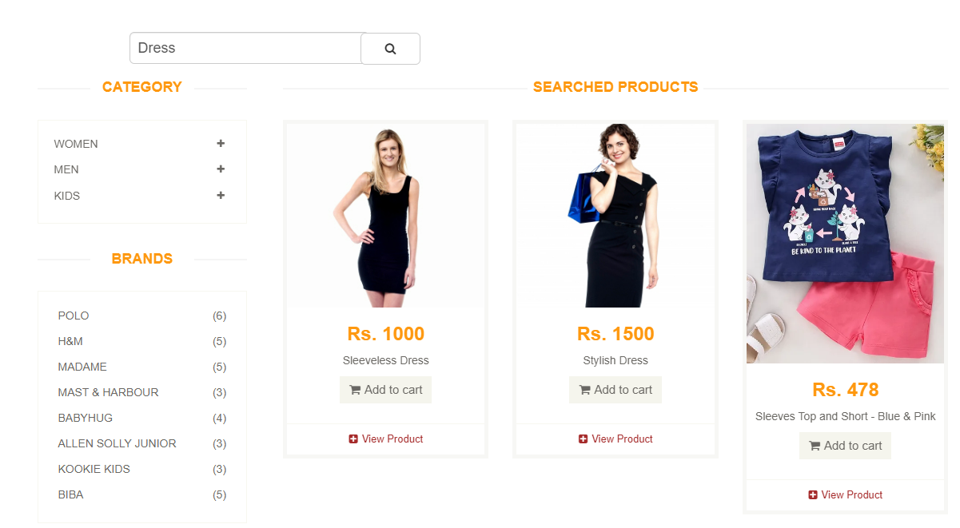
Test Data | Search box - "shirt", "SHIRT", "Dress"
Test Environments & URL | Browser: Google Chrome Link: https://automationexercise.com/products
Issues/Defects | - Results are different sizes causing them to move each other around; leaving gaps of white space. - A kids shirt/shorts combo is in the "Dress" category.

