Actividad RE
Industrial and Services Technological Baccalaureate Center No. 153
Members: | Amaro Tlalpa Ivan Fuentes Capilla Francisco Peréz Moctezuma Jonathan Yael
Group: 5AMP

Date | Activity performed | Meaningful experience | Challenges faced | Predominant emotions | Self-regulation strategy | Learning and reflection | Improvement proposals | Photographic evidence
November 24th, 2025 | Collection of plastic items considered as trash, such as cups, bags, and spoons | Awareness of the amount of plastic waste present in the environment, and its visual and environmental impact. | The dispersion of waste in hard-to-reach areas, the lack of collaboration from some people, and the difficulty of classifying the different types of plastics. | ChatGPT dijo: Frustration upon seeing the amount of trash, satisfaction from cleaning the area, and hope from contributing to a cleaner environment. | Maintaining motivation by remembering the positive impact of the action, working in teams to cover more ground, and focusing on short-term results. | The importance of educating the community about proper waste management. | Implement more frequent cleanup campaigns and encourage citizen participation. | 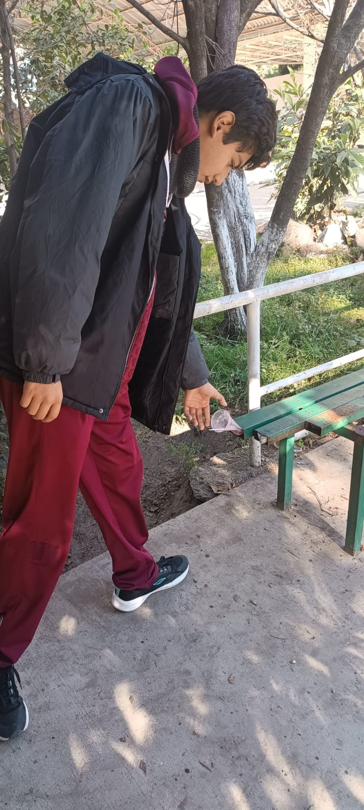
November 21st, 2025 | Pre-design of programs for PAEC recycling campaigns | Awareness of the volume of waste generated, collaboration between the company, workers, and recyclers, and the positive impact on the project's sustainability. | Logistical coordination for the collection and classification of C&D waste, changing workers’ mindset to promote recycling, and compliance with environmental and PAEC regulations. | Initial motivation due to the potential for environmental improvement, frustration when facing bureaucratic obstacles or lack of collaboration, and satisfaction when seeing tangible results. | Detailed planning with goals and a schedule, transparent communication among those involved, flexibility to adapt to changes, and recognition of partial achievements and collective effort. | Identification of best practices in construction waste management and analysis of successes | Implement economic incentives for participation and involve environmental organizations. | 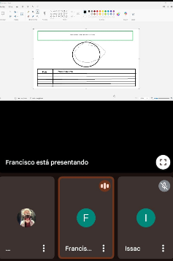
November 25th, 2025 | Record of the amount of recyclable materials found in the total waste | Discover how much recycling potential is lost, identify the most common materials, and visualize the environmental impact of not recycling. | Accurate classification of materials, precise measurement of quantities, and adaptation to the variability in the composition of the waste. | Surprise at the amount of recyclables, concern about the environmental impact, and motivation to promote recycling. | Establish a systematic recording process, use reliable methods, and analyze the data to make decisions. | Identify which materials predominate in the waste, evaluate their recycling potential, and design strategies to reduce waste. | Implement awareness campaigns, strengthen recycling programs, and improve collection infrastructure. | 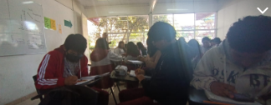
November 16th, 2025 | Collection of trash in rural areas to improve the environment | Observation of the visual impact of trash, connection with the ecosystem’s health, and the positive transformation of the environment after the cleanup. | Difficulty accessing remote areas, mobilizing and coordinating volunteers, and the complex logistics of collecting and transporting waste. | Concern about environmental damage, hope upon seeing the possibility of improvement, and satisfaction from contributing to a cleaner environment. | Detailed planning, task organization, constant communication, and adaptation to conditions. | Identification of the main sources of waste, understanding of the environmental impact on soil and water, and the search for sustainable solutions.Identification of the main sources of waste, understanding of the environmental impact on soil and water, and the search for sustainable solutions. | Implement environmental education, establish collection infrastructure, offer incentives, and encourage community collaboration. | 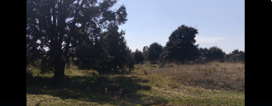
November 27th, 2025 | Try to maintain the separation of recyclable objects so that they remain organized | Create an efficient system to classify materials, streamline the recycling process, and contribute to the quality of the materials. | Finding enough space to store separated materials, dedicating time to sorting and maintaining order, and sustaining discipline in the long term. | Satisfaction from seeing a well-organized system, frustration due to lack of space or time, and pride in contributing to an efficient process. | Plan a sorting system, establish a routine, and use visual reminders | Learn about the types of materials, identify best practices, and understand the impact of organization. | Use specific containers, label clearly, and educate the community. | 