Assessment
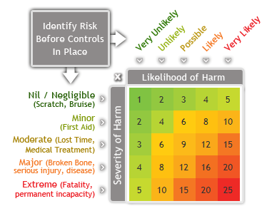
Risk Assessment (v1.1)
 |  |  |  |  | Location: | OxTS - Park Farm Barn
 |  |  |  |  | Date: | 2022-11-04
 |  |  |  |  | Next Review Date: | 2023-04-11
 |  |  |  |  | Description of Activity: | CAN Wheelspeed Testing
 |  |  |  |  | Completed by: | Anthony Shaw
 |  |  |  |  | Approved by:

 |  |  | Risk Rating - Before controls |  |  |  | Residual Risk - After controls
No. | Risk / Hazard | Persons @ Risk | Severity | Probability | Calculated Risk Rating | Risk Mitigation Controls / Actions / Prevention | Severity | Probability | Calculated Risk Rating
1 | Unintended data transmitted into CAN bus, causing Engine Control Unit (ECU) to produce errors. Worst scenario is complete ECU failure - hazard here presented as this scenario whilst at high speed on public roads. | Driver of car, occupants, other road users | 5 | 3 | 15 | Do not test on public roads - private land only. | 5 | 3 | 15
 |  |  |  |  |  | Keep speed low, below 30mph at all times. Once system has been proven, higher speed tests still on private land could be considered. | 3 | 3 | 9
 |  |  |  |  |  | Test system is operating correctly whilst vehicle is stationary before any movement (with car in neutral, parking brake applied). Run actual data script with car stationary for at least 1 minute before attempting to move the car, looking for any error messages on the car's display. | 3 | 2 | 6
 |  |  |  |  |  | Do not attempt to transmit data into CAN bus. If using a script for this, a code review (recorded) should take place to confirm that the script is not attempting to transmit data. | 3 | 1 | 3
 |  |  |  |  |  | Set data readers to read-only mode if possible. | 3 | 1 | 3
 |  |  |  |  |  | Make sure Baud rate is set correctly for vehicle CAN (500kbps) to prevent extra messages. | 3 | 1 | 3
 |  |  |  |  |  | Hardware to read CAN data without direct connection could be considered. | 3 | 1 | 3
 |  |  |  |  |  | Use OBD-II to CAN cable from reputable source to assure suitable grounding. Visually check cables before all uses, and check through manufacturer documentation to confirm use in vehicle during operation is not contra-indicated. | 3 | 1 | 3
2 | Distraction from driving - watching data flow whilst driving. | Driver of car, occupants, people in area | 5 | 3 | 15 | Assign separate driver and data analyst. Data analyst can check data from the passenger seat whilst driver remains unaffected. | 5 | 1 | 5
 |  |  |  |  |  | Test on private land at low speeds | 3 | 1 | 3
3
4
5
6
7
8

