Bar & Column Charts
Country | Total Sales | Highest sales | Lowest sales
Austria | 40,891 | 277654 | 7,365
Belgium | 20,367
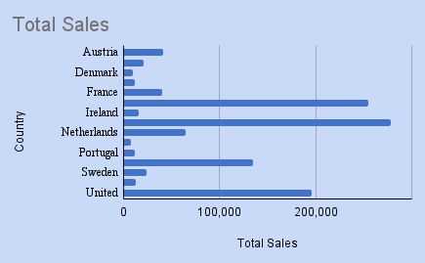
Denmark | 9,240
Finland | 11,440
France | 40,000
Germany | 254,727
Ireland | 15,676
Italy | 277654
Netherlands | 64,231
Norway | 7,365
Portugal | 11,418
Spain | 134,864
Sweden | 23,381
Switzerland | 12,053
United Kingdom | 195,806

