Sheet1
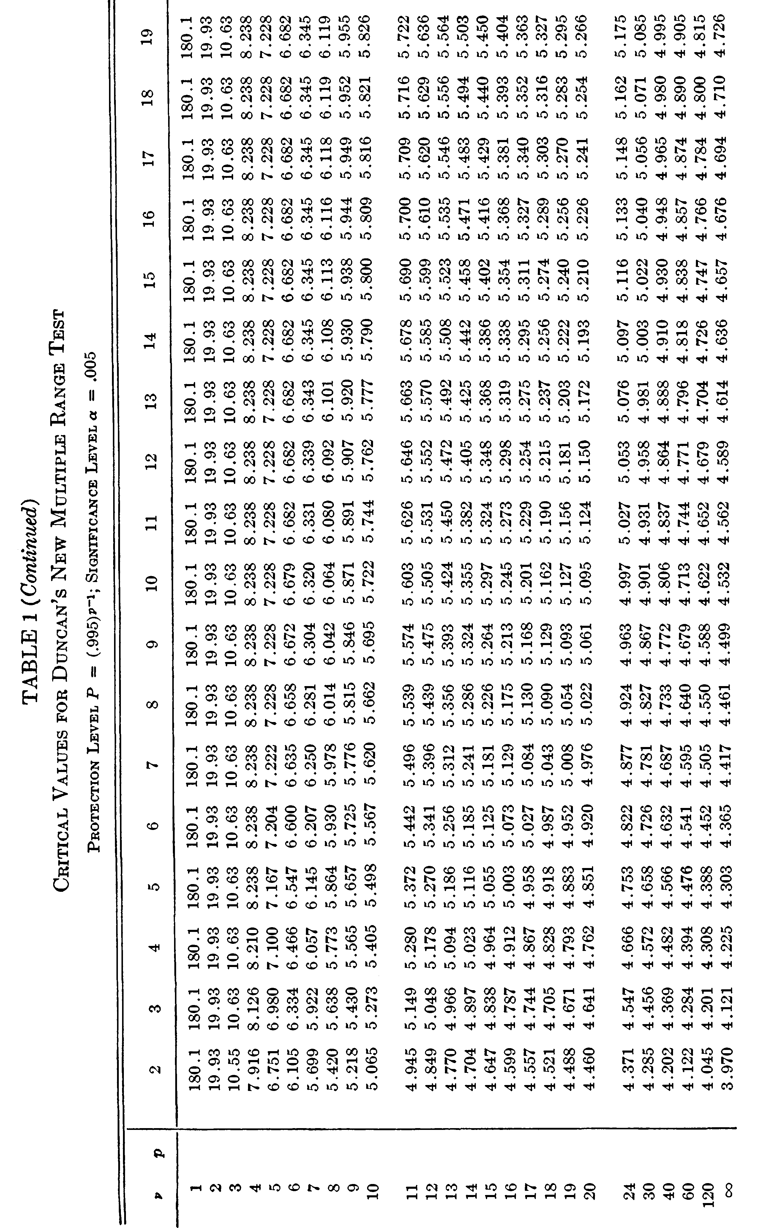
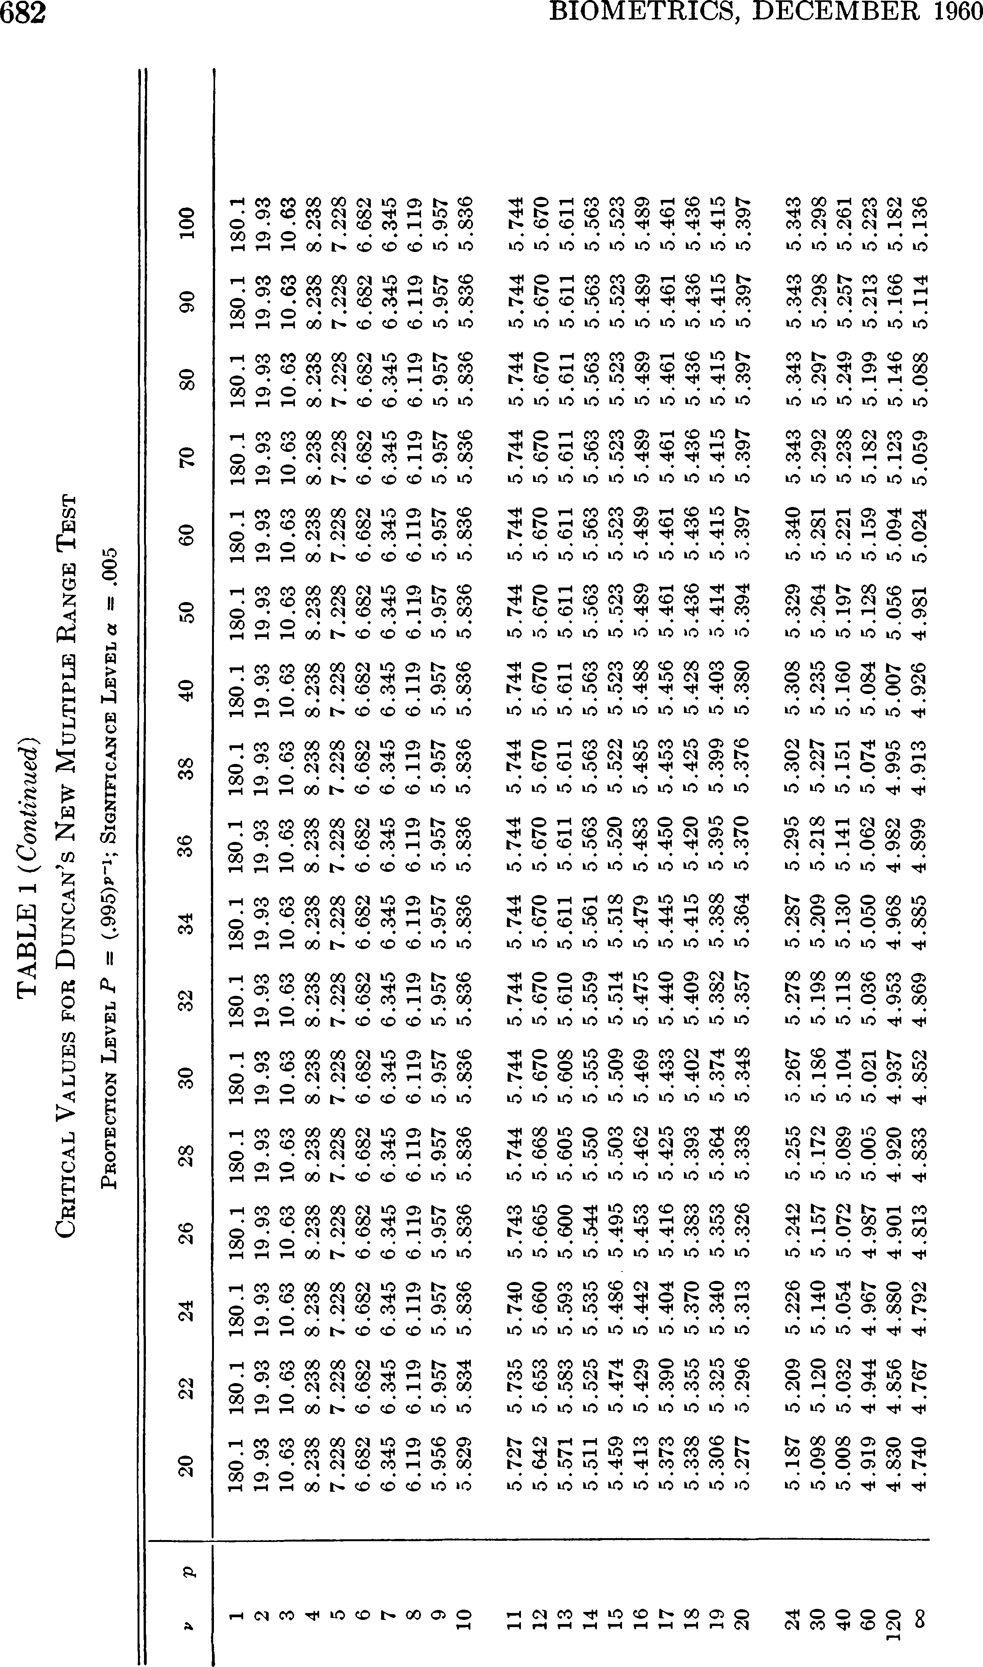
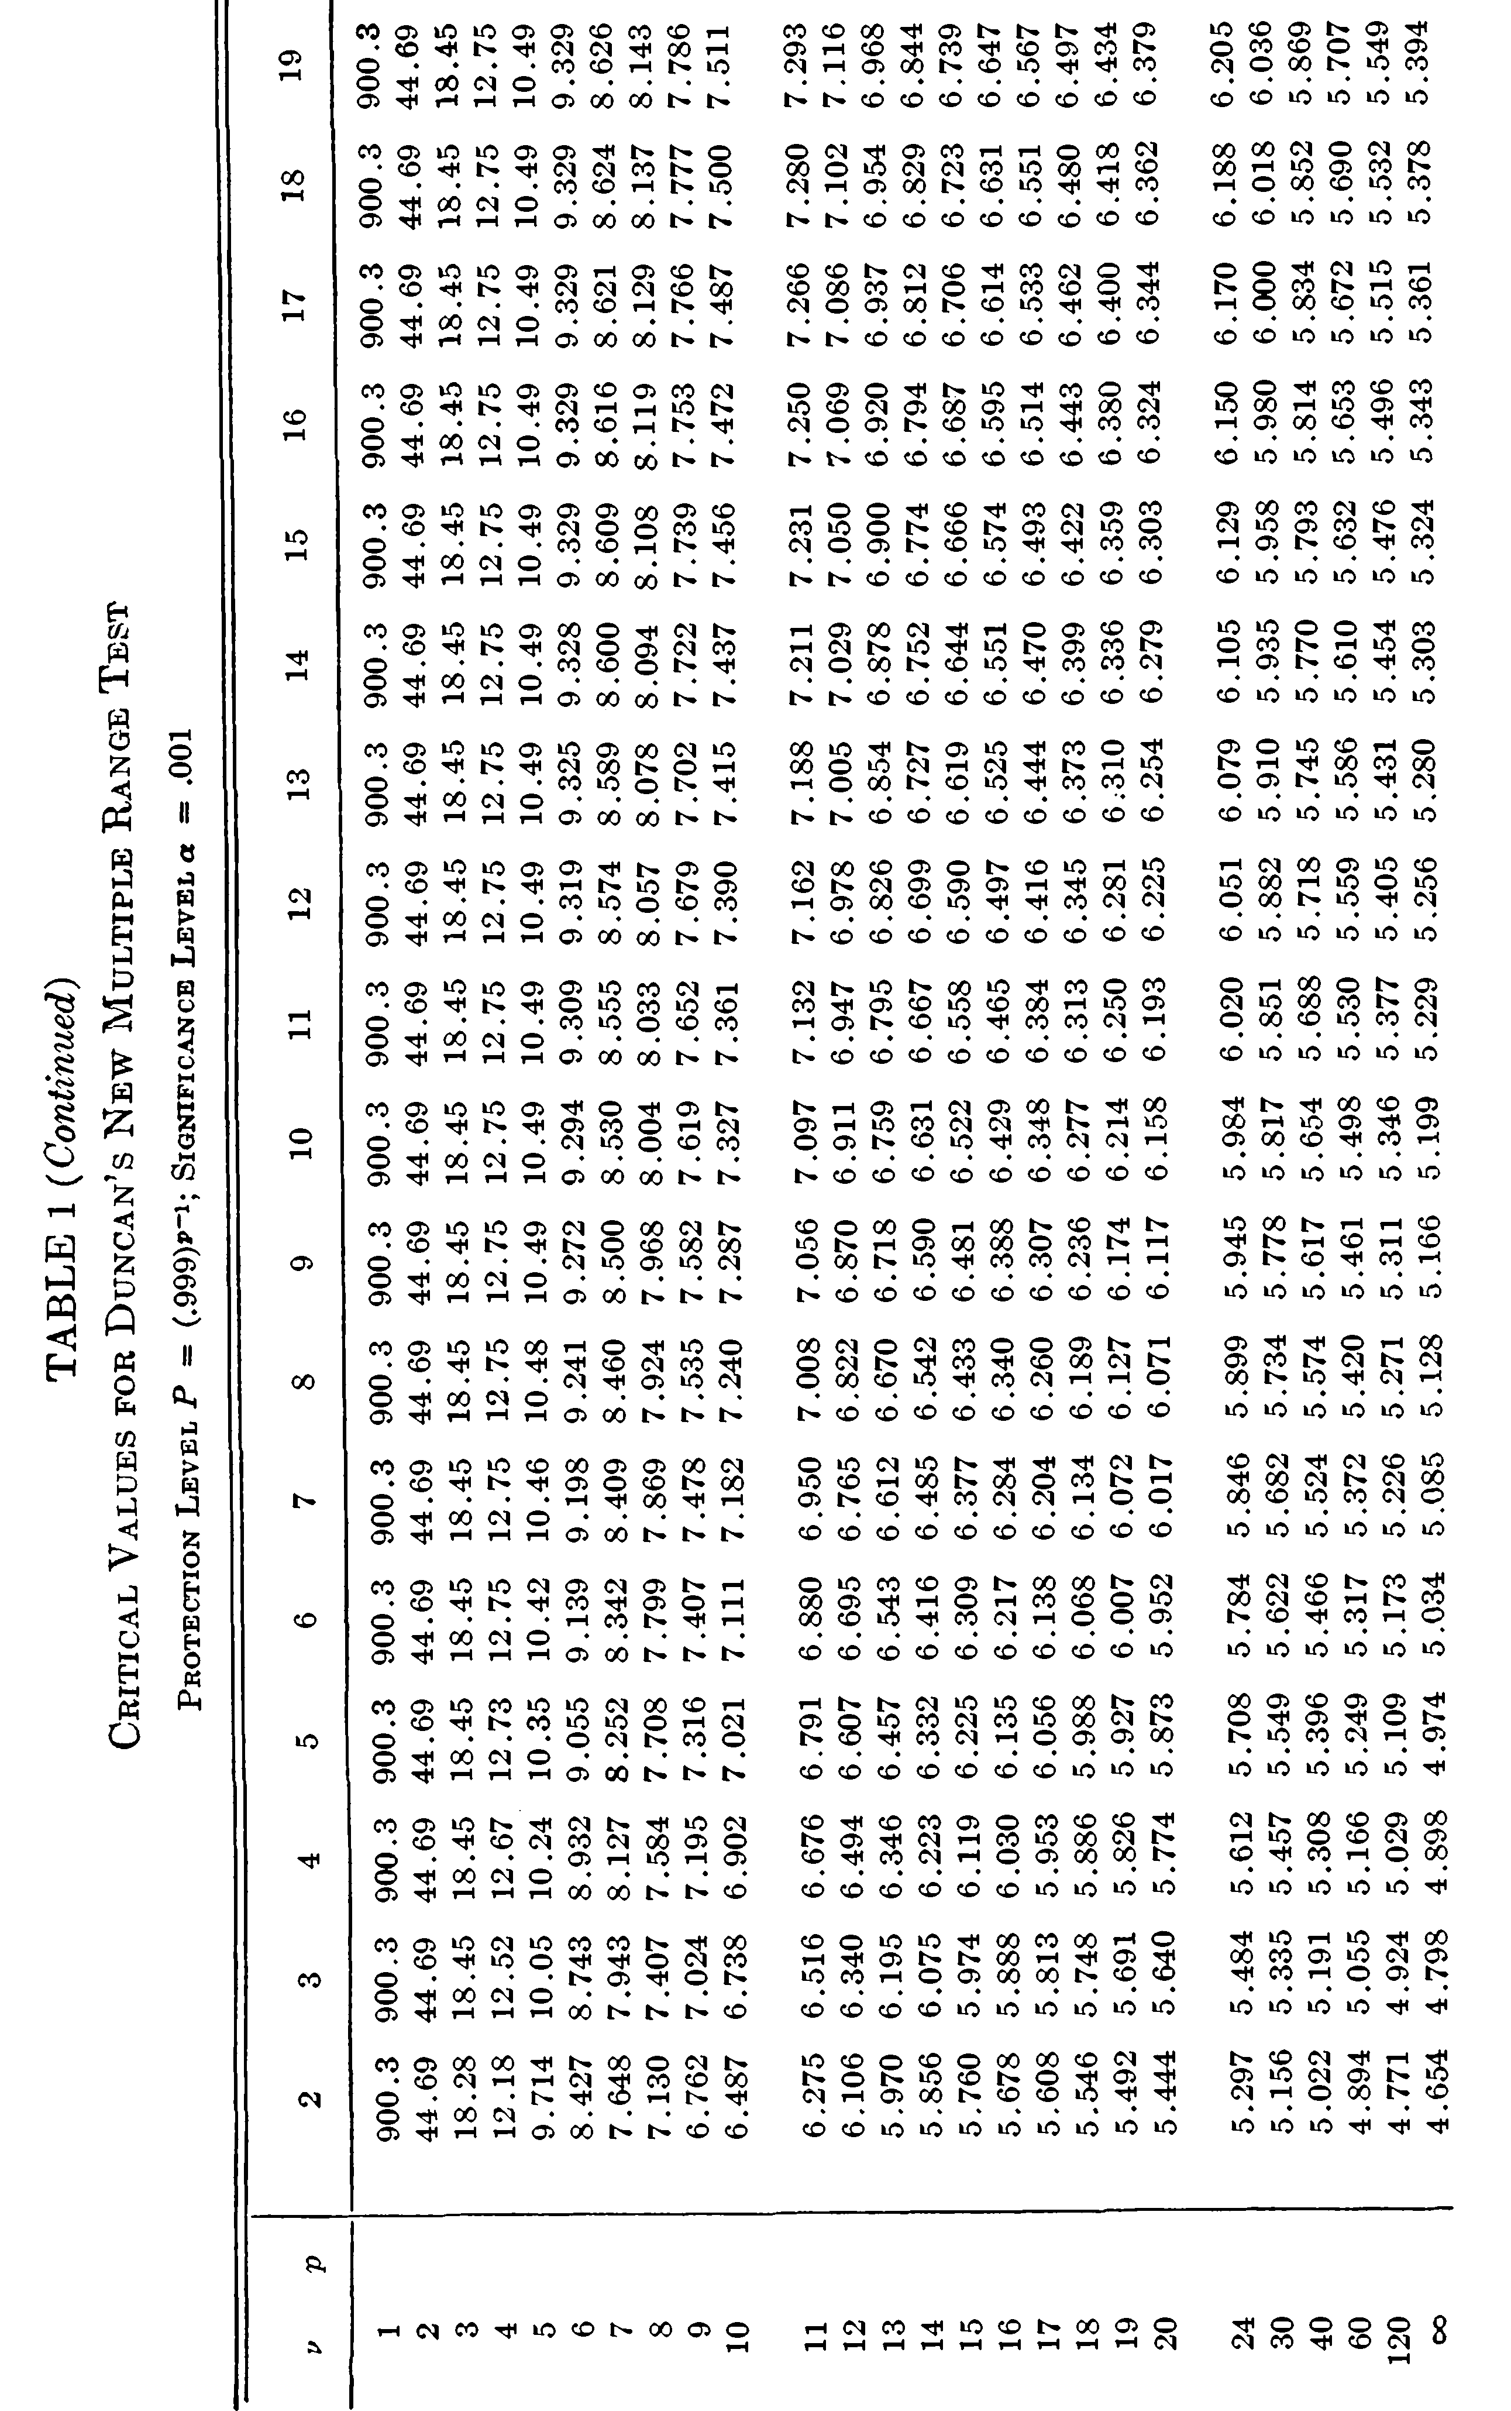
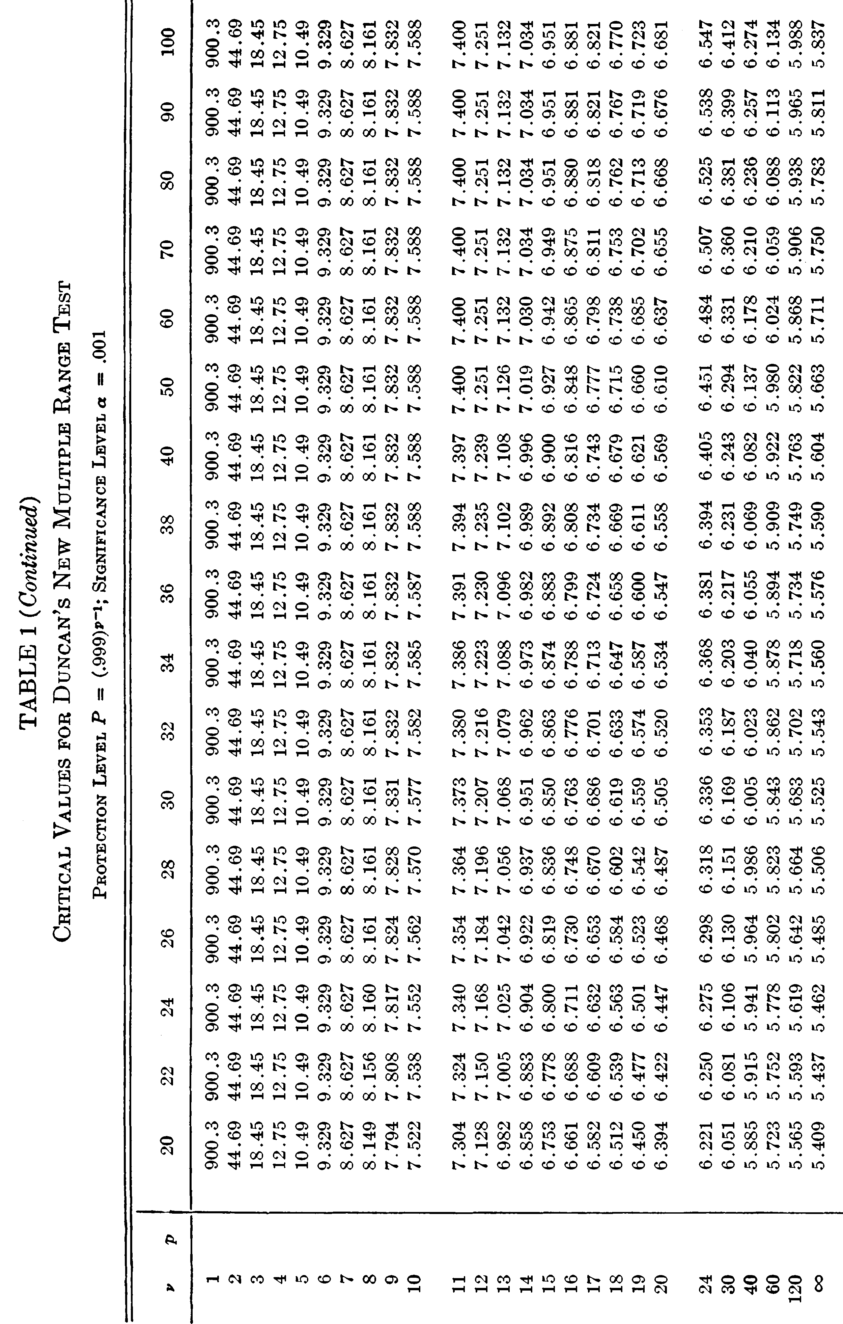
Duncan's Multiple Range Test Critical Value

 | Alpha | 0.05 |  |  |  |  |  |  |  |  |  |  |  |  | 3.2611823328
 |  |  |  |  |  |  |  |  |  |  |  |  |  |  | 3.3984599614
 | df / p | 2 | 3 | 4 | 5 | 6 | 7 | 8 | 9 | 10 | 11 | 12 | 15 | 20 | 3.4751907095
 | 1 | 17.969 | 17.969 | 17.969 | 17.969 | 17.969 | 17.969 | 17.969 | 17.969 | 17.969 | 17.969 | 17.969 | 17.969 | 17.969 | 3.52119382
 | 2 | 6.085 | 6.085 | 6.085 | 6.085 | 6.085 | 6.085 | 6.085 | 6.085 | 6.085 | 6.085 | 6.085 | 6.085 | 6.085 | 3.5492690894
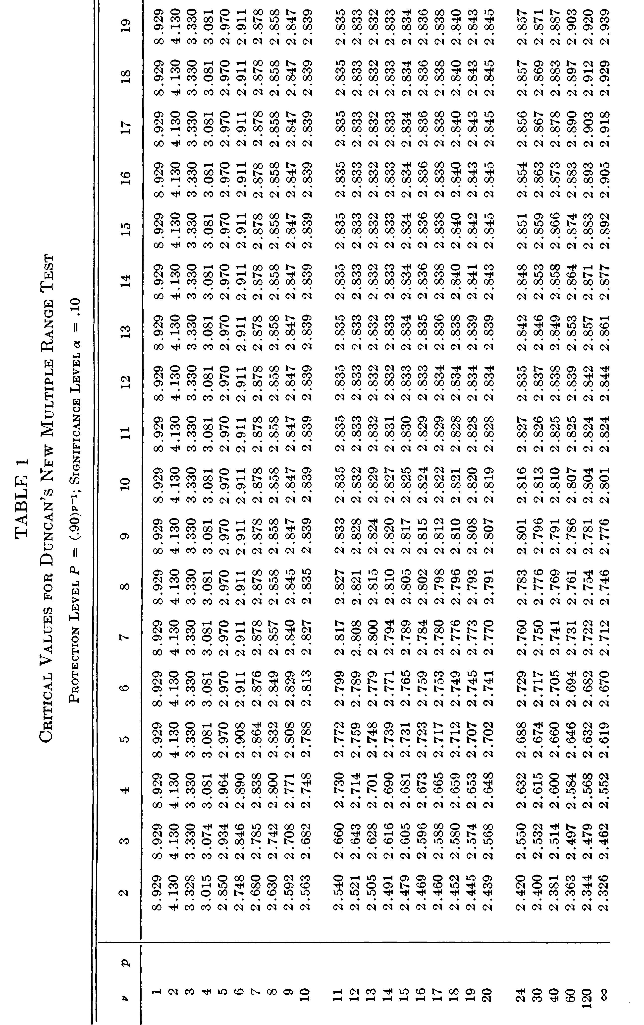
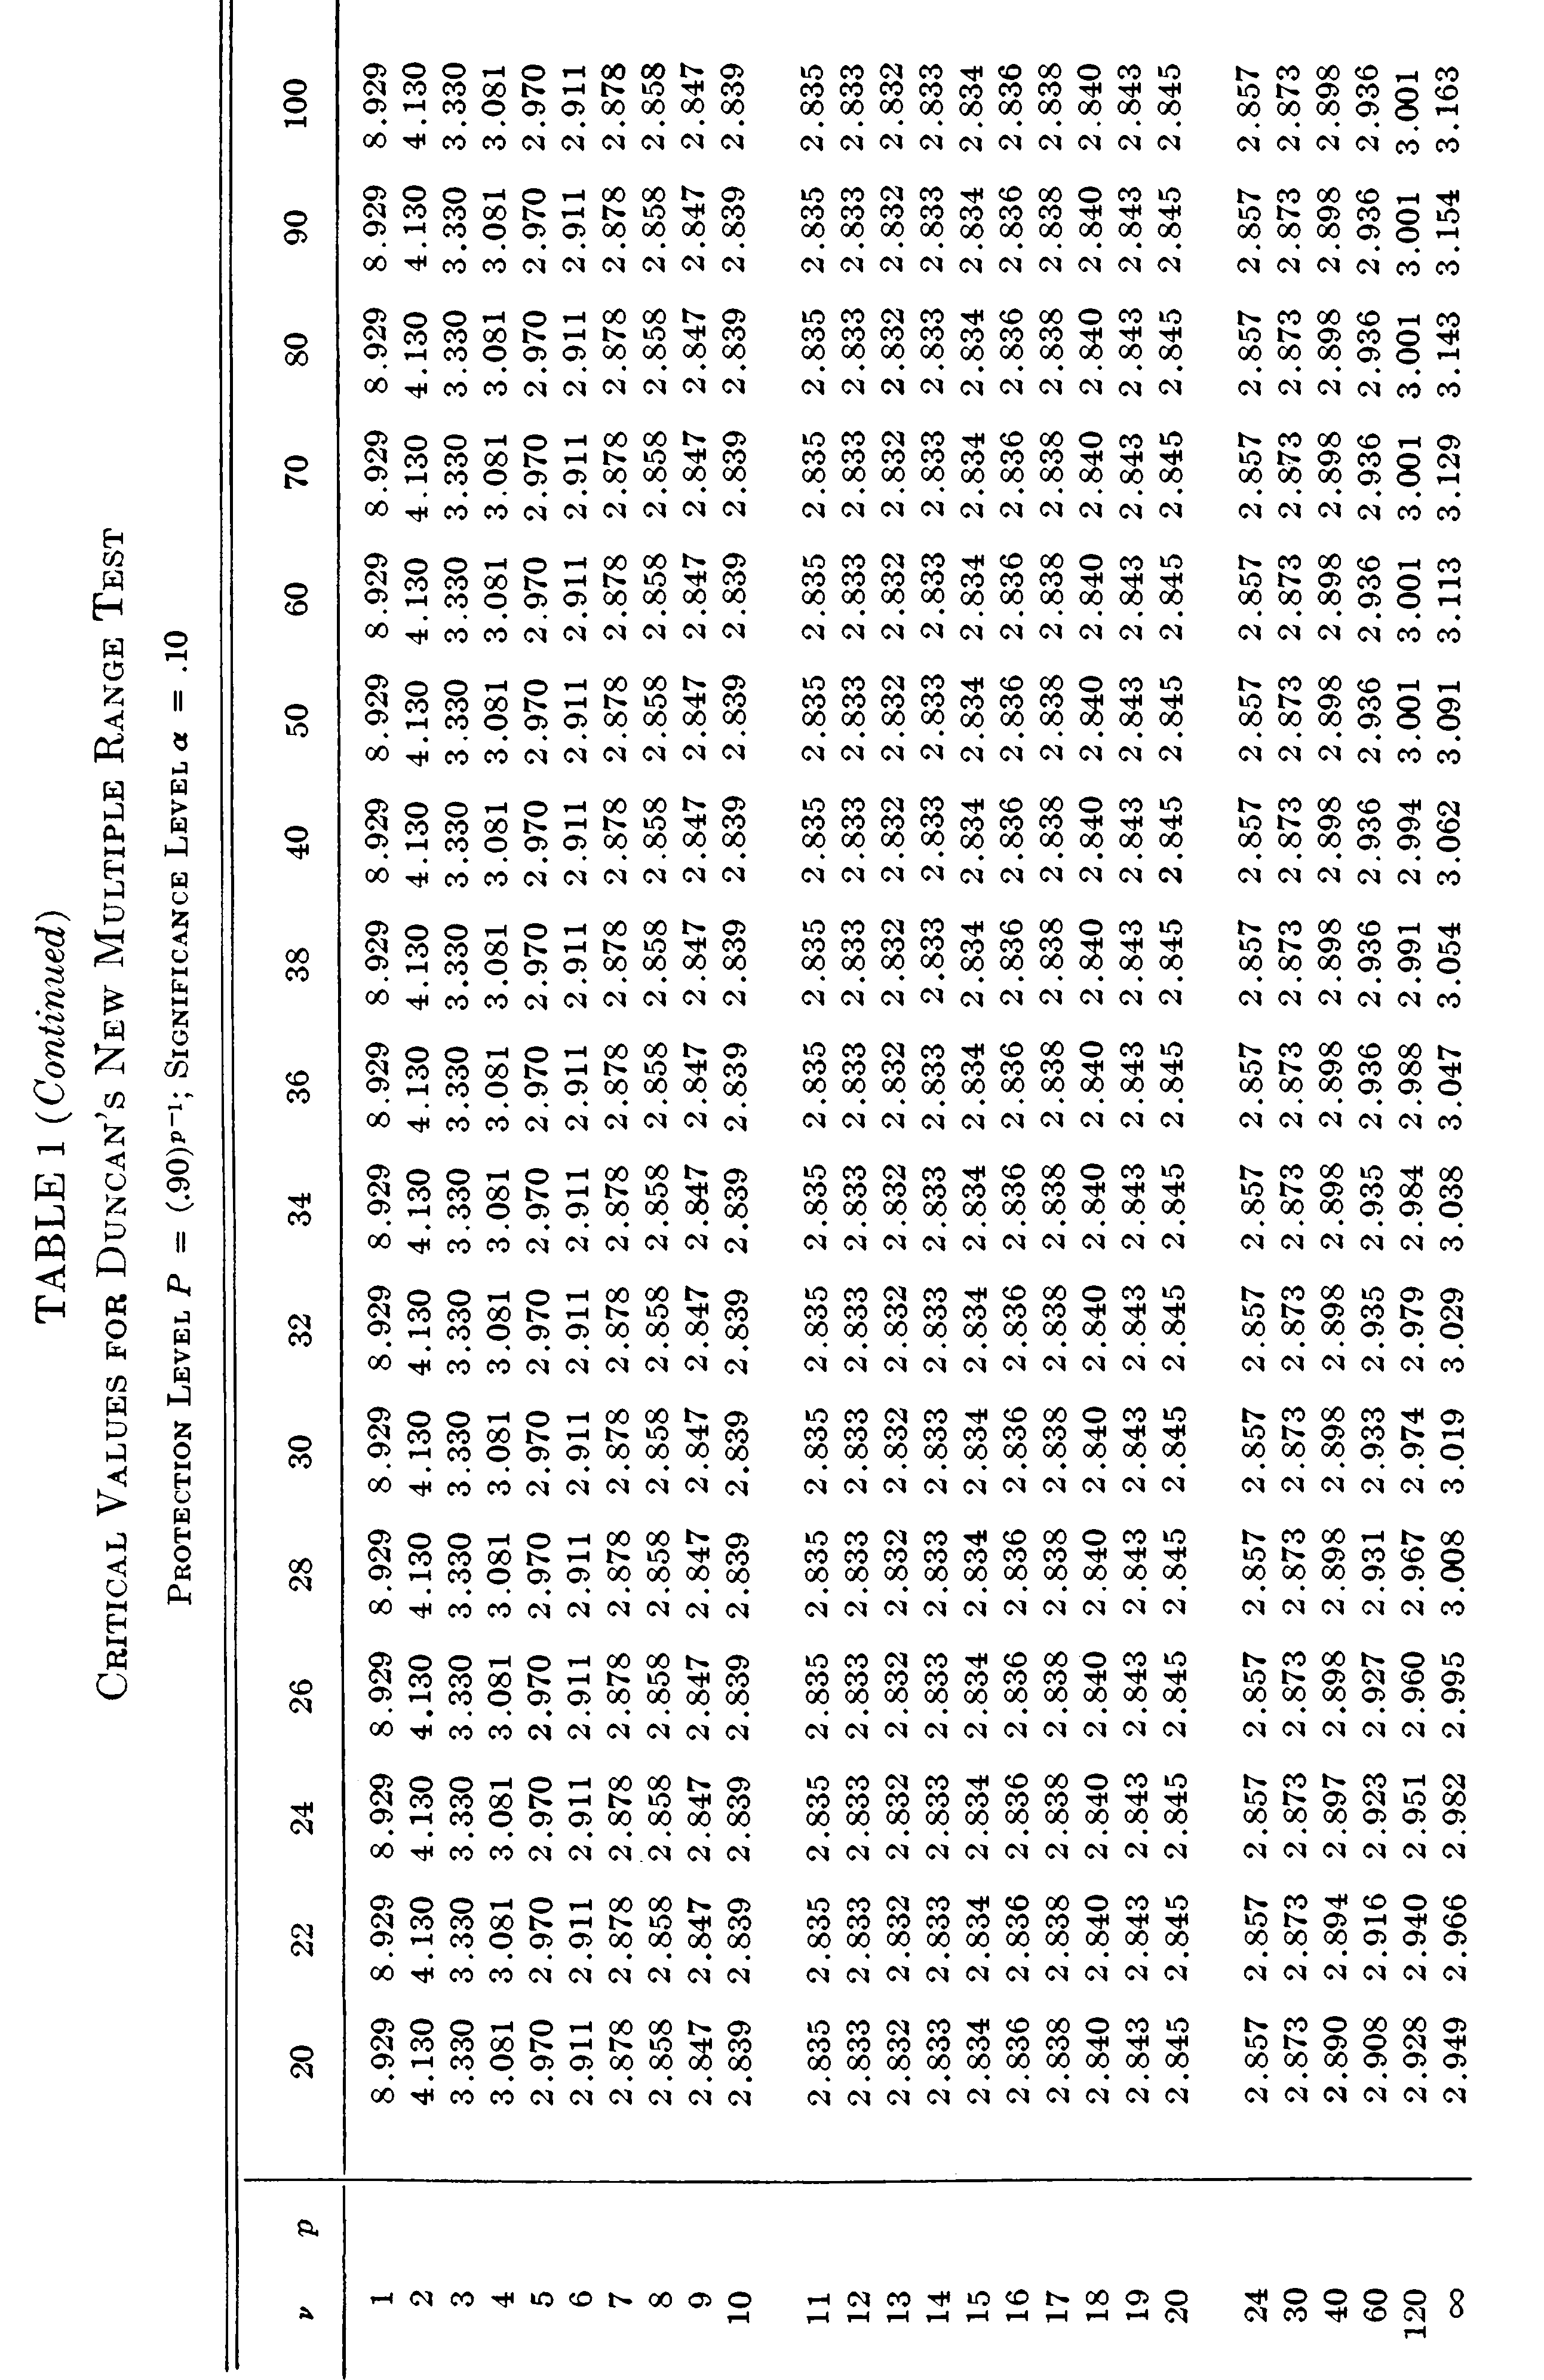
 | 3 | 4.501 | 4.516 | 4.516 | 4.516 | 4.516 | 4.516 | 4.516 | 4.516 | 4.516 | 4.516 | 4.516 | 4.516 | 4.516 | 3.5659651291
 | 4 | 3.926 | 4.013 | 4.033 | 4.033 | 4.033 | 4.033 | 4.033 | 4.033 | 4.033 | 4.033 | 4.033 | 4.033 | 4.033 | 3.5750204813
 | 5 | 3.635 | 3.749 | 3.796 | 3.814 | 3.814 | 3.814 | 3.814 | 3.814 | 3.814 | 3.814 | 3.814 | 3.814 | 3.814
 | 6 | 3.46 | 3.586 | 3.649 | 3.68 | 3.694 | 3.697 | 3.697 | 3.697 | 3.697 | 3.697 | 3.697 | 3.697 | 3.697
 | 7 | 3.344 | 3.477 | 3.548 | 3.588 | 3.611 | 3.622 | 3.625 | 3.625 | 3.625 | 3.625 | 3.625 | 3.625 | 3.625
 | 8 | 3.261 | 3.398 | 3.475 | 3.521 | 3.549 | 3.566 | 3.575 | 3.579 | 3.579 | 3.579 | 3.579 | 3.579 | 3.579
 | 9 | 3.199 | 3.339 | 3.42 | 3.47 | 3.502 | 3.523 | 3.536 | 3.544 | 3.547 | 3.547 | 3.547 | 3.547 | 3.547
 | 10 | 3.151 | 3.293 | 3.376 | 3.43 | 3.465 | 3.489 | 3.505 | 3.516 | 3.522 | 3.525 | 3.525 | 3.525 | 3.525
 | 11 | 3.113 | 3.256 | 3.341 | 3.397 | 3.435 | 3.462 | 3.48 | 3.493 | 3.501 | 3.506 | 3.509 | 3.51 | 3.51
 | 12 | 3.081 | 3.225 | 3.312 | 3.37 | 3.41 | 3.439 | 3.459 | 3.474 | 3.484 | 3.491 | 3.495 | 3.498 | 3.498
 | 13 | 3.055 | 3.2 | 3.288 | 3.348 | 3.389 | 3.419 | 3.441 | 3.458 | 3.47 | 3.478 | 3.484 | 3.49 | 3.49
 | 14 | 3.033 | 3.178 | 3.268 | 3.328 | 3.371 | 3.403 | 3.426 | 3.444 | 3.457 | 3.467 | 3.474 | 3.484 | 3.484
 | 15 | 3.014 | 3.16 | 3.25 | 3.312 | 3.356 | 3.389 | 3.413 | 3.432 | 3.446 | 3.457 | 3.465 | 3.478 | 3.48
 | 16 | 2.998 | 3.144 | 3.235 | 3.297 | 3.343 | 3.376 | 3.402 | 3.422 | 3.437 | 3.449 | 3.458 | 3.473 | 3.477
 | 17 | 2.984 | 3.13 | 3.222 | 3.285 | 3.331 | 3.365 | 3.392 | 3.412 | 3.429 | 3.441 | 3.451 | 3.469 | 3.475
 | 18 | 2.971 | 3.117 | 3.21 | 3.274 | 3.32 | 3.356 | 3.383 | 3.404 | 3.421 | 3.435 | 3.445 | 3.465 | 3.474
 | 19 | 2.96 | 3.106 | 3.199 | 3.264 | 3.311 | 3.347 | 3.375 | 3.397 | 3.415 | 3.429 | 3.44 | 3.462 | 3.474
 | 20 | 2.95 | 3.097 | 3.19 | 3.255 | 3.303 | 3.339 | 3.368 | 3.39 | 3.409 | 3.423 | 3.435 | 3.459 | 3.473
 | 21 | 2.941 | 3.088 | 3.181 | 3.247 | 3.295 | 3.332 | 3.361 | 3.385 | 3.403 | 3.418 | 3.431 | 3.456 | 3.473
 | 22 | 2.933 | 3.08 | 3.173 | 3.239 | 3.288 | 3.326 | 3.355 | 3.379 | 3.398 | 3.414 | 3.427 | 3.453 | 3.472
 | 23 | 2.926 | 3.072 | 3.166 | 3.233 | 3.282 | 3.32 | 3.35 | 3.374 | 3.394 | 3.41 | 3.423 | 3.451 | 3.472
 | 24 | 2.919 | 3.066 | 3.16 | 3.226 | 3.276 | 3.315 | 3.345 | 3.37 | 3.39 | 3.406 | 3.42 | 3.449 | 3.472
 | 25 | 2.913 | 3.059 | 3.154 | 3.221 | 3.271 | 3.31 | 3.341 | 3.366 | 3.386 | 3.403 | 3.417 | 3.447 | 3.471
 | 26 | 2.907 | 3.054 | 3.149 | 3.216 | 3.266 | 3.305 | 3.336 | 3.362 | 3.382 | 3.4 | 3.414 | 3.445 | 3.471
 | 27 | 2.902 | 3.049 | 3.144 | 3.211 | 3.262 | 3.301 | 3.332 | 3.358 | 3.379 | 3.397 | 3.412 | 3.443 | 3.471
 | 28 | 2.897 | 3.044 | 3.139 | 3.206 | 3.257 | 3.297 | 3.329 | 3.355 | 3.376 | 3.394 | 3.409 | 3.442 | 3.47
 | 29 | 2.892 | 3.039 | 3.135 | 3.202 | 3.253 | 3.293 | 3.326 | 3.352 | 3.373 | 3.392 | 3.407 | 3.44 | 3.47
 | 30 | 2.888 | 3.035 | 3.131 | 3.199 | 3.25 | 3.29 | 3.322 | 3.349 | 3.371 | 3.389 | 3.405 | 3.439 | 3.47
 | 31 | 2.884 | 3.031 | 3.127 | 3.195 | 3.246 | 3.287 | 3.319 | 3.346 | 3.368 | 3.387 | 3.403 | 3.438 | 3.47
 | 32 | 2.881 | 3.028 | 3.123 | 3.192 | 3.243 | 3.284 | 3.317 | 3.344 | 3.366 | 3.385 | 3.401 | 3.436 | 3.47
 | 33 | 2.877 | 3.024 | 3.12 | 3.188 | 3.24 | 3.281 | 3.314 | 3.341 | 3.364 | 3.383 | 3.399 | 3.435 | 3.47
 | 34 | 2.874 | 3.021 | 3.117 | 3.185 | 3.238 | 3.279 | 3.312 | 3.339 | 3.362 | 3.381 | 3.398 | 3.434 | 3.469
 | 35 | 2.871 | 3.018 | 3.114 | 3.183 | 3.235 | 3.276 | 3.309 | 3.337 | 3.36 | 3.379 | 3.396 | 3.433 | 3.469
 | 36 | 2.868 | 3.015 | 3.111 | 3.18 | 3.232 | 3.274 | 3.307 | 3.335 | 3.358 | 3.378 | 3.395 | 3.432 | 3.469
 | 37 | 2.865 | 3.013 | 3.109 | 3.178 | 3.23 | 3.272 | 3.305 | 3.333 | 3.356 | 3.376 | 3.393 | 3.431 | 3.469
 | 38 | 2.863 | 3.01 | 3.106 | 3.175 | 3.228 | 3.27 | 3.303 | 3.331 | 3.355 | 3.375 | 3.392 | 3.431 | 3.469
 | 39 | 2.861 | 3.008 | 3.104 | 3.173 | 3.226 | 3.268 | 3.301 | 3.33 | 3.353 | 3.373 | 3.391 | 3.43 | 3.469
 | 40 | 2.858 | 3.005 | 3.102 | 3.171 | 3.224 | 3.266 | 3.3 | 3.328 | 3.352 | 3.372 | 3.389 | 3.429 | 3.469
 | 48 | 2.843 | 2.991 | 3.087 | 3.157 | 3.211 | 3.253 | 3.288 | 3.318 | 3.342 | 3.363 | 3.382 | 3.424 | 3.468
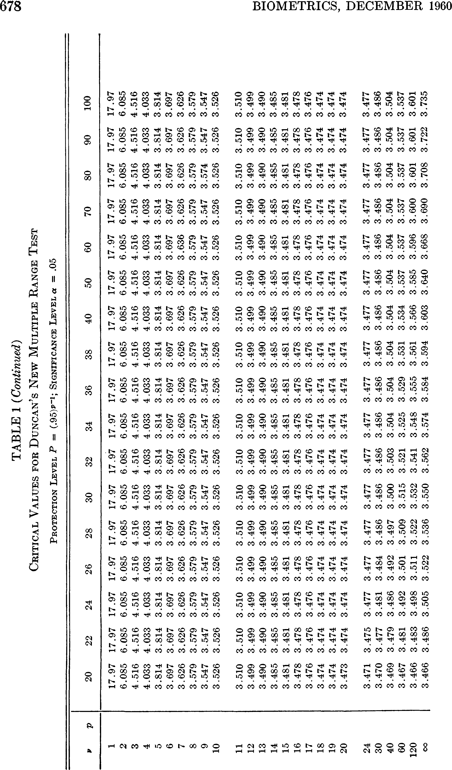
 | 60 | 2.829 | 2.976 | 3.073 | 3.143 | 3.198 | 3.241 | 3.277 | 3.307 | 3.333 | 3.355 | 3.374 | 3.419 | 3.468
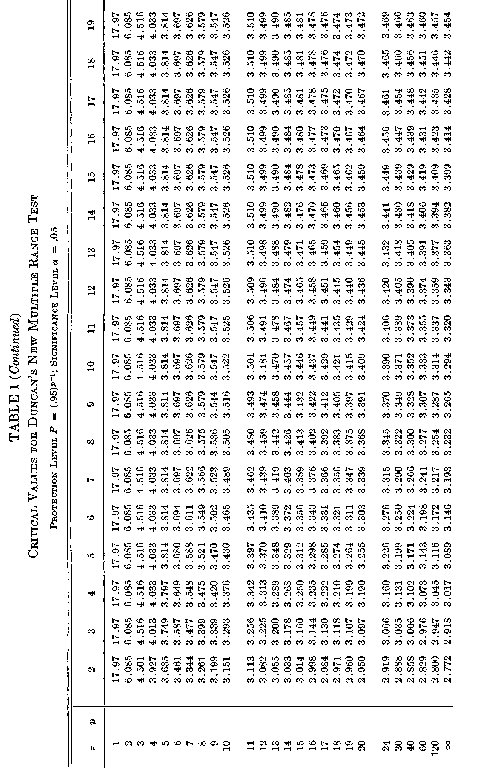
 | 80 | 2.814 | 2.961 | 3.059 | 3.13 | 3.185 | 3.229 | 3.266 | 3.297 | 3.323 | 3.346 | 3.366 | 3.414 | 3.467
 | 120 | 2.8 | 2.947 | 3.045 | 3.116 | 3.172 | 3.217 | 3.254 | 3.286 | 3.313 | 3.337 | 3.358 | 3.409 | 3.466
 | 240 | 2.786 | 2.933 | 3.031 | 3.103 | 3.159 | 3.205 | 3.243 | 3.276 | 3.304 | 3.329 | 3.35 | 3.404 | 3.466
 | Inf | 2.772 | 2.918 | 3.017 | 3.089 | 3.146 | 3.193 | 3.232 | 3.265 | 3.294 | 3.32 | 3.343 | 3.399 | 3.466

 | Alpha | 0.01

 | df / p | 2 | 3 | 4 | 5 | 6 | 7 | 8 | 9 | 10 | 11 | 12 | 15 | 20
 | 1 | 90.024 | 90.024 | 90.024 | 90.024 | 90.024 | 90.024 | 90.024 | 90.024 | 90.024 | 90.024 | 90.024 | 90.024 | 90.024
 | 2 | 14.036 | 14.036 | 14.036 | 14.036 | 14.036 | 14.036 | 14.036 | 14.036 | 14.036 | 14.036 | 14.036 | 14.036 | 14.036
 | 3 | 8.26 | 8.321 | 8.321 | 8.321 | 8.321 | 8.321 | 8.321 | 8.321 | 8.321 | 8.321 | 8.321 | 8.321 | 8.321
 | 4 | 6.511 | 6.677 | 6.74 | 6.755 | 6.755 | 6.755 | 6.755 | 6.755 | 6.755 | 6.755 | 6.755 | 6.755 | 6.755
 | 5 | 5.702 | 5.893 | 5.989 | 6.04 | 6.065 | 6.074 | 6.074 | 6.074 | 6.074 | 6.074 | 6.074 | 6.074 | 6.074
 | 6 | 5.243 | 5.439 | 5.549 | 5.614 | 5.655 | 5.68 | 5.694 | 5.701 | 5.703 | 5.703 | 5.703 | 5.703 | 5.703
 | 7 | 4.949 | 5.145 | 5.26 | 5.333 | 5.383 | 5.416 | 5.439 | 5.454 | 5.464 | 5.47 | 5.472 | 5.472 | 5.472
 | 8 | 4.745 | 4.939 | 5.056 | 5.134 | 5.189 | 5.227 | 5.256 | 5.276 | 5.291 | 5.302 | 5.309 | 5.317 | 5.317
 | 9 | 4.596 | 4.787 | 4.906 | 4.986 | 5.043 | 5.086 | 5.117 | 5.142 | 5.16 | 5.174 | 5.185 | 5.202 | 5.206
 | 10 | 4.482 | 4.671 | 4.789 | 4.871 | 4.931 | 4.975 | 5.01 | 5.036 | 5.058 | 5.074 | 5.087 | 5.112 | 5.124
 | 11 | 4.392 | 4.579 | 4.697 | 4.78 | 4.841 | 4.887 | 4.923 | 4.952 | 4.975 | 4.994 | 5.009 | 5.039 | 5.059
 | 12 | 4.32 | 4.504 | 4.622 | 4.705 | 4.767 | 4.815 | 4.852 | 4.882 | 4.907 | 4.927 | 4.944 | 4.978 | 5.005
 | 13 | 4.26 | 4.442 | 4.56 | 4.643 | 4.706 | 4.754 | 4.793 | 4.824 | 4.85 | 4.871 | 4.889 | 4.927 | 4.96
 | 14 | 4.21 | 4.391 | 4.508 | 4.591 | 4.654 | 4.703 | 4.743 | 4.775 | 4.802 | 4.824 | 4.843 | 4.884 | 4.921
 | 15 | 4.167 | 4.346 | 4.463 | 4.547 | 4.61 | 4.66 | 4.7 | 4.733 | 4.76 | 4.783 | 4.803 | 4.846 | 4.887
 | 16 | 4.131 | 4.308 | 4.425 | 4.508 | 4.572 | 4.622 | 4.662 | 4.696 | 4.724 | 4.748 | 4.768 | 4.813 | 4.858
 | 17 | 4.099 | 4.275 | 4.391 | 4.474 | 4.538 | 4.589 | 4.63 | 4.664 | 4.692 | 4.717 | 4.737 | 4.785 | 4.832
 | 18 | 4.071 | 4.246 | 4.361 | 4.445 | 4.509 | 4.559 | 4.601 | 4.635 | 4.664 | 4.689 | 4.71 | 4.759 | 4.808
 | 19 | 4.046 | 4.22 | 4.335 | 4.418 | 4.483 | 4.533 | 4.575 | 4.61 | 4.639 | 4.664 | 4.686 | 4.736 | 4.788
 | 20 | 4.024 | 4.197 | 4.312 | 4.395 | 4.459 | 4.51 | 4.552 | 4.587 | 4.617 | 4.642 | 4.664 | 4.716 | 4.769
 | 21 | 4.004 | 4.177 | 4.291 | 4.374 | 4.438 | 4.489 | 4.531 | 4.567 | 4.597 | 4.622 | 4.645 | 4.697 | 4.752
 | 22 | 3.986 | 4.158 | 4.272 | 4.355 | 4.419 | 4.47 | 4.513 | 4.548 | 4.578 | 4.604 | 4.627 | 4.68 | 4.737
 | 23 | 3.97 | 4.141 | 4.254 | 4.337 | 4.402 | 4.453 | 4.496 | 4.531 | 4.562 | 4.588 | 4.611 | 4.665 | 4.723
 | 24 | 3.955 | 4.126 | 4.239 | 4.322 | 4.386 | 4.437 | 4.48 | 4.516 | 4.546 | 4.573 | 4.596 | 4.651 | 4.71
 | 25 | 3.942 | 4.112 | 4.224 | 4.307 | 4.371 | 4.423 | 4.466 | 4.502 | 4.532 | 4.559 | 4.582 | 4.638 | 4.698
 | 26 | 3.93 | 4.099 | 4.211 | 4.294 | 4.358 | 4.41 | 4.452 | 4.489 | 4.52 | 4.546 | 4.57 | 4.626 | 4.687
 | 27 | 3.918 | 4.087 | 4.199 | 4.282 | 4.346 | 4.397 | 4.44 | 4.477 | 4.508 | 4.535 | 4.558 | 4.615 | 4.677
 | 28 | 3.908 | 4.076 | 4.188 | 4.27 | 4.334 | 4.386 | 4.429 | 4.465 | 4.497 | 4.524 | 4.548 | 4.604 | 4.667
 | 29 | 3.898 | 4.065 | 4.177 | 4.26 | 4.324 | 4.376 | 4.419 | 4.455 | 4.486 | 4.514 | 4.538 | 4.595 | 4.659
 | 30 | 3.889 | 4.056 | 4.168 | 4.25 | 4.314 | 4.366 | 4.409 | 4.445 | 4.477 | 4.504 | 4.528 | 4.586 | 4.65
 | 31 | 3.881 | 4.047 | 4.159 | 4.241 | 4.305 | 4.357 | 4.4 | 4.436 | 4.468 | 4.495 | 4.519 | 4.577 | 4.643
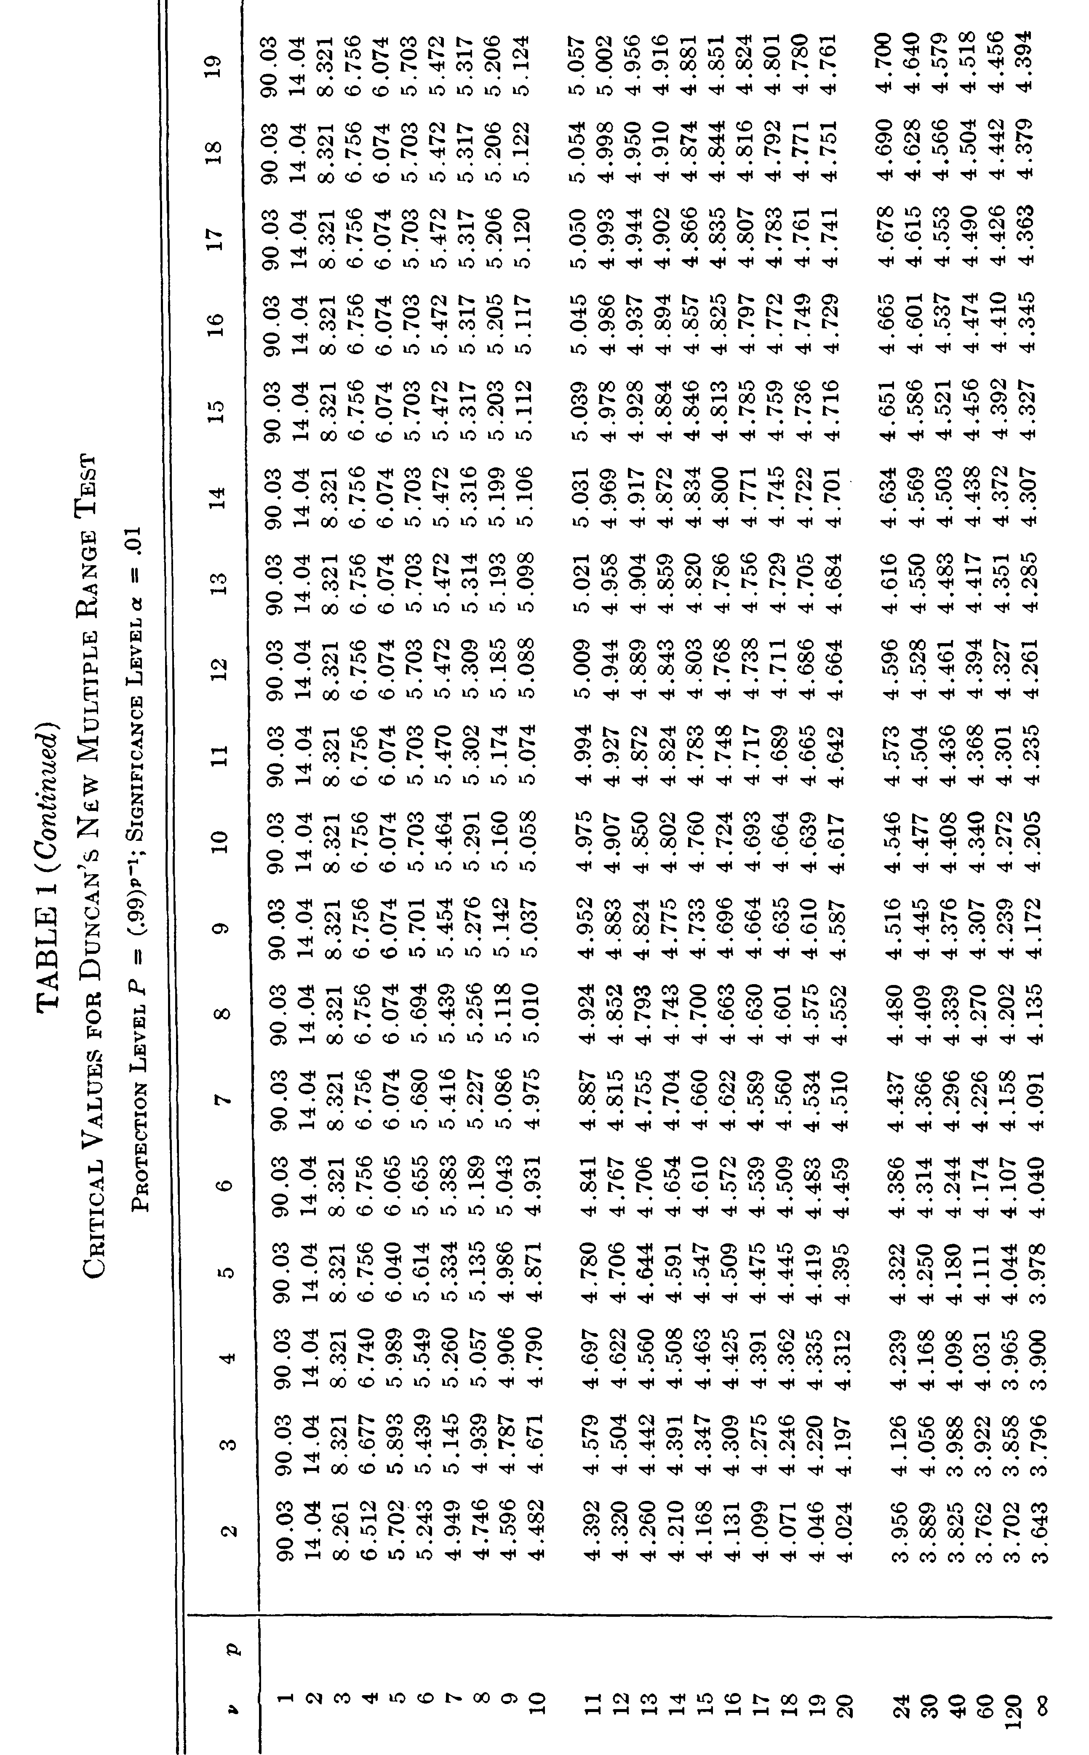
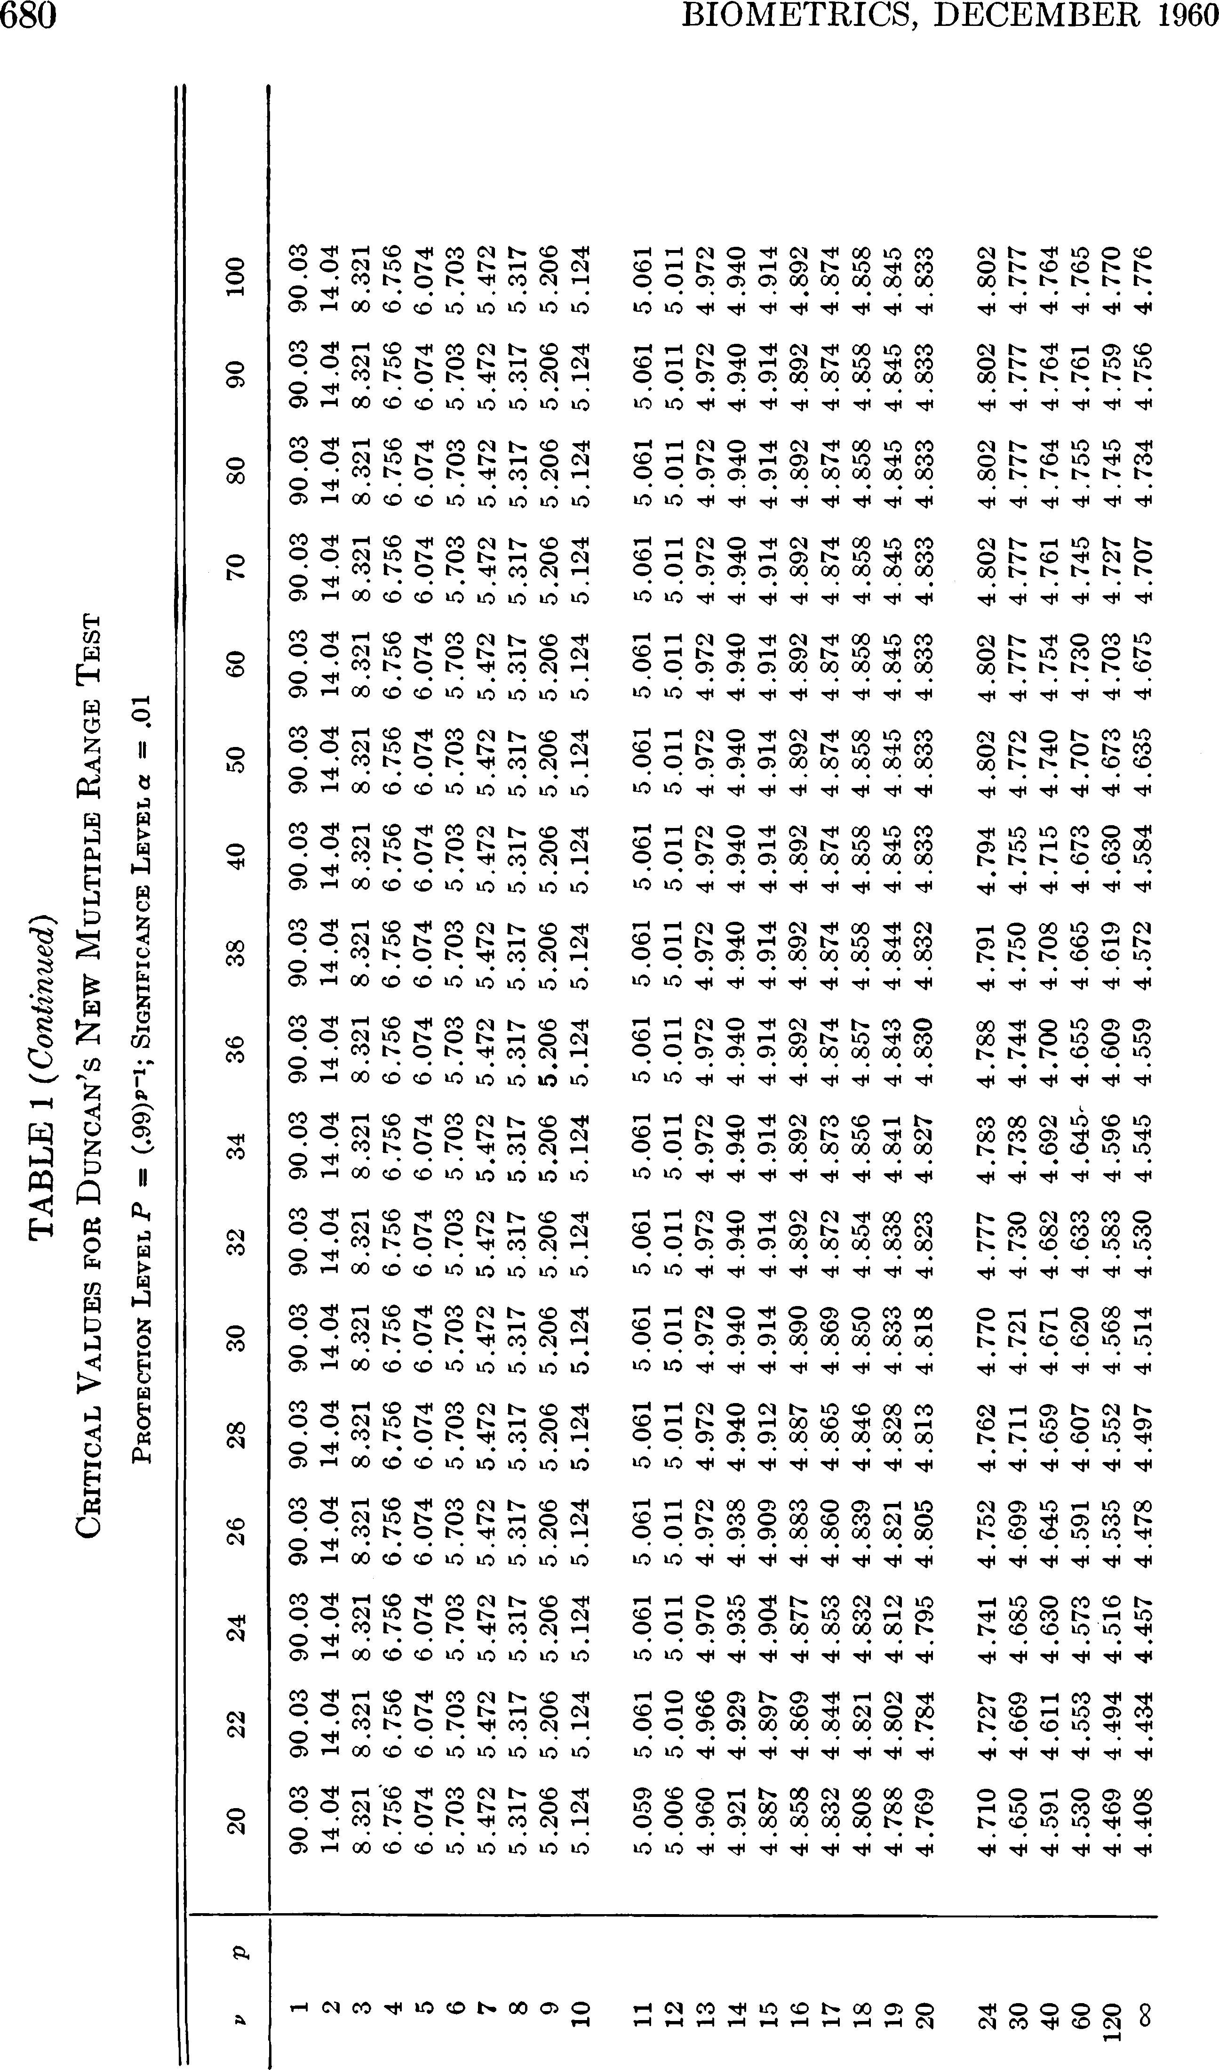
 | 32 | 3.873 | 4.039 | 4.15 | 4.232 | 4.296 | 4.348 | 4.391 | 4.428 | 4.459 | 4.487 | 4.511 | 4.57 | 4.635
 | 33 | 3.865 | 4.031 | 4.142 | 4.224 | 4.288 | 4.34 | 4.383 | 4.42 | 4.452 | 4.479 | 4.504 | 4.562 | 4.629
 | 34 | 3.859 | 4.024 | 4.135 | 4.217 | 4.281 | 4.333 | 4.376 | 4.413 | 4.444 | 4.472 | 4.496 | 4.555 | 4.622
 | 35 | 3.852 | 4.017 | 4.128 | 4.21 | 4.273 | 4.325 | 4.369 | 4.406 | 4.437 | 4.465 | 4.49 | 4.549 | 4.616
 | 36 | 3.846 | 4.011 | 4.121 | 4.203 | 4.267 | 4.319 | 4.362 | 4.399 | 4.431 | 4.459 | 4.483 | 4.543 | 4.611
 | 37 | 3.84 | 4.005 | 4.115 | 4.197 | 4.26 | 4.312 | 4.356 | 4.393 | 4.425 | 4.452 | 4.477 | 4.537 | 4.605
 | 38 | 3.835 | 3.999 | 4.109 | 4.191 | 4.254 | 4.306 | 4.35 | 4.387 | 4.419 | 4.447 | 4.471 | 4.531 | 4.6
 | 39 | 3.83 | 3.993 | 4.103 | 4.185 | 4.249 | 4.301 | 4.344 | 4.381 | 4.413 | 4.441 | 4.466 | 4.526 | 4.595
 | 40 | 3.825 | 3.988 | 4.098 | 4.18 | 4.243 | 4.295 | 4.339 | 4.376 | 4.408 | 4.436 | 4.461 | 4.521 | 4.591
 | 48 | 3.793 | 3.955 | 4.064 | 4.145 | 4.209 | 4.261 | 4.304 | 4.341 | 4.374 | 4.402 | 4.427 | 4.489 | 4.561
 | 60 | 3.762 | 3.922 | 4.03 | 4.111 | 4.174 | 4.226 | 4.27 | 4.307 | 4.34 | 4.368 | 4.394 | 4.456 | 4.53
 | 80 | 3.732 | 3.89 | 3.997 | 4.077 | 4.14 | 4.192 | 4.236 | 4.273 | 4.306 | 4.335 | 4.36 | 4.424 | 4.5
 | 120 | 3.702 | 3.858 | 3.964 | 4.044 | 4.107 | 4.158 | 4.202 | 4.239 | 4.272 | 4.301 | 4.327 | 4.392 | 4.469
 | 240 | 3.672 | 3.827 | 3.932 | 4.011 | 4.073 | 4.125 | 4.168 | 4.206 | 4.239 | 4.268 | 4.294 | 4.359 | 4.439
 | Inf | 3.643 | 3.796 | 3.9 | 3.978 | 4.04 | 4.091 | 4.135 | 4.172 | 4.205 | 4.235 | 4.261 | 4.327 | 4.408

