Hoja1
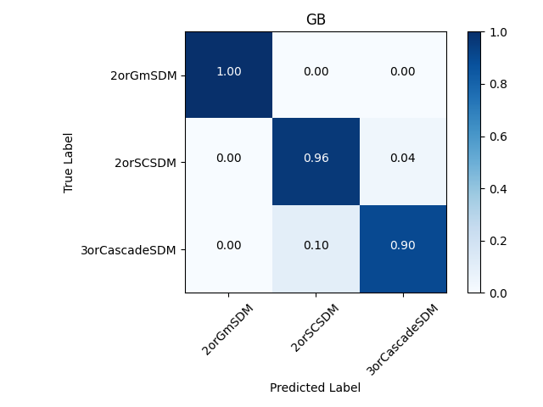

Clasificador | Accuracy Val | Accuracy Train | Accuracy Total | fitting time(s) | T_val(s) | N_train | N_val | T_val/N_val(s)
GNB | 65.5 | 66 | 65.9 | 0.029 | 0.00223370 | 39202 | 9802 | 2.2788206488E-07
logreg | 67.6 | 68.1 | 68 | 0.257 | 0.00141570 | 39202 | 9802 | 1.4442970822E-07
MNB | 65.6 | 66.1 | 66 | 0.087 | 0.00247600 | 39202 | 9802 | 2.526015099E-07
QDA | 56.5 | 56.6 | 56.6 | 0.03 | 0.00204870 | 39202 | 9802 | 2.0900836564E-07
RF | 93.9 | 98.7 | 99.7 | 0.662 | 0.03650300 | 39202 | 9802 | 3.724035911E-06
LDA | 65.4 | 66.1 | 66 | 0.064 | 0.00172360 | 39202 | 9802 | 1.7584166497E-07
DT | 93.2 | 100 | 98.6 | 0.096 | 0.00244510 | 39202 | 9802 | 2.4944909202E-07
SVM linear | 68.6 | 69 | 68.9 | 22.531 | 4.22406790 | 39202 | 9802 | 0.00043093938992
SVM poly | 75.6 | 76.1 | 76 | 37.199 | 4.78734110 | 39202 | 9802 | 0.00048840451949
SVM bf | 83.6 | 84.3 | 84.2 | 24.655 | 14.05076060 | 39202 | 9802 | 0.0014334585391
GB | 95.4 | 95.9 | 95.8 | 5.599 | 0.02958310 | 39202 | 9802 | 3.0180677413E-06
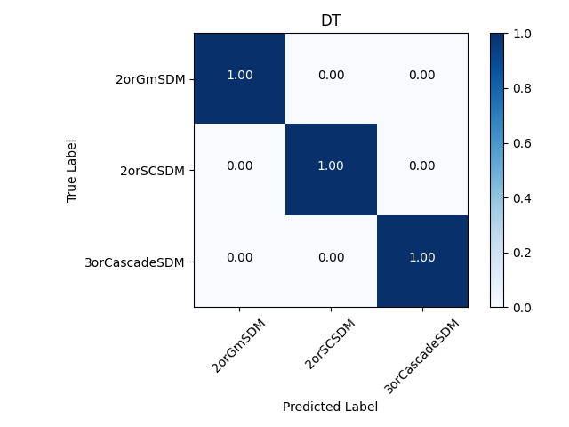
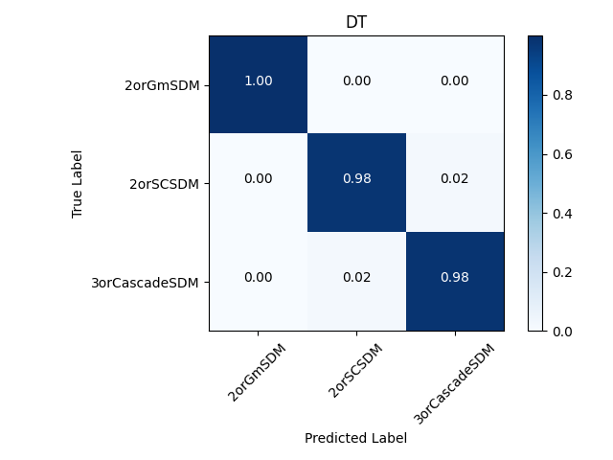
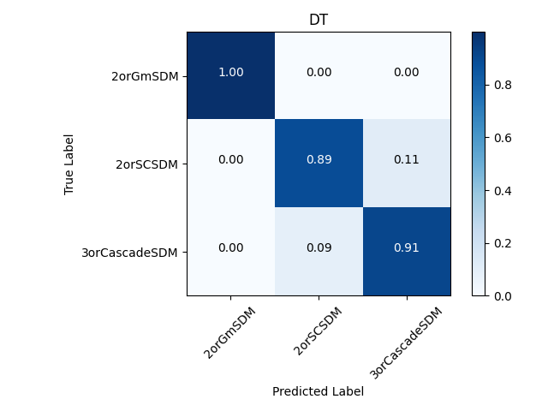

 | Test |  |  |  |  |  | Train |  | Whole

