Hoja1
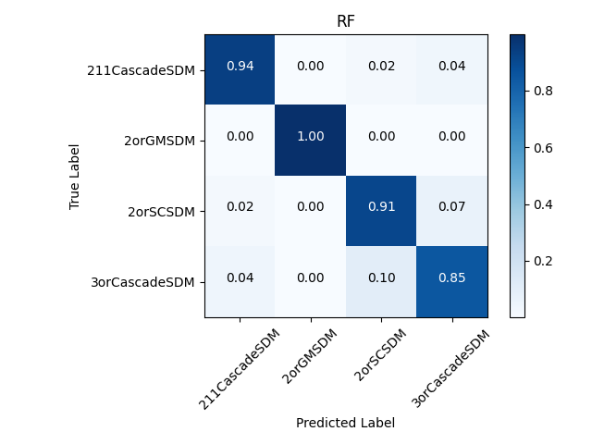
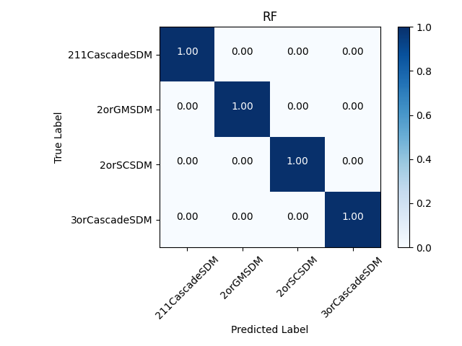

Clasificador | Accuracy Val | Accuracy Train | Accuracy Total | fitting time(s) | T_val(s) | N_train | N_val | T_val/N_val(s) | PC
GNB | 60.1 | 59.4 | 59.6 | 0.034 | 0.00158500 | 52276 | 13069 | 1.2127936338E-07 | Cognitio
logreg | 62.5 | 62.5 | 62.5 | 0.189 | 0.00107100 | 52276 | 13069 | 8.1949651848E-08
MNB | 50.1 | 49.8 | 49.9 | 0.072 | 0.00107070 | 52276 | 13069 | 8.1926696763E-08
QDA | 54 | 54.7 | 54.5 | 0.025 | 0.00220810 | 52276 | 13069 | 1.6895707399E-07
RF | 92.4 | 99.9 | 98.4 | 0.626 | 0.03580450 | 52276 | 13069 | 2.7396510827E-06
LDA | 57.2 | 57.5 | 57.5 | 0.079 | 0.00121690 | 52276 | 13069 | 9.3113474635E-08
DT | 91.4 | 100 | 98.3 | 0.11 | 0.00201710 | 52276 | 13069 | 1.5434233683E-07
SVM linear | 68.1 | 67.6 | 67.7 | 19.641 | 3.91958500 | 52276 | 13069 | 0.0002999146836
SVM poly | 75.1 | 75 | 75.1 | 22.084 | 3.55836580 | 52276 | 13069 | 0.00027227529268
SVM bf | 82.9 | 82.8 | 82.9 | 16.094 | 10.84329110 | 52276 | 13069 | 0.00082969554671
GB | 93.7 | 94.4 | 94.3 | 6.469 | 0.03398630 | 52276 | 13069 | 2.6005279669E-06

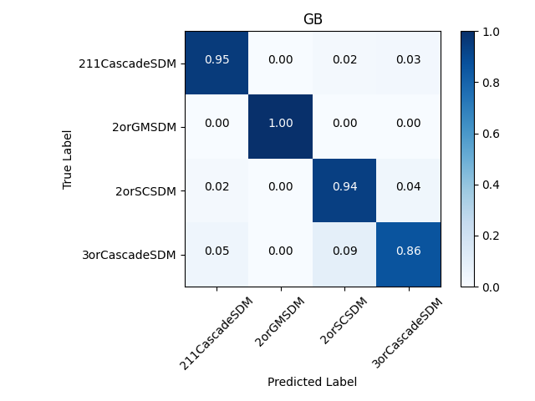



 | Test |  |  |  |  |  | Train |  |  | Whole

