Analisis_Descriptivo_Numerico
Account Length (in months) |  | Observaciones | Customer Service Calls |  | Observaciones | Avg Monthly GB Download |  | Observaciones | Extra Data Charges |  | Observaciones

Media | 32.29098419 |  | Media | 0.9069933058 | Apenas han llamado | Media | 6.6722689076 |  | Media | 3.3837060248
Error típico | 0.29370341775 |  | Error típico | 0.016785129929 |  | Error típico | 0.089064176863 |  | Error típico | 0.15041975969
Mediana | 28 | El valor medio es cercano a la media | Mediana | 0 |  | Mediana | 5 |  | Mediana | 0
Moda | 1 | Prevalecen los clientes que llevan un mes | Moda | 0 |  | Moda | 0 | La mayor parte no descarga | Moda | 0
Desviación estándar | 24.609822812 | Alta > se aleja de la media | Desviación estándar | 1.4064496647 | Alta > El que llama, llama mucho (2 a 3 veces) | Desviación estándar | 7.4628127527 | Alta > se aleja de la media | Desviación estándar | 12.603883406 | Muy Alta
Varianza de la muestra | 605.64337882 | Alta > datos dispersos | Varianza de la muestra | 1.9781006594 |  | Varianza de la muestra | 55.693574182 |  | Varianza de la muestra | 158.85787692
Curtosis | -1.3801133268 |  | Curtosis | 1.4338430589 | Derecha > valores extremos con valores atipicos | Curtosis | 3.7615179387 | Colas mas que pesadas que Gauss | Curtosis | 19.628235642
Coeficiente de asimetría | 0.25118328328 |  | Coeficiente de asimetría | 1.5518335596 | A pesar de que la mayoria no llama, los que llaman, llaman mucho | Coeficiente de asimetría | 1.8062574948 | Moda y Mediana a la izquierda, los que descargan, descargan mucho | Coeficiente de asimetría | 4.3452204483
Rango | 76 |  | Rango | 5 |  | Rango | 43 |  | Rango | 99
Mínimo | 1 |  | Mínimo | 0 |  | Mínimo | 0 |  | Mínimo | 0
Máximo | 77 |  | Máximo | 5 |  | Máximo | 43 |  | Máximo | 99
Suma | 226715 |  | Suma | 6368 |  | Suma | 46846 |  | Suma | 23757
Cuenta | 7021 |  | Cuenta | 7021 |  | Cuenta | 7021 |  | Cuenta | 7021

Age |  | Observaciones | Number of Customers in Group |  | Observaciones | Monthly Charge |  | Observaciones | Total Charges |  | Observaciones

Media | 47.526420738 | Cercana a la mediana | Media | 0.8337843612 |  | Media | 30.973142857 |  | Media | 1083.2742857
Error típico | 0.20273372053 |  | Error típico | 0.020249049987 |  | Error típico | 0.19495300311 |  | Error típico | 13.488227238
Mediana | 47 | Cencana a la mediana | Mediana | 0 |  | Mediana | 31 |  | Mediana | 644.5
Moda | 29 | Moda a la izquierda | Moda | 0 |  | Moda | 10 |  | Moda | 10
Desviación estándar | 16.987343826 |  | Desviación estándar | 1.6966964025 | moderada, ya que la media es 0.8337, lo que indica una variabilidad considerable en el número de clientes por grupo. | Desviación estándar | 16.310938475 | - **Desviación estándar**: 16.311, alta en comparación con la media de 30.973, lo que indica una gran variabilidad en los cargos mensuales. | Desviación estándar | 1128.5060559 | - **Desviación estándar**: 1128.506, extremadamente alta comparada con la media de 1083.27, lo que muestra una gran dispersión en los cargos totales.
Varianza de la muestra | 288.56985028 |  | Varianza de la muestra | 2.8787786823 | moderada, lo que confirma la dispersión. | Varianza de la muestra | 266.04671394 | - **Varianza**: 266.0467, alta, lo que refuerza la alta dispersión de los cargos. | Varianza de la muestra | 1273525.9182 | - **Varianza**: 1273525.918, confirma la dispersión extremadamente alta.
Curtosis | -0.93370742584 | Menos valores extremos VS Gauss. Concentración entorno a la media | Curtosis | 2.3343455176 | superior a 0, lo que indica que la distribución tiene colas más pesadas que una distribución normal. | Curtosis | -0.86954993425 | - **Curtosis**: -0.8695, negativa, lo que indica una distribución más plana, con menos valores extremos. | Curtosis | 0.67551449105 | - **Curtosis**: 0.6755, levemente positiva, lo que sugiere colas más pesadas que una distribución normal.
Coeficiente de asimetría | 0.21086212293 |  | Coeficiente de asimetría | 1.9076041682 | muestra una fuerte asimetría positiva (la mayoría de los grupos tiene pocos clientes, pero algunos tienen muchos). | Coeficiente de asimetría | 0.21153611273 | - **Coeficiente de asimetría**: 0.2115, cerca de 0, lo que sugiere una ligera asimetría positiva, pero no significativa. | Coeficiente de asimetría | 1.1963800003 | - **Coeficiente de asimetría**: 1.1964, indica asimetría positiva, con algunos valores elevados que elevan la media.
Rango | 66 |  | Rango | 6 |  | Rango | 73 |  | Rango | 5568
Mínimo | 19 |  | Mínimo | 0 |  | Mínimo | 5 | **Conclusión**: Los cargos mensuales tienen una alta variabilidad, pero la distribución es bastante simétrica y más plana de lo esperado. | Mínimo | 6 | **Conclusión**: Los cargos totales tienen una gran dispersión y están influenciados por algunos valores altos, lo que sesga la distribución hacia la derecha.
Máximo | 85 |  | Máximo | 6 |  | Máximo | 78 |  | Máximo | 5574
Suma | 333683 |  | Suma | 5854 |  | Suma | 216812 |  | Suma | 7582920
Cuenta | 7021 |  | Cuenta | 7021 |  | Cuenta | 7000 |  | Cuenta | 7000

Average Monthly Expenses |  | Observaciones | Number of Complaints or Support |  | Observaciones

Media | 30.966237913 |  | Media | 5.0215069078
Error típico | 0.20101019174 |  | Error típico | 0.037789777625
Mediana | 30.627545826 |  | Mediana | 5
Moda | 47.179748464 |  | Moda | 6
Desviación estándar | 16.842926923 | - **Desviación estándar**: 16.8429, alta en relación con la media de 30.9662, lo que sugiere una gran variabilidad en los gastos mensuales promedio. | Desviación estándar | 3.1664586629 | - **Desviación estándar**: 3.1665, moderada considerando que la media es 5.0215.
Varianza de la muestra | 283.68418732 | - **Varianza**: 283.6842, alta, lo que confirma la dispersión. | Varianza de la muestra | 10.026460464 | - **Varianza**: 10.0265, moderada, lo que sugiere una dispersión controlada.
Curtosis | -0.61849558344 | - **Curtosis**: -0.6185, negativa, lo que indica una distribución más plana. | Curtosis | -1.22172728 | - **Curtosis**: -1.2217, negativa, indicando una distribución más plana.
Coeficiente de asimetría | 0.35407016718 | - **Coeficiente de asimetría**: 0.3541, leve asimetría positiva, pero no significativa. | Coeficiente de asimetría | -0.011114440749 | - **Coeficiente de asimetría**: -0.0111, casi simétrica, lo que sugiere que los datos están distribuidos de manera equitativa alrededor de la media.
Rango | 80.666419729 |  | Rango | 10
Mínimo | 4.0890919408 | **Conclusión**: Los gastos mensuales promedio muestran alta variabilidad y una distribución relativamente simétrica. | Mínimo | 0 | **Conclusión**: El número de quejas o solicitudes de soporte está bastante equilibrado con una baja variabilidad, y los datos son prácticamente simétricos.
Máximo | 84.75551167 |  | Máximo | 10
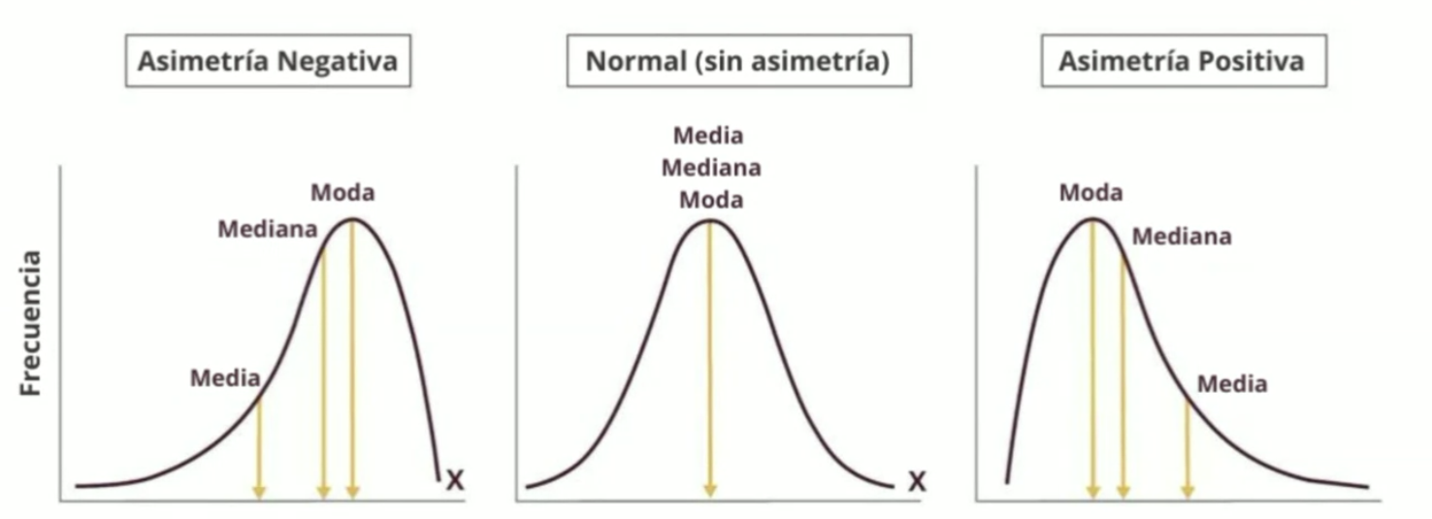
Suma | 217413.95639 |  | Suma | 35256
Cuenta | 7021 |  | Cuenta | 7021

- **Number of Customers in Group** y **Total Charges** muestran una alta asimetría y variabilidad, con sesgo hacia valores altos.
- **Monthly Charge** y **Average Monthly Expenses** tienen una alta variabilidad pero son más simétricos en su distribución.
- **Number of Complaints or Support** tiene una dispersión moderada y es la métrica más equilibrada en términos de simetría.

En general, la mayoría de las métricas presentan una variabilidad alta, con algunas (como "Total Charges") siendo influenciadas por valores extremos o altos.

