REST Routes
AASiD Part 2 - Generic services REST influenced .. brainstorming // not specified, yet

Capa.Id. | Cmd | Path | Description | realized | Profile | Profile: RO = read only, RW = read write, ADV = Advanced
 |  |  |  |  |  |  |  | #REF!
10 | GET | /aas/id[/(core|complete)] | Retrieves the serialization from the default AAS+Asset, but without Submodel.. data. With "complete", the views are serialized. Top JSON structure holds two attributes "aas" and "asset". | ü | RO |  |  | #REF!
 |  |  |  |  |  | Basys services |  | #REF!
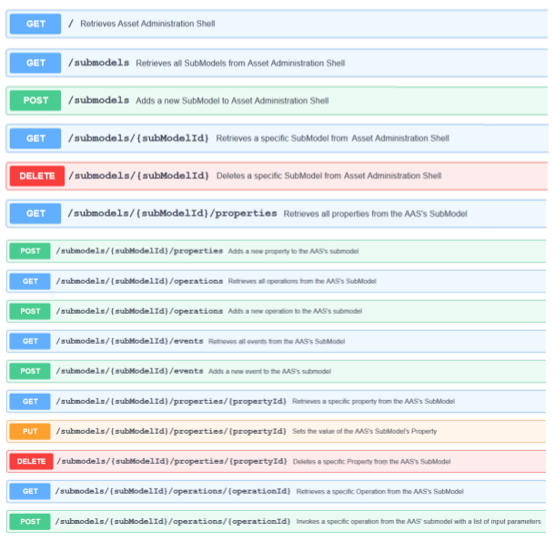
11 | GET | /aas/{AAS-ID}[/(core|complete)] | Retrieves the serialization from the default AAS+Asset, but without Submodel.. data. With "complete", the views are serialized. {sm-id} is idShort or handle to id; no direct search of full identification possible! Top JSON structure holds two attributes "aas" and "asset". | ü | RO |  |  | #REF!
 |  |  |  |  |  |  |  | #REF!
12 | GET | /aas/{AAS-ID}/thumbnail | For the AAS, retrieves the available thumbnail as a file transfer. | ü | ADV |  |  | #REF!
 |  |  |  |  |  |  |  | #REF!
13 | GET | /aas/{AAS-ID}/aasenv | Retrieves a full AAS environment (AAS + respective asset, submodels, concept descriptions) |  | ADV |  |  | #REF!
 |  |  |  |  |  |  |  | #REF!
15 | DELETE | /aas/{AAS-ID} | Deletes specific AAS and associated Asset | ü | ADV |  |  | #REF!
 |  |  |  |  |  |  |  | #REF!
16 | PUT | /aas | Adds a new AAS or updates the existing AAS with enclosed identification (idempotent) | ü | ADV |  |  | #REF!
 |  |  |  |  |  |  |  | #REF!
20 | GET | /assets/{asset-id} | Retrieves a JSON list of all AAS referring to this asset id. {asset-id} is idShort or handle to id; no direct search of full identification possible! | ü | RO |  |  | #REF!
 |  |  |  |  |  |  |  | #REF!
21 | PUT | /assets | Adds a new Asset or updates the existing Asset with enclosed identification (idempotent) | ü | ADV |  |  | #REF!
 |  |  |  |  |  |  |  | #REF!
30 | GET | /aas/{AAS-ID}/submodels | Retrieves a serialization list of all Submodels | ü | RO |  |  | #REF!
 |  |  |  |  |  |  |  | #REF!
31 | PUT | /aas/{AAS-ID}/submodels | Adds a new Submodel or updates the existing Submodel with enclosed identification (idempotent) |  | RW |  |  | #REF!
 |  |  |  |  |  |  |  | #REF!
40 | GET | /aas/{AAS-ID}/submodels/{sm-id}[/(core|deep|complete)] | Gets serialization of a Submodel. With "deep" will include SubmodelElement hierarchy. With "complete", blobs will be included as well as hierarchy. Files will not be included. | ü | RO |  |  | #REF!
 |  |  |  |  |  |  |  | #REF!
41 | GET | /aas/{AAS-ID}/submodels/{sm-id}/table | Gets a serialization of a Submodel. Only the direct SubmodelElements will be serialized. Only one level will be serialized. Output structure is of a table, each row featuring: idShort, SubmodelElement-Type, semanticId.idType, semanticId.id, shortName, unit, value | ü | ADV |  |  | #REF!
 |  |  |  |  |  |  |  | #REF!
42 | PUT | /aas/{AAS-ID}/submodels/ | Replaces/ updates a current Submodel in the data structures and adds (if necessary) a SubmodelReference to it in the AAS. | ü | RW |  |  | #REF!
 |  |  |  |  |  |  |  | #REF!
43 | DELETE | /aas/{AAS-ID}/submodels/{sm-id} | Deletes specific Submodel in the data structures and removes the SubmodeReference within the AAS. | ü | RW |  |  | #REF!
 |  |  |  |  |  |  |  | #REF!
50 | GET | /aas/{AAS-ID}/submodels/{sm-id}/elements/{id-short}/../{id-short}[/core] | Gets the serialization of a SubmodelElement without blob, file and without sub-ordinate elements | ü | RO |  |  | #REF!
 |  |  |  |  |  | Design assumptions |  | #REF!
51 | GET | /aas/{AAS-ID}/submodels/{sm-id}/elements/{id-short}/../{id-short}/deep | Gets the serialization of a SubmodelElement without blob, file and with sub-ordinate elements | ü | RO | 1) | Viewpoint is a default or a specific AAS; all management is "through" this AAS | #REF!
 |  |  |  |  |  |  |  | #REF!
52 | GET | /ass/{AAS-ID}/submodels/{sm-id}/elements/{id-short}/../{id-short}/complete | Gets the serialization of a SubmodelElement with blob, without file and with sub-ordinate elements | ü | RO |  |  | #REF!
 |  |  |  |  |  |  |  | #REF!
53 | GET | /ass/{AAS-ID}/submodels/{sm-id}/elements/{id-short}/../{id-short}/value | Gets only the value of the specified SubmodelElement = Property |  | RO | Important topics: |  | #REF!
 |  |  |  |  |  | Trailing slashes arer meaning a full resource group! |  | #REF!
54 | PUT | /aas/{AAS-ID}/submodels/{sm-id}/elements/{id-short}/../{id-short} | Adds or updates one or more SubmodelElements under id-short-path, with blob and sub-ordinate elements possible (add/ update is done as complete hierarchy, not element per element!) Note: currently, only Submodel and SubmodelElementCollections are supported as parent, not Operations (add a Operation at whole, if required). | ü | RW | (1) | https://softwareengineering.stackexchange.com/questions/186959/trailing-slash-in-restful-api | #REF!
 |  |  |  |  |  | POST as method invocation |  | #REF!
55 | DELETE | /aas/{AAS-ID}/submodels/{sm-id}/elements/{id-short}/../{id-short} | Delete SubmodelElement and all sub-ordinate elements | ü | RW | (2) | https://stackoverflow.com/questions/16877968/call-a-server-side-method-on-a-resource-in-a-restful-way | #REF!
 |  |  |  |  |  | Valid chars for a PATH SEGMENT |  | #REF!
56 | GET | /aas/{AAS-ID}/submodels/{sm-id}/elements/{id-short}/../{id-short}/file | Get the file value of the specified SubmodelElement | ü | RO | (3) | https://stackoverflow.com/questions/4669692/valid-characters-for-directory-part-of-a-url-for-short-links | #REF!
 |  |  |  |  |  | Date time format for HTTP |  | #REF!
57 | PUT | /aas/{AAS-ID}/submodels/{sm-id}/elements/{id-short}/../{id-short}/file | Puts the file value of the specified SubmodelElement |  | RW | (4) | https://stackoverflow.com/questions/21120882/the-date-time-format-used-in-http-headers | #REF!
 |  |  |  |  |  |  | https://stackoverflow.com/questions/8406377/http-response-header-format-for-expires | #REF!
58 | GET | /aas/{AAS-ID}/submodels/{sm-id}/elements/{id-short}/../{id-short}/blob | Get the blob value of the specified SubmodelElement = Blob | ü | RO | PUT vs. POST |  | #REF!
 |  |  |  |  |  | (5) | https://stackoverflow.com/questions/630453/put-vs-post-in-rest | #REF!
59 | GET | /aas/{AAS-ID}/submodels/{sm-id}/elements/{id-short}/../{id-short}/events | Get all pending events from the certain SubmodelElement | x (not implemented) | RO |  |  | #REF!
 |  |  |  |  |  |  |  | #REF!
60 | DELETE | /aas/{AAS-ID}/submodels/{sm-id}/elements/{id-short}/../{id-short}/events | Delete all pending events from the certain SubmodelElement | x (not implemented) | RO |  |  | #REF!
 |  |  |  |  |  |  |  | #REF!
61 | POST | /aas/{AAS-ID}/submodels/{sm-id}/elements/{id-short}/../{id-short}/invoke | Invokes the operation of the specified SubmodelElements. Input arguments as a JSON document. Output argument as JSON document. | ü | RO |  |  | #REF!
 |  |  |  |  |  |  |  | #REF!
70 | GET | /aas/{AAS-ID}/cds | Retrieves a serialization list of short summaries of all ConceptDescriptions. The AAS might filter according to {AAS-ID}. Each summary entity features identification, idShort, shortName, isCaseOf. | ü | RW |  |  | #REF!
 |  |  |  |  |  |  |  | #REF!
71 | GET | /aas/{AAS-ID}/cds/{CD-id} | Retrieves a serialization of a ConceptDescription. Searches in idShort and identifications. Does not search in shortNames, even if these are often set and idShorts are not! | ü | RO |  |  | #REF!
 |  |  |  |  |  |  |  | #REF!
72 | PUT | /aas/{AAS-ID}/cds/ | Puts/ updates a existing ConceptDescription | ü | RW |  |  | #REF!
 |  |  |  |  |  |  |  | #REF!
73 | DELETE | /aas/{AAS-ID}/cds/{CD-id} | Deletes a existing ConceptDescription | ü | RW |  |  | #REF!

80 | GET | /server/profile | List the capabilities of the server as a list of numerical capabilities IDs. | ü | RO

81 | POST | /handles/identification | Content is of JSON and contains an array of 1 ore more Identification elements. The response is of JSON and contains a list of handles to these Identifications. These handles are preceeded by '@', to safely distinguish them from shortIds. The life-cycle of handles is restricted, so a expiry date isz mentioned as well. | ü | RO

82 | GET | /handles/identification | Retrieves a JSON list of all handles, the user is allowed to use and view. Note: for implementations without user management, this realizes a side-channel attack leaking out the IDs (targets) of other users! This API is only for non-productive deployments! | ü | RO

