Sheet1
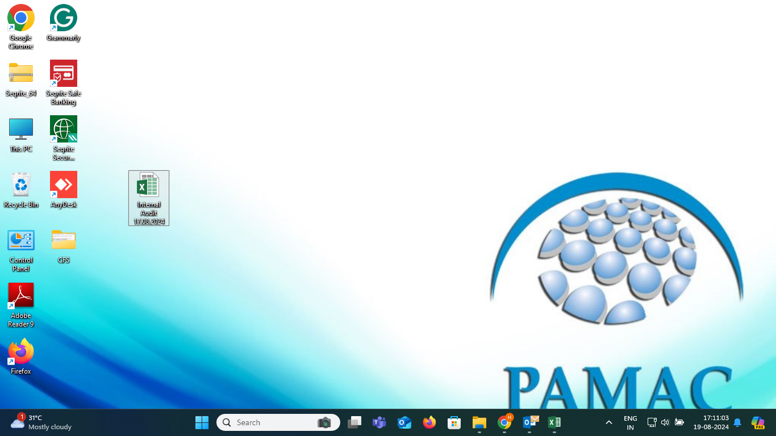
Sonali Kotwal Desktop

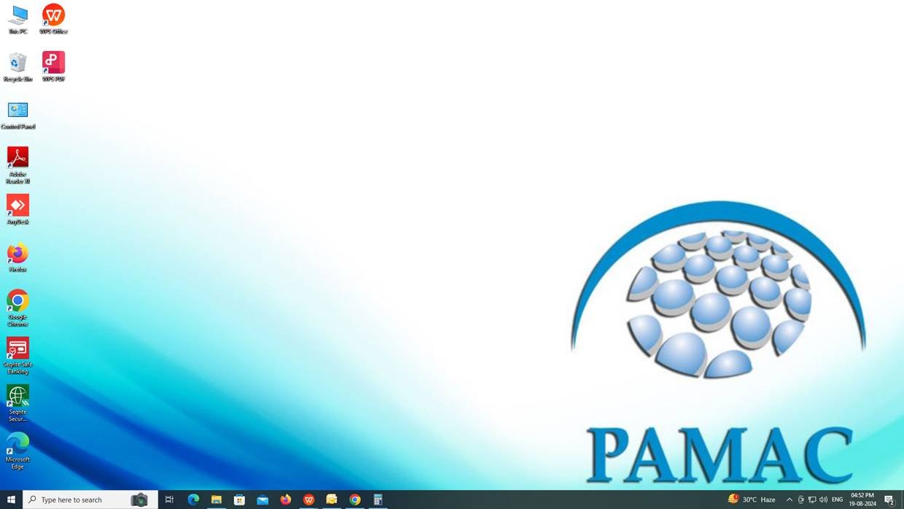

Hemant Bali Desktop

