Images
Account No | DIN | Link to Detail | Image
CPZO30297910765333 | 97610864 | Link to Detail | 
DXBR49236812805007 | 16261726 | Link to Detail | 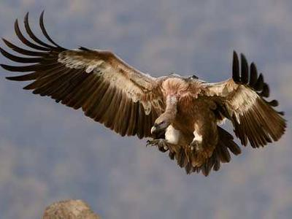
EXXX68394094161814 | 98908782 | Link to Detail | 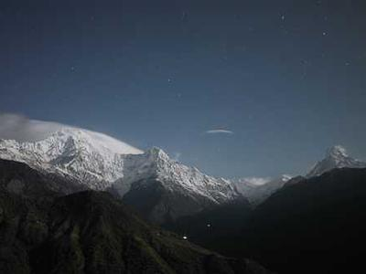
HBDF22877488649324 | 646947 | Link to Detail | 
IAKQ79998190055491 | 56919245 | Link to Detail | 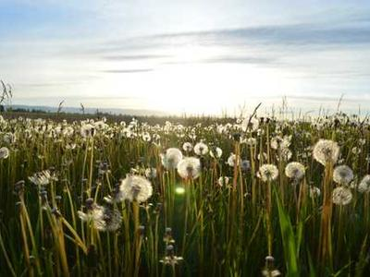
NIJX40339577970686 | 88514116 | Link to Detail | 
UETF40584721958306 | 16721311 | Link to Detail | 
VRZX44532896429514 | 39910325 | Link to Detail | 
YNUN70021269824001 | 47586677 | Link to Detail | 
ZGKE68482007115143 | 59961268 | Link to Detail | 

