Instructions
Instructions

Ensure the column headings in columns A: J remain unchanged any additional columns can be added as the user requires.
Additional sheets for tracking unit cost calculations, for example, can also be added freely.
Cells do not contain prespecified formulas and it is up to the user to enter or calculate data as they see appropriate.
The template is prepopulated with some common interventions, types of intervention, cost classes and units – these rows can be edited and/or deleted as the user requires but ensure that for each intervention being delivered in the operational plan there are unit costs for the specific intervention and intervention type. You can add extra rows and if there are any missing critical items from the unit cost spreadsheet this should be discussed with the the technical team to integrate
If desired the user can also add location specific unit costs. If this is required discuss with the technical team to set this up.

Fill out the Excel template:
· ‘code_intervention’: Select from the drop down list the intervention that cost data relates to.
· ‘type_intervention’: Select from the drop down list the specific type of intervention the cost relates to. These values relate to the ‘type_’ column in the scenario template. If the user wants to include any fixed costs for an intervention this is also specified in this column e.g. Fixed costs for annual warehousing of bednets during a campaign.
· ‘cost_class’: Select the cost class (Procurement, Distribution, Operational, Support, Other) If selecting “other” specify in column ‘cout_class_other what this is.
· ‘description’: Provide a short description of the components of the unit cost in the description column.
· ‘unit: Select from the drop down list the specific unit for the cost e.g. Per Net, Per Child, Per Dose, Per Year etc
· ‘local_currency_cost': Monetary value for the specific unit cost in National currency
· ‘exchange_rate’: exchange rate to convert from National to USD to populate unit cost values in the ‘usd_cost’ column or vice versa with the ‘local_currency_cost’ column.
· ‘cost_year_for_analysis’: this value is the year of the operational plan that the unit cost should be used to calculate the budget for. If this column is left blank the same unit cost will be applied for every year of delivery in the specified plan.
· To allow for ease of conversion of unit cost estimates that are generated from historical data to current monetary values there are the following additional columns to aid in this: ‘original_unit_cost’ the original unit cost estimate, ‘original_unit_cost_year’ the year of the data used to estimate the unit cost and finally ‘inflation_factor’ the inflation factor to apply to have unit costs in current and future expected values.
· ‘notes’ and ‘source’ columns can be used to store any specific notes and details on the data source used to generate unit costs.

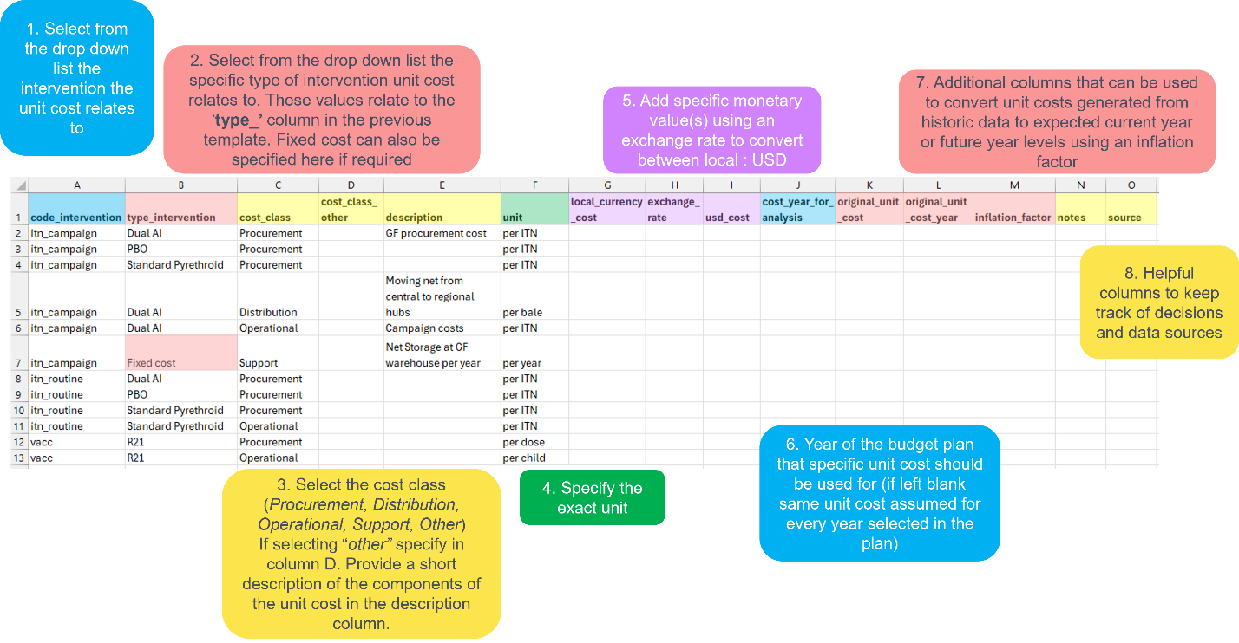

Once unit cost data has been specified, the user can save a local copy of this file.
Return to the web application and upload the completed Excel file using the form and give the cost sheet a name: e.g. “Cost 1” etc and a description: e.g. “Based on historic cost data” – make sure these are informative descriptions as it will be helpful when generating and comparing plans.
Press “Submit Cost Sheet” button and the spreadsheet will be uploaded into the tool.
Uploaded cost data will appear in a summary table.

