Sheet1
All tables in naira
Spreadsheet values for public case management
sector | commodity | quantity | unit_cost_type | unit_cost | total
all | RDT kits | 60,827,260 | Procurement cost per kit & consumables | 740 | 45,012,172,507.53
all | RDT kits | 60,827,260 | Distribution cost per kit & consumables | 185 | 11,253,043,126.88
all | ACT packs | 69,564,222 | Procurement cost per AL | 1952 | 135,789,361,677.55
all | ACT packs | 69,564,222 | Routine Distribution cost per AL | 488 | 33,947,340,419.39
all | IV Artesunate | 6,939,078 | Artesunate injections-Procurement cost | 3205 | 22,239,745,544.20
all | IV Artesunate | 6,939,078 | Artesunate injections-Routine Distribution cost | 801.25 | 5,559,936,386.05
all | RAS | 530,266 | Procurement cost per RAS | 703 | 372,777,004.58
all | RAS | 530,266 | Routine Distribution cost per RAS | 175.75 | 93,194,251.15
all | EQA | 37 | Conduct External Quality Assurance (EQA) per State | 3622523 | 134,033,351.00

 |  |  |  | Sum | 254,401,604,268.33

Accoridng to Tari's email:
Case management commodity quantification is usually allocated as 45% for public and 65% for private sector which is non-government (private hospitals and clinics/chemist shops/community pharmacies etc.) which then adds up to 100% coverage.
In the spreadsheet the it's assuming public sector 42.3% and private sector 57.7%
public prop | 0.423
private prop | 0.577

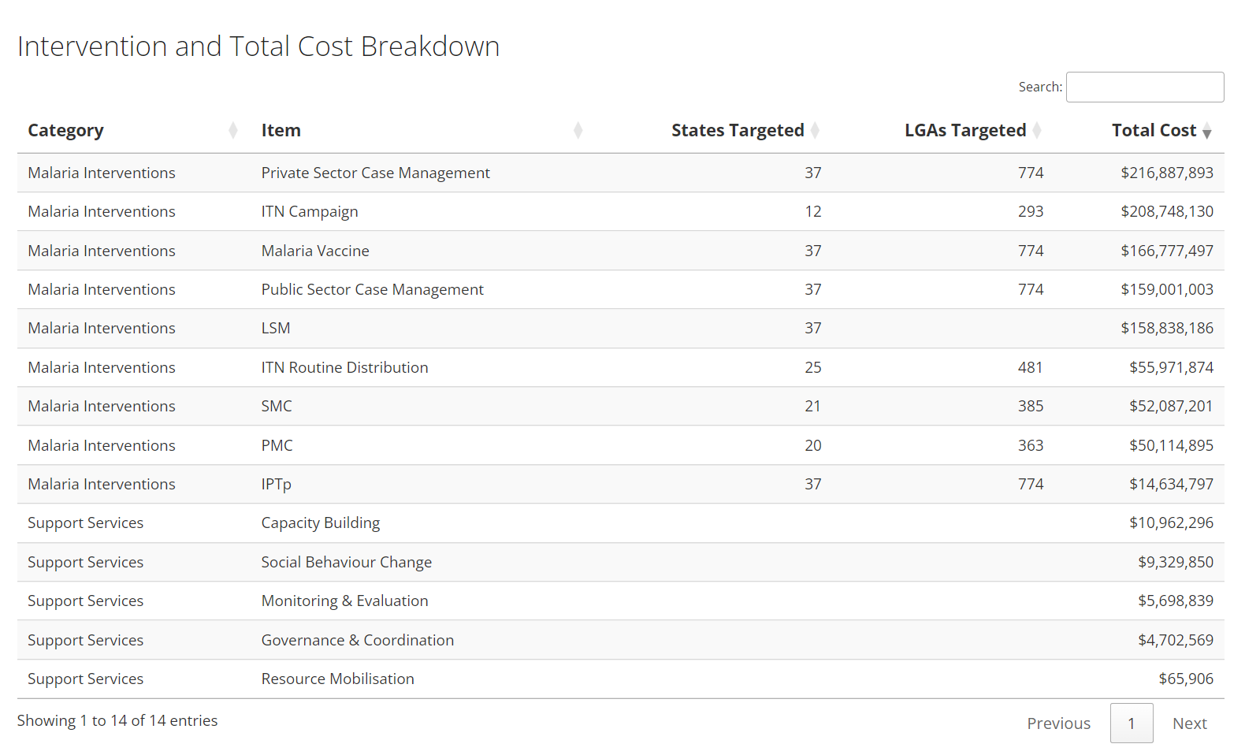
This is the calcualtions as done in the costing spreadsheet for public and then the calculation of the private sector
sector | commodity | quantity | unit_cost_type | unit_cost | total | This also makes Private sector case management the most expensive intervention across the costed plan as shown in the table and plot below:
public | RDT kits | 60,827,260 | Procurement cost per kit & consumables | 740 | 45,012,172,507.53
public | RDT kits | 60,827,260 | Distribution cost per kit & consumables | 185 | 11,253,043,126.88
public | ACT packs | 69,564,222 | Procurement cost per AL | 1952 | 135,789,361,677.55
public | ACT packs | 69,564,222 | Routine Distribution cost per AL | 488 | 33,947,340,419.39
public | IV Artesunate | 6,939,078 | Artesunate injections-Procurement cost | 3205 | 22,239,745,544.20
public | IV Artesunate | 6,939,078 | Artesunate injections-Routine Distribution cost | 801.25 | 5,559,936,386.05
public | RAS | 530,266 | Procurement cost per RAS | 703 | 372,777,004.58
public | RAS | 530,266 | Routine Distribution cost per RAS | 175.75 | 93,194,251.15
public | EQA | 37 | Conduct External Quality Assurance (EQA) per State | 3622523 | 134,033,351.00

 |  |  |  | Public sector | 254,401,604,268.33

This asumes that the commodities were calculated only for the public sector and private sector is calculated by assuming public sector cost would be 42.3% of the total cost. The private sector was included by dividing the total by 47.2% and multiplying by 57.7% |  |  |  | Private sector | 347,020,628,044.51
This implies that the Gov is willing to spend > 100,000,000,000 Naira more on private sector and this is covering the procurement and distribution of the commodities?
 |  |  |  | Total | 601,422,232,312.83

We can also manually adjust this calculation to check the assumptions above

sector | commodity | quantity | unit_cost_type | unit_cost | total
public | RDT kits | 60,827,260 | Procurement cost per kit & consumables | 740 | 45,012,172,507.53
public | RDT kits | 60,827,260 | Distribution cost per kit & consumables | 185 | 11,253,043,126.88
public | ACT packs | 69,564,222 | Procurement cost per AL | 1952 | 135,789,361,677.55
public | ACT packs | 69,564,222 | Routine Distribution cost per AL | 488 | 33,947,340,419.39
public | IV Artesunate | 6,939,078 | Artesunate injections-Procurement cost | 3205 | 22,239,745,544.20
public | IV Artesunate | 6,939,078 | Artesunate injections-Routine Distribution cost | 801.25 | 5,559,936,386.05
public | RAS | 530,266 | Procurement cost per RAS | 703 | 372,777,004.58
public | RAS | 530,266 | Routine Distribution cost per RAS | 175.75 | 93,194,251.15
public | EQA | 37 | Conduct External Quality Assurance (EQA) per State | 3622523 | 134,033,351.00

total | RDT kits | 143,799,669.37 | Calculate the expected total commoditiy need by divding the public sector comoditiy calculation (from the global fund) by the proportion seeking care in the public sector, then multiply the total by the proportion seeking in the private sector and you can see below that the total calculated above matches with this assumption
total | RDT kits | 143,799,669.37
total | ACT packs | 164,454,425.94
total | ACT packs | 164,454,425.94
total | IV Artesunate | 16,404,440.13
total | IV Artesunate | 16,404,440.13
total | RAS | 1,253,583.95
total | RAS | 1,253,583.95
total | EQA | 37.00

private | RDT kits | 82,972,409.23 | Procurement cost per kit & consumables | 740 | 61,399,582,829.42
private | RDT kits | 82,972,409.23 | Distribution cost per kit & consumables | 185 | 15,349,895,707.36
private | ACT packs | 94,890,203.76 | Procurement cost per AL | 1952 | 185,225,677,749.28
private | ACT packs | 94,890,203.76 | Routine Distribution cost per AL | 488 | 46,306,419,437.32
private | IV Artesunate | 9,465,361.95 | Artesunate injections-Procurement cost | 3205 | 30,336,485,056.75
private | IV Artesunate | 9,465,361.95 | Artesunate injections-Routine Distribution cost | 801.25 | 7,584,121,264.19
private | RAS | 723,317.94 | Procurement cost per RAS | 703 | 508,492,509.80
private | RAS | 723,317.94 | Routine Distribution cost per RAS | 175.75 | 127,123,127.45
private | EQA | 37.00 | Conduct External Quality Assurance (EQA) per State | 3622523 | 134,033,351.00

 |  |  |  |  |  | difference
 |  |  |  | Public sector | 254,401,604,268.33 | -

 |  |  |  | Private sector | 346,971,831,032.56 | (48,797,011.95)

 |  |  |  | Total | 601,373,435,300.89 | (48,797,011.95) | have slight difference here because I've assumed the cost of EQA is not split between public and private but both would need this?

