a worksheet
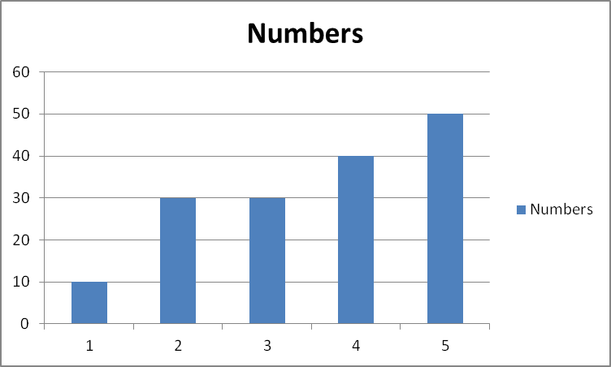
Numbers
10
30
30
40
50

Shape has a hyperlink.

 | A hyperlink

a chart
 | Numbers
 | 10
 | 30
 | 30
 | 40
 | 50

