1_Messages_API_CALL
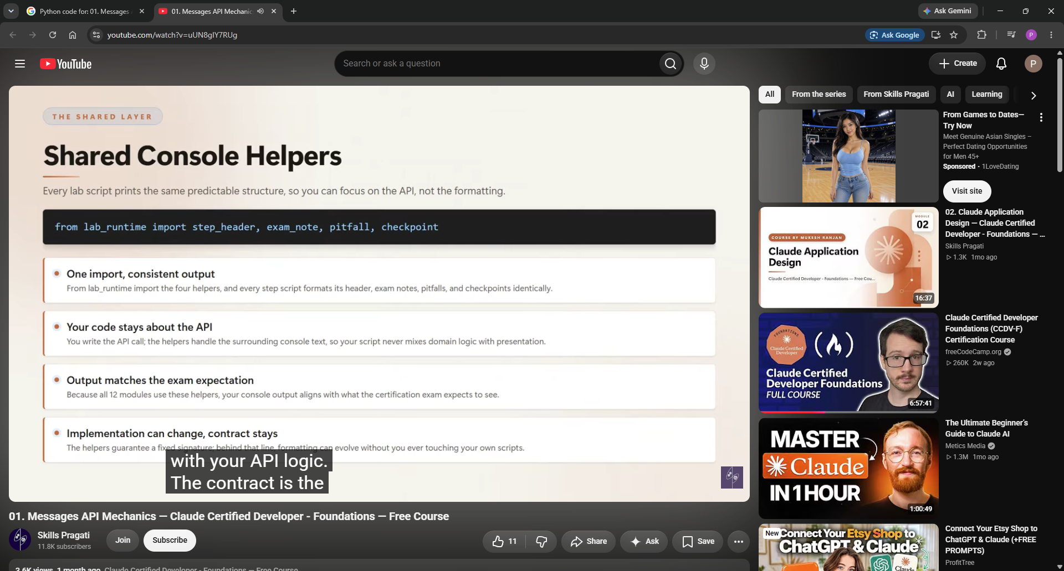
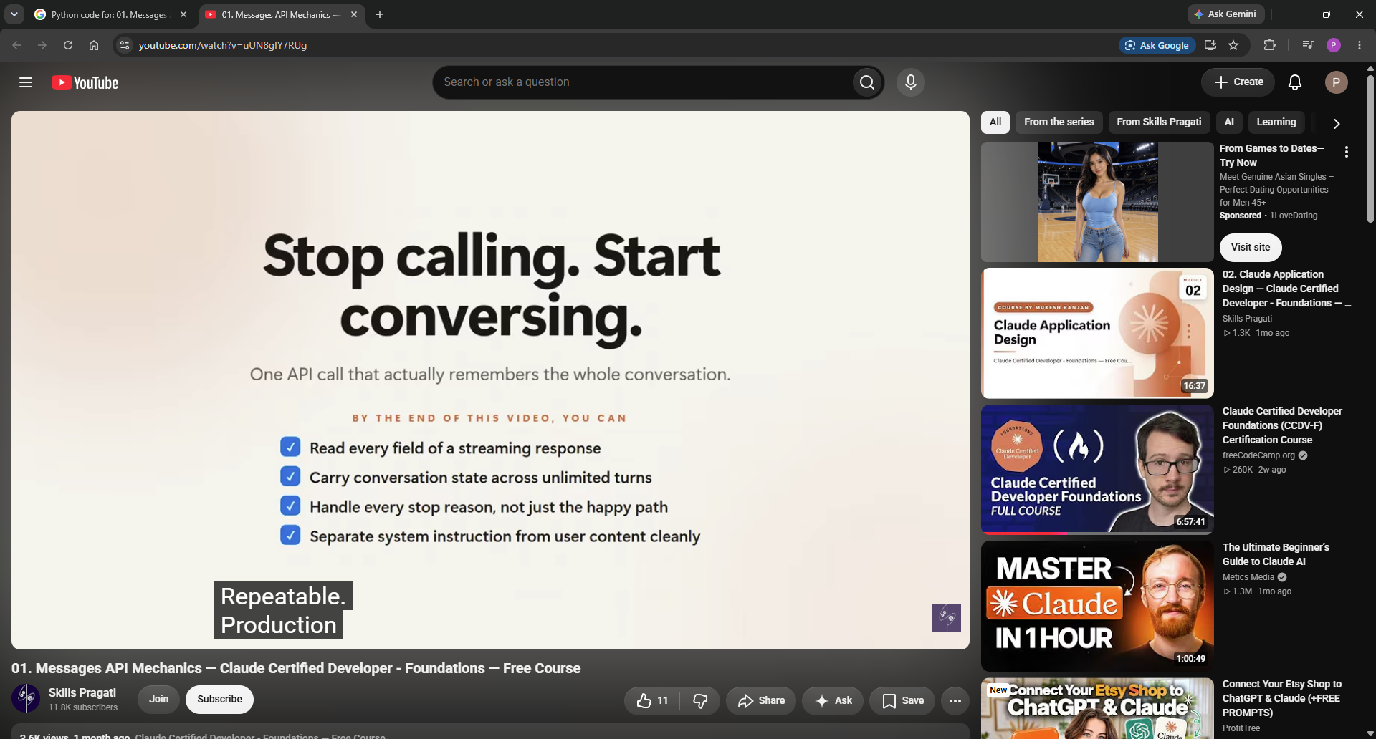
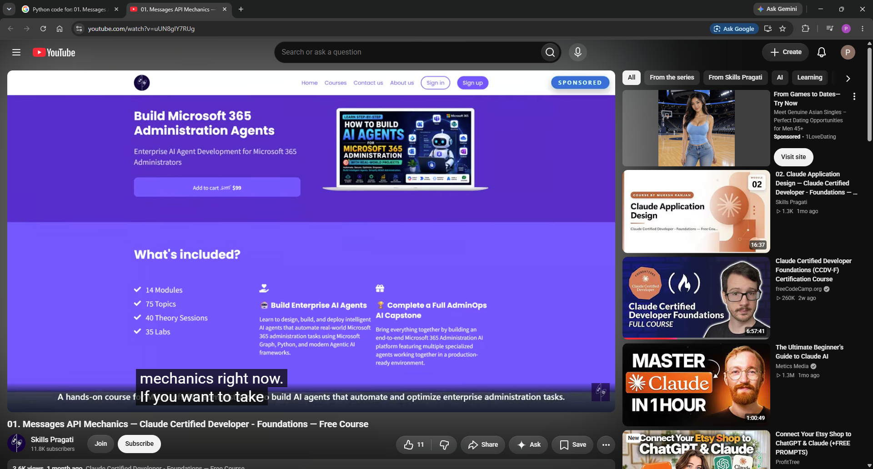
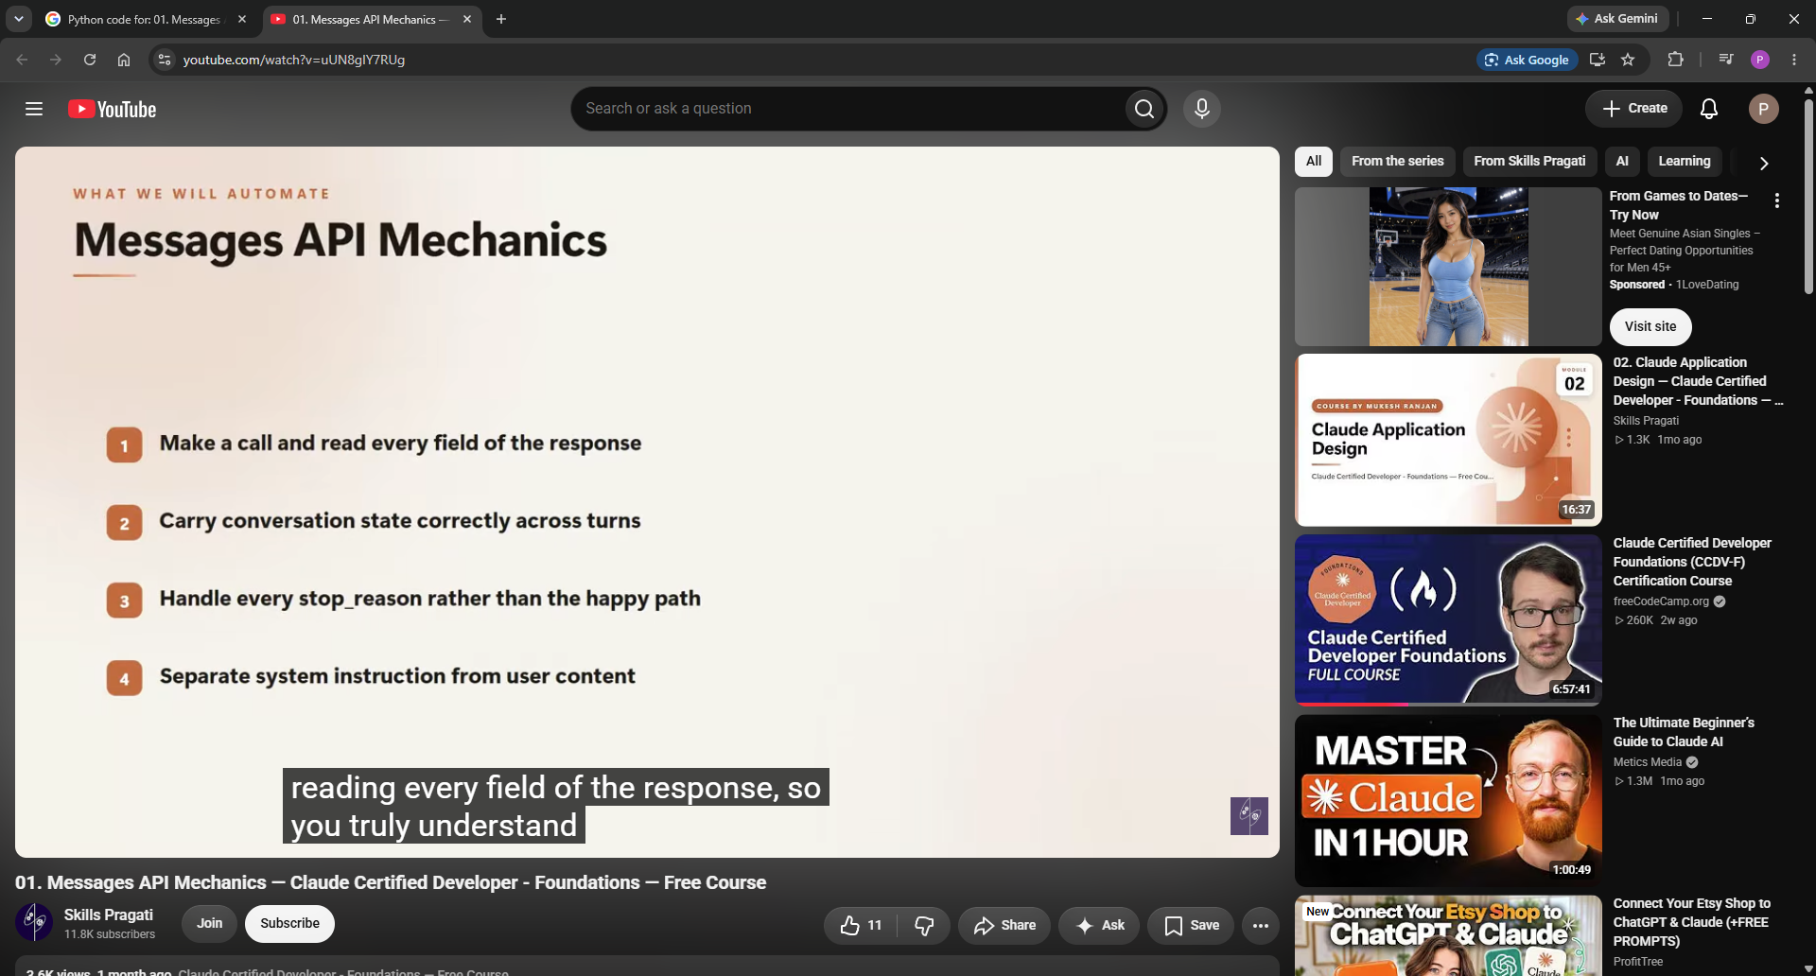
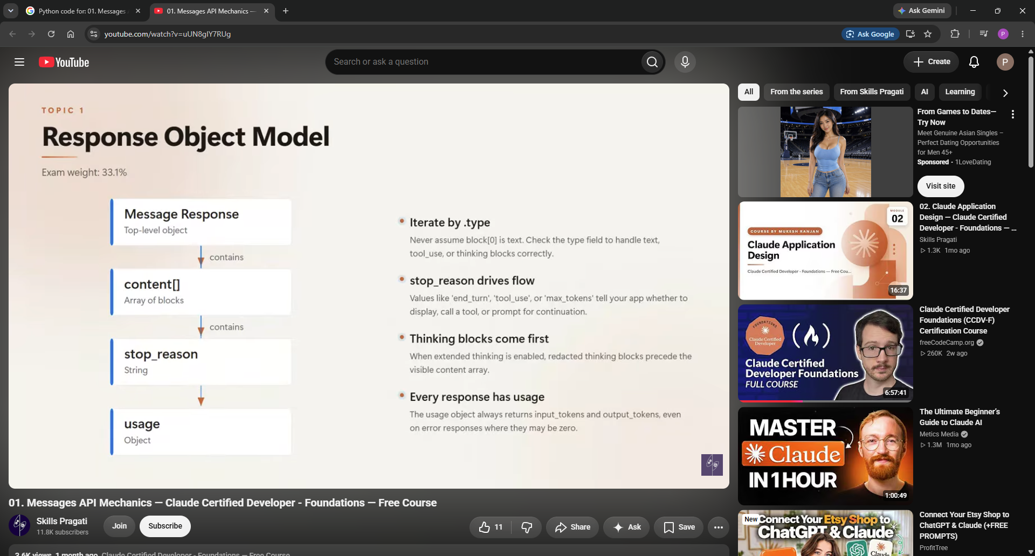
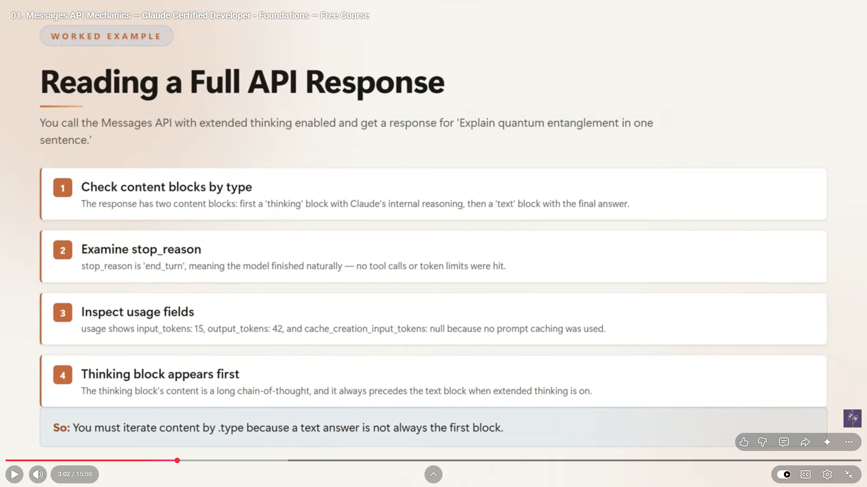
https://www.youtube.com/watch?v=uUN8gIY7RUg | Skills Pragati

https://www.google.com/search?q=Python+code+for%3A+01.+Messages+API+Mechanics+%E2%80%94+Claude+Certified+Developer+-+Foundations+%E2%80%94+Free+Course&rlz=1C1VDKB_enUS1078US1080&sourceid=chrome&ie=UTF-8&amc=1&aep=42&cud=1&source=chrome.crn.rb&mstk=AUtExfDg9vhDlWTeOrEYi2qTmP-ah4TaDW6subBpNFg7w7FFgrJbSQ7qL4vkNpSXRUohcSw5N3aKLc8qFG-1W3Mi9cxngDAfbrgOZA-MBn9lcHa4_WNXt1uenZCkm0veM_FKRnpRq6Gjk7IFfs8COWaKG4ab1xAiOQ8n-dE1eeBAFVCjXAt30624a_uirqqc8s3yicFJ3IAfDyvObycbeljuNc6wCNMknYapt43wSzhre8SMM8K1MBXnzAeczedccsn5_4fEzWahOrc212oYPEYl3cxusJa6YUxVa5G9amjxlF0TijVGA7PKWbXB4LthfiHGl6BsdUysAqYKcyCIj4L11UPNHKnezjvyZsEBrTiTNDJWhvspwP1hDTEBiEPIhREqm4U40fQrPAtIf8ADOHiR_HbcCdutc4AHbW2vWH3K1URwnkLnxtD30wS8YjdcApiE1CrW3EPHbA17iW37iiJuuvuSGQuRWDGt9E54LjhnEgKjF5L9c1cQRzXebee8fz4Yo3QDj4bP3qEFVCUNpC2IsxLYb6aVprQ&csuir=1&mtid=L_fIaqWoFufewN4PkpLe2AI&lns_mode=cvst&udm=50

