with image
1 | Set local domain name
 | 1.1 | Go to C:\Windows\System32\drivers\etc
 | 1.2 | Open host file as administrator
 | 1.3 | Add 127.0.0.1 pczauth.local
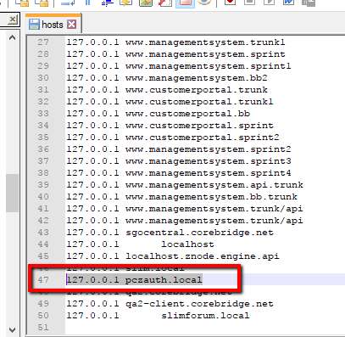

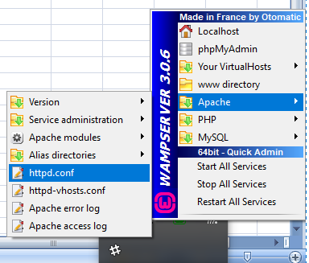
2 | Virtual Hosting
 | 2.1 | Open Apache http.conf

 | 2.2 | Set Listen to 0.0.0.0:81 and 0.0.0.0:82

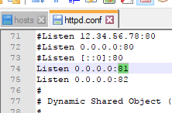

 | 2.3 | open httpd-vhosts.conf
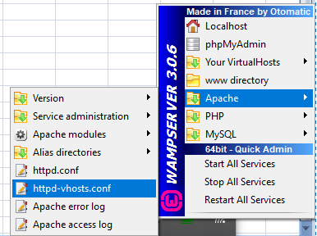

 | 2.4 | Change documentroot for port 81 and 82 Note: That we will not use 80 coz it is used by IIS
 |  | Virtual host is used if you want to run multiple website at the same time on different ports
 |  |  | httpd-vhosts.conf
# Virtual Hosts
#
<VirtualHost 127.0.0.1:81>
ServerName localhost
DocumentRoot F:\Project\Project\projectsmall\FloxbLinks
<Directory "F:\Project\Project\projectsmall\FloxbLinks">
Options +Indexes +Includes +FollowSymLinks +MultiViews
AllowOverride All
Require local
DirectoryIndex index.php
</Directory>
</VirtualHost>
<VirtualHost 127.0.0.1:82>
ServerName localhost
DocumentRoot F:\Project\Project\projectsmall\PCZ\PCZ\PCZAuth
<Directory "F:\Project\Project\projectsmall\PCZ\PCZ\PCZAuth">
Options +Indexes +Includes +FollowSymLinks +MultiViews
AllowOverride All
Require local
DirectoryIndex index.php
</Directory>
</VirtualHost>

 |  |  |  | Replace F:\Project\Project\projectsmall\FloxbLinks

 |  |  |  | Replace F:\Project\Project\projectsmall\PCZ\PCZ\PCZAuth

 | 2.5 | Restart Apache
 | 2.6 | Open PCZAuth\application\config\config.php
 |  | And set $config['base_url'] = 'http://pczauth.local:82';

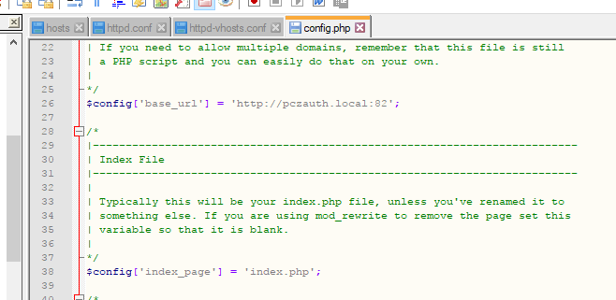

3 | Configure Database
 | 3.1 | Run PCZAuth\filedumps\Dump20171012-1.sql

 | 3.2 | Open PCZAuth\application\config\config.php
 |  | 3.2.1 | set database to pczauth
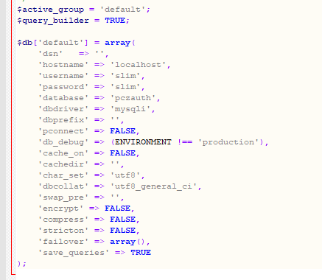

 | 3.3 |  | set username and password (this sample uses; user:slim pass: slim)

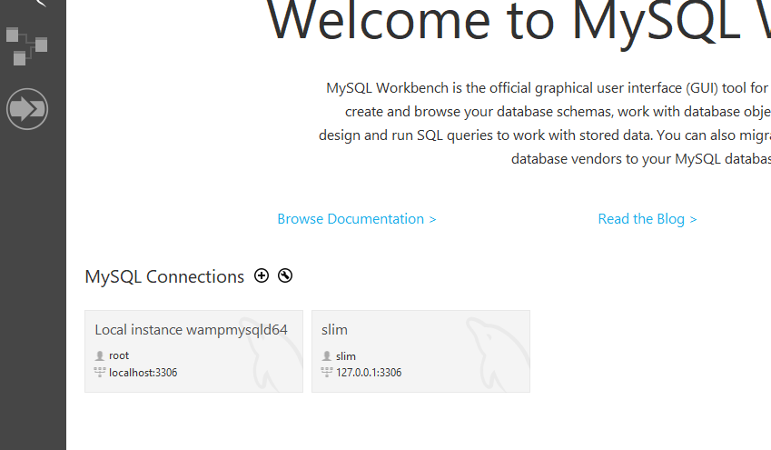

4 | Browse http://pczauth.local:82/
 |  | admin user: admin@admin.com
 |  | admin pass: password

