Electricity Generation US
US Electricity Generation
Total Net Electricity Generation by Fuel | 2020 | 2021 | 2022 | 2023 | 2024 | 2025 | 2026 | 2027 | 2028 | 2029 | 2030 | 2031 | 2032 | 2033 | 2034 | 2035 | 2036 | 2037 | 2038 | 2039 | 2040 | 2041 | 2042 | 2043 | 2044 | 2045 | 2046 | 2047 | 2048 | 2049 | 2050
Coal | 0.1906 | 0.2304 | 0.2377 | 0.2061 | 0.1824 | 0.1629 | 0.1656 | 0.1590 | 0.1592 | 0.1585 | 0.1555 | 0.1515 | 0.1478 | 0.1465 | 0.1450 | 0.1406 | 0.1391 | 0.1359 | 0.1311 | 0.1288 | 0.1273 | 0.1253 | 0.1240 | 0.1213 | 0.1190 | 0.1153 | 0.1136 | 0.1121 | 0.1114 | 0.1104 | 0.1087
Petroleum | 0.0039 | 0.0030 | 0.0029 | 0.0027 | 0.0025 | 0.0024 | 0.0023 | 0.0022 | 0.0021 | 0.0021 | 0.0020 | 0.0019 | 0.0019 | 0.0019 | 0.0018 | 0.0018 | 0.0018 | 0.0017 | 0.0016 | 0.0016 | 0.0016 | 0.0015 | 0.0014 | 0.0013 | 0.0013 | 0.0012 | 0.0012 | 0.0011 | 0.0011 | 0.0011 | 0.0011
Natural Gas | 0.4029 | 0.3494 | 0.3430 | 0.3534 | 0.3470 | 0.3576 | 0.3638 | 0.3644 | 0.3583 | 0.3559 | 0.3491 | 0.3489 | 0.3479 | 0.3464 | 0.3455 | 0.3407 | 0.3398 | 0.3413 | 0.3447 | 0.3472 | 0.3503 | 0.3503 | 0.3519 | 0.3550 | 0.3565 | 0.3578 | 0.3563 | 0.3556 | 0.3561 | 0.3567 | 0.3579
Nuclear Power | 0.1932 | 0.1861 | 0.1764 | 0.1773 | 0.1760 | 0.1718 | 0.1509 | 0.1468 | 0.1460 | 0.1415 | 0.1408 | 0.1399 | 0.1392 | 0.1365 | 0.1318 | 0.1310 | 0.1285 | 0.1273 | 0.1261 | 0.1249 | 0.1221 | 0.1212 | 0.1201 | 0.1189 | 0.1177 | 0.1166 | 0.1154 | 0.1127 | 0.1114 | 0.1101 | 0.1088
Renewable Sources 5,9/ | 0.2054 | 0.2272 | 0.2360 | 0.2566 | 0.2882 | 0.3014 | 0.3136 | 0.3239 | 0.3307 | 0.3384 | 0.3491 | 0.3542 | 0.3596 | 0.3653 | 0.3724 | 0.3825 | 0.3876 | 0.3905 | 0.3932 | 0.3943 | 0.3956 | 0.3986 | 0.3995 | 0.4005 | 0.4025 | 0.4062 | 0.4108 | 0.4158 | 0.4174 | 0.4191 | 0.4210
Other 11/ | 0.0040 | 0.0039 | 0.0041 | 0.0040 | 0.0039 | 0.0039 | 0.0038 | 0.0038 | 0.0037 | 0.0036 | 0.0036 | 0.0035 | 0.0035 | 0.0034 | 0.0034 | 0.0033 | 0.0033 | 0.0033 | 0.0032 | 0.0032 | 0.0032 | 0.0031 | 0.0031 | 0.0030 | 0.0030 | 0.0029 | 0.0028 | 0.0027 | 0.0027 | 0.0026 | 0.0025

Conventional Hydroelectric Power | 0.3395 | 0.3031 | 0.2924 | 0.2723 | 0.2399 | 0.2259 | 0.2157 | 0.2076 | 0.2021 | 0.1962 | 0.1890 | 0.1846 | 0.1805 | 0.1764 | 0.1717 | 0.1657 | 0.1621 | 0.1594 | 0.1567 | 0.1547 | 0.1528 | 0.1501 | 0.1481 | 0.1460 | 0.1434 | 0.1407 | 0.1375 | 0.1343 | 0.1323 | 0.1300 | 0.1277
Geothermal | 0.0187 | 0.0167 | 0.0163 | 0.0150 | 0.0141 | 0.0142 | 0.0143 | 0.0146 | 0.0154 | 0.0158 | 0.0162 | 0.0166 | 0.0169 | 0.0174 | 0.0176 | 0.0179 | 0.0184 | 0.0190 | 0.0195 | 0.0200 | 0.0205 | 0.0208 | 0.0210 | 0.0212 | 0.0214 | 0.0215 | 0.0216 | 0.0216 | 0.0217 | 0.0217 | 0.0217
Municipal Waste | 0.0260 | 0.0243 | 0.0231 | 0.0219 | 0.0204 | 0.0202 | 0.0201 | 0.0201 | 0.0202 | 0.0204 | 0.0204 | 0.0207 | 0.0208 | 0.0212 | 0.0213 | 0.0213 | 0.0215 | 0.0219 | 0.0220 | 0.0222 | 0.0225 | 0.0226 | 0.0228 | 0.0230 | 0.0231 | 0.0230 | 0.0230 | 0.0230 | 0.0231 | 0.0231 | 0.0228
Wood and Other Biomass | 0.0460 | 0.0418 | 0.0401 | 0.0363 | 0.0321 | 0.0304 | 0.0291 | 0.0281 | 0.0270 | 0.0261 | 0.0253 | 0.0249 | 0.0243 | 0.0240 | 0.0233 | 0.0226 | 0.0221 | 0.0217 | 0.0213 | 0.0211 | 0.0208 | 0.0205 | 0.0203 | 0.0200 | 0.0198 | 0.0194 | 0.0190 | 0.0187 | 0.0185 | 0.0182 | 0.0180
Solar | 0.1588 | 0.1805 | 0.2069 | 0.2043 | 0.2030 | 0.2274 | 0.2588 | 0.2826 | 0.2940 | 0.3108 | 0.3179 | 0.3269 | 0.3391 | 0.3511 | 0.3563 | 0.3614 | 0.3681 | 0.3759 | 0.3840 | 0.3899 | 0.3954 | 0.4039 | 0.4108 | 0.4167 | 0.4227 | 0.4305 | 0.4402 | 0.4494 | 0.4556 | 0.4611 | 0.4660
Wind | 0.4110 | 0.4336 | 0.4212 | 0.4501 | 0.4905 | 0.4819 | 0.4619 | 0.4470 | 0.4413 | 0.4307 | 0.4311 | 0.4263 | 0.4183 | 0.4100 | 0.4097 | 0.4111 | 0.4078 | 0.4021 | 0.3964 | 0.3920 | 0.3880 | 0.3822 | 0.3770 | 0.3730 | 0.3696 | 0.3648 | 0.3586 | 0.3529 | 0.3487 | 0.3458 | 0.3437

Total Net Electricity Generation by Fuel | 2020 | 2021 | 2022 | 2023 | 2024 | 2025 | 2026 | 2027 | 2028 | 2029 | 2030 | 2031 | 2032 | 2033 | 2034 | 2035 | 2036 | 2037 | 2038 | 2039 | 2040 | 2041 | 2042 | 2043 | 2044 | 2045 | 2046 | 2047 | 2048 | 2049 | 2050
Coal | 0.1906 | 0.2304 | 0.2377 | 0.2061 | 0.1824 | 0.1629 | 0.1656 | 0.1590 | 0.1592 | 0.1585 | 0.1555 | 0.1515 | 0.1478 | 0.1465 | 0.1450 | 0.1406 | 0.1391 | 0.1359 | 0.1311 | 0.1288 | 0.1273 | 0.1253 | 0.1240 | 0.1213 | 0.1190 | 0.1153 | 0.1136 | 0.1121 | 0.1114 | 0.1104 | 0.1087
Petroleum | 0.0039 | 0.0030 | 0.0029 | 0.0027 | 0.0025 | 0.0024 | 0.0023 | 0.0022 | 0.0021 | 0.0021 | 0.0020 | 0.0019 | 0.0019 | 0.0019 | 0.0018 | 0.0018 | 0.0018 | 0.0017 | 0.0016 | 0.0016 | 0.0016 | 0.0015 | 0.0014 | 0.0013 | 0.0013 | 0.0012 | 0.0012 | 0.0011 | 0.0011 | 0.0011 | 0.0011
Natural Gas | 0.4029 | 0.3494 | 0.3430 | 0.3534 | 0.3470 | 0.3576 | 0.3638 | 0.3644 | 0.3583 | 0.3559 | 0.3491 | 0.3489 | 0.3479 | 0.3464 | 0.3455 | 0.3407 | 0.3398 | 0.3413 | 0.3447 | 0.3472 | 0.3503 | 0.3503 | 0.3519 | 0.3550 | 0.3565 | 0.3578 | 0.3563 | 0.3556 | 0.3561 | 0.3567 | 0.3579
Nuclear Power | 0.1932 | 0.1861 | 0.1764 | 0.1773 | 0.1760 | 0.1718 | 0.1509 | 0.1468 | 0.1460 | 0.1415 | 0.1408 | 0.1399 | 0.1392 | 0.1365 | 0.1318 | 0.1310 | 0.1285 | 0.1273 | 0.1261 | 0.1249 | 0.1221 | 0.1212 | 0.1201 | 0.1189 | 0.1177 | 0.1166 | 0.1154 | 0.1127 | 0.1114 | 0.1101 | 0.1088
Others | 0.0040 | 0.0039 | 0.0041 | 0.0040 | 0.0039 | 0.0039 | 0.0038 | 0.0038 | 0.0037 | 0.0036 | 0.0036 | 0.0035 | 0.0035 | 0.0034 | 0.0034 | 0.0033 | 0.0033 | 0.0033 | 0.0032 | 0.0032 | 0.0032 | 0.0031 | 0.0031 | 0.0030 | 0.0030 | 0.0029 | 0.0028 | 0.0027 | 0.0027 | 0.0026 | 0.0025
Conventional Hydroelectric Power | 0.0697 | 0.0689 | 0.0690 | 0.0699 | 0.0691 | 0.0681 | 0.0676 | 0.0672 | 0.0668 | 0.0664 | 0.0660 | 0.0654 | 0.0649 | 0.0644 | 0.0639 | 0.0634 | 0.0628 | 0.0622 | 0.0616 | 0.0610 | 0.0604 | 0.0598 | 0.0592 | 0.0585 | 0.0577 | 0.0571 | 0.0565 | 0.0559 | 0.0552 | 0.0545 | 0.0538
Geothermal | 0.0038 | 0.0038 | 0.0038 | 0.0039 | 0.0041 | 0.0043 | 0.0045 | 0.0047 | 0.0051 | 0.0054 | 0.0056 | 0.0059 | 0.0061 | 0.0063 | 0.0066 | 0.0069 | 0.0071 | 0.0074 | 0.0077 | 0.0079 | 0.0081 | 0.0083 | 0.0084 | 0.0085 | 0.0086 | 0.0087 | 0.0089 | 0.0090 | 0.0091 | 0.0091 | 0.0091
Municipal Waste | 0.0053 | 0.0055 | 0.0055 | 0.0056 | 0.0059 | 0.0061 | 0.0063 | 0.0065 | 0.0067 | 0.0069 | 0.0071 | 0.0073 | 0.0075 | 0.0077 | 0.0079 | 0.0082 | 0.0083 | 0.0085 | 0.0086 | 0.0088 | 0.0089 | 0.0090 | 0.0091 | 0.0092 | 0.0093 | 0.0094 | 0.0094 | 0.0096 | 0.0097 | 0.0097 | 0.0096
Wood and Other Biomass | 0.0095 | 0.0095 | 0.0095 | 0.0093 | 0.0093 | 0.0092 | 0.0091 | 0.0091 | 0.0089 | 0.0088 | 0.0088 | 0.0088 | 0.0087 | 0.0088 | 0.0087 | 0.0086 | 0.0086 | 0.0085 | 0.0084 | 0.0083 | 0.0082 | 0.0082 | 0.0081 | 0.0080 | 0.0080 | 0.0079 | 0.0078 | 0.0078 | 0.0077 | 0.0076 | 0.0076
Solar | 0.0326 | 0.0410 | 0.0488 | 0.0524 | 0.0585 | 0.0686 | 0.0812 | 0.0915 | 0.0972 | 0.1052 | 0.1110 | 0.1158 | 0.1220 | 0.1282 | 0.1327 | 0.1383 | 0.1427 | 0.1468 | 0.1510 | 0.1538 | 0.1564 | 0.1610 | 0.1641 | 0.1669 | 0.1702 | 0.1749 | 0.1808 | 0.1869 | 0.1902 | 0.1933 | 0.1962
Wind | 0.0844 | 0.0985 | 0.0994 | 0.1155 | 0.1413 | 0.1453 | 0.1449 | 0.1448 | 0.1459 | 0.1457 | 0.1505 | 0.1510 | 0.1504 | 0.1498 | 0.1526 | 0.1572 | 0.1581 | 0.1570 | 0.1559 | 0.1546 | 0.1535 | 0.1524 | 0.1506 | 0.1494 | 0.1488 | 0.1482 | 0.1473 | 0.1467 | 0.1455 | 0.1449 | 0.1447

US Electricity Mix (2020-2050)

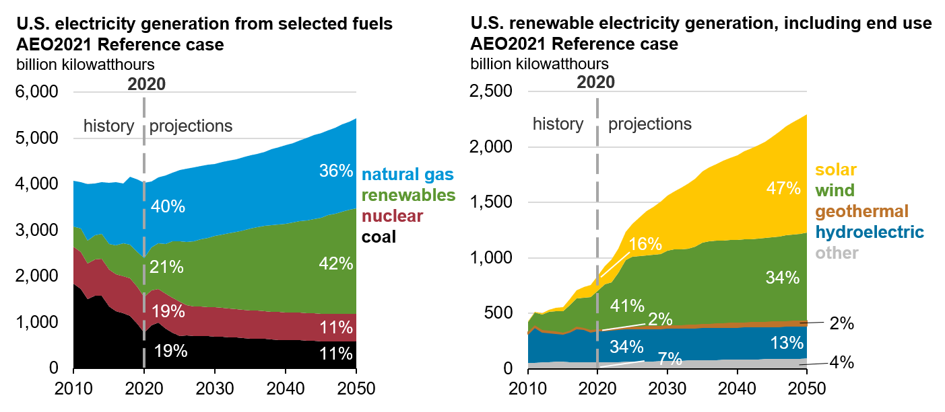
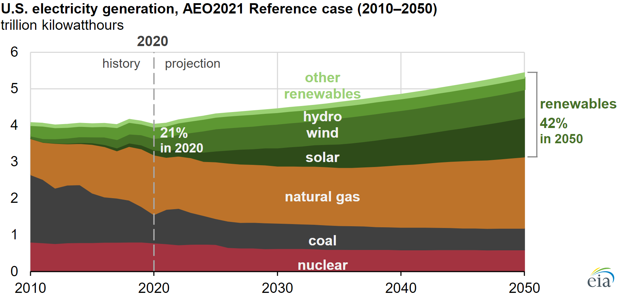

Total Net Electricity Generation by Fuel | 2020 | 2021 | 2022 | 2023 | 2024 | 2025 | 2026 | 2027 | 2028 | 2029 | 2030 | 2031 | 2032 | 2033 | 2034 | 2035 | 2036 | 2037 | 2038 | 2039 | 2040 | 2041 | 2042 | 2043 | 2044 | 2045 | 2046 | 2047 | 2048 | 2049 | 2050
Coal | 773.88 | 941.73 | 992.79 | 871.75 | 780.44 | 706.42 | 723.25 | 698.41 | 703.34 | 705.18 | 695.74 | 683.59 | 671.29 | 670.09 | 668.57 | 653.84 | 652.71 | 643.58 | 626.77 | 621.68 | 619.92 | 616.32 | 616.71 | 610.07 | 605.33 | 592.98 | 590.66 | 589.81 | 592.60 | 594.87 | 593.27
Petroleum | 15.69 | 12.17 | 11.93 | 11.25 | 10.77 | 10.39 | 10.08 | 9.62 | 9.33 | 9.18 | 8.98 | 8.69 | 8.60 | 8.54 | 8.51 | 8.41 | 8.31 | 8.14 | 7.84 | 7.73 | 7.63 | 7.33 | 7.03 | 6.68 | 6.36 | 6.00 | 6.01 | 6.04 | 6.08 | 6.11 | 6.13
Natural Gas | 1636.41 | 1428.15 | 1432.51 | 1494.61 | 1484.58 | 1550.62 | 1588.56 | 1600.56 | 1583.38 | 1583.35 | 1562.02 | 1574.40 | 1580.06 | 1584.86 | 1592.97 | 1584.22 | 1594.15 | 1616.41 | 1648.57 | 1676.65 | 1706.49 | 1723.14 | 1749.92 | 1785.70 | 1813.30 | 1839.85 | 1852.84 | 1870.04 | 1894.80 | 1921.95 | 1953.11
Nuclear Power | 784.79 | 760.58 | 736.68 | 749.80 | 752.93 | 744.94 | 658.95 | 644.84 | 645.18 | 629.52 | 630.27 | 631.43 | 632.28 | 624.56 | 607.82 | 609.22 | 602.74 | 602.95 | 603.16 | 603.16 | 594.81 | 596.06 | 596.97 | 597.84 | 598.60 | 599.41 | 599.84 | 592.53 | 592.80 | 593.12 | 593.58
Other 11/ | 16.30 | 15.86 | 16.95 | 16.90 | 16.73 | 16.82 | 16.59 | 16.51 | 16.41 | 16.01 | 15.94 | 15.76 | 15.74 | 15.68 | 15.66 | 15.45 | 15.41 | 15.47 | 15.46 | 15.43 | 15.36 | 15.34 | 15.30 | 15.19 | 15.04 | 14.87 | 14.44 | 14.34 | 14.27 | 14.09 | 13.73
Conventional Hydroelectric Power | 283.163605 | 281.478546 | 288.123322 | 295.476715 | 295.733032 | 295.267914 | 295.360077 | 295.376312 | 295.345398 | 295.325958 | 295.246429 | 295.061981 | 294.851105 | 294.825226 | 294.768372 | 294.775146 | 294.786713 | 294.759125 | 294.614868 | 294.556366 | 294.389252 | 294.315216 | 294.200928 | 294.173584 | 293.664764 | 293.817566 | 293.796844 | 293.751587 | 293.882233 | 293.675903 | 293.537811
Geothermal | 15.628645 | 15.463341 | 16.069365 | 16.299559 | 17.356882 | 18.556475 | 19.612358 | 20.756208 | 22.475203 | 23.854721 | 25.270481 | 26.569674 | 27.631901 | 28.996521 | 30.280928 | 31.891851 | 33.505341 | 35.183243 | 36.690819 | 38.159981 | 39.512226 | 40.698101 | 41.779652 | 42.647438 | 43.823418 | 44.941166 | 46.210102 | 47.245281 | 48.27425 | 48.979465 | 49.777046
Municipal Waste | 21.656532 | 22.58956 | 22.777843 | 23.812263 | 25.207035 | 26.364861 | 27.560806 | 28.631832 | 29.504131 | 30.701065 | 31.94326 | 33.131104 | 34.045162 | 35.360027 | 36.652134 | 37.936916 | 39.148624 | 40.484291 | 41.364037 | 42.307842 | 43.277809 | 44.320633 | 45.279362 | 46.432743 | 47.299927 | 48.081734 | 49.071438 | 50.268028 | 51.359959 | 52.219364 | 52.495258
Wood and Other Biomass | 38.383736 | 38.852779 | 39.512466 | 39.42498 | 39.597137 | 39.745655 | 39.882984 | 39.975853 | 39.489517 | 39.305405 | 39.573841 | 39.744392 | 39.689976 | 40.05545 | 40.026608 | 40.142998 | 40.147018 | 40.092361 | 40.131737 | 40.096287 | 40.170166 | 40.20755 | 40.316956 | 40.360638 | 40.508804 | 40.580734 | 40.605469 | 40.868473 | 41.001106 | 41.182667 | 41.407246
Solar | 132.435547 | 167.616241 | 203.850891 | 221.689392 | 250.231445 | 297.255432 | 354.45166 | 402.133362 | 429.552429 | 467.866119 | 496.625183 | 522.339661 | 553.813416 | 586.685364 | 611.74231 | 642.879517 | 669.525879 | 695.129639 | 722.107544 | 742.380493 | 761.886963 | 792.033691 | 815.968567 | 839.485413 | 865.395142 | 899.220947 | 940.38739 | 982.813049 | 1011.974976 | 1041.391113 | 1070.877563
Wind | 342.85379 | 402.721985 | 415.069824 | 488.456085 | 604.724121 | 629.9328 | 632.547363 | 635.971741 | 644.796875 | 648.30365 | 673.395752 | 681.163574 | 683.21106 | 685.269104 | 703.4505 | 731.188171 | 741.625 | 743.59436 | 745.399597 | 746.303833 | 747.643555 | 749.446594 | 748.7724 | 751.492615 | 756.614746 | 762.036682 | 766.126709 | 771.798157 | 774.480652 | 780.892517 | 789.72168

US Electricity Generation

Coal
Petroleum
Natural Gas
Nuclear Power
Other 11/
Conventional Hydroelectric Power
Geothermal
Municipal Waste
Wood and Other Biomass
Solar
Wind

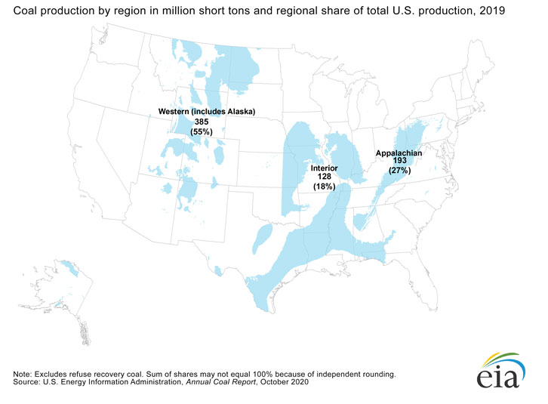
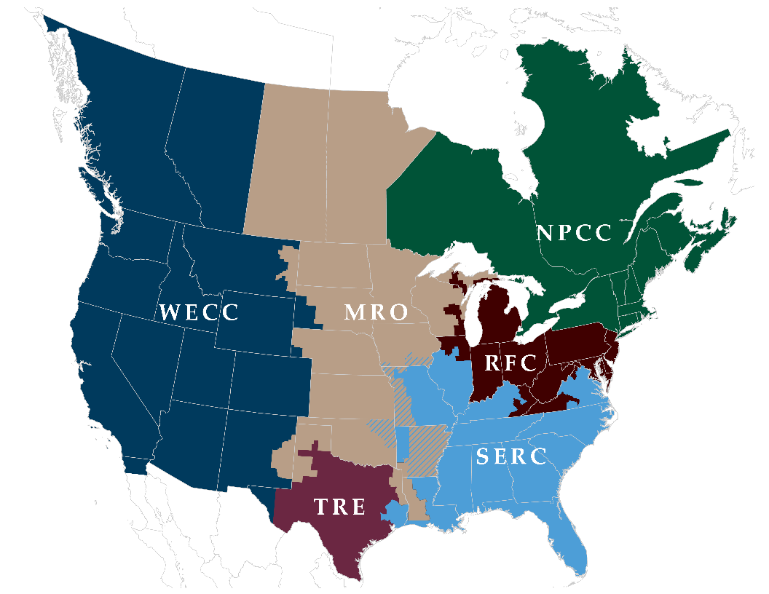

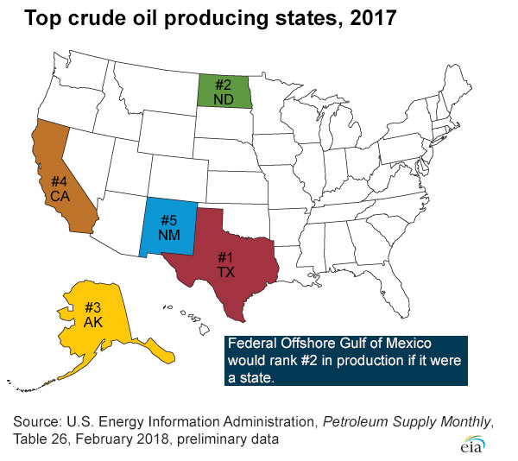

https://www.eia.gov/energyexplained/natural-gas/where-our-natural-gas-comes-from.php

solar panel RFC
https://www.solarpowerworldonline.com/u-s-solar-panel-manufacturers/

Here’s a list of the top 10 and their annual solar panel production capacity in 2019: | Ohio
1. First Solar — 1,900 MW
2. Hanwha Q Cells — 1,700 MW
3. Tesla/Panasonic — 1,000 MW
4. LG Solar USA — 500 MW
5. JinkoSolar — 400 MW
6. Sunenergy California — 400 MW
7. Silfab Solar — 400 MW
8. SunSpark USA — 200 MW
9. Mission Solar — 200 MW
10. SunPower — 150+ MW

